monosaccharide
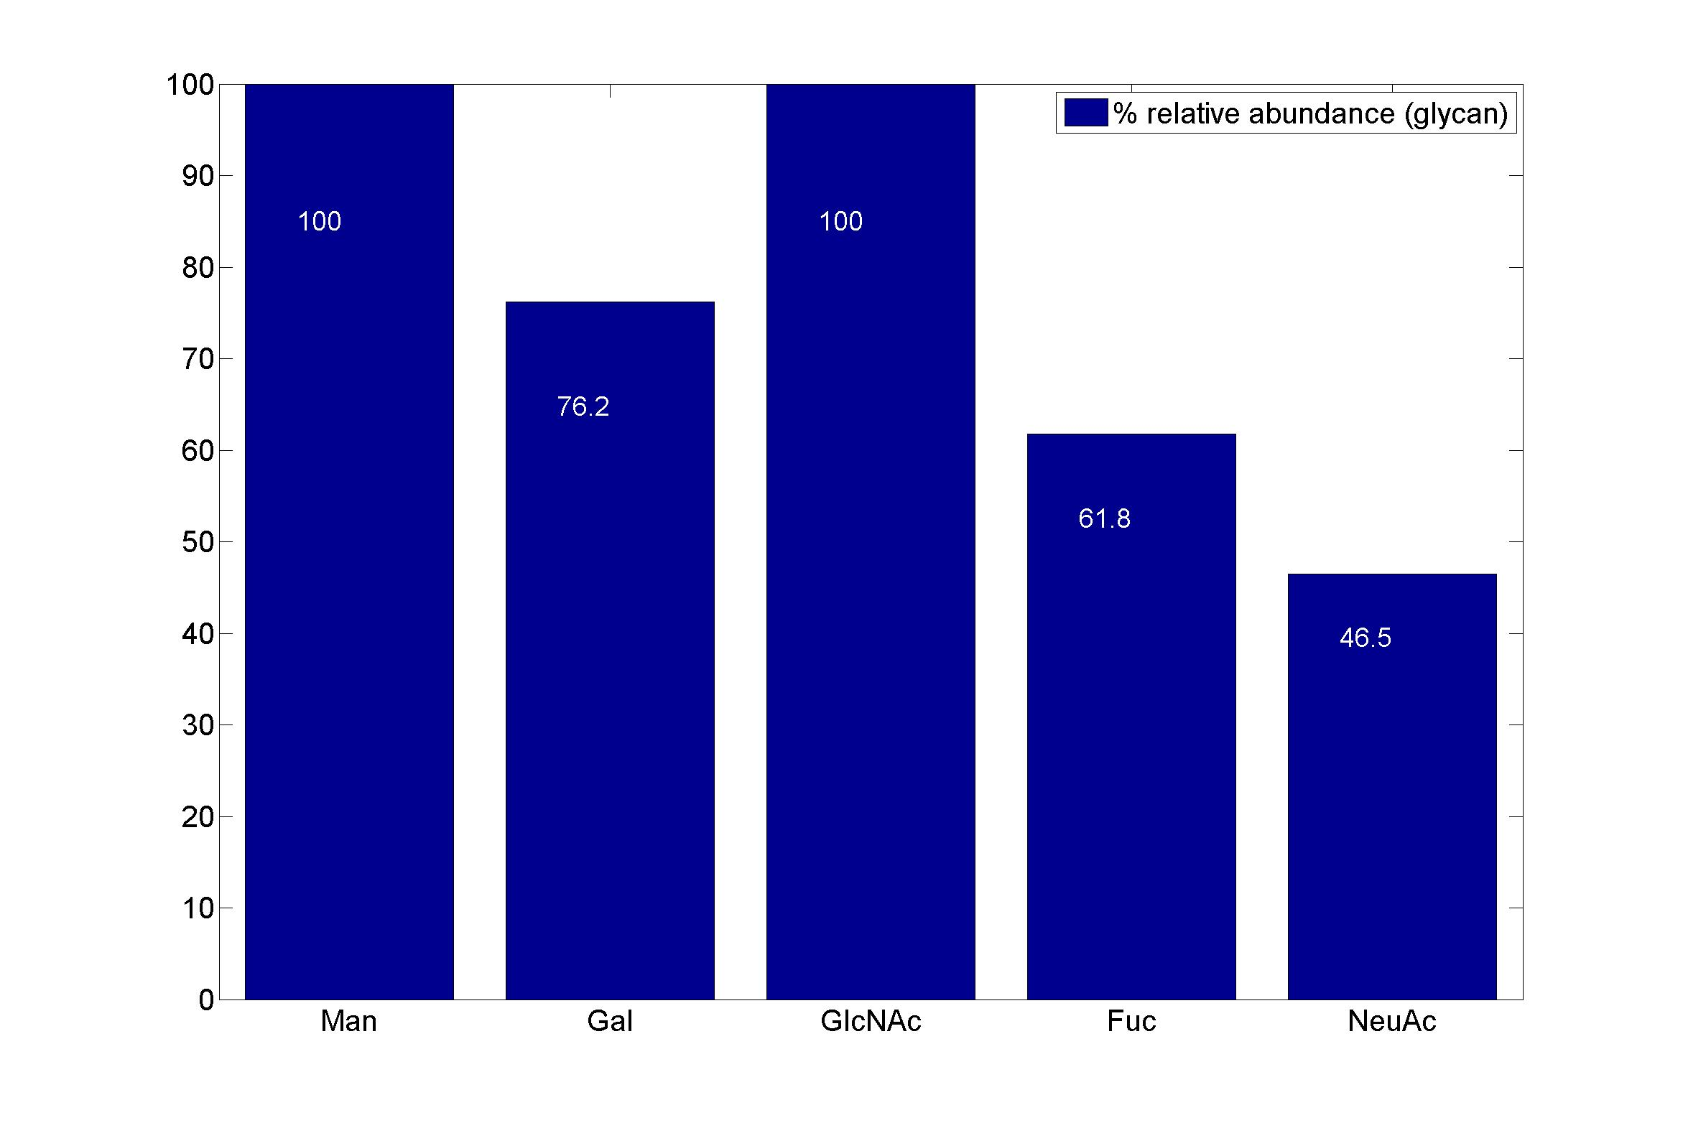
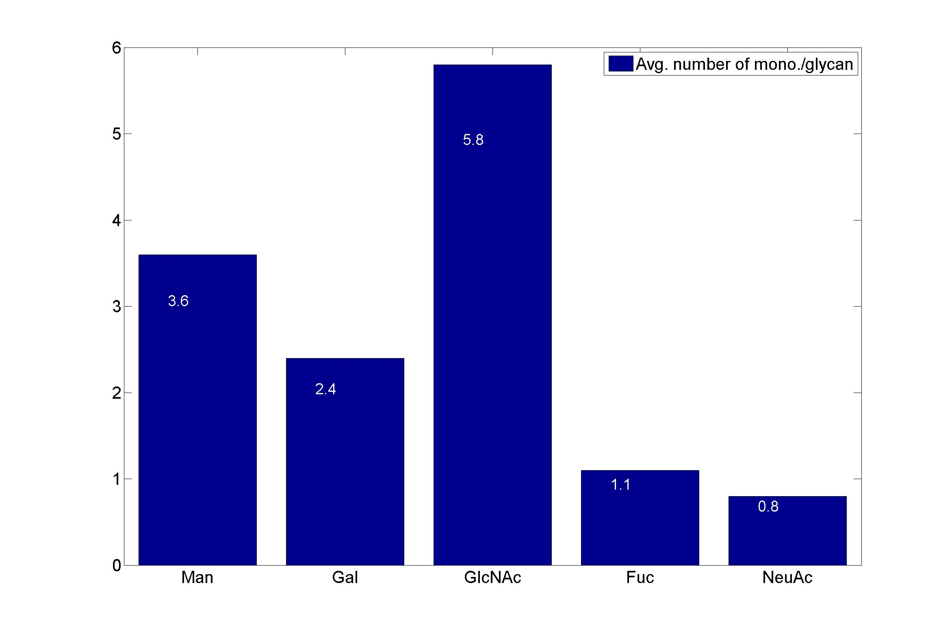
GlycanResidue Name | Relative Abundance of GlycanSpeices | Relative Abundance of GlycanResidue
Man | 100 | 3.6
Gal | 76.2 | 2.4
GlcNAc | 100 | 5.8
Fuc | 61.8 | 1.1
NeuAc | 46.5 | 0.8

sub-structure
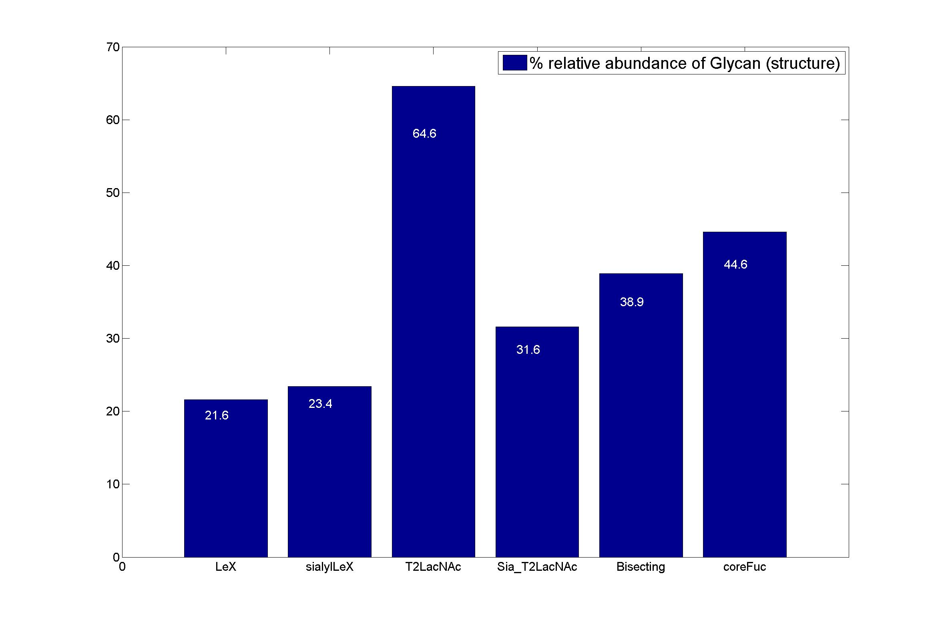
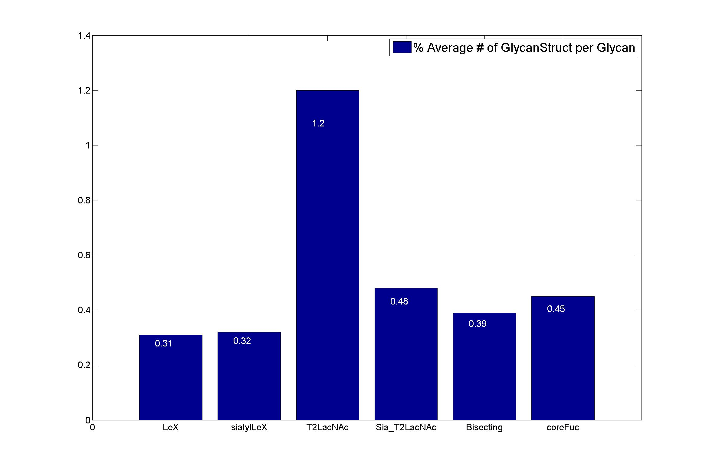
GlycanStruct Name | Relative Abundance of GlycanSpecies | Average # of GlycanStruct per Glycan
LeX | 21.6 | 0.31
sialylLeX | 23.4 | 0.32
T2LacNAc | 64.6 | 1.2
Sia_T2LacNAc | 31.6 | 0.48
Bisecting | 38.9 | 0.39
coreFuc | 44.6 | 0.45

