monosaccharide
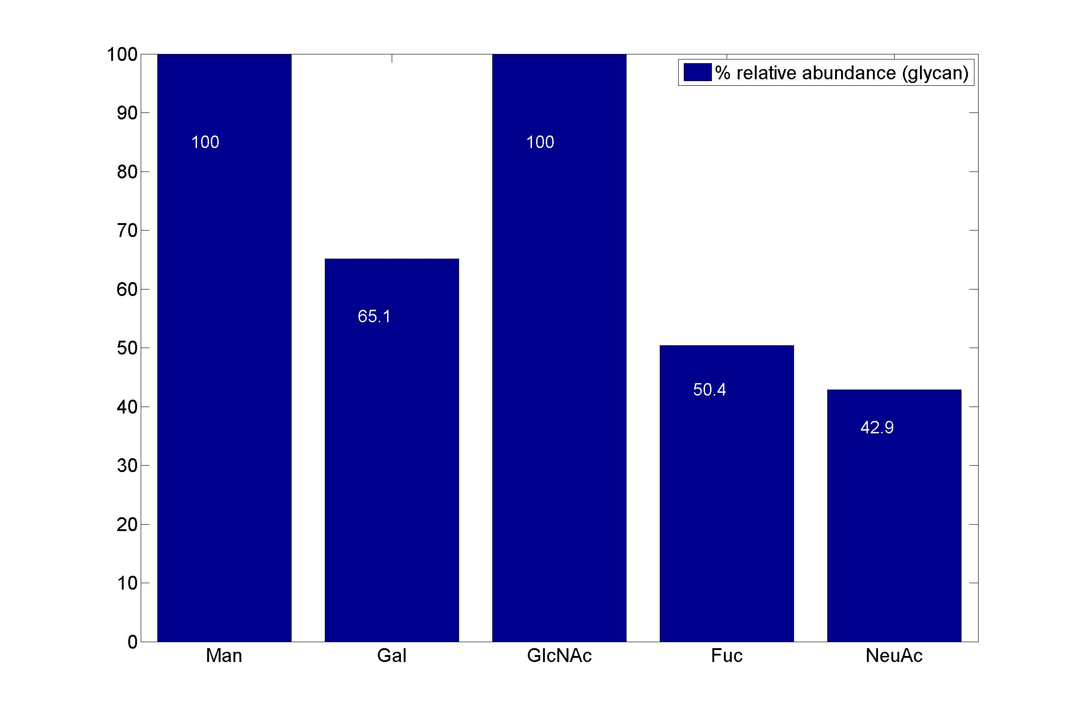
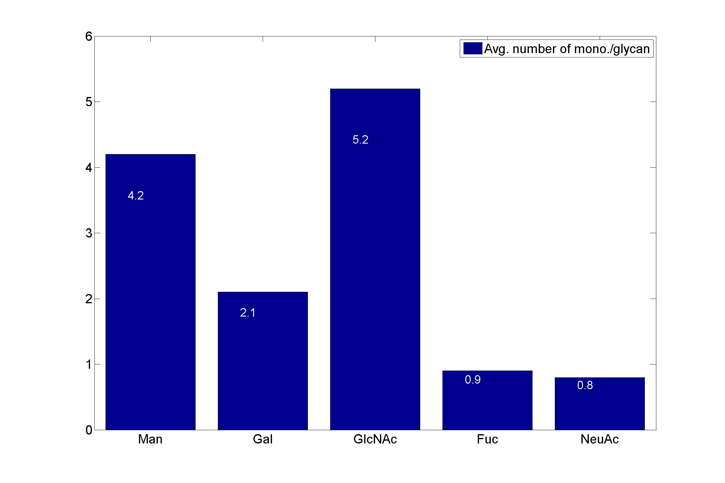
GlycanResidue Name | Relative Abundance of GlycanSpeices | Relative Abundance of GlycanResidue
Man | 100 | 4.2
Gal | 65.1 | 2.1
GlcNAc | 100 | 5.2
Fuc | 50.4 | 0.9
NeuAc | 42.9 | 0.8

sub-structure
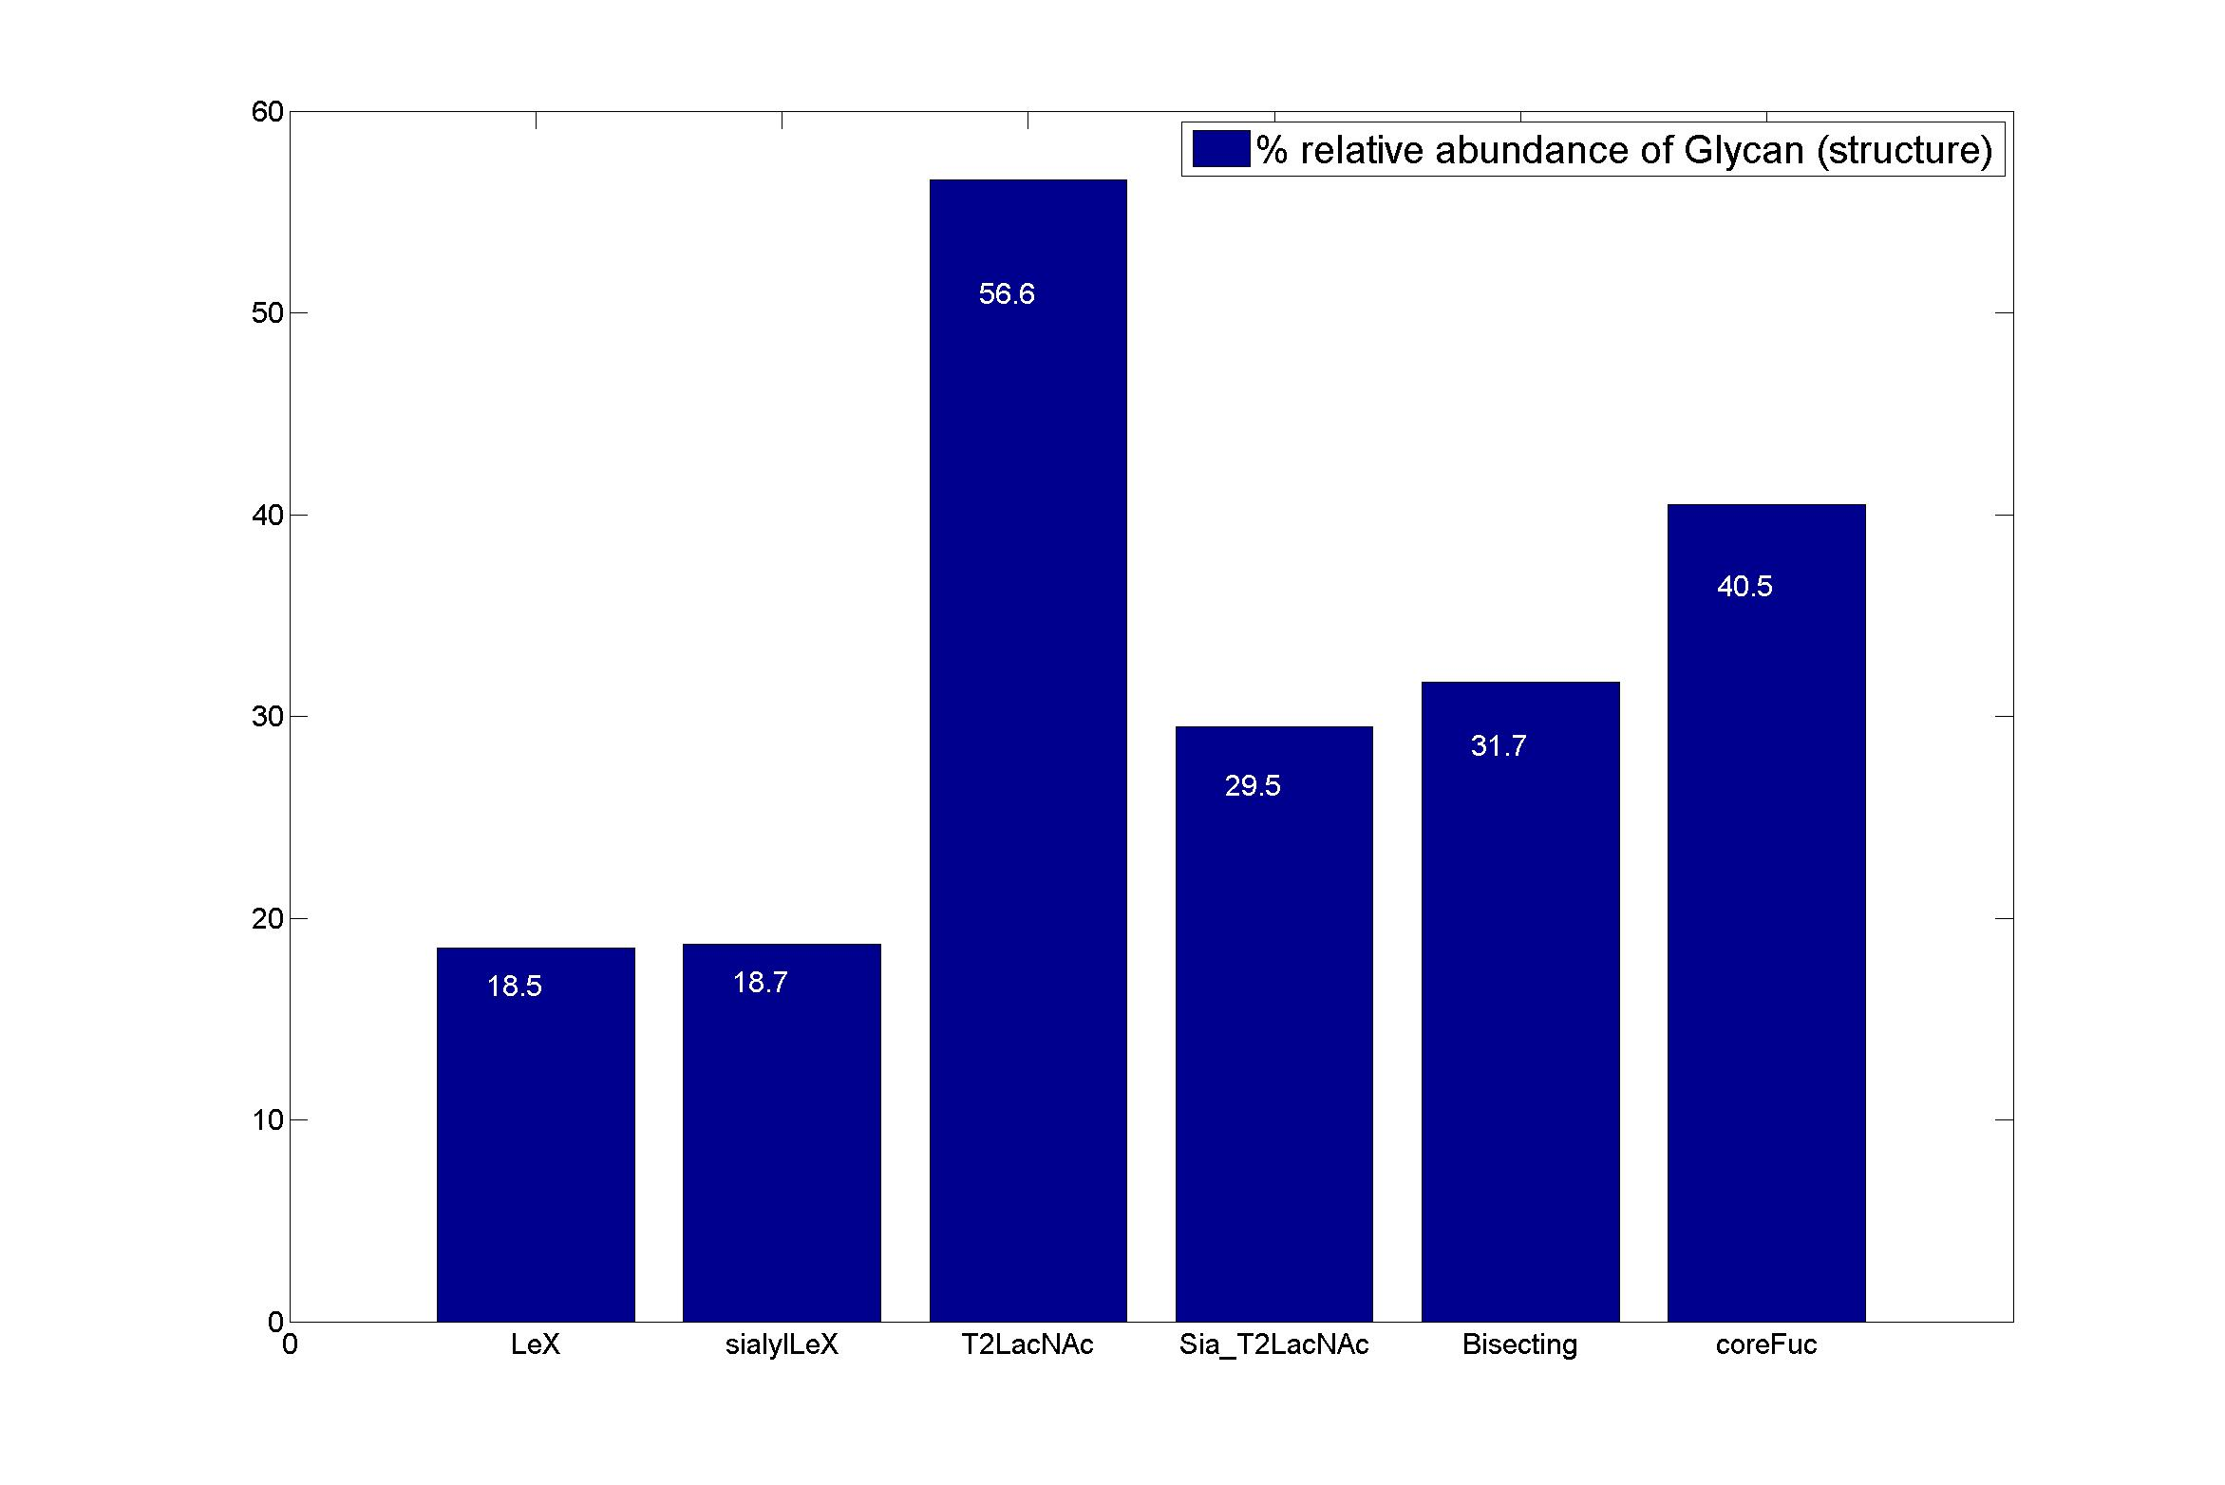
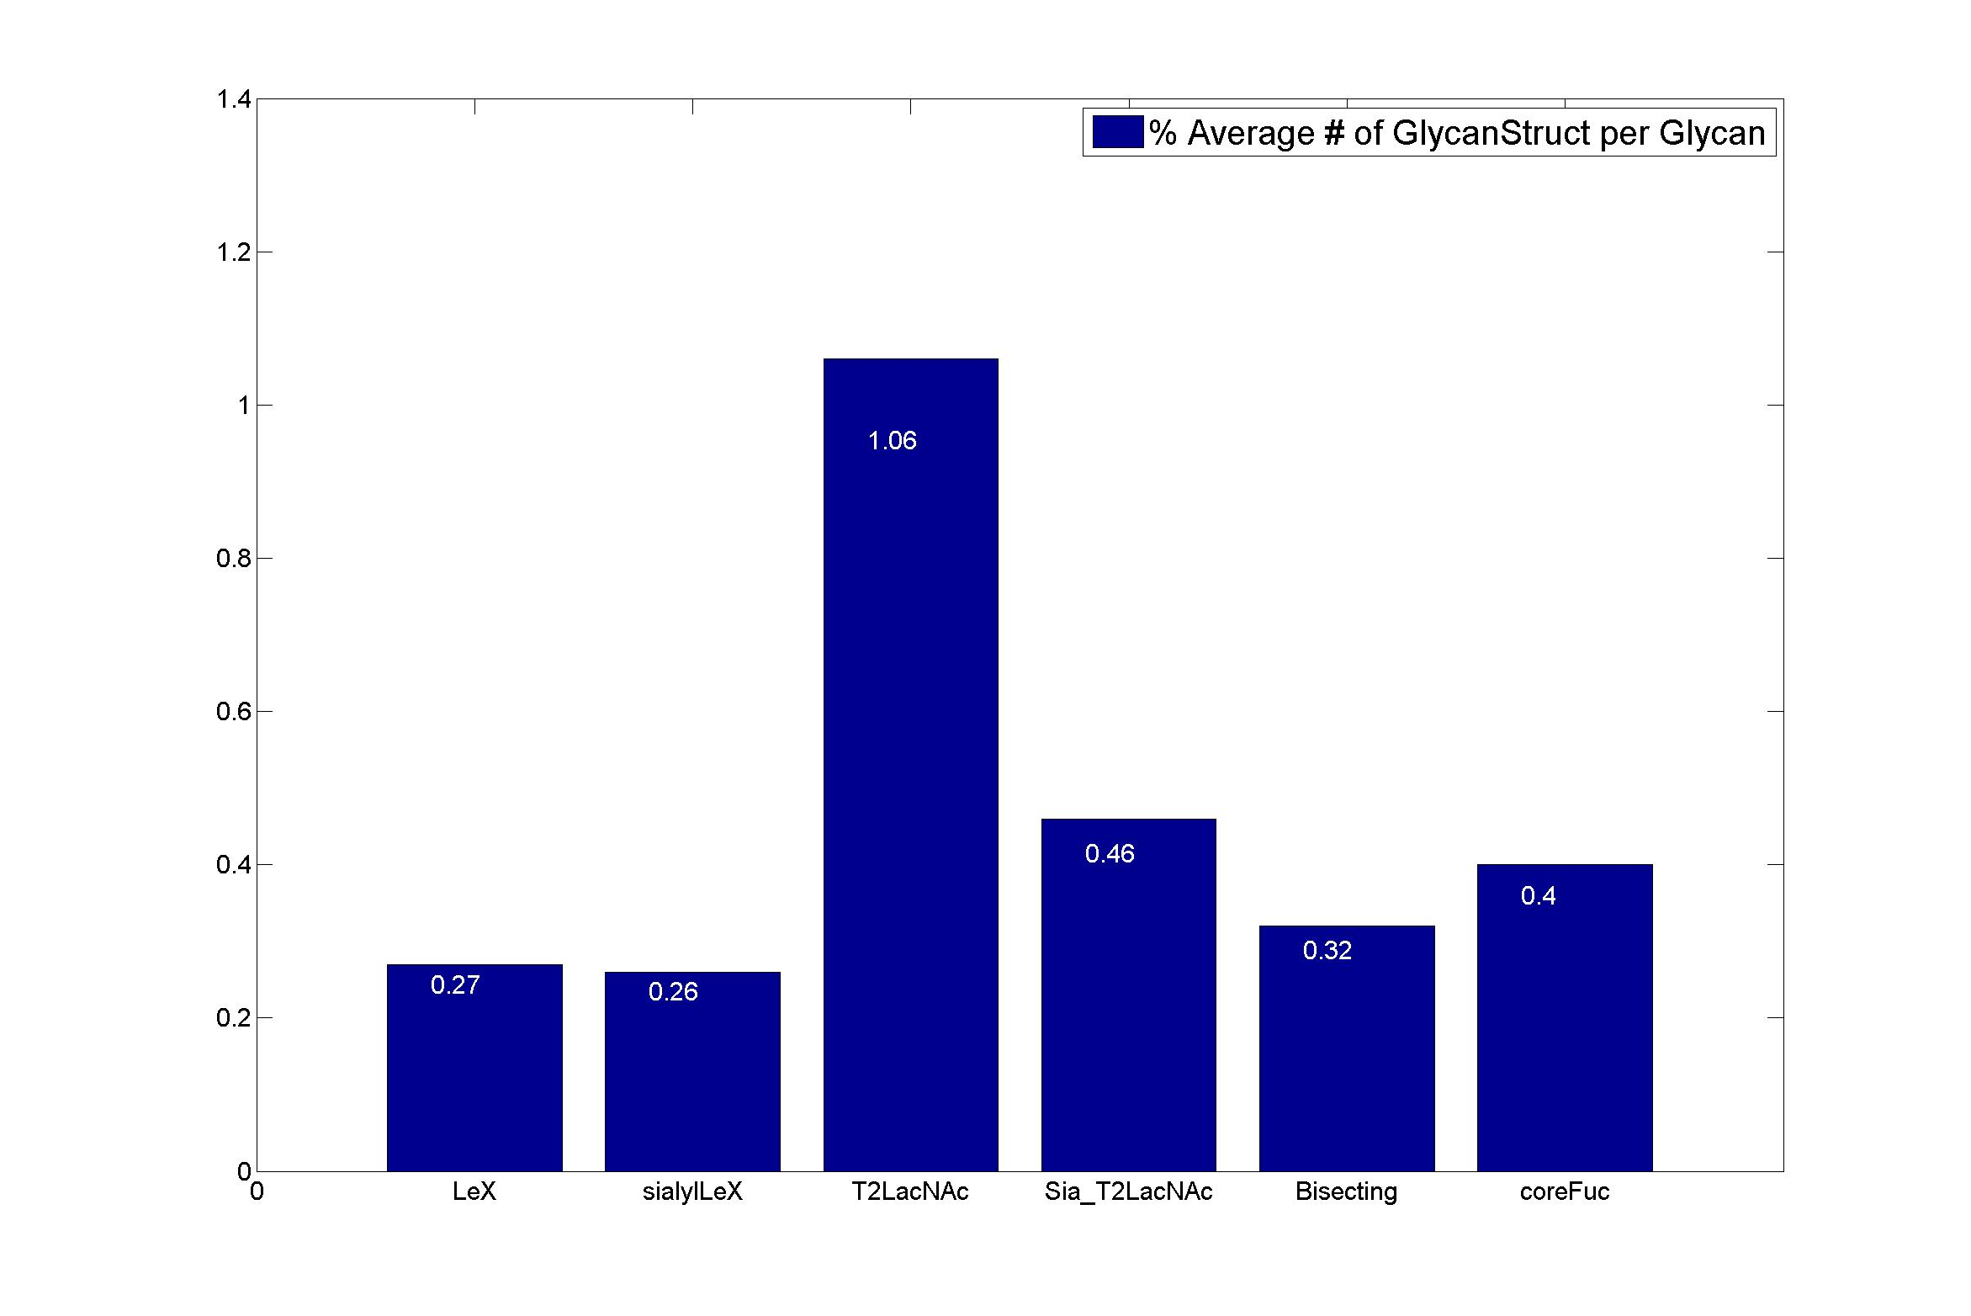
GlycanStruct Name | Relative Abundance of GlycanSpecies | Average # of GlycanStruct per Glycan
LeX | 18.5 | 0.27
sialylLeX | 18.7 | 0.26
T2LacNAc | 56.6 | 1.06
Sia_T2LacNAc | 29.5 | 0.46
Bisecting | 31.7 | 0.32
coreFuc | 40.5 | 0.4

