monosaccharide
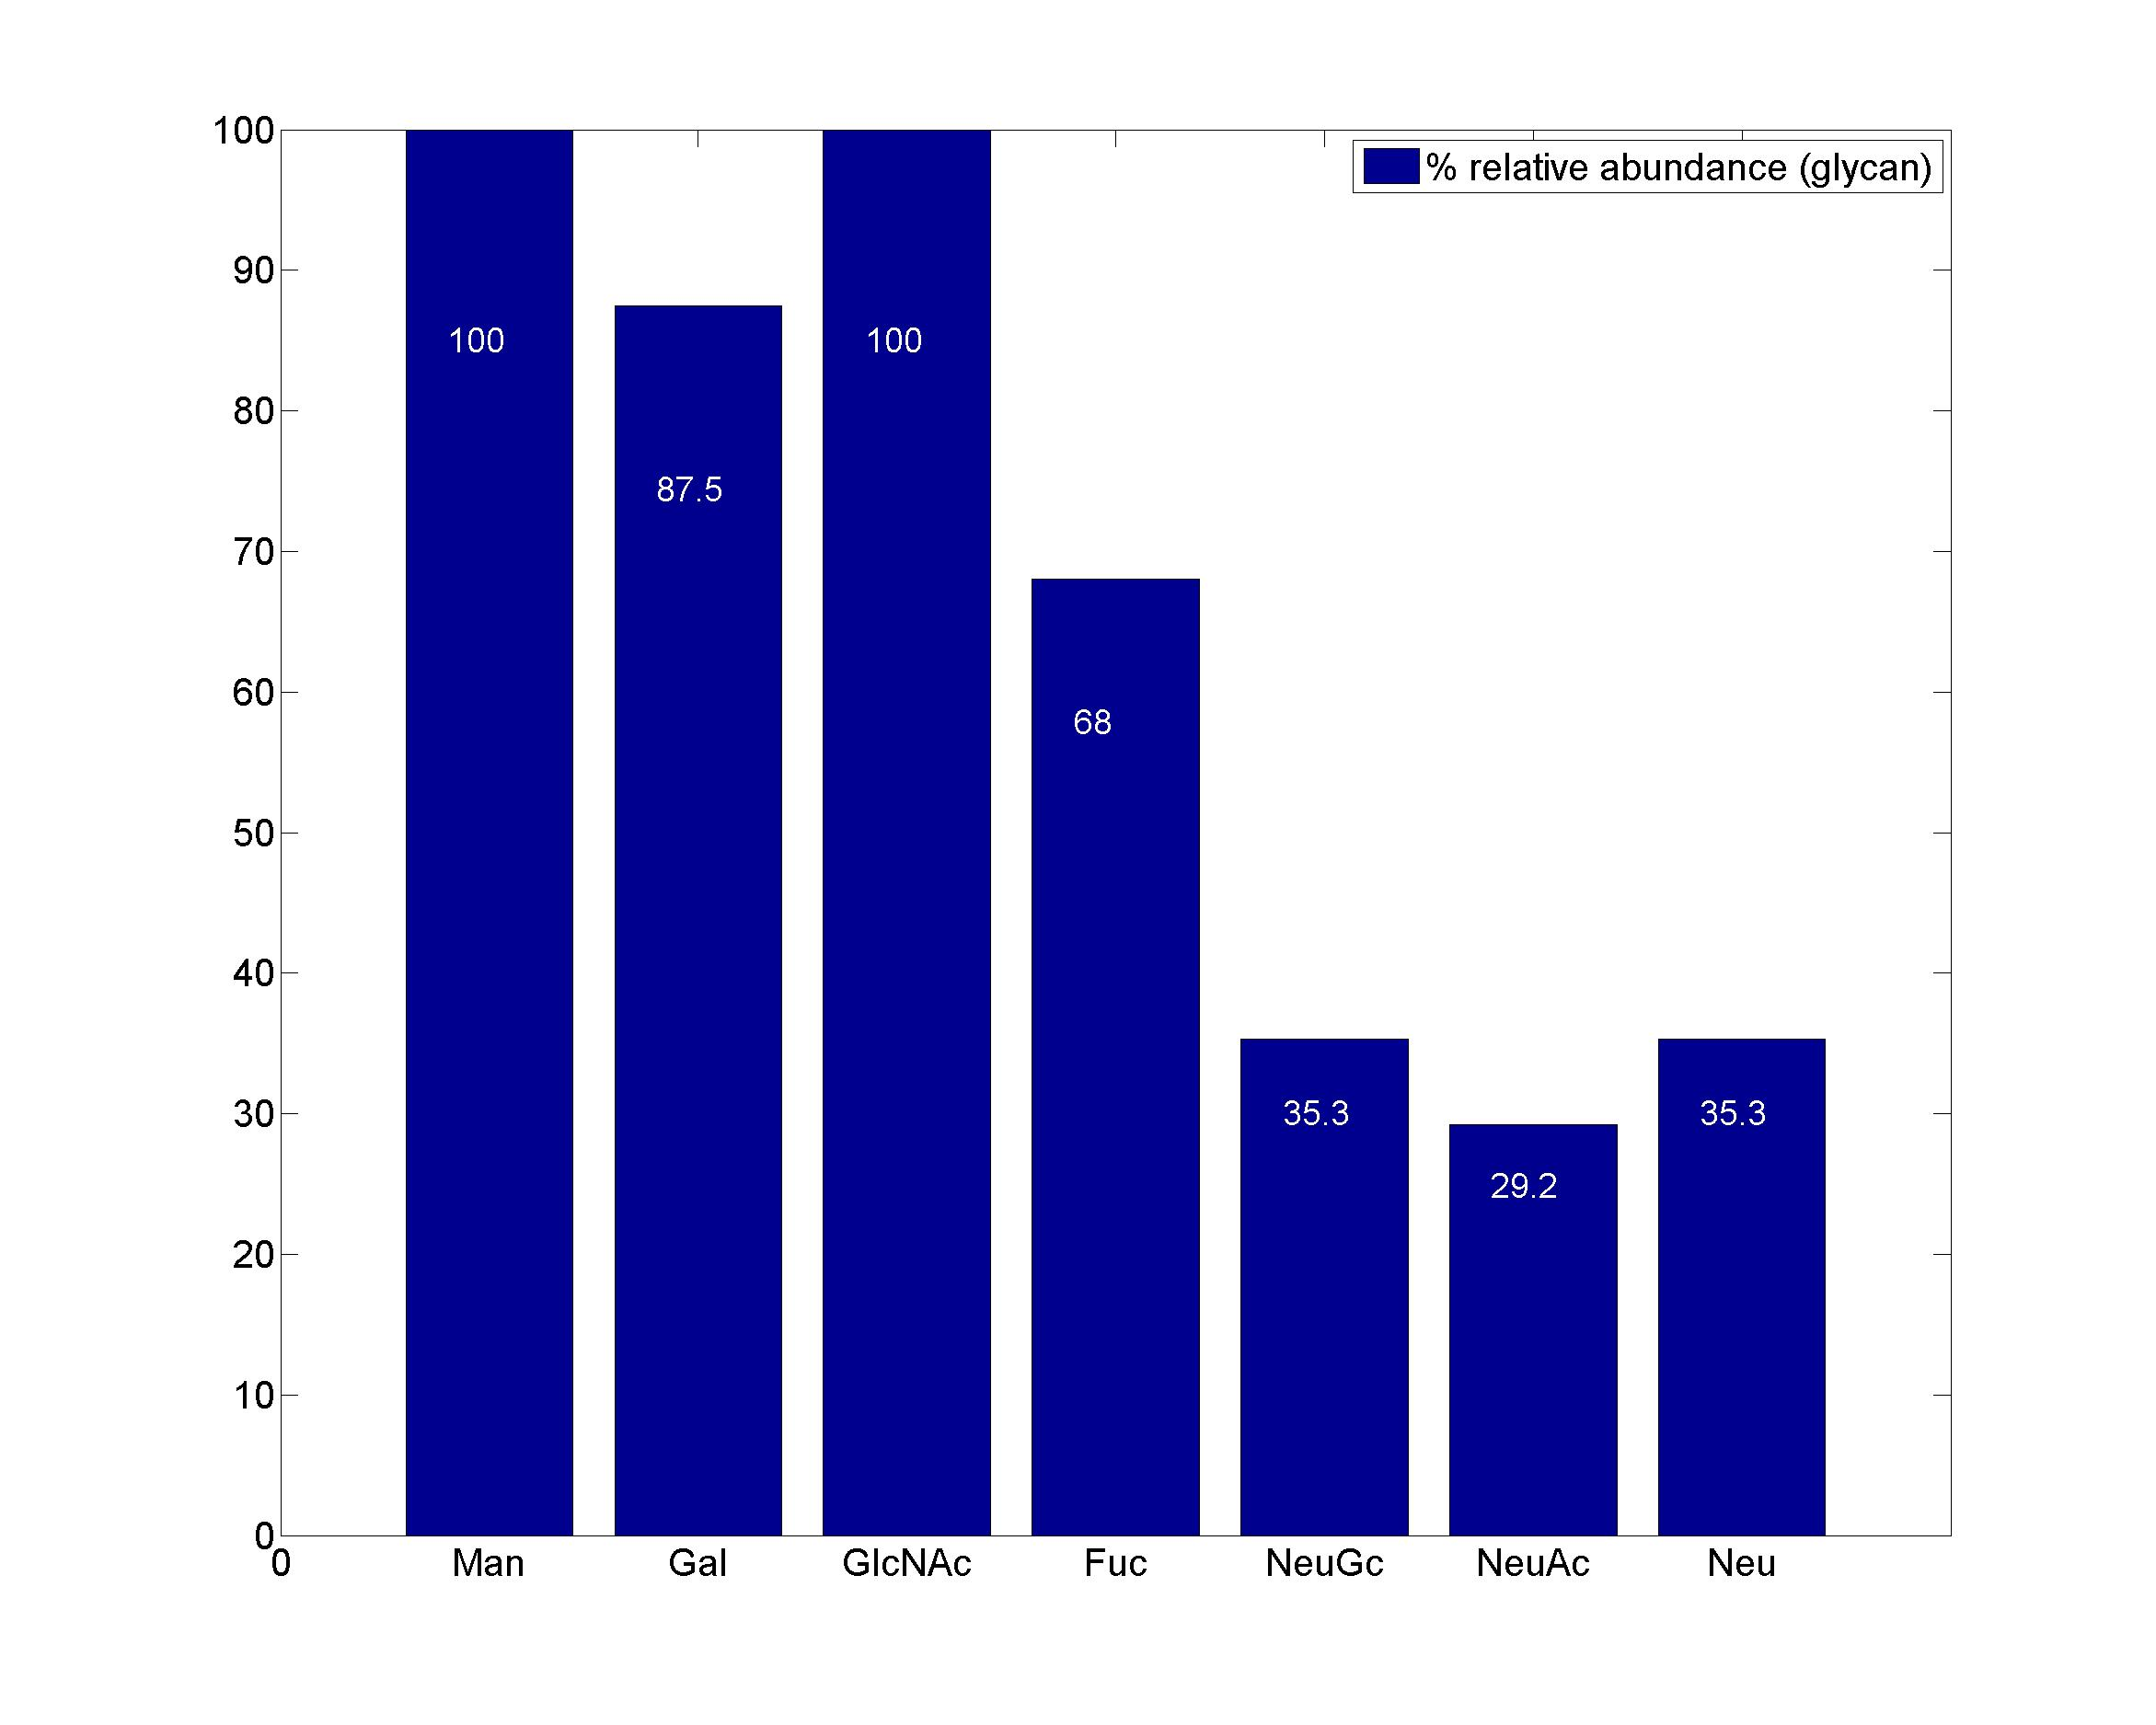
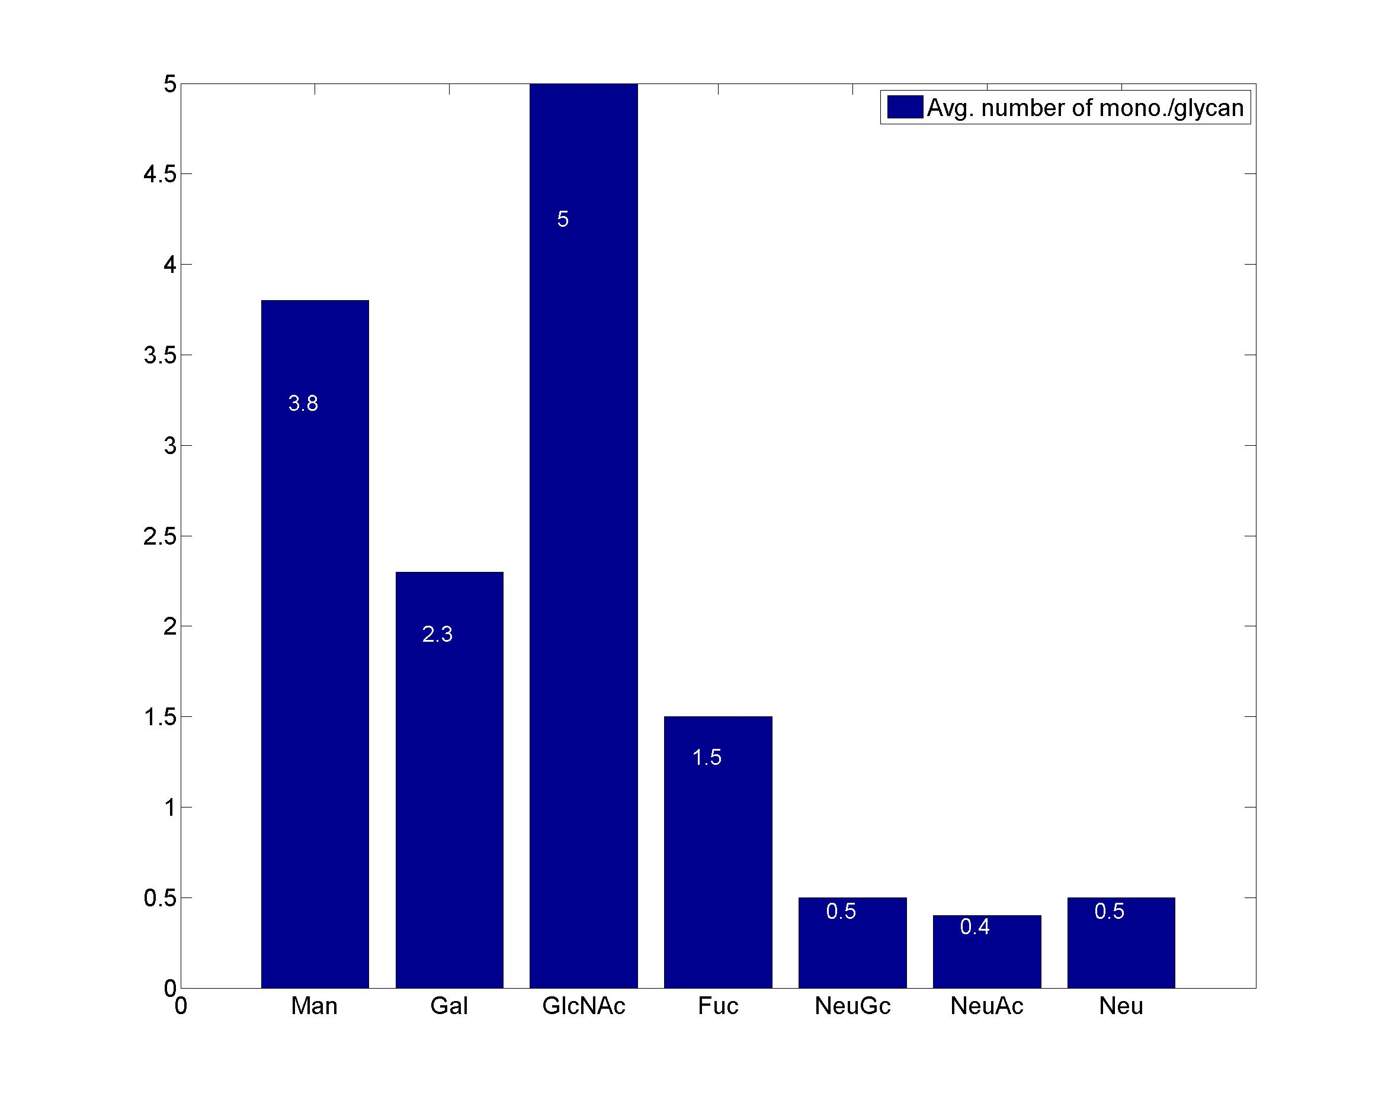
GlycanResidue Name | Relative Abundance of GlycanSpeices | Relative Abundance of GlycanResidue
Man | 100 | 3.8
Gal | 87.5 | 2.3
GlcNAc | 100 | 5
Fuc | 68 | 1.5
NeuGc | 35.3 | 0.5
NeuAc | 29.2 | 0.4
Neu | 35.3 | 0.5

sub-structure
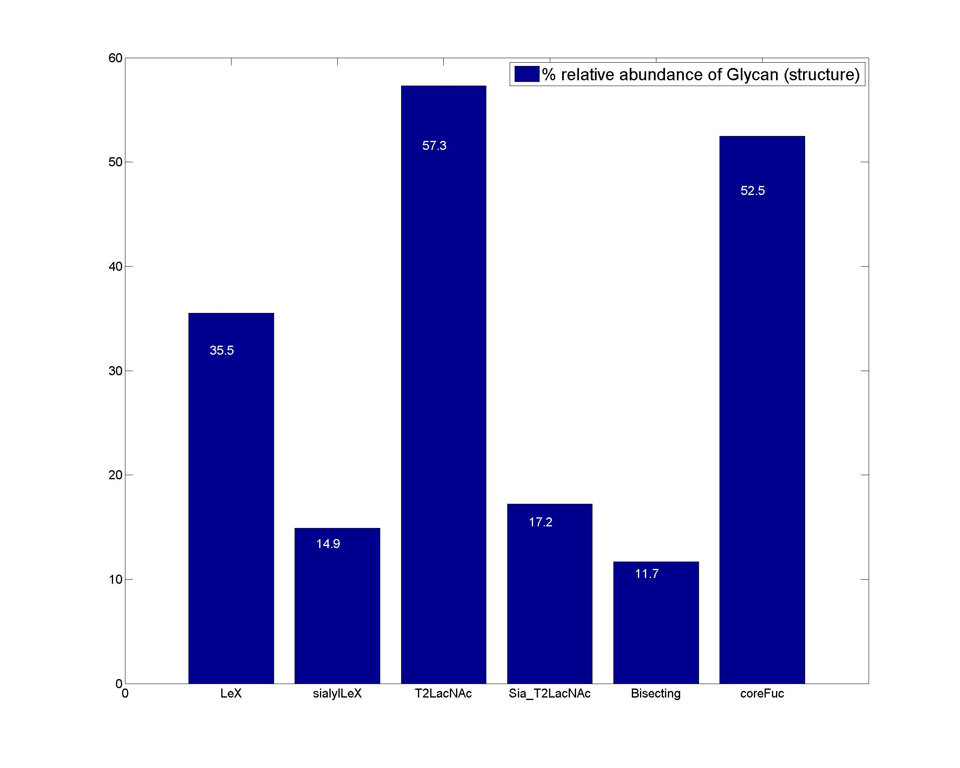
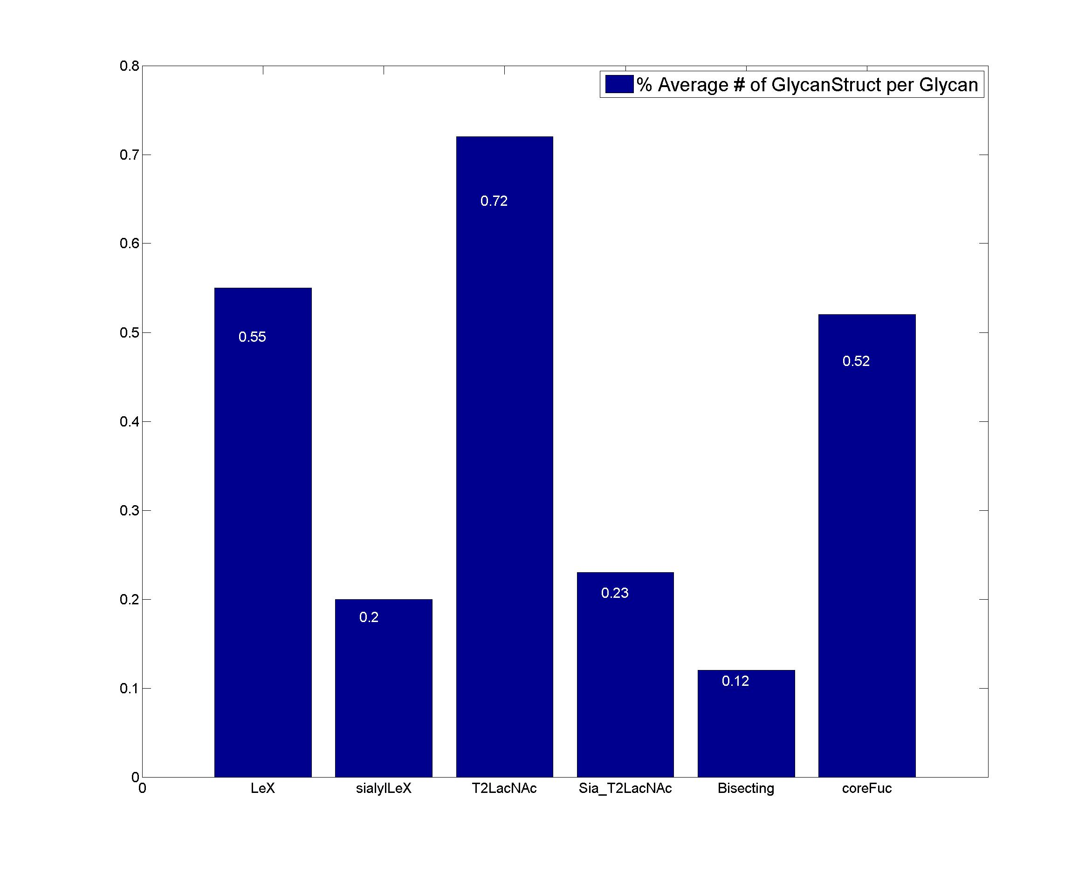
GlycanStruct Name | Relative Abundance of GlycanSpecies | Average # of GlycanStruct per Glycan
LeX | 35.5 | 0.55
sialylLeX | 14.9 | 0.2
T2LacNAc | 57.3 | 0.72
Sia_T2LacNAc | 17.2 | 0.23
Bisecting | 11.7 | 0.12
coreFuc | 52.5 | 0.52

