monosaccharide
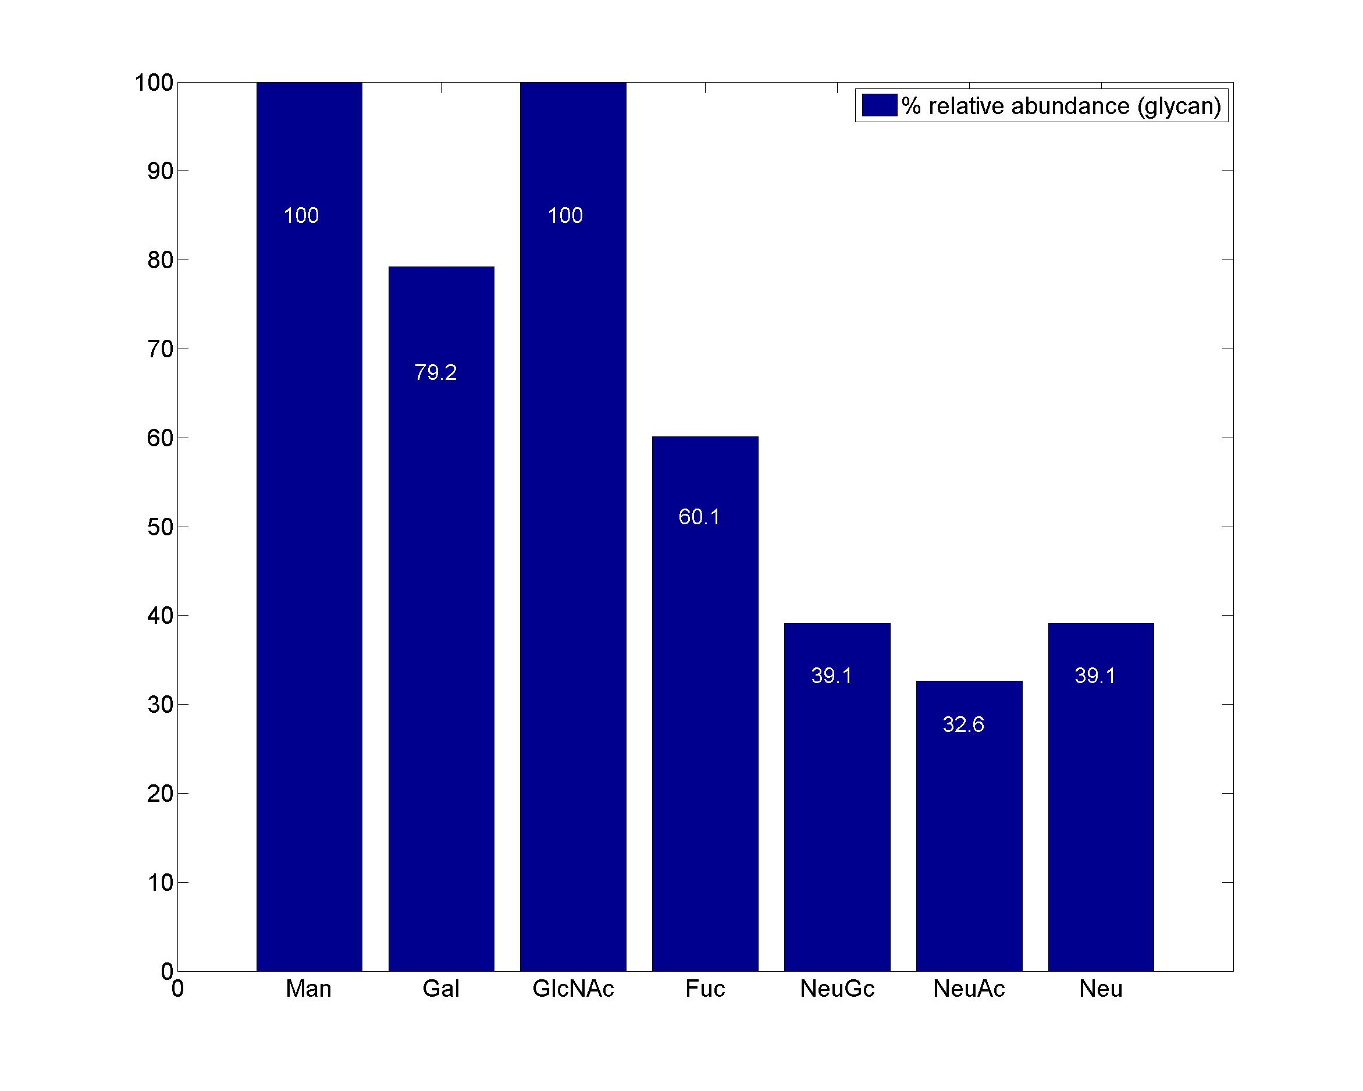
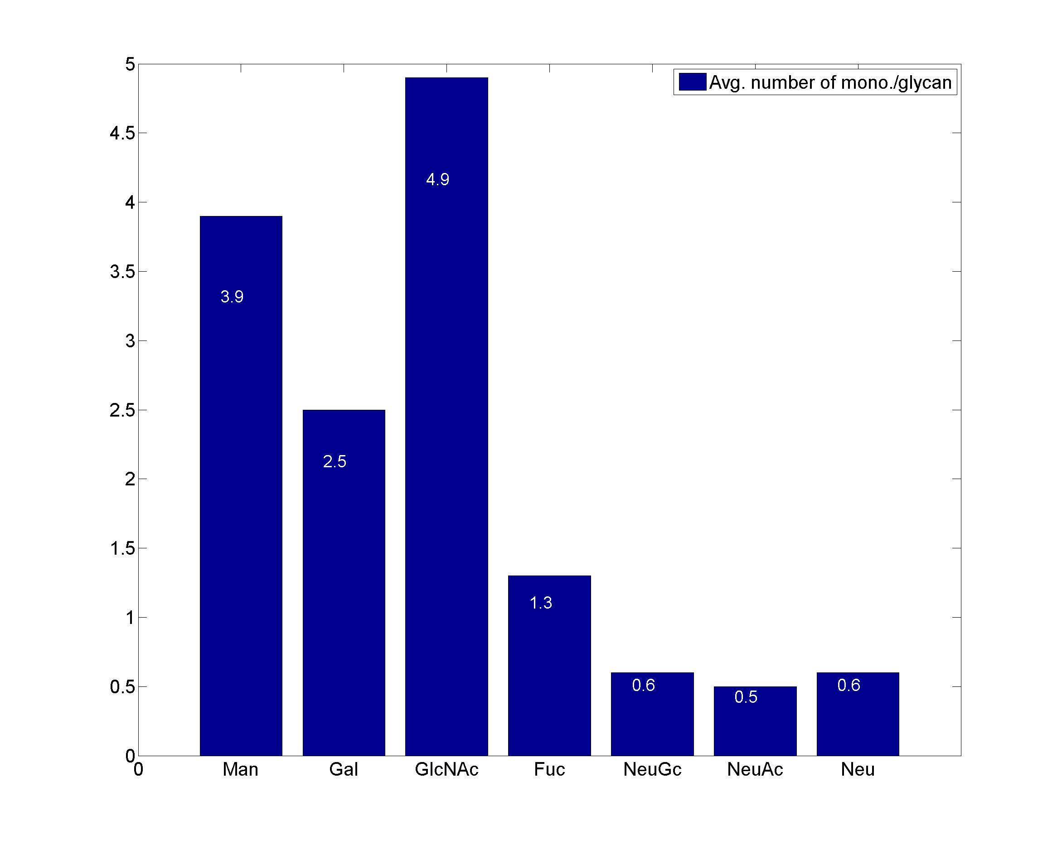
GlycanResidue Name | Relative Abundance of GlycanSpeices | Relative Abundance of GlycanResidue
Man | 100 | 3.9
Gal | 79.2 | 2.5
GlcNAc | 100 | 4.9
Fuc | 60.1 | 1.3
NeuGc | 39.1 | 0.6
NeuAc | 32.6 | 0.5
Neu | 39.1 | 0.6

sub-structure
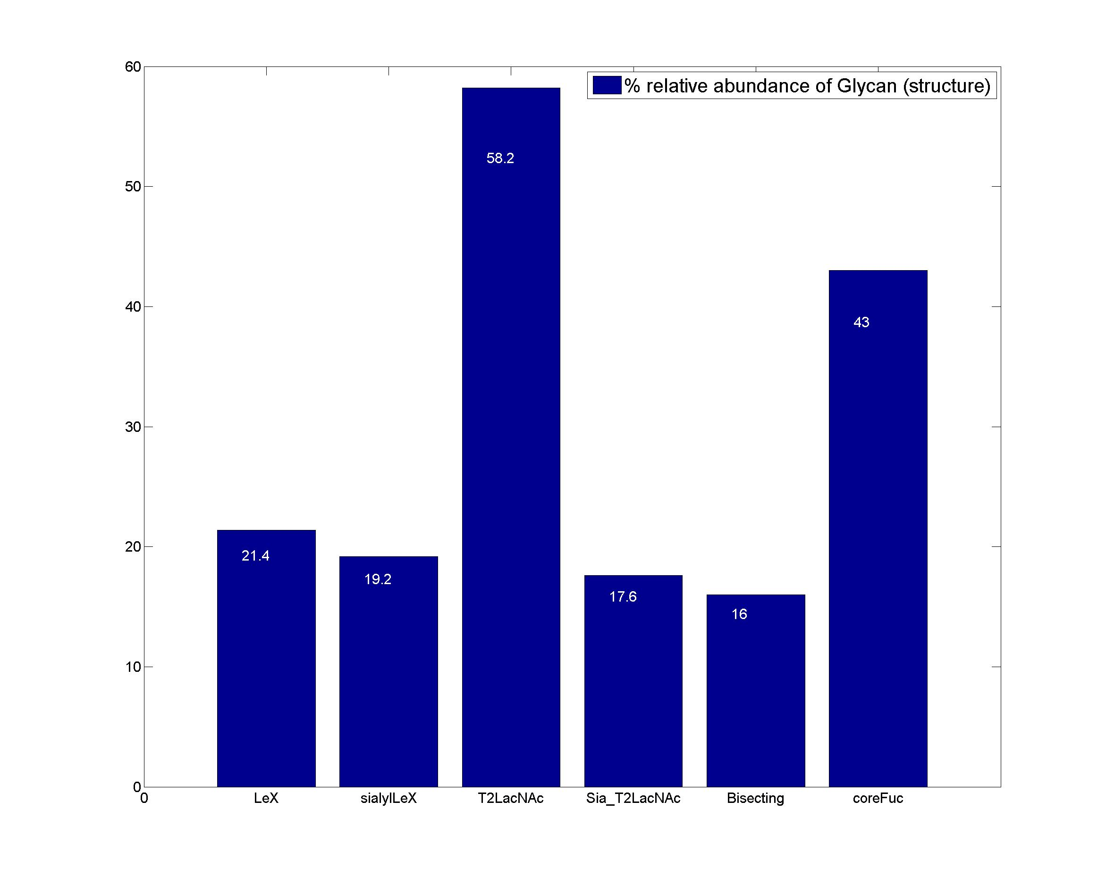
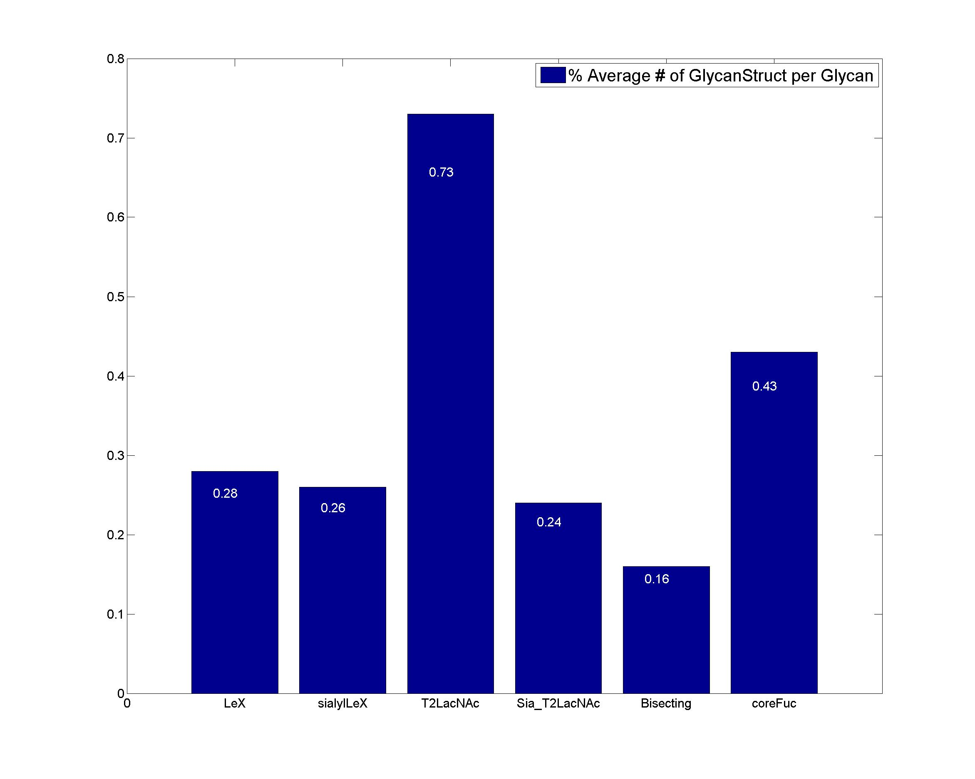
GlycanStruct Name | Relative Abundance of GlycanSpecies | Average # of GlycanStruct per Glycan
LeX | 21.4 | 0.28
sialylLeX | 19.2 | 0.26
T2LacNAc | 58.2 | 0.73
Sia_T2LacNAc | 17.6 | 0.24
Bisecting | 16 | 0.16
coreFuc | 43 | 0.43

