monosaccharide
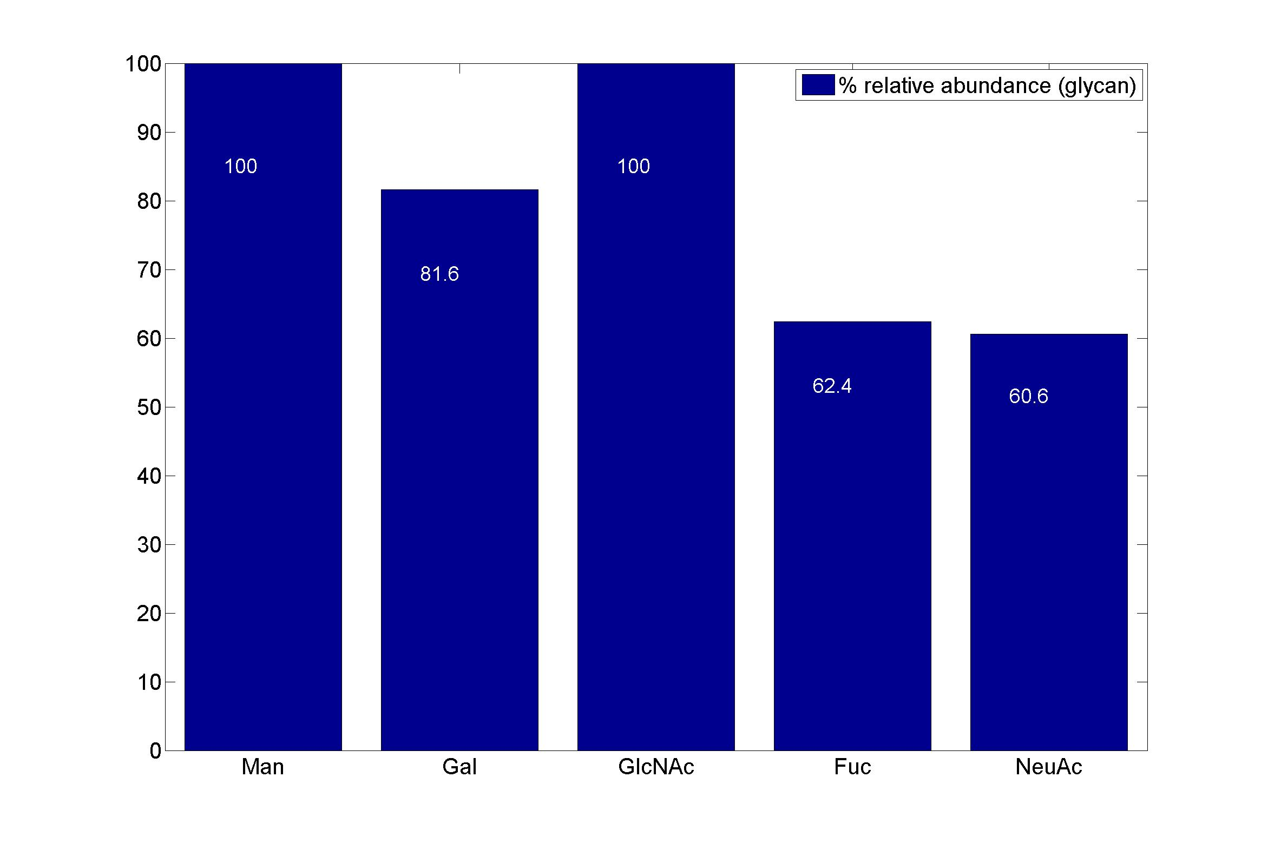
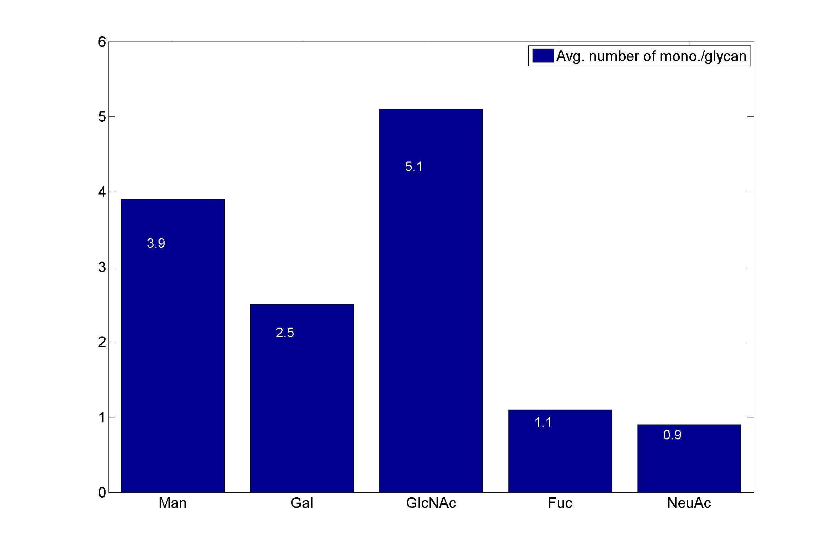
GlycanResidue Name | Relative Abundance of GlycanSpeices | Relative Abundance of GlycanResidue
Man | 100 | 3.9
Gal | 81.6 | 2.5
GlcNAc | 100 | 5.1
Fuc | 62.4 | 1.1
NeuAc | 60.6 | 0.9

sub-structure
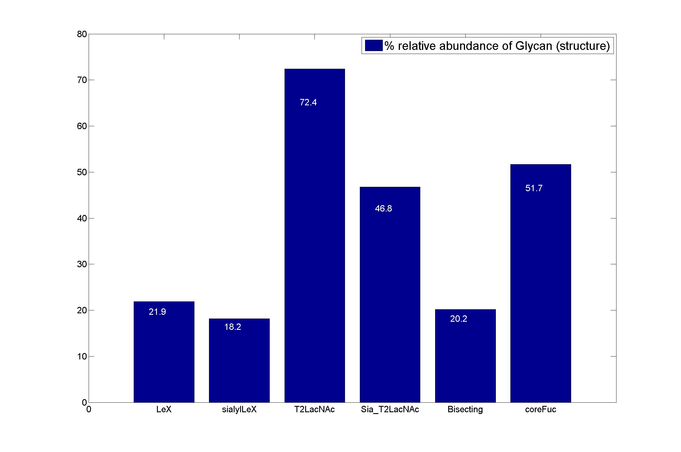
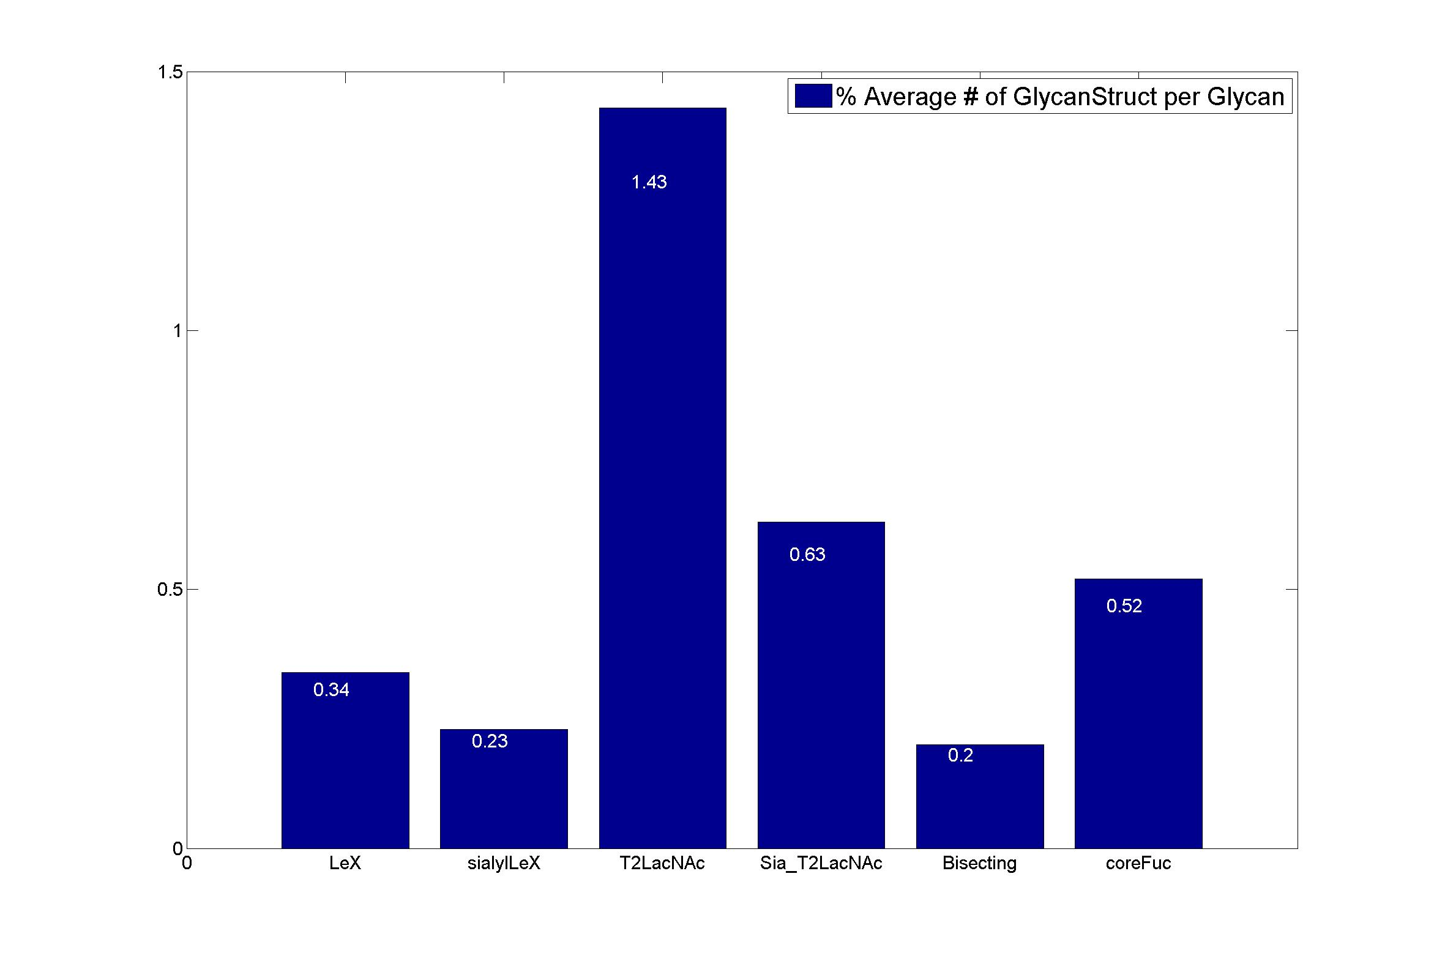
GlycanStruct Name | Relative Abundance of GlycanSpecies | Average # of GlycanStruct per Glycan
LeX | 21.9 | 0.34
sialylLeX | 18.2 | 0.23
T2LacNAc | 72.4 | 1.43
Sia_T2LacNAc | 46.8 | 0.63
Bisecting | 20.2 | 0.2
coreFuc | 51.7 | 0.52

