monosaccharide
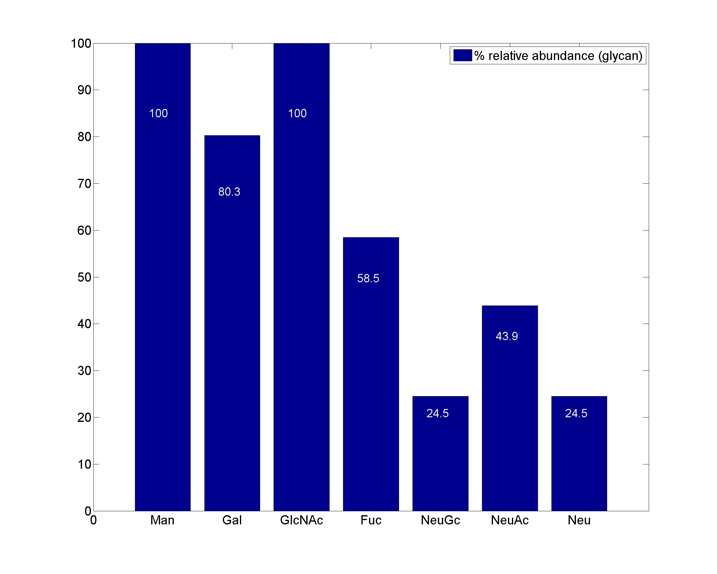
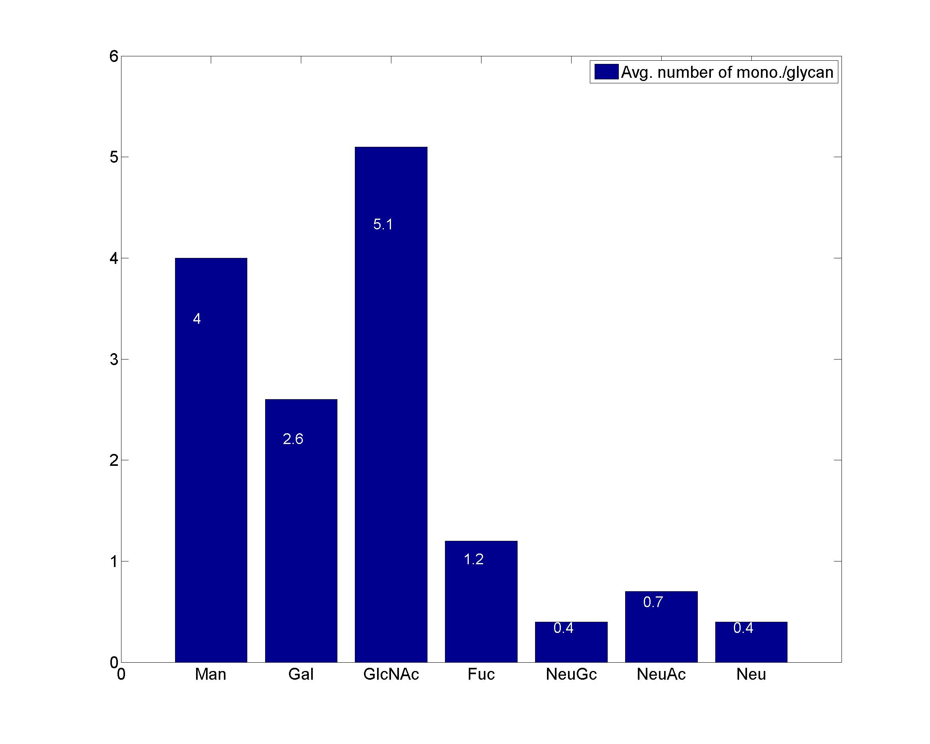
GlycanResidue Name | Relative Abundance of GlycanSpeices | Relative Abundance of GlycanResidue
Man | 100 | 4
Gal | 80.3 | 2.6
GlcNAc | 100 | 5.1
Fuc | 58.5 | 1.2
NeuGc | 24.5 | 0.4
NeuAc | 43.9 | 0.7
Neu | 24.5 | 0.4

sub-structure
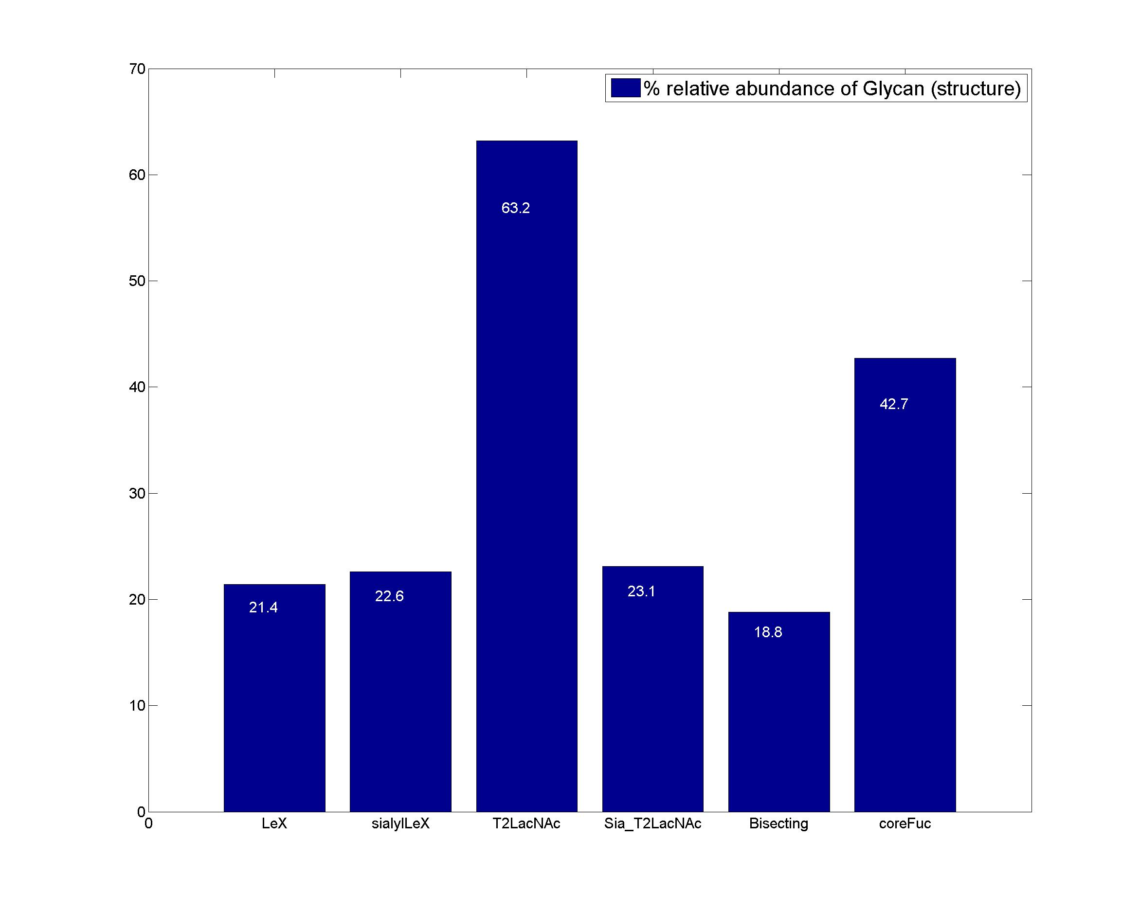
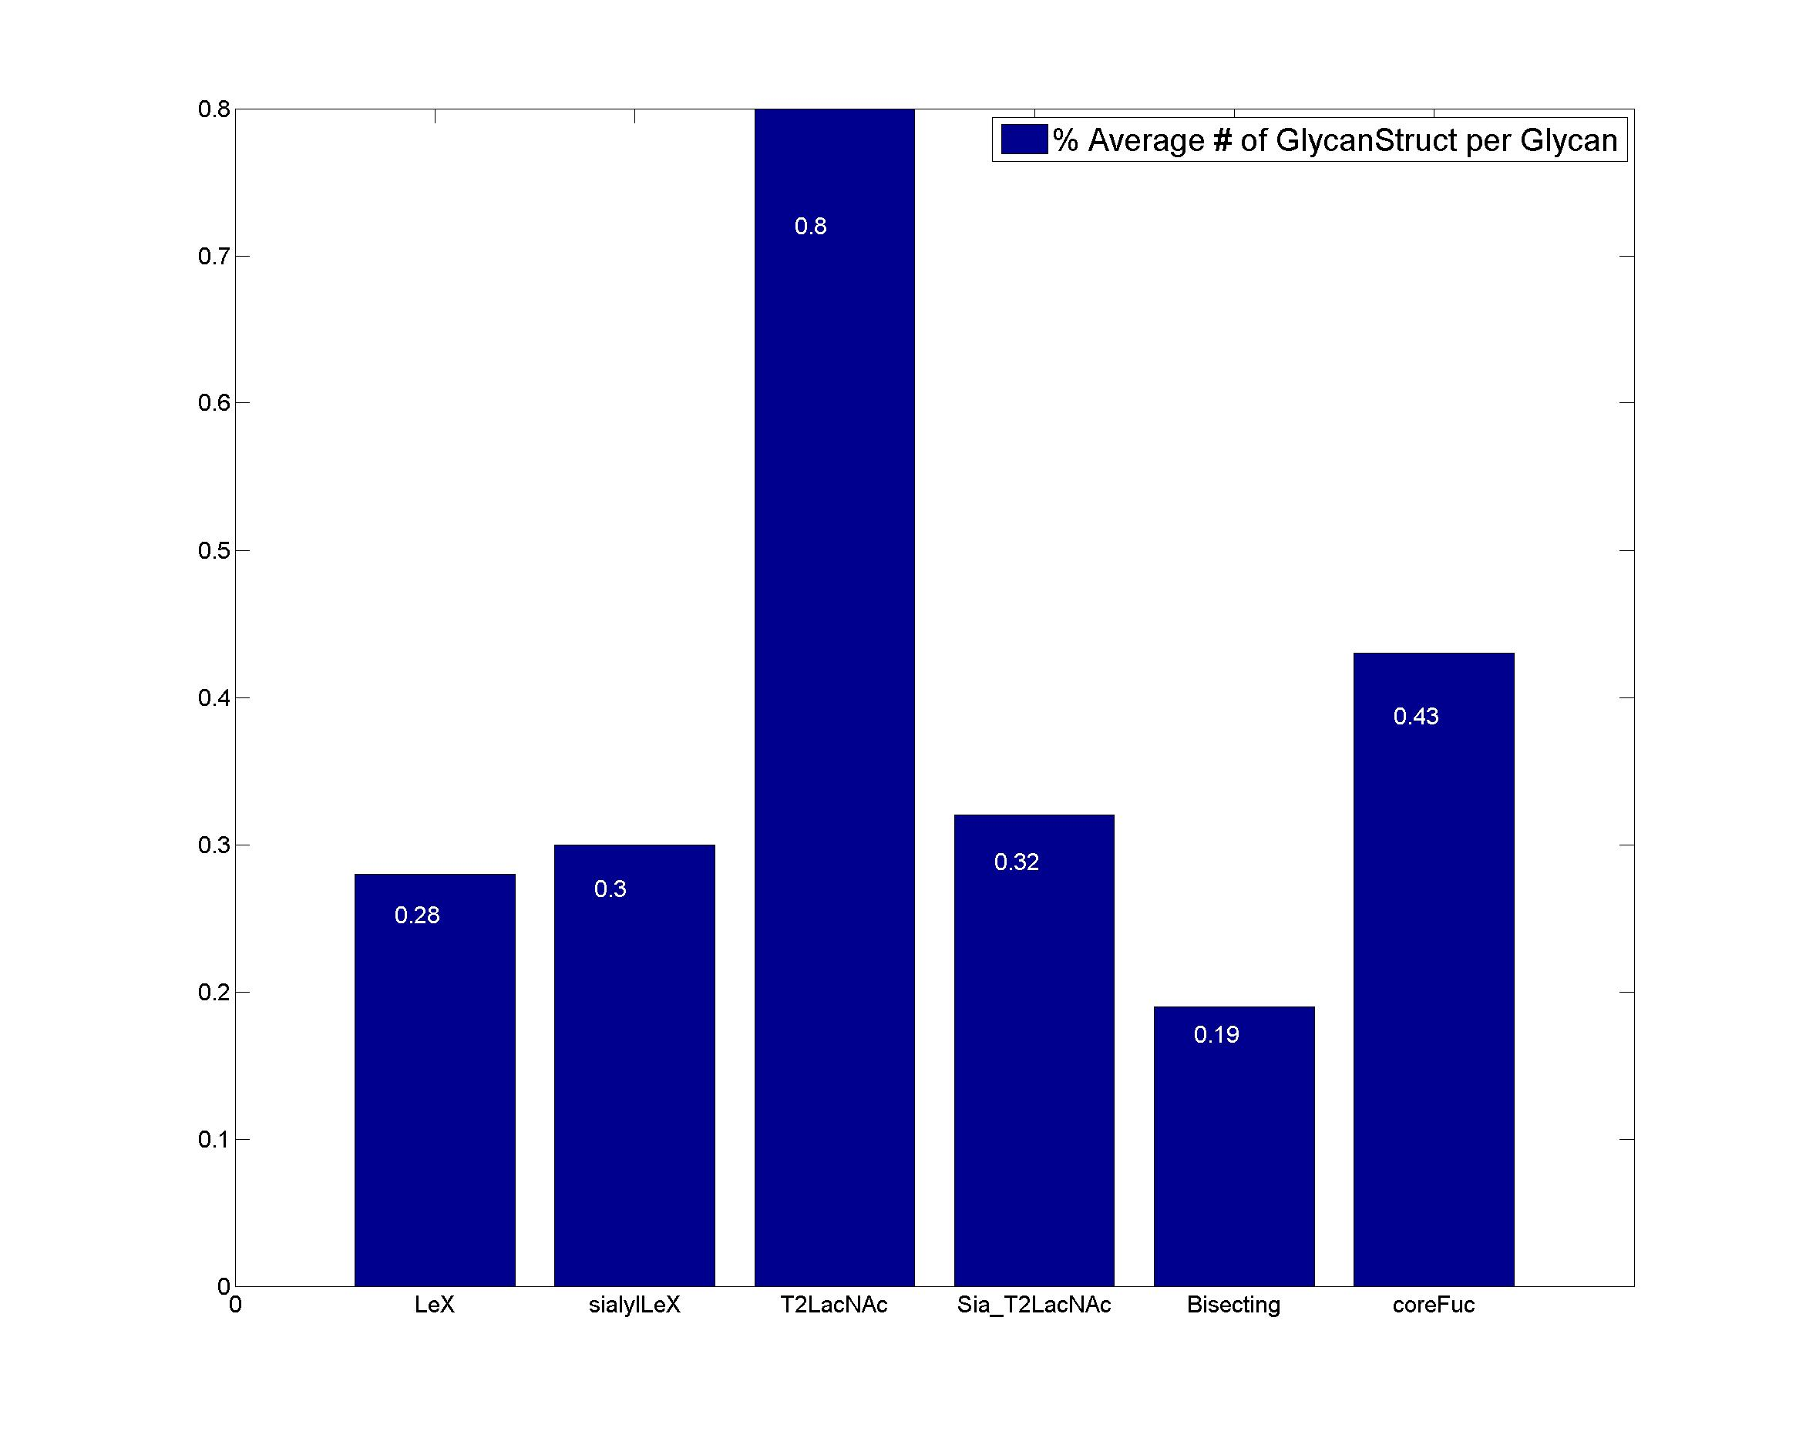
GlycanStruct Name | Relative Abundance of GlycanSpecies | Average # of GlycanStruct per Glycan
LeX | 21.4 | 0.28
sialylLeX | 22.6 | 0.3
T2LacNAc | 63.2 | 0.8
Sia_T2LacNAc | 23.1 | 0.32
Bisecting | 18.8 | 0.19
coreFuc | 42.7 | 0.43

