WH
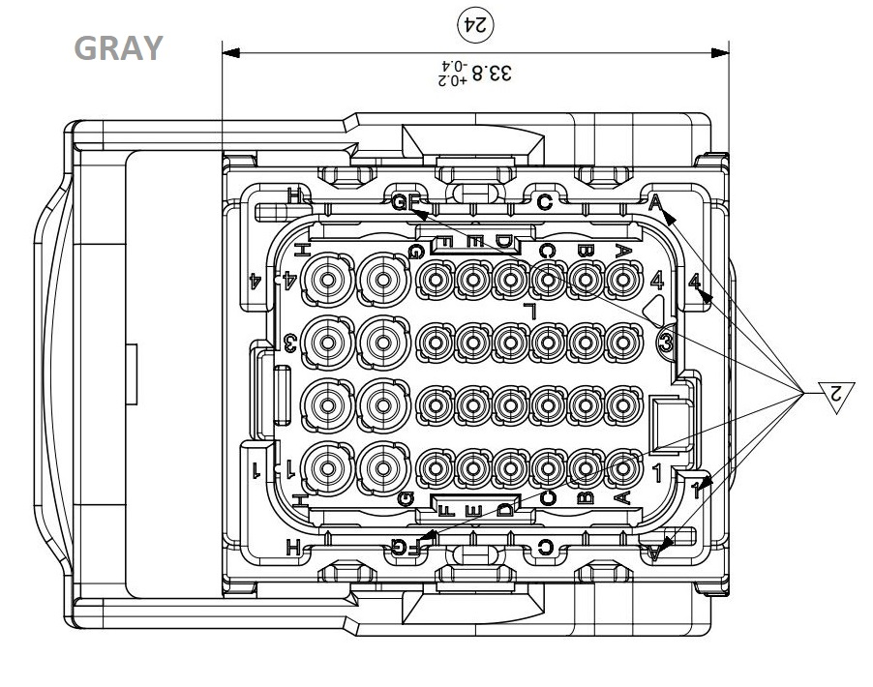
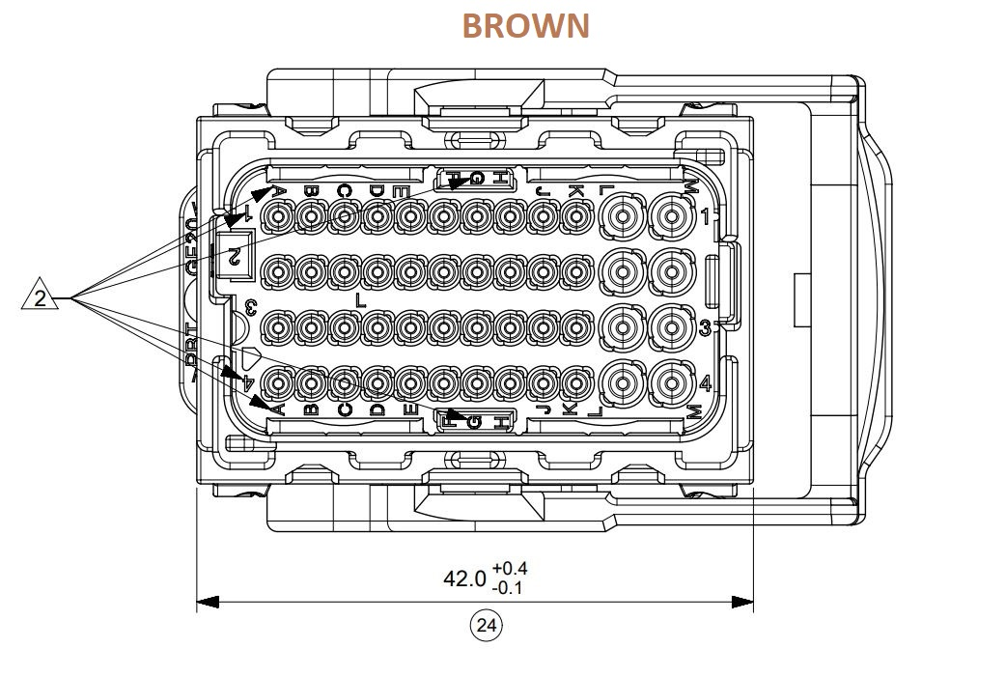
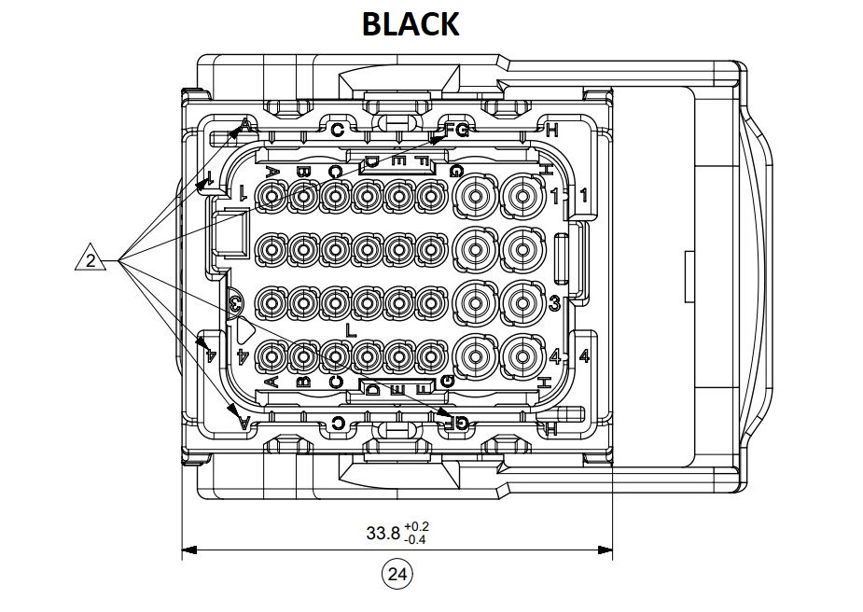
> The PCB socket/header used is 112-Pin Molex 643330100. > It has three distinct sockets. > Two distinct contacts/terminals for plugs: 1. P/N: 643231039 : 1.50mm Female Terminal, Tin plated, Wire : 1.0mm²- 2.0mm² 2. P/N: 643221029 : 0.635mm Female Terminal, Tin plated, Wire : 0.75mm² > Two blind plugs: 1. P/N : 643251010 : 0.635mm 2. P/N : 643251023 : 1.50mm Plugs/Receptables: Black: (BL_**) > P/N: 643193211 > 32 Pin > Wire Cap P/N: 643191201 Brown: (BR_**) > P/N: 643203319 > 48 Pin > Wire Cap P/N: 643201301 Gray: (GR_**) > P/N: 643191218 > 32 Pin > Wire Cap P/N: 643191201 > In the schematic, the pins of a certain plug will have a certain prefix as mentioned above. |  | 
  

