Dashboard
DASHBOARD

124400
24750
19.59

Total revenue KPI | Total Profit KPI | Average Margin % KPI

Revenue By Region
 | Total
East | 31700
North | 34800
South | 28300
West | 29600
Revenue By Salesperson
 | Total
Adam Lee | 34800
Emily Clark | 28300
Jane Smith | 29600
John Doe | 31700
Unit Sold By Product
 | Total
Laptop | 36
Monitor | 53
Phone | 50
Tablet | 43
Monthly Revenue Trend
 | Total
09-01-2024 | 2800
04-01-2024 | 3000
11-01-2024 | 3600
03-01-2024 | 4000
20-01-2024 | 4300
14-01-2024 | 4800
06-01-2024 | 4900
01-01-2024 | 5000
18-01-2024 | 5200
16-01-2024 | 5700
08-01-2024 | 6200
19-01-2024 | 6800
02-01-2024 | 7000
17-01-2024 | 7500
10-01-2024 | 7700
13-01-2024 | 8000
05-01-2024 | 8400
12-01-2024 | 9100
15-01-2024 | 9900
07-01-2024 | 10500
Profit By Region
 | Total
East | 6100
North | 7100
South | 5650
West | 5900
Discount Analysis
 | Average of Discount | Total Discount
East | 8% | 7%
North | 5% | 7%
South | 9% | 7%
West | 6% | 7%

Sheet1
Date | Region | Salesperson | Product | Units Sold | Revenue | Discount | Profit | Profit Margin %
01/01/2024 | East | John Doe | Laptop | 5 | 5000 | 10% | 1000 | 20.00 | Q1. PivotTable Creation: |  |  | Q4. PivotChart Analysis: |  |  | Q8. Conditional Formatting:
02/01/2024 | West | Jane Smith | Phone | 10 | 7000 | 5% | 1500 | 21.43
03/01/2024 | North | Adam Lee | Tablet | 8 | 4000 | 8% | 800 | 20.00 | Create a PivotTable to summarize total revenue per region. Which region has the highest total revenue ? |  |  | Create a PivotChart for Revenue by Product. Which product generates the most revenue? |  |  | Apply conditional formatting to highlight sales where the Profit is below $1000. How many such sales are
Revenue By Product
04/01/2024 | South | Emily Clark | Monitor | 6 | 3000 | 12% | 600 | 20.00 |  |  |  |  |  |  | there?
05/01/2024 | East | John Doe | Phone | 12 | 8400 | 7% | 1800 | 21.43 | Region | Sum of Revenue | Pivot Table has been created alongside. | Product | Sum of Revenue
06/01/2024 | West | Jane Smith | Laptop | 7 | 4900 | 6% | 900 | 18.37 | East | 31700 | North Region has highest total revenue. | Laptop | 25000 |  | Conditional Formatting is applied in the Table. There are total 7 sales whose profit is less than 1000
07/01/2024 | North | Adam Lee | Monitor | 15 | 10500 | 4% | 2100 | 20.00 | North | 34800 |  | Tablet | 26300 |  | 7 | [ =COUNTIF(H2:H21,"<1000") ]
08/01/2024 | South | Emily Clark | Tablet | 9 | 6200 | 9% | 1200 | 19.35 | South | 28300 |  | Phone | 36300
09/01/2024 | East | John Doe | Laptop | 4 | 2800 | 10% | 400 | 14.29 | West | 29600 |  | Monitor | 36800
10/01/2024 | West | Jane Smith | Phone | 11 | 7700 | 3% | 1600 | 20.78 | Grand Total | 124400 |  | Grand Total | 124400 |  | Q9. Calculated Field:
11/01/2024 | North | Adam Lee | Tablet | 6 | 3600 | 5% | 700 | 19.44
12/01/2024 | South | Emily Clark | Monitor | 13 | 9100 | 7% | 1900 | 20.88 |  |  |  | Monitor generates the most |  |  | Create a Profit Margin % calculated field as (Profit / Revenue) * 100. What is the highest profit?
13/01/2024 | East | John Doe | Phone | 10 | 8000 | 6% | 1500 | 18.75 | Q2. Slicer Implementation: |  |  | Revenue of 36800 |  |  | margin in the dataset?
14/01/2024 | West | Jane Smith | Laptop | 8 | 4800 | 8% | 900 | 18.75 |  |  |  |  |  |  |  | 22.22 | [ =MAX(I2:I21) ]
15/01/2024 | North | Adam Lee | Monitor | 14 | 9900 | 4% | 2200 | 22.22 | Add a slicer for the Salesperson column. How many unique salespersons are in the dataset? |  |  |  |  |  | Highest Profit Margin is 22.22%
16/01/2024 | South | Emily Clark | Tablet | 9 | 5700 | 11% | 1100 | 19.30
17/01/2024 | East | John Doe | Laptop | 12 | 7500 | 9% | 1400 | 18.67
18/01/2024 | West | Jane Smith | Phone | 7 | 5200 | 6% | 1000 | 19.23 |  |  | The Slicer has been created alongside. |  |  |  | Q10. Dashboard Creation:
19/01/2024 | North | Adam Lee | Tablet | 11 | 6800 | 5% | 1300 | 19.12 |  |  | There are 4 Unique Salesperson in the dataset.
20/01/2024 | South | Emily Clark | Monitor | 5 | 4300 | 7% | 850 | 19.77 |  |  |  |  |  |  | Combine the PivotTables, PivotCharts, Slicers, and Timelines into a single interactive dashboard. Take a
 |  |  |  |  |  |  |  |  |  |  |  |  |  |  | screenshot of your final dashboard.
 |  |  |  |  |  |  |  |  |  |  |  | Q5. Profitability Check:
 |  |  |  |  |  |  |  |  |  |  |  |  |  |  | Dashboard is designed in a new sheet named Dashboard
 |  |  |  |  |  |  |  |  |  |  |  | Using a PivotTable, find the salesperson with the highest total profit. Who is it?
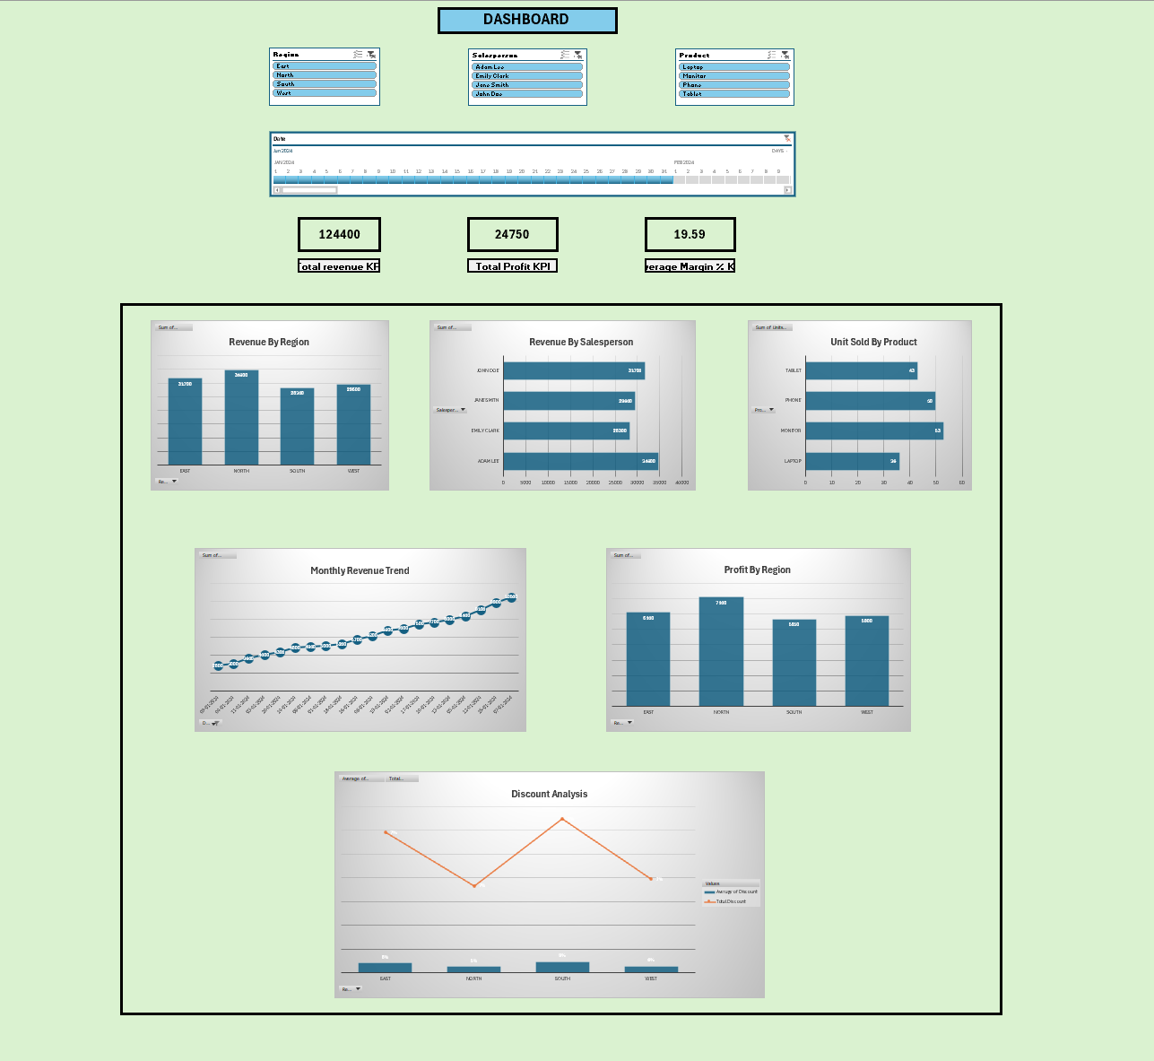
 |  |  |  |  |  |  |  |  | Q3. Timeline Usage: |  |  | Salesperson | Sum of Profit | Adam Lee has highest profit of 7100
 |  |  |  |  |  |  |  |  |  |  |  | Adam Lee | 7100
 |  |  |  |  |  |  |  |  | Insert a timeline for the Date column. What is the total revenue for January 2024 ? |  |  | John Doe | 6100
 |  |  |  |  |  |  |  |  |  |  |  | Jane Smith | 5900
 |  |  |  |  |  |  |  |  | Region | Sum of Revenue |  | Emily Clark | 5650
 |  |  |  |  |  |  |  |  | 01/01/2024 | 5000 |  | Grand Total | 24750
 |  |  |  |  |  |  |  |  | 02/01/2024 | 7000
 |  |  |  |  |  |  |  |  | 03/01/2024 | 4000
 |  |  |  |  |  |  |  |  | 04/01/2024 | 3000
 |  |  |  |  |  |  |  |  | 05/01/2024 | 8400 |  | Q6. Discount Impact:
 |  |  |  |  |  |  |  |  | 06/01/2024 | 4900
 |  |  |  |  |  |  |  |  | 07/01/2024 | 10500 | Timeline is given above | Calculate the average discount applied per region using a PivotTable. Which region has the highest
 |  |  |  |  |  |  |  |  | 08/01/2024 | 6200 | Total Revenue of January 2024 is 124400 | average discount?
 |  |  |  |  |  |  |  |  | 09/01/2024 | 2800
 |  |  |  |  |  |  |  |  | 10/01/2024 | 7700 |  | Salesperson | Average of Discount | South region has the highest average discount of 9%.
 |  |  |  |  |  |  |  |  | 11/01/2024 | 3600 |  | South | 9%
 |  |  |  |  |  |  |  |  | 12/01/2024 | 9100 |  | East | 8%
 |  |  |  |  |  |  |  |  | 13/01/2024 | 8000 |  | West | 6%
 |  |  |  |  |  |  |  |  | 14/01/2024 | 4800 |  | North | 5%
 |  |  |  |  |  |  |  |  | 15/01/2024 | 9900 |  | Grand Total | 7%
 |  |  |  |  |  |  |  |  | 16/01/2024 | 5700
 |  |  |  |  |  |  |  |  | 17/01/2024 | 7500
 |  |  |  |  |  |  |  |  | 18/01/2024 | 5200 |  | Q7. Filtering with Slicers:
 |  |  |  |  |  |  |  |  | 19/01/2024 | 6800
 |  |  |  |  |  |  |  |  | 20/01/2024 | 4300 |  | Apply a slicer to filter sales by Product = Laptop. What is the total revenue from laptop sales?
 |  |  |  |  |  |  |  |  | Grand Total | 124400
 |  |  |  |  |  |  |  |  |  |  |  | Product | Sum of Revenue
 |  |  |  |  |  |  |  |  |  |  |  | Laptop | 25000
 |  |  |  |  |  |  |  |  |  |  |  | Grand Total | 25000

