Refresh_Bug
Displaying when refresh on https://www.saucedemo.com/checkout-step-one.html page. I have seen with Standard user and Performance_glitch user.

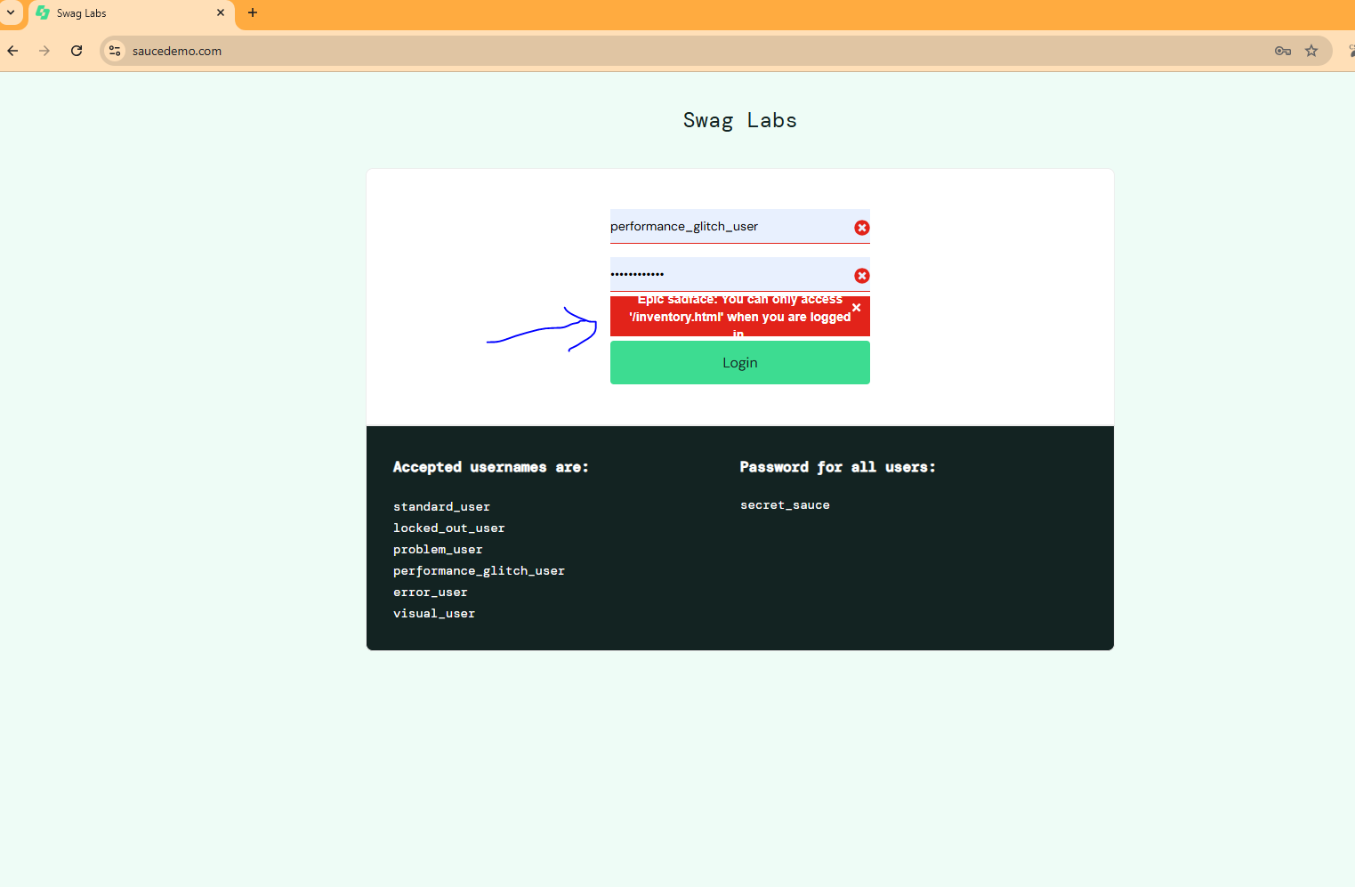

Therte are other intermittent bugs wherr not reproduced every time like after some sort of time If user is on https://www.saucedemo.com/checkout-step-one.html and try to click on "continue " button, it went to login button where mentioned above screenshot message.

