Data
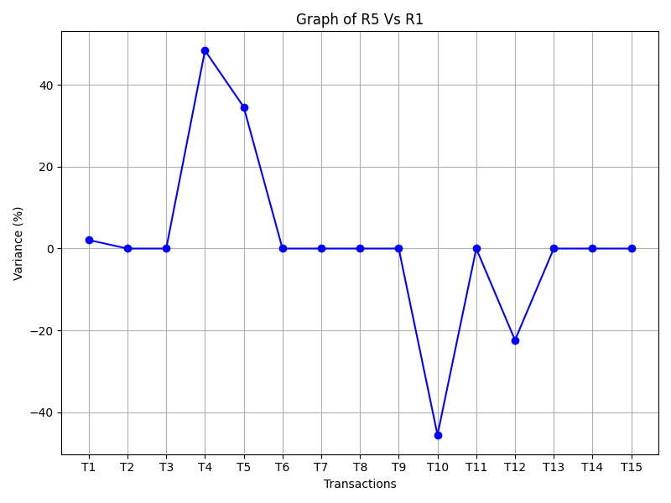
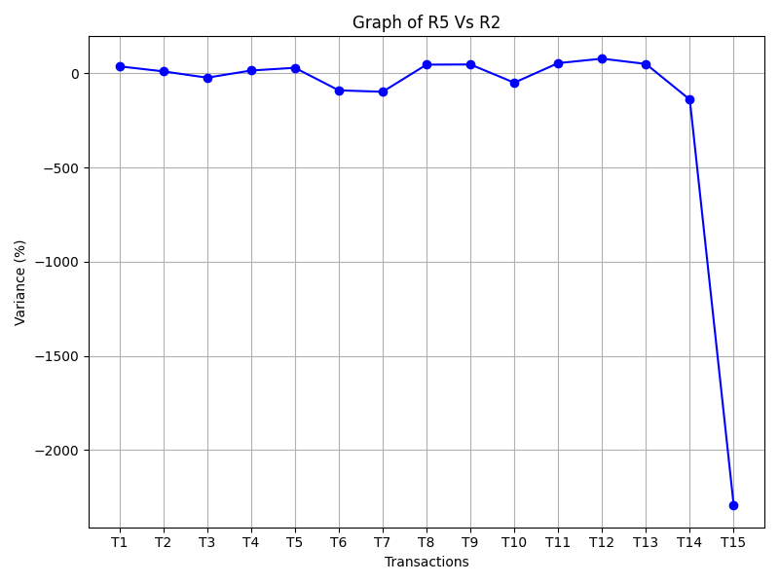
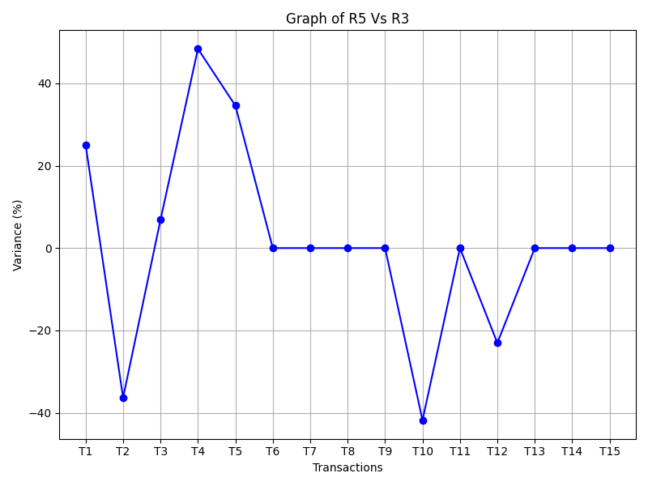
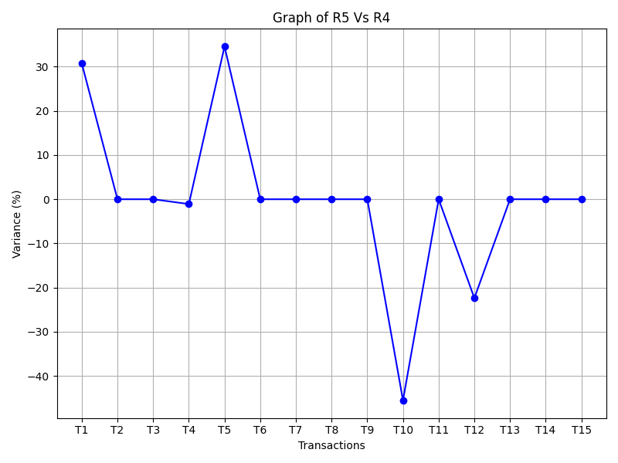
Transactions | R1 | R2 | R3 | R4 | R5 | R5 Vs R1 | R5 Vs R2 | R5 Vs R3 | R5 Vs R4 | R4 Vs R3 | R3 Vs R2 | R2 Vs R1
Transaction1 | 1.88 | 1.2 | 1.44 | 1.33 | 1.92 | 2.08 % ↑ | 37.50 % ↑ | 25.00 % ↑ | 30.73 % ↑ | -8.27 % ↓ | 16.67 % ↑ | -56.67 % ↓
Transaction2 | 2.12 | 1.89 | 2.89 | 2.12 | 2.12 | 0.00 % → | 10.85 % ↑ | -36.32 % ↓ | 0.00 % → | -36.32 % ↓ | 34.60 % ↑ | -12.17 % ↓
Transaction3 | 1.89 | 2.32 | 1.76 | 1.89 | 1.89 | 0.00 % → | -22.75 % ↓ | 6.88 % ↑ | 0.00 % → | 6.88 % ↑ | -31.82 % ↓ | 18.53 % ↑
Transaction4 | 0.95 | 1.56 | 0.95 | 1.86 | 1.84 | 48.37 % ↑ | 15.22 % ↑ | 48.37 % ↑ | -1.09 % ↓ | 48.92 % ↑ | -64.21 % ↓ | 39.10 % ↑
Transaction5 | 1.23 | 1.32 | 1.23 | 1.23 | 1.88 | 34.57 % ↑ | 29.79 % ↑ | 34.57 % ↑ | 34.57 % ↑ | 0.00 % → | -7.32 % ↓ | 6.82 % ↑
Transaction6 | 1 | 1.9 | 1 | 1 | 1 | 0.00 % → | -90.00 % ↓ | 0.00 % → | 0.00 % → | 0.00 % → | -90.00 % ↓ | 47.37 % ↑
Transaction7 | 1.23 | 2.43 | 1.23 | 1.23 | 1.23 | 0.00 % → | -97.56 % ↓ | 0.00 % → | 0.00 % → | 0.00 % → | -97.56 % ↓ | 49.38 % ↑
Transaction8 | 3.76 | 2.01 | 3.76 | 3.76 | 3.76 | 0.00 % → | 46.54 % ↑ | 0.00 % → | 0.00 % → | 0.00 % → | 46.54 % ↑ | -87.06 % ↓
Transaction9 | 2.34 | 1.23 | 2.34 | 2.34 | 2.34 | 0.00 % → | 47.44 % ↑ | 0.00 % → | 0.00 % → | 0.00 % → | 47.44 % ↑ | -90.24 % ↓
Transaction10 | 1.95 | 2 | 1.9 | 1.95 | 1.34 | -45.52 % ↓ | -49.25 % ↓ | -41.79 % ↓ | -45.52 % ↓ | 2.56 % ↑ | -5.26 % ↓ | 2.50 % ↑
Transaction11 | 1.43 | 0.65 | 1.43 | 1.43 | 1.43 | 0.00 % → | 54.55 % ↑ | 0.00 % → | 0.00 % → | 0.00 % → | 54.55 % ↑ | -120.00 % ↓
Transaction12 | 1.86 | 0.33 | 1.87 | 1.86 | 1.52 | -22.37 % ↓ | 78.29 % ↑ | -23.03 % ↓ | -22.37 % ↓ | -0.54 % ↓ | 82.35 % ↑ | -463.64 % ↓
Transaction13 | 2.89 | 1.44 | 2.89 | 2.89 | 2.89 | 0.00 % → | 50.17 % ↑ | 0.00 % → | 0.00 % → | 0.00 % → | 50.17 % ↑ | -100.69 % ↓
Transaction14 | 0.54 | 1.29 | 0.54 | 0.54 | 0.54 | 0.00 % → | -138.89 % ↓ | 0.00 % → | 0.00 % → | 0.00 % → | -138.89 % ↓ | 58.14 % ↑
Transaction15 | 0.12 | 2.87 | 0.12 | 0.12 | 0.12 | 0.00 % → | -2291.67 % ↓ | 0.00 % → | 0.00 % → | 0.00 % → | -2291.67 % ↓ | 95.82 % ↑

Graphs
Graph of R5 Vs R1

Graph of R5 Vs R2

Graph of R5 Vs R3

Graph of R5 Vs R4

Graphs1
Graph of R5 Vs R1

Graph of R5 Vs R2

Graph of R5 Vs R3

Graph of R5 Vs R4

