process
geenrally try to convert all variables in to numeric
cgeck for missing value impute them
check for variables standardization( weigh/cms) remove skeweness..it is called as feature engineering-feature transformation and in feature creation we create dummy variables
fit any model firtst
check for importance of variable and then keep updating
for eg:- model earth has two parameteres(nprune and degree) by improving them we can improve our model

cross fold validation:: with in itself like train data split in to test
 | Decision trees

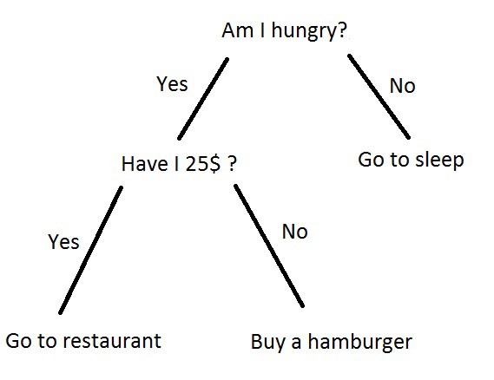
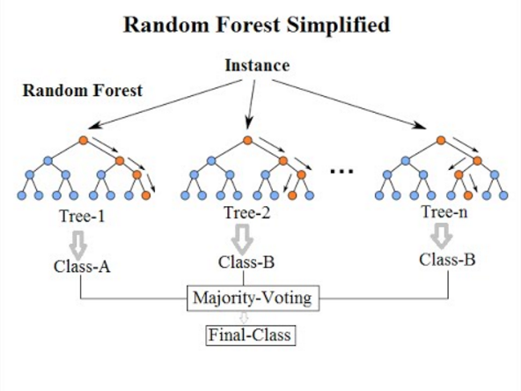

High train accuray low Test

In my modest opinion there could still be another reason that could explain this, which has not been mentioned so far.
Supervised learning relies on the fact that training and test data follow the same distribution. If that were not the case, then one could perfectly get a model that performs well in training data but does not on test data. And it would not be because of overfitting of the training data.

There many ways to evaluate the perfomance of our models, the common ones are:
1. Training Accuracy
Here we are training and testing on the same data, the goal is to estimate likely performance of a model on out-of-sample data, but, maximizing training accuracy rewards overly complex models that won't necessarily generalize (Unnecessarily complex models overfit the training data).
So when you evaluate the model we trained we get high scores, this just mean how well our model learnt from our training data.
2. Testing Accuracy - Train/Test split
Here it's used a procedure called train/test split, which consists of:
Split the dataset into two pieces: a training set and a testing set.
Train the model on the training set.
Test the model on the testing set, and evaluate how well we did.
In this way our model can be trained and tested on different data, Testing accuracy is a better estimate than training accuracy of out-of-sample performance
E.g. On the iris dataset you can split 70% of the data for training and the rest 30% for testing.
3. K-fold cross-validation
Testing accuracy provides a high variance estimate since changing which observations happen to be in the testing set can significantly change testing accuracy, that's what K-Fold cross-validation came to solve. Here we do the following:
Split the dataset into K equal partitions
Use fold 1 as the testing set and the union of the other folds as the training set.
Calculate testing accuracy.
Repeat steps 2 and 3 K times, using a different fold as the testing set each time
Use the average testing accuracy as the estimate of out-of-sample accuracy.

nodes
There are three different types of nodes: chance nodes, decision nodes, and end nodes. A chance node, represented by a circle, shows the probabilities of certain results. A decision node, represented by a square, shows a decision to be made, and an end node shows the final outcome of a decision path.

Layman a variable to split
Decision Tree - Classification

Decision tree builds classification or regression models in the form of a tree structure. It breaks down a dataset into smaller and smaller subsets while at the same time an associated decision tree is incrementally developed. The final result is a tree with decision nodes and leaf nodes. A decision node (e.g., Outlook) has two or more branches (e.g., Sunny, Overcast and Rainy). Leaf node (e.g., Play) represents a classification or decision. The topmost decision node in a tree which corresponds to the best predictor called root node. Decision trees can handle both categorical and numerical data. | 