Trial 2
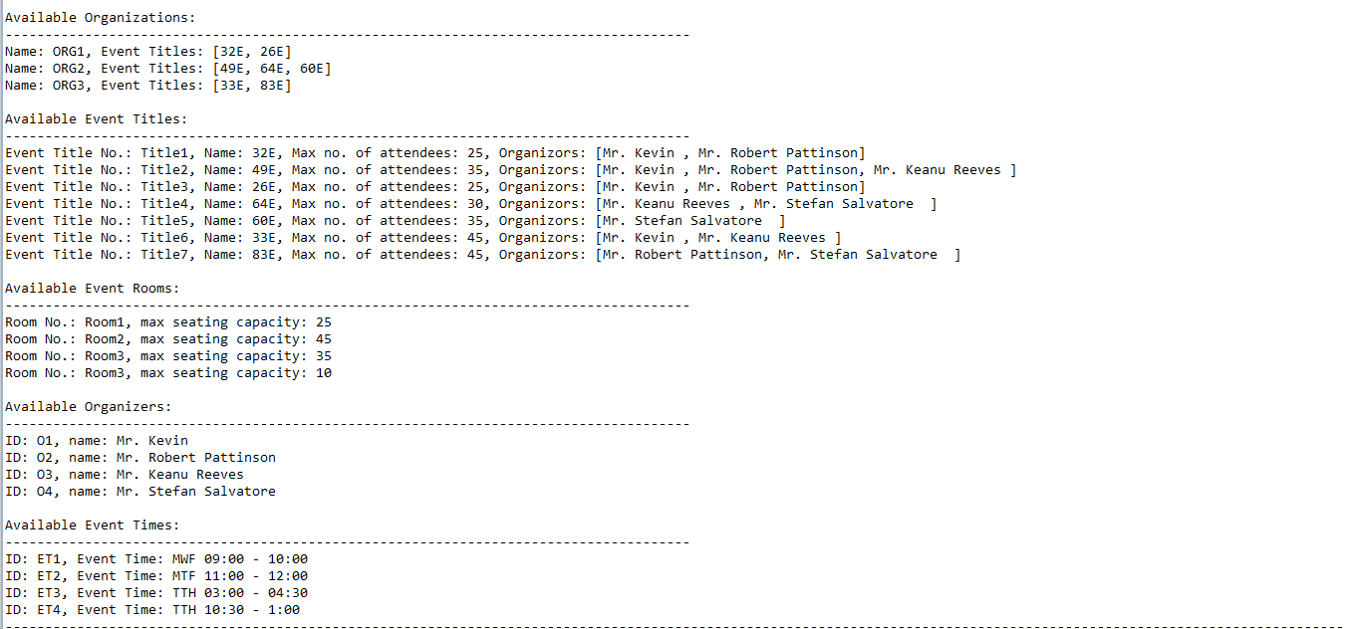

Gen vs Time Graph
Generations v/s time taken
 | Total Time Taken(ms)
3 | 0.104
12 | 0.175
20 | 0.203
37 | 0.209
49 | 0.277

Gen vs Fitness Graph
generations taken v/s fitness
 | Generations Taken | Fitness
 | 3 | 1
 | 12 | 1
 | 20 | 1
 | 37 | 1
 | 49 | 1

Generations Taken | Fitness

3 | 1

12 | 1

20 | 1

37 | 1

49 | 1

