Sheet1
Title | Reproducible Steps | Expected | Actual | Attachment | Affected Devices | Network | Severity | Priority | Impact
The PRO feature " Future recurring records" is selected in the free mode | *Open The app *Open The right side menu *Select "Settings" *Select The "Future recurring records" feature | *the user is redirected to "Monefy Pro" Page | *The Feature is checked | 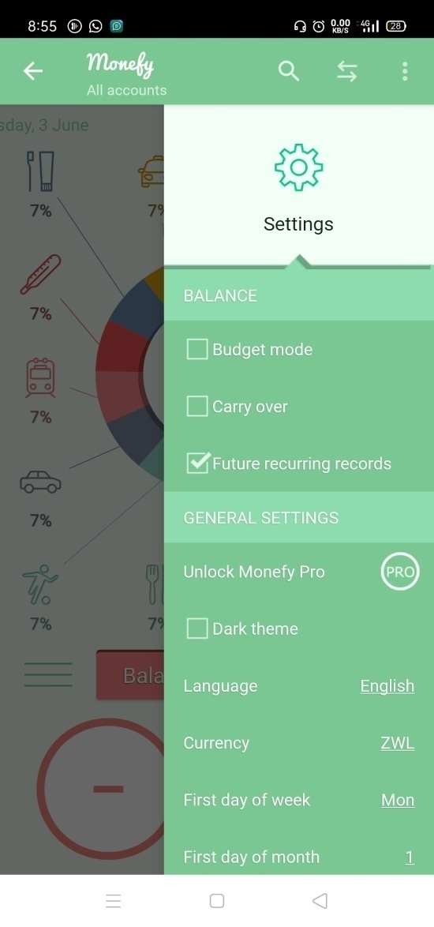 | *Android Oppo F11 *Android Version 10 | *Wifi *Mobile data "4G" | High | High | *High Impact *impacts the functionality
After Changing the language to Turkish, the English scripts still appear | *Open The app. *Open The right side menu. *Press on "Settings". *Press on "Language". *select "Turkish" *Open "Monefy Pro" Page | *All The Scripts are written in Turkish | * recurring records feature is written in English | 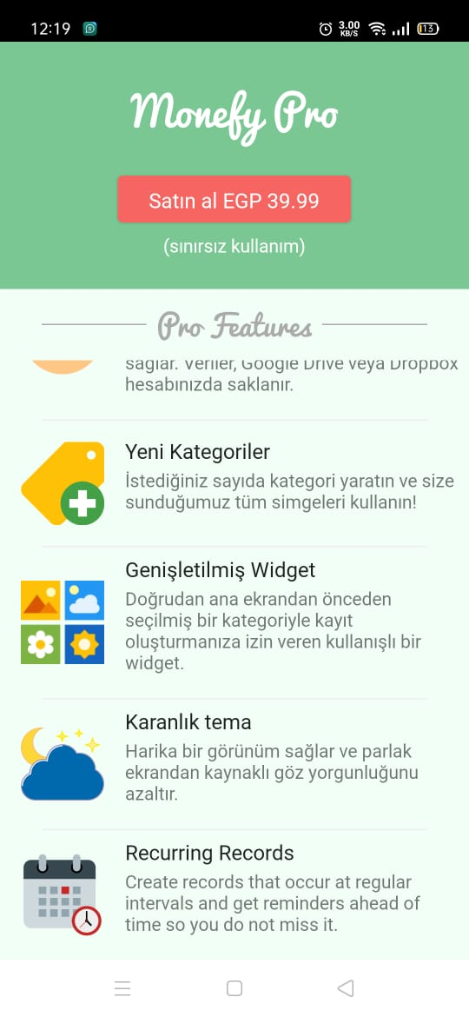 | *Android Oppo F11 *Android Version 10 | *Wifi *Mobile data "4G" | Medium | High | *High Impact *impacts the UX
The disabled category is still viewed in the home page. | *Open The app. *Open The right side menu. *Press on "Categories". *Press on "Communications". *select "Options Button" *Uncheck "Enable" option | *Communications category is disabled and all the associated records are affected | *No change in the associated records. | 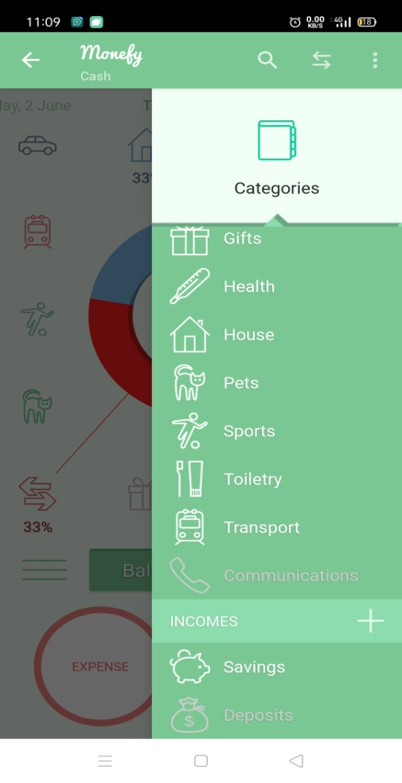 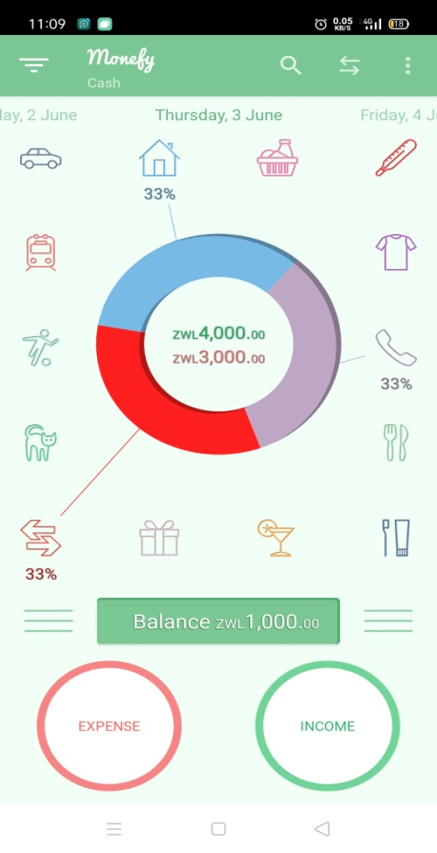 | *Android Oppo F11 *Android Version 10 | *Wifi *Mobile data "4G" | High | High | *High Impact *impacts the functionality
walkthrough script is still displayed after opening the right side menu | *Clear app cash *Open The app. *Open The right side menu. | The side menu is displayed The walkthrough script disappears | The side menu is displayed The walkthrough script appears | 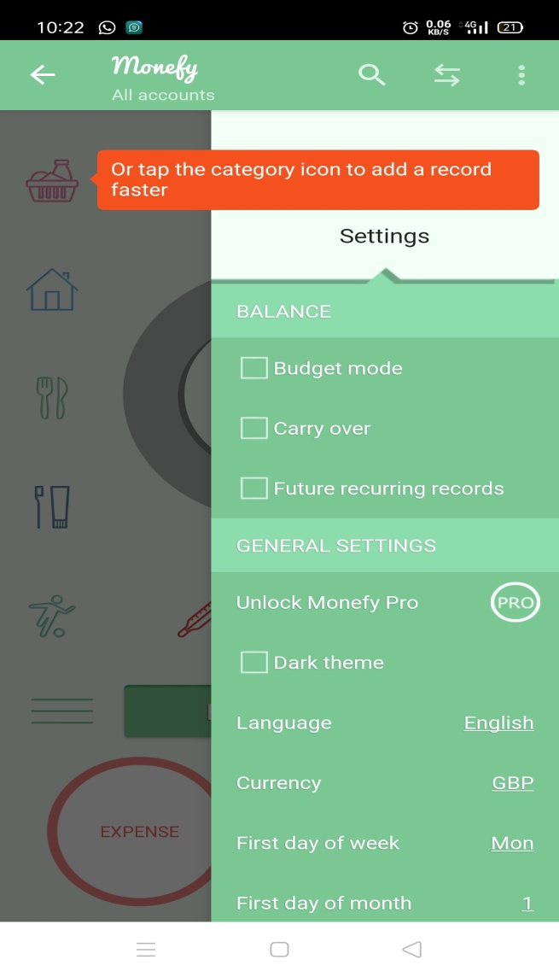 | *Android Oppo F11 *Android Version 10 | *Wifi *Mobile data "4G" | Medium | Medium | *Medium Impact *impacts the UI
missing arrows that related to some categories. | Open the App Add more than 15 category | each category has an arrow | some categories have no arrows | 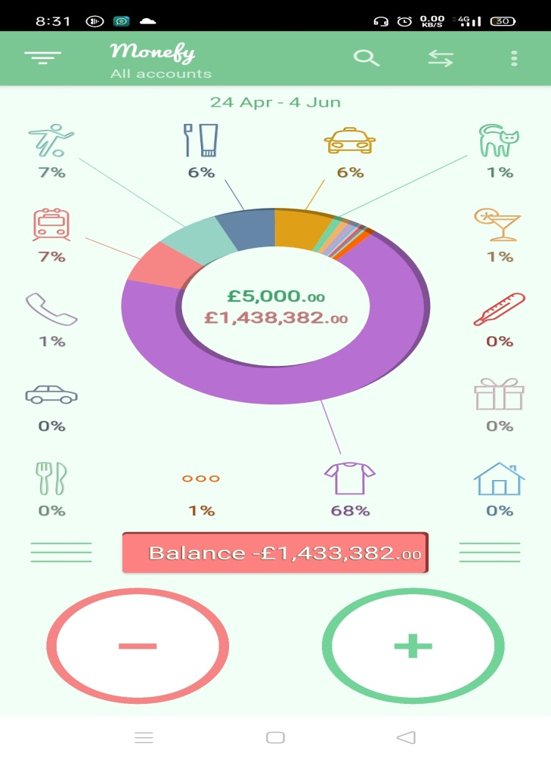 | *Android Oppo F11 *Android Version 10 | *Wifi *Mobile data "4G" | Low | Low | *Low Impact *impacts the UI
the percentage of categories is not precisely calculated | *open the app *add over all expenses more than 100000000 *add 4000 at "Gift" category | the percentage is 0.4% | the percentage is 0% | 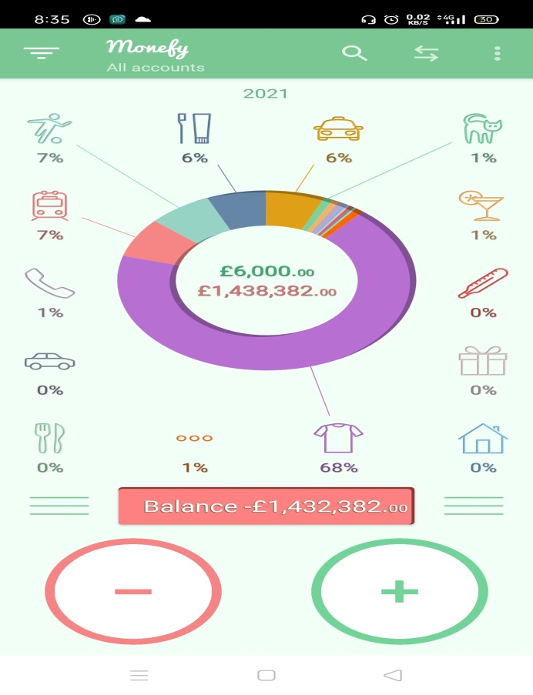 | *Android Oppo F11 *Android Version 10 | *Wifi *Mobile data "4G" | Medium | Medium | *Medium Impact *impacts the functionality
The "EXPENSE" and "INCOME" Buttons are converted to "+" and "-" | *Open the App *Kill the app for 3 times | the home page view is the same | the "EXPENSE" and "INCOME" Buttons are converted to "+" and "-" | 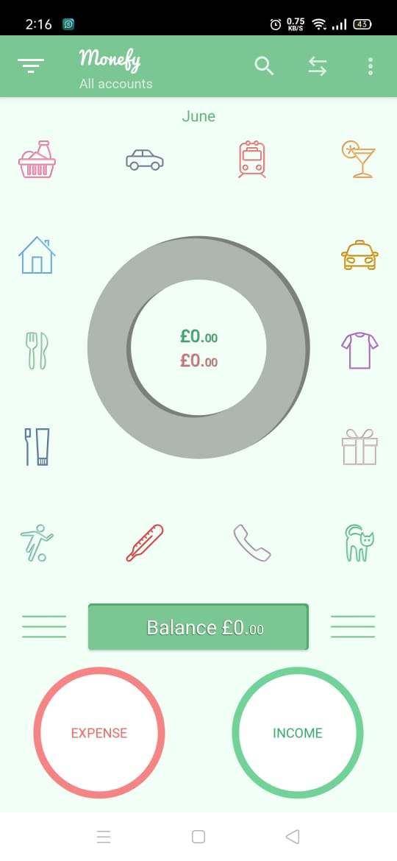 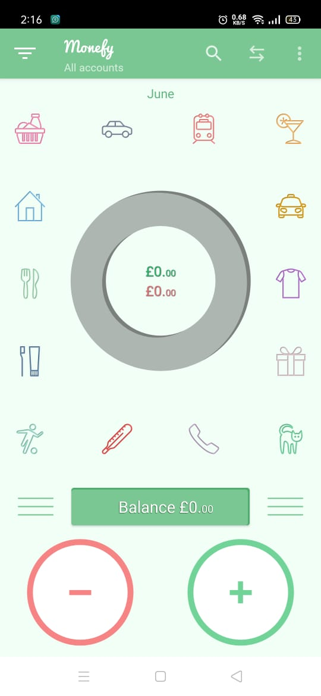 | *Android Oppo F11 *Android Version 10 | *Wifi *Mobile data "4G" | Medium | Medium | *Medium Impact *impacts the UI

