Workbook
Payment_Mode | SUM of AMOUNT |  |  | Payment_Date | SUM of AMOUNT
CARD PAYMENT | 4233750 |  |  | Jan | 260609
COD | 5255359 |  |  | Mar | 801079
Grand Total | 9489109 |  |  | Apr | 35150
 |  |  |  | May | 242397
 |  |  |  | Jun | 213509
 |  |  |  | Jul | 461015
 |  |  |  | Aug | 787157
 |  |  |  | Sep | 892625
Revenue by Payment Mode
 |  |  |  | Oct | 387587
 |  |  |  | Nov | 543208
 |  |  |  | Dec | 219732
 |  |  |  | <11/1/1971 or (blank) | 4645041
 |  |  |  | Grand Total | 9489109

Revenue Trend (Over Month)

Shipments by Service Type

SER_TYPE | COUNTA of SER_TYPE
Express | 102
Regular | 98
Grand Total | 200

Top 5 Customers By Revenue

C_NAME | SUM of AMOUNT
Catherine | 227910
Frank | 174415
Stacy | 147150
Rayshawn | 146752
Chasity | 137966
Claude | 135685
Philip | 135129
Eddie | 131564
Dejon | 129325
Tiffany | 120071
Willie | 112210
Julianna | 99508
Boyd | 99367
Janelle | 98982
Gordon | 96496
Cecile | 95516
Dennis | 94926
Lita | 93642
Korie | 91926
Peyton | 91842
Lola | 90449
Dinah | 90380
Eunice | 89846
Julie | 89389
Darrel | 88092
Annie | 88037
Laurette | 87886
Curtis | 87828
Eriana | 87420
Jonathan | 87400
Joe | 86800
Paola | 86767
Destiny | 86040
Trey | 85889
Otis | 83253
Neri | 83102
Matthew | 83002
Joel | 81148
Daren | 80901
Marion | 80796
Franklin | 80143
Bianca | 78953
Reginald | 78698
Adonis | 77649
Jill | 77570
Wilbur | 77342
Kandace | 77063
Isabela | 76658
Jaimee | 75766
Stanley | 75362
Ronnie | 74930
Courtney | 74222
Enrique | 73874
Jennifer | 73423
Douglas | 73137
Naisha | 69479
Jaylene | 69417
Carter | 68923
Mickey | 68886
Emma | 68331
Rosalind | 68227
Sheryl | 67599
Stefania | 67478
Roxanne | 67123
Muriel | 66591
Fabiola | 66582
Max | 63810
Gaylon | 62912
Monte | 62528
Chelsey | 62151
Bambi | 61325
Abby | 60282
Johnny | 59967
Christa | 59474
Bayley | 59376
Demetrius | 59176
Carlotta | 58736
Theresa | 58470
Steve | 57460
Debora | 57138
Italia | 56881
Glory | 56148
Marie | 56143
Taryn | 53868
Sydney | 52868
Magdalene | 52318
Reymundo | 51472
Diana | 51284
Hellen | 51104
Andre | 51038
Dianne | 49908
Mitchell | 49302
Patrick | 48657
Rory | 48532
Sophie | 48315
Larry | 47650
Alonzo | 47462
Todd | 47128
Bryn | 47111
Lydia | 45852
Tianna | 44299
Lucien | 43903
Shemar | 42257
Brennan | 42210
Amy | 41456
Maurice | 41364
Stacie | 39655
Eileen | 39488
Brady | 39432
Morgan | 39234
Kyleigh | 38952
Holli | 38290
George | 38219
Caitlin | 37286
Louise | 36312
Clay | 35634
Zoie | 35369
Tammi | 35185
Stephon | 34832
Misael | 34797
Michaela | 32800
Aidan | 30239
Albert | 28987
Frances | 28701
Laverne | 27741
Gabrielle | 27036
Isidro | 26060
Kaitlyn | 24856
Nigel | 24449
Ray | 24053
Pierre | 23921
Amelia | 23055
Danielle | 22261
Gwendolyn | 22214
Elvia | 21972
Merna | 21813
Juan | 21639
Belle | 21021
Sadie | 20238
Tomeka | 20194
Brenda | 20187
Adrianna | 19804
Elena | 19386
Steven | 19346
Rita | 17651
Christy | 16690
Velma | 16299
Gene | 16113
Grover | 15307
Peter | 13740
Genesis | 13394
Ricky | 13169
Miley | 11223
Lazaro | 9691
Jennie | 9520
Bernadine | 8206
Norma | 7389
Austin | 7195
Rayburn | 7068
Bruno | 5059
Evan | 3846
Mavis | 3119
Zakariya | 2988
Christina | 1714
Sapphire | 1421
Sonja | 987
Latasha | 894
Connie | 766
Joseph | 696
Dani | 426
Paige | 312
Grand Total | 9489109

Shipments By Current Status
Current_Status | COUNTA of Current_Status
DELIVERED | 100
NOT DELIVERED | 100
Grand Total | 200

C_TYPE | SUM of AMOUNT
Internal Goods | 3420288 | 0.36044353585 | ₹3,420,288 (36.0%)
Retail | 3704901 | 0.39043718436 | ₹3,704,901 (39.0%)
Wholesale | 2363920 | 0.2491192798 | ₹2,363,920 (24.9%)
Grand Total | 9489109 | 1
Revenue by Customer Type

COUNTA of C_ID
200

COUNTA of SH_ID
200

4844068

Payment_Status | PAID

SUM of AMOUNT
4844068 | Total Revenue

SUM of AMOUNT
9489109 | Total Payment

COUNTA of SH_ID
100 | Delivered Shipments

COUNTA of E_ID
200 | Total Employees

Dashboard
Tata Motors - Performance Dashboard

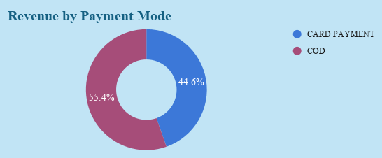
Revenue Trend (Over Month)
Jan | 260609
Mar | 801079
Apr | 35150
May | 242397
Jun | 213509
Jul | 461015
Aug | 787157
Sep | 892625
Oct | 387587
Nov | 543208
Dec | 219732

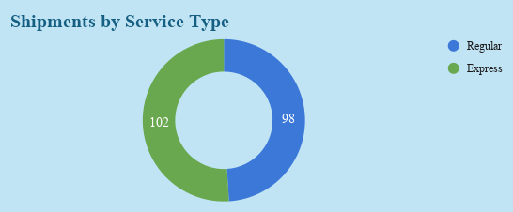
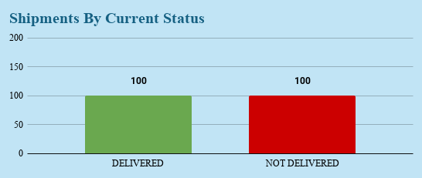

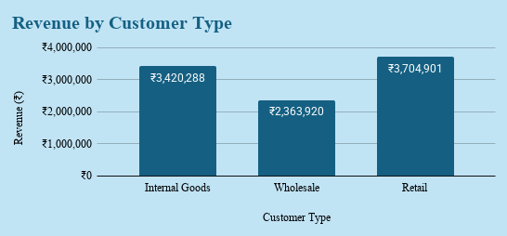
Top 5 Customers By Revenue
 | SUM of AMOUNT
Catherine | 227910
Frank | 174415
Stacy | 147150
Rayshawn | 146752
Chasity | 137966

