8b. Project Management Process
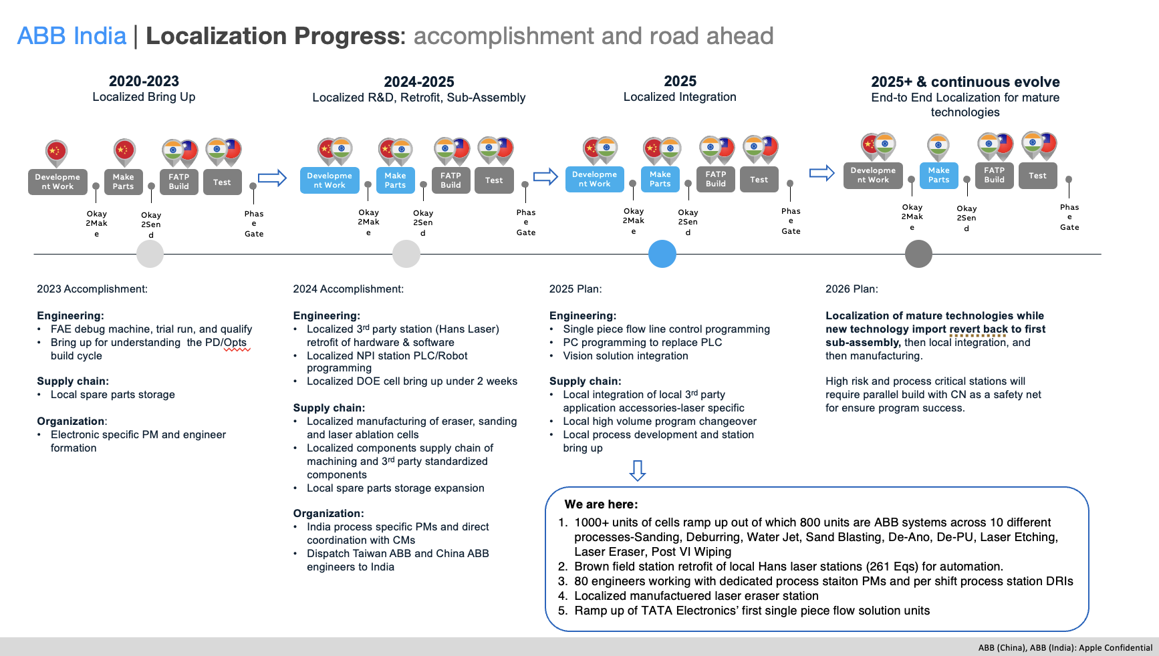
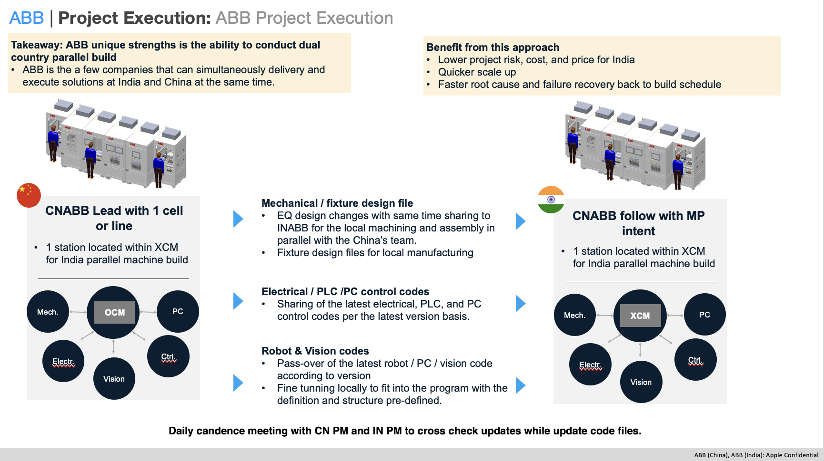
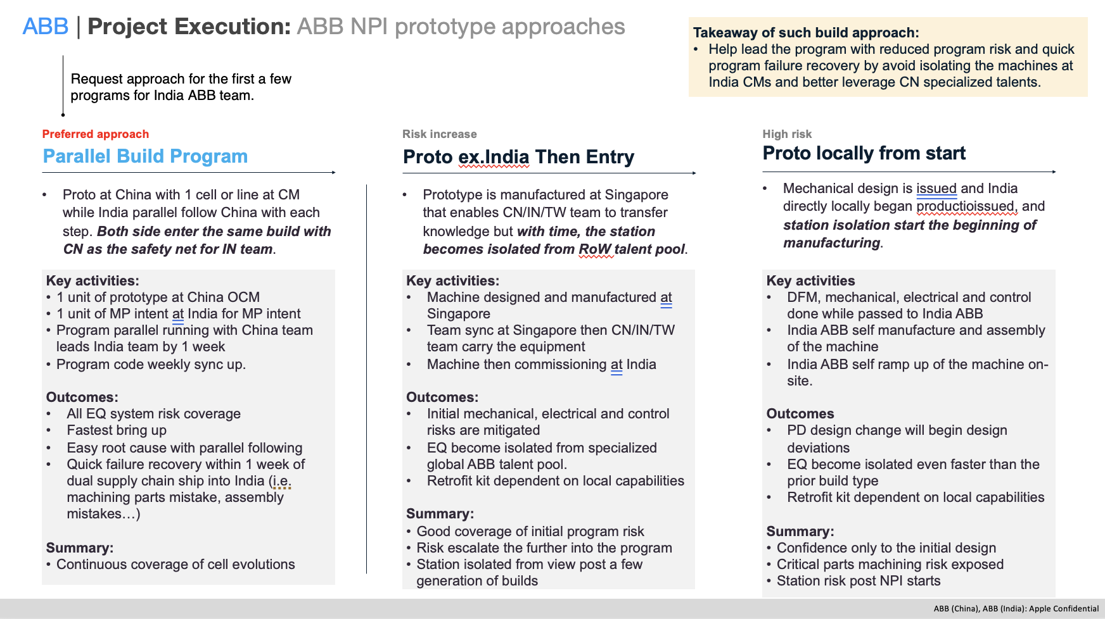
Use the blank page to detail your company's project management process. E.g. If given a new project today. List out the your internal processes from each phase the project lifecycle: Concept, Feasibility and Engineering, Execution, and Ramp/Bring up. You may chose to include things like: Process Map, Project management structure for each project / Single PM on each project, decision making process, etc.

Project process in general
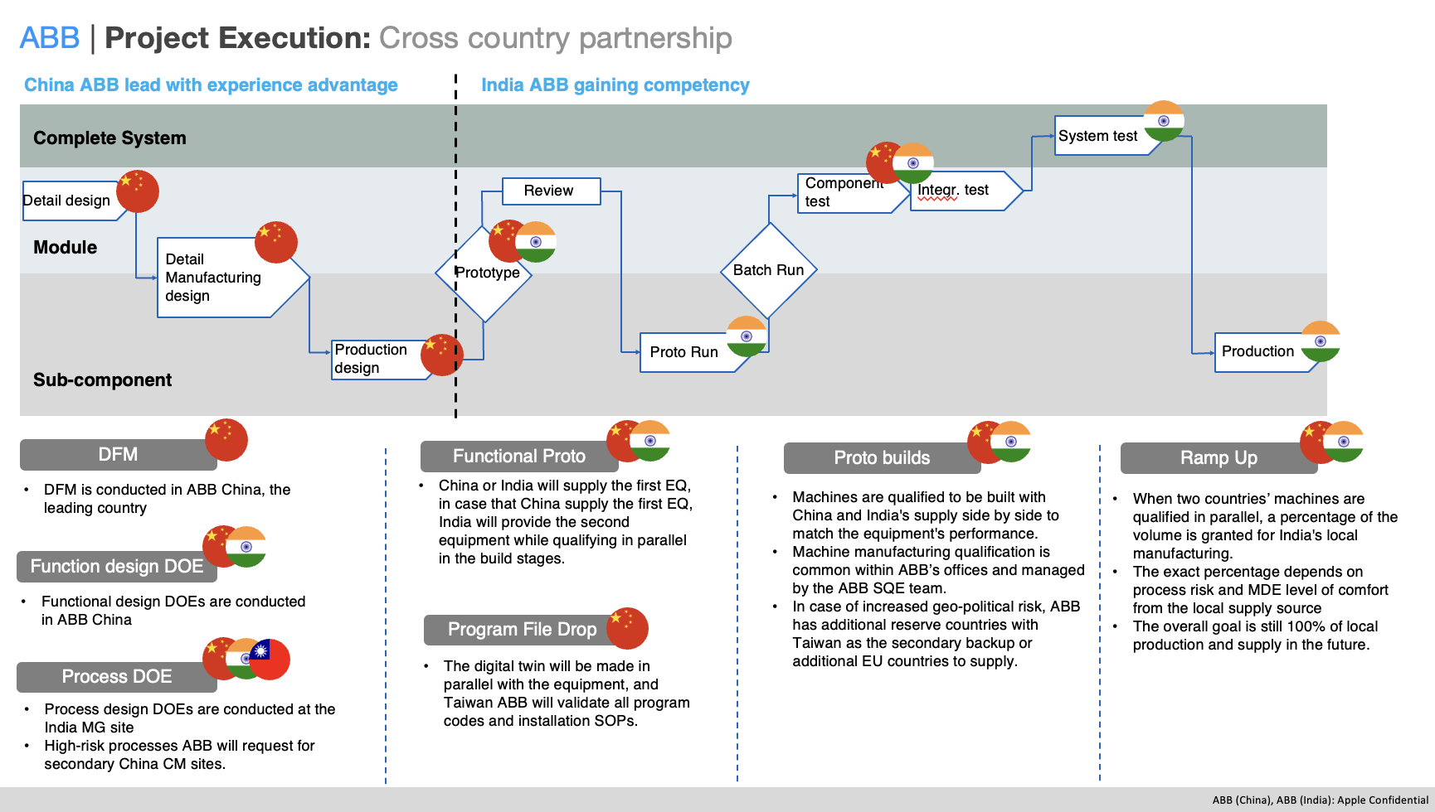

India executation plan for example

9b. Technical Roadmap
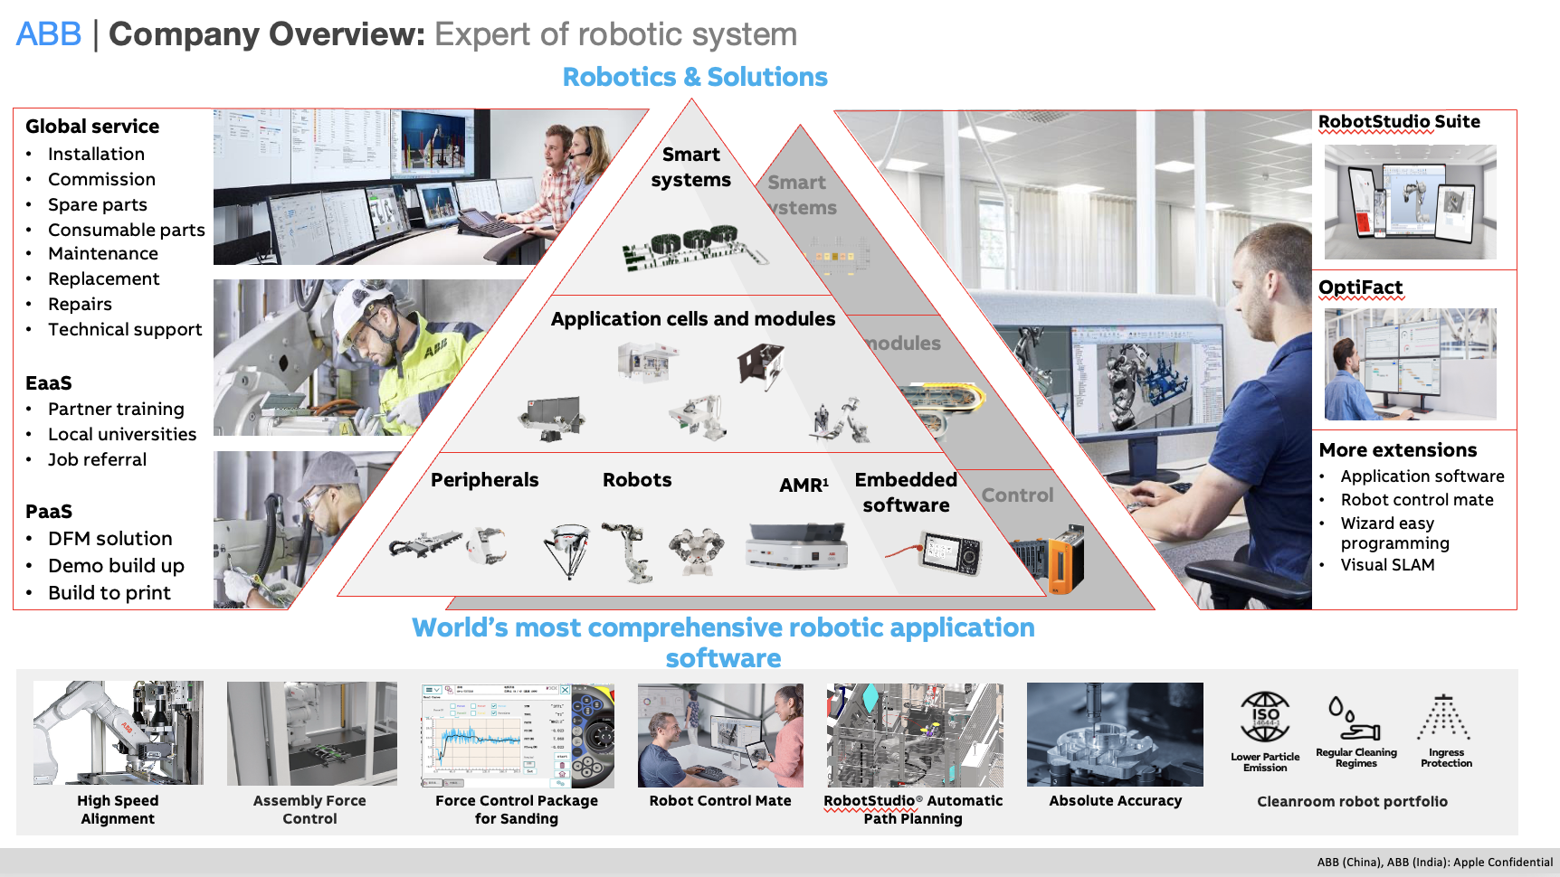
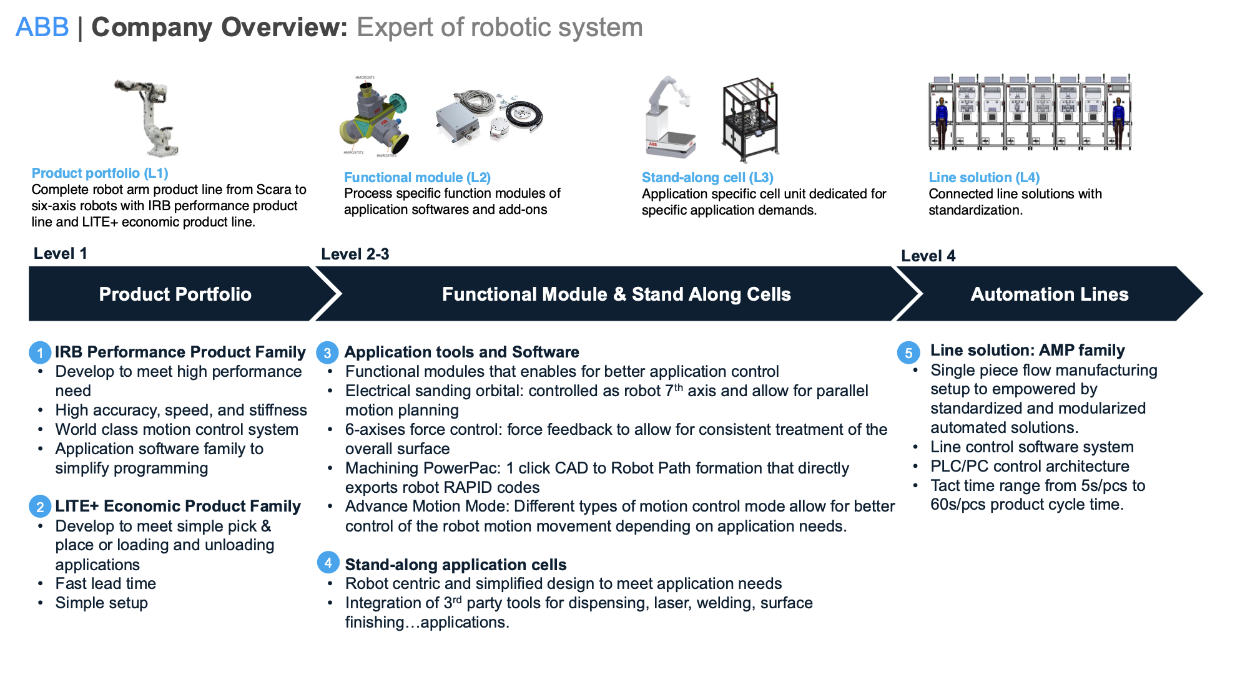
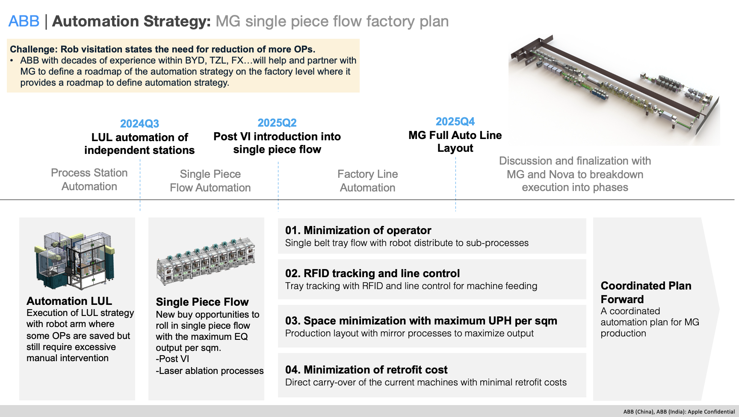
Use the blank page to detail your company's technical roadmap for apple or other customers

