8b. Project Management Process
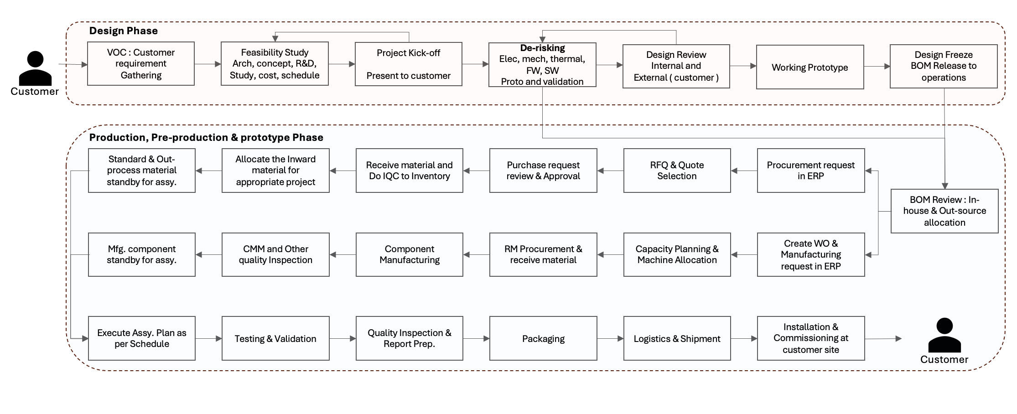
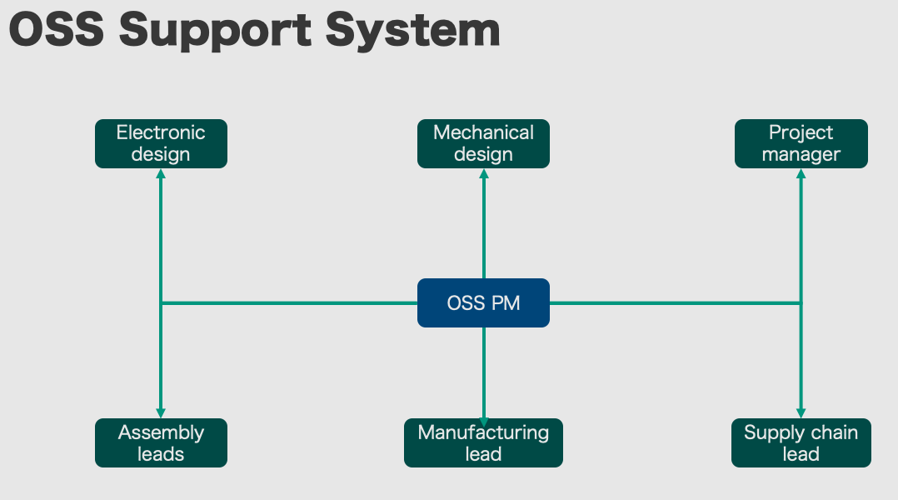
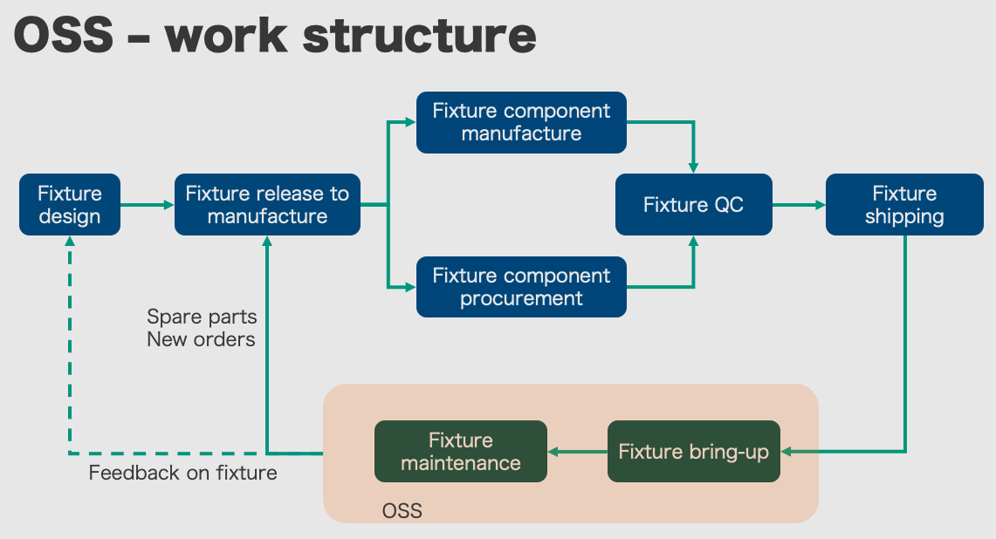
Use the blank page to detail your company's project management process. E.g. If given a new project today. List out the your internal processes from each phase the project lifecycle: Concept, Feasibility and Engineering, Execution, and Ramp/Bring up. You may chose to include things like: Process Map, Project management structure for each project / Single PM on each project, decision making process, etc.

Specification for a customer specific product is gathered from the customer and follows the proecss as shown in Design phase work flow. During the feasibility study phase, concept and ideas are formed. During this phase as much work is done with mock designs, simulations. The data is reviewed iwth the customer along with the cost and schedule in an iterative manner until it is approved by the Customer. In some cases, the customer is very involved in the process and in some cases the customer are involved only in the final review and approval. Once the feasibility study is approved, project kick-off happens. In the next phase, Anora works on de-risking the project by aggressively engaging in proto-typing module level and at complete system level. This includes electrical, mechanical, embedded, test firmware and software. Proto is validaed and taken through approval process. This entire process is governed by design phase process work flow.
Several of work flows are controlled in ERP process. Sales Order, Assembly Order of a system, Manufacturing Order, Procurement, Shipping, PCB design process etc. Some of those work flow are shown below as an example

