6. Assembly & Supply Chain
 | Please fill in all fields for Company HQ and all Manufacturing Locations to complete this section. ALL potential manufacturing locations and local labs must be included, especially locations covering China, India, Vietnam, Thailand, and Brazil.
 |  | Company HQ | Manufacturing Location 1 | Manufacturing Location 2 | Manufacturing Location 3 | Manufacturing Location 4 | Manufacturing Location 5
1 | Facility Name (if any) | Montreal | Vietnam | China | Averna Test (India) Private Limited | Averna Test Systems Inc | Averna Test Systems Inc
2 | City and Country | Quebec , Canada. | Ho Chi Minh City, Vietnam | Suzhou, China | Trivandrum, India | Charlotte | San Jose, USA
3 | Full Address | 1001 rue Lenoir, Suite A-400 H4C 2Z6 | Lot I3 - 1, D1 Street, Saigon Hi-Tech Park, Tan Phu Ward, District 9, HCMC, Vietnam | Block C#4-03/04,No.5 Xinghan Street, Suzhou Industrial Park, Jiangsu, China | First Floor, Padmanabham Building, Technopark Campus, Karyavattom PO, Trivandrum 695 581, Kerala, India | 1515 Center Park Drive, Charlotte, NC 28217, US 1600 Los Gamos Drive, Suite 130, San Rafael, CA 94903, US | 130-5215 Hellyer Avenue, San Jose, CA 95138, US
4 | Current Apple Programs Supported (List Program Name or N/A) | N/A | CRYSTA, EINSTEIN, GAIA, SGT | AOI, Dropbuck, LED/PD tester, SGT, | ECM for Anda, Allegro, Innorev, Incube and CYG | N/A | Einstein, Selenite (BOI Besso, BUF Besso), SGT, and other local support
5 | EQ Type manufactured in above location for Apple (Dispense, Pick and place, Assembly, Die Attach, Wire Bond, Test, etc) | N/A | Pick and Place, Test | PNP, Test, Optical Leakage Test AOI Cometic Inspection | Retrofit kits for Dispense, Test | N/A | Test
6 | EQ Type manufactured in above location for other customers (Dispense, Pick and place, Assembly, Die Attach, Wire Bond, Test, etc) | N/A | Test | PNP, Test, Air Leakage Test AOI Cometic Inspection | Functional test | N/A | Wafer handling, custom automation, high-precision aligners, custom robots, gas flow and vacuum systems, pneumatics, dry boxes, load locks
7 | Facility Floor Space (Square Meters) | 1675 | 3600 | 2150 | 500 | 1150 | 1950
8 | Facility Headcount (HC) (PM, Engineering, Production, OSS, Supply Chain, Quality, Shipping & Logistics, R&D, Sales & Marketing, Executive) | N/A | 149 | 200 | 206 |  | 20
9 | Average Weekly Manufacturing Capacity (by volume of units shipped) |  | 5 | 5
10 | Max Weekly Manufacturing Capacity (by volume of units shipped) |  | 20 | 15
11 | Average Total Annual Revenue from Units Produced
12 | Facility New Product Security (NPS) Approved? | N/A | Yes | Yes | No | N/A | Yes
13 | Enviroment & Supply Supply Chain Innovation (ESCI) Facility Readiness Assessment (FRA) Approved? | N/A | Yes | Yes | No | N/A
14 | Customer Base served from this location (City and Country of the customer) |  | Vietnam, Taiwan, China, Korea, Japan, Phillipines, Cupertino | Suzhou, Zhenzhou,Shanhai,Shenzhen,Nanjing China/Taiwan/USA/Japan/Vietnam | India |  | Western US

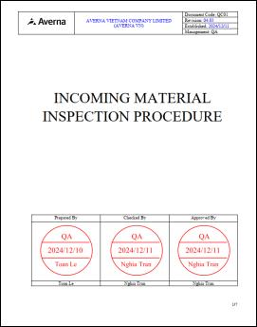
15 | Are there any Global expansion plans in the future for Manufacturing? Please desrcibe in detail. |  | New facility in India for manufacturing
16 | What are all the key subcomponent vendors used and where are they located (city, country)? Please provide rough volume & spend with key subcomponent vendors as well. |  | N/A
17 | Any previous issues faced in shipping to certain countries? |  | No
18 | What are the key supply chain tactics being followed? |  | Dual/multiple sources
19 | Are there any inhouse machining / job shop capabilities? If so, please explain in detail in terms of machine qty available (CNC, Mill, Lathe, EDM Weld, etc.), volume produced, & available capacity. |  | No inhouse machining/sheetmetal fabrication available.
20 | What are the incoming (IQC), in process (IPQC), and outgoing (OQC) quality control systems and/or processes? Please desrcibe in detail. |  | We are ISO 9001:2015 Cert with all IQC, IPQC and OQC processes are in place
21 | Are there ERP system and processes, including any automation or integration functionality across EQ manufacturing supply chain? Please desrcibe in detail. |  | Dynamic 365 and Expandable |  | ALL ANSWERS ABOVE ARE SUBJECT TO INTERPRETATION
22 | What are the supply chain resiliency plans to ensure no distruption in supply? |  | Averna's supply chain had been developed to avoid the distruption in supply in any situation: - Dual sourcing for all material. - Localized CNC/SM fabrication capacity in all regions (VN, CN, IN, JP) with cross-usable capabilities. - Forecasting and inventory planning in place for critical OEM components.

8b. Project Management Process
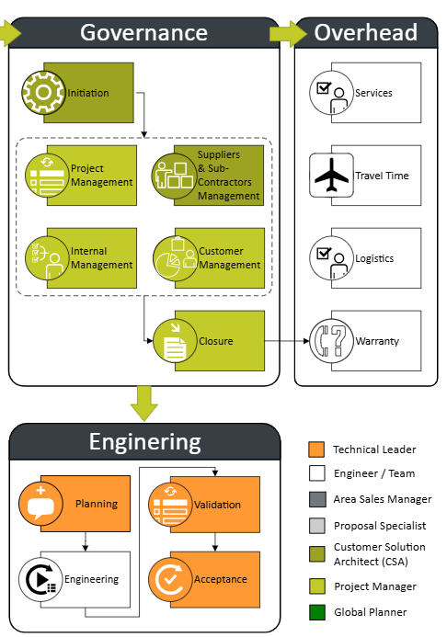
Use the blank page to detail your company's project management process. E.g. If given a new project today. List out the your internal processes from each phase the project lifecycle: Concept, Feasibility and Engineering, Execution, and Ramp/Bring up. You may chose to include things like: Process Map, Project management structure for each project / Single PM on each project, decision making process, etc.

