8b. Project Management Process
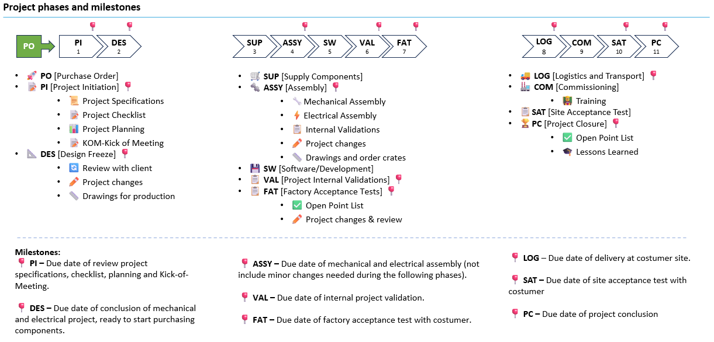
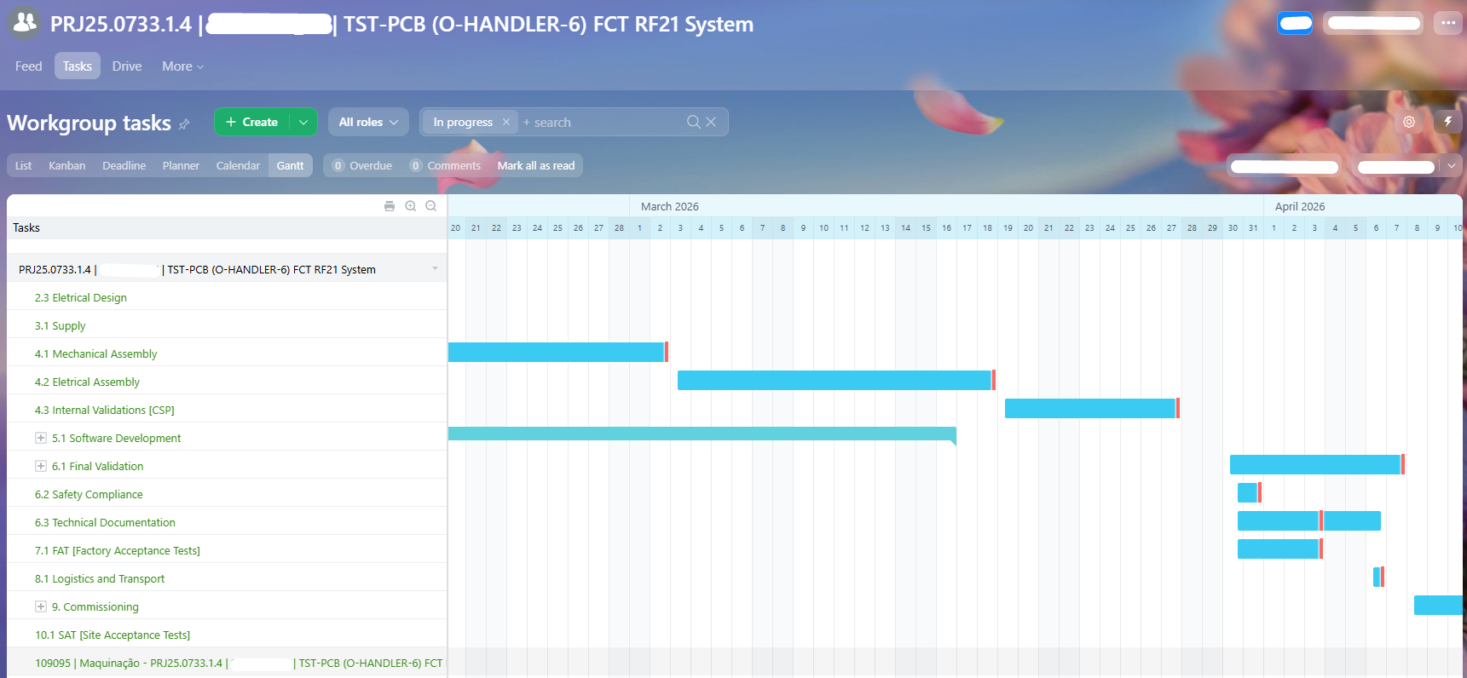
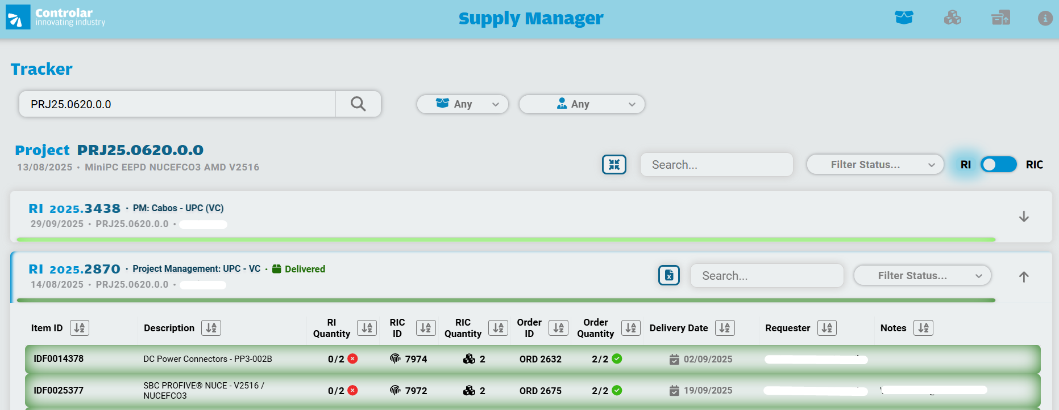
 | Use the blank page to detail your company's project management process. E.g. If given a new project today. List out the your internal processes from each phase the project lifecycle: Concept, Feasibility and Engineering, Execution, and Ramp/Bring up. You may chose to include things like: Process Map, Project management structure for each project / Single PM on each project, decision making process, etc.

 | Project Management Process

1 | The project execution process begins with the assignment of a Project Manager (PM) by the Project Management Office (PMO).
2 | The PM assignment is carefully determined based on, proven experience in the relevant project domain,
 | in-depth knowledge of the customer and industry, project complexity, delivery requirements and stratefic objectives
3 | The appointed Project Manager assumes end-to-end responsibility for the project, including:
 | - Coordinating and aligning with internal technical and engineering teams to define and develop the optimal solution
 | - Leading solution validation, alignment, and approval with the customer
 | - Establishing and managing the project plan, scope, timeline, and resources
 | - Monitoring and controlling key milestones, deliverables, and risks
 | - Ensuring transparent and structured communication with the customer through regular status and governance meetings
4 | The project management lifecycle is supported by internal software platforms, providing:
 | - Full visibility of order and project status
 | - Real-time tracking of tasks and activities
 | - Monitoring of key performance indicators (KPIs) to ensure delivery excellence and continuous improvement
5 | The project phases and milestones are listed on the following table for easy understanding:

