8b. Project Management Process
Use the blank page to detail your company's project management process. E.g. If given a new project today. List out the your internal processes from each phase the project lifecycle: Concept, Feasibility and Engineering, Execution, and Ramp/Bring up. You may chose to include things like: Process Map, Project management structure for each project / Single PM on each project, decision making process, etc.

1
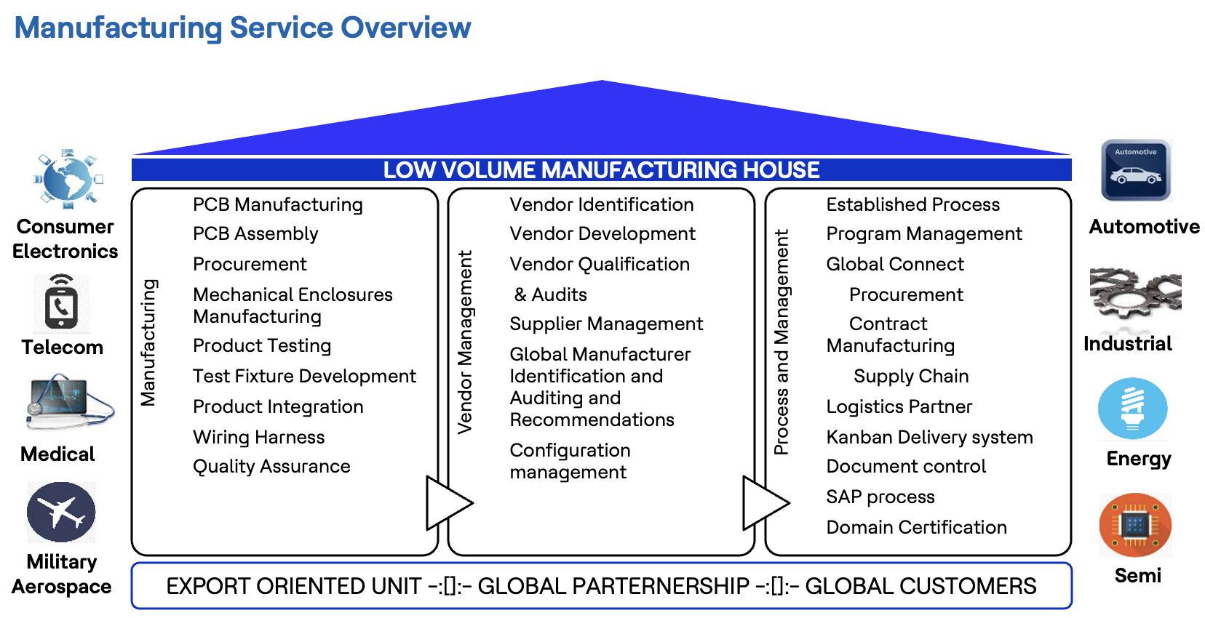

2. Process Illustration

1. HCL has dedicated Manufacturing Program Management to manage complete proto/samples/Low-Medium manufacturing with its EMS partners or its customers.
2. Illustration

 | HCL | EMS Partner
RFI/proposal/SOW/Contract | RFI/proposal/SOW/Contract | Estimation
 | Design (Concept, BOM) VA/VE Feasibility analysis Costing Sample manufacturing SMT Vendor/EMS selection - process control QMS, FA, FMEA Testing Compliances Documentation Shipping | Componet procurement Part Fabrication PCB Assembly Integration, functional testing and inspection Delivery of assembled products

