9b. Technical Roadmap
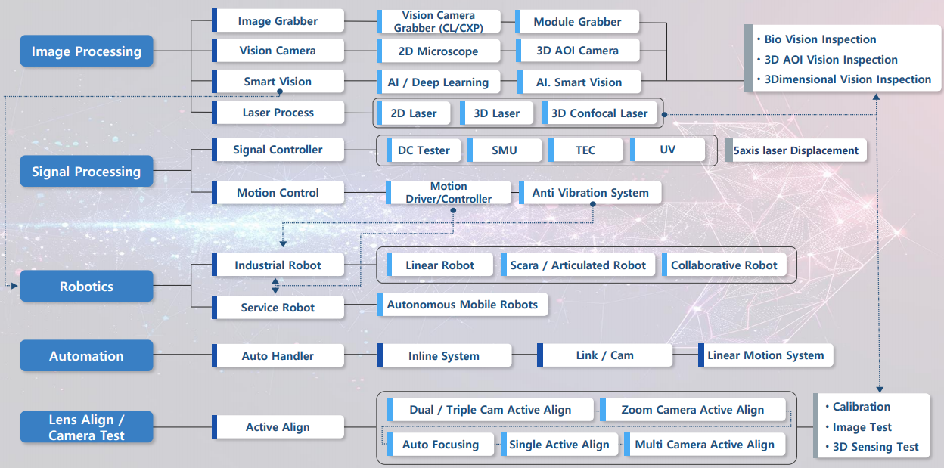
Please see the attached file 'Hyvision system Core tech proposal'

