8b. Project Management Process
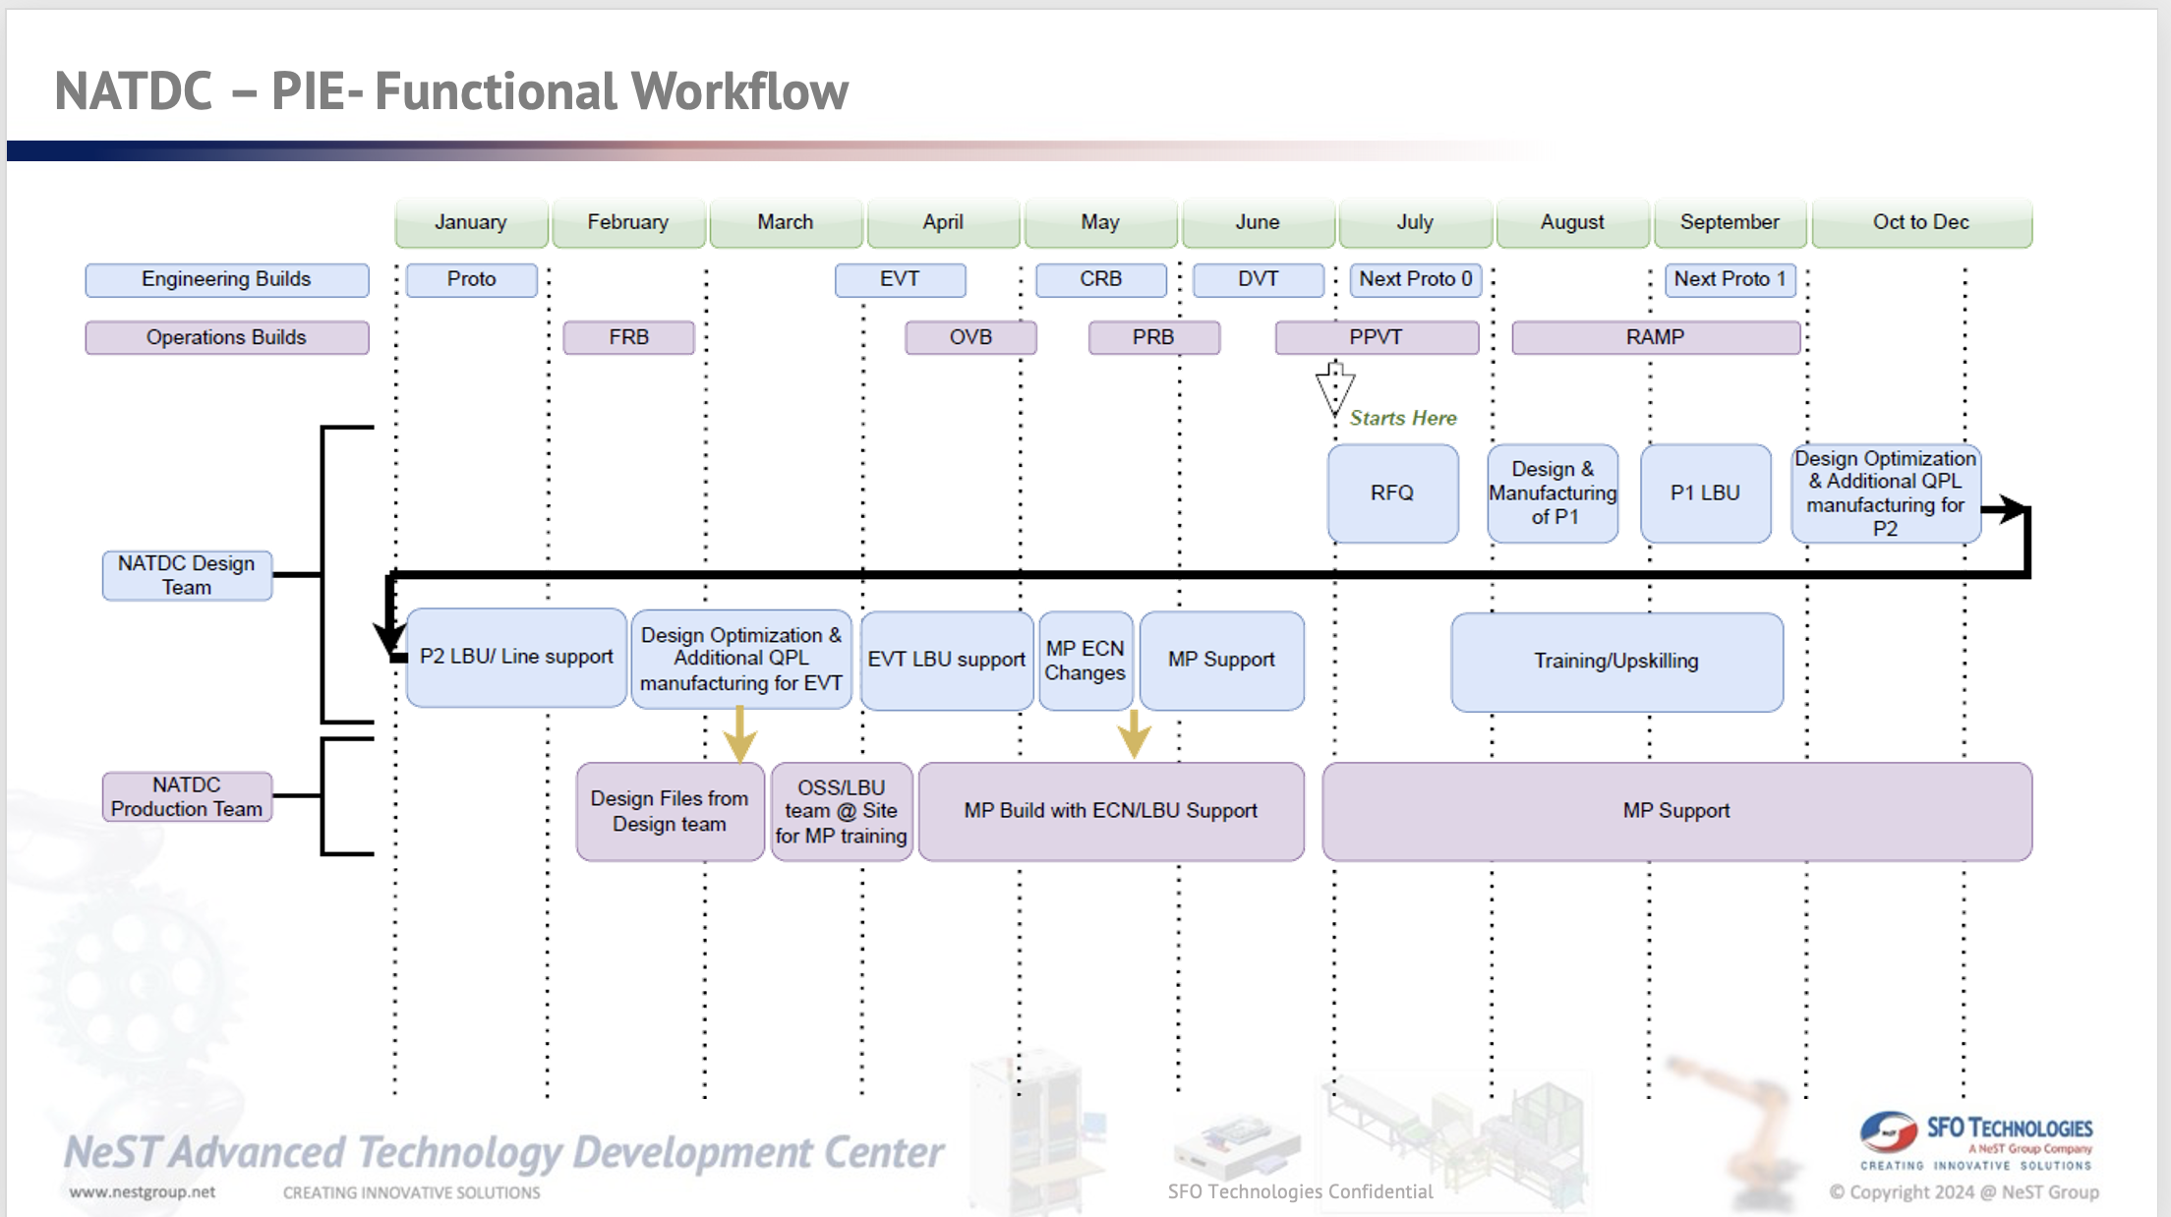
Use the blank page to detail your company's project management process. E.g. If given a new project today. List out the your internal processes from each phase the project lifecycle: Concept, Feasibility and Engineering, Execution, and Ramp/Bring up. You may chose to include things like: Process Map, Project management structure for each project / Single PM on each project, decision making process, etc.

9b. Technical Roadmap
Use the blank page to detail your company's technical roadmap for apple or other customers

MRM Box Assembly PO Received
on 6th Jan 2023, with a very aggressive
Schedule of delivery by
Feb 20th 2023
2025
WIP
– Localized Engg Builds
First PO from CM
Received PO for 7 parts from TATA
Jan 2023
2024-25
#80 HWTE Stations #35 SA Stations
Gen 4 Tester
Engg Builds
& MP Demands
2023
First BTS Project for PIE discussions with Mr. Jimmie Song on Dec 14th 2022
#161 HWTE Stations #102 SA Stations

2023
2023
Delivery of Spyder Fixtures
2022

2023
Delivered 30 Fixtures to Foxconn
and Wistron
Delivery of MRM
ME Localization
FCT & RF Fixture localization Discussions with PIE
2022
50# MRM Box Assembly was delivered
at the schedule dates of 20th Feb and
delivered at Foxconn Chennai on
27th Feb, 2023
MRM Assembly

Sept 2022
Discussions on MRM assembly to PIE, to be installed at Foxconn,
Chennai
On Site Support
2022
SFO Engaged with PIE on OSS Support for various Test systems
Nov 2022
Start: May 2019
2020
ME Engagement
Sample process fixtures to Pegatron, China
Start: Jan 2020
2019

Plan for Future
2026 | ODC in SW dedicated for Automation and Test Equipment, for research and development of core competence in PLC, Motion Control Systems, Mahichine Vision, Acoustics, AI/ ML
2027 | Setup HW Lab for development of Machine Vision, Motion Control and design and Simulation
2028 | Develop Localised HW solutions for feeders, PLCs, Drives, Motion Control Systems, Machine Vision systems

