8b. Project Management Process
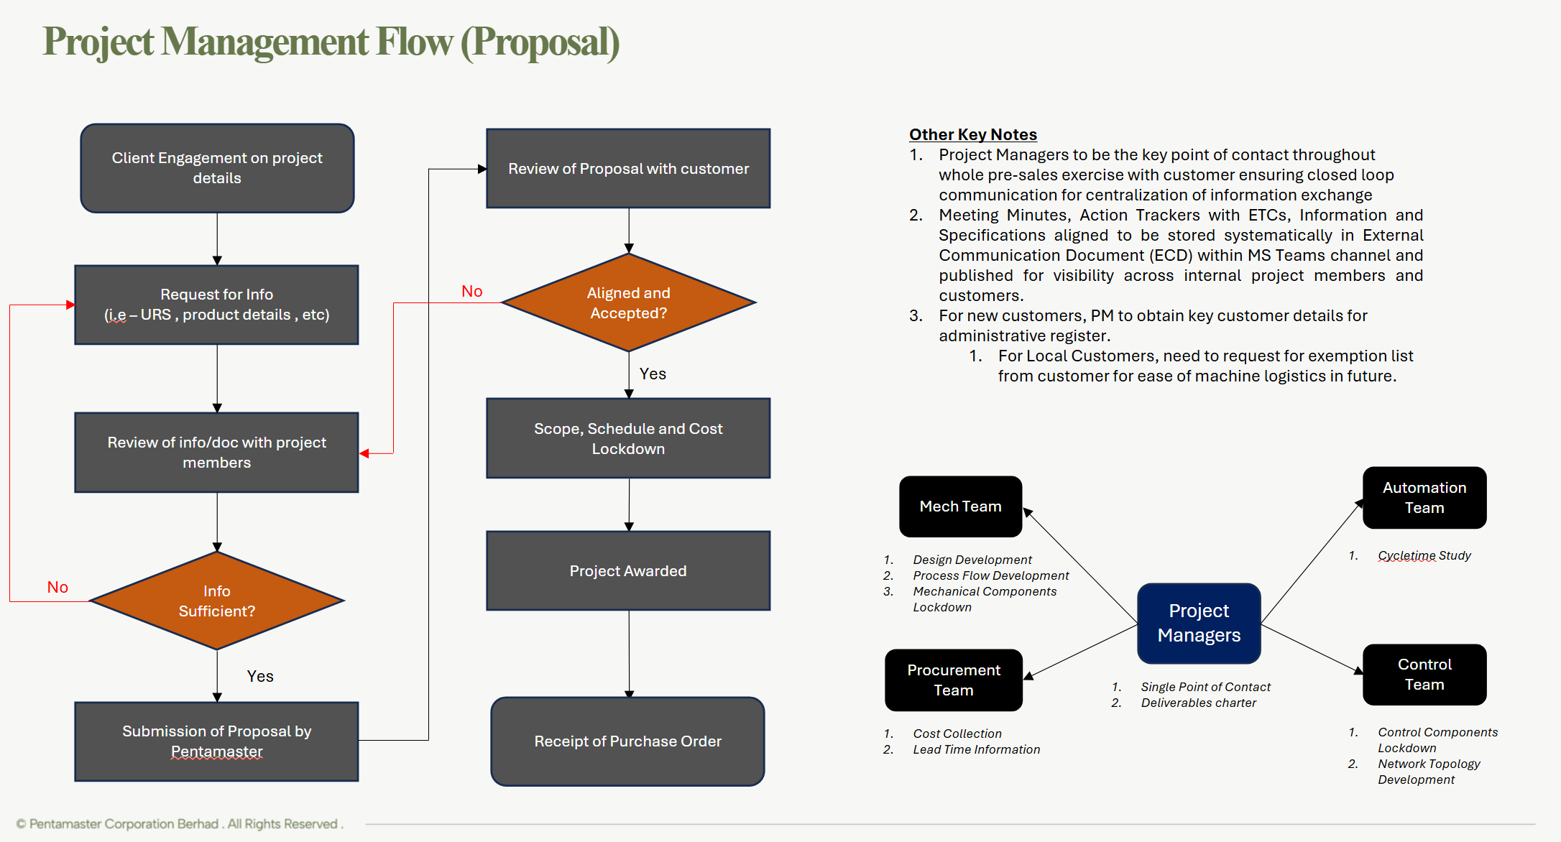
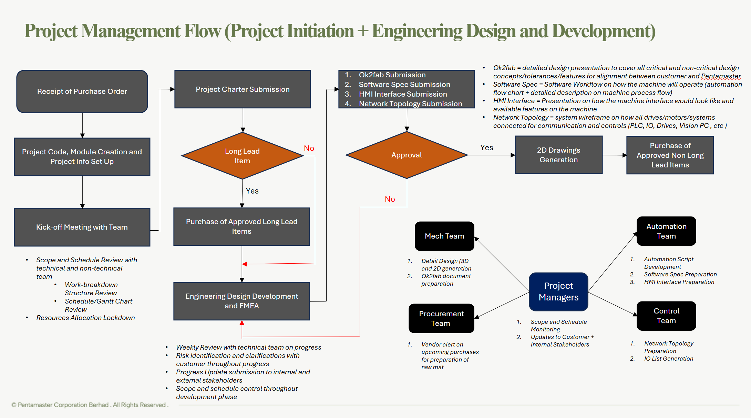
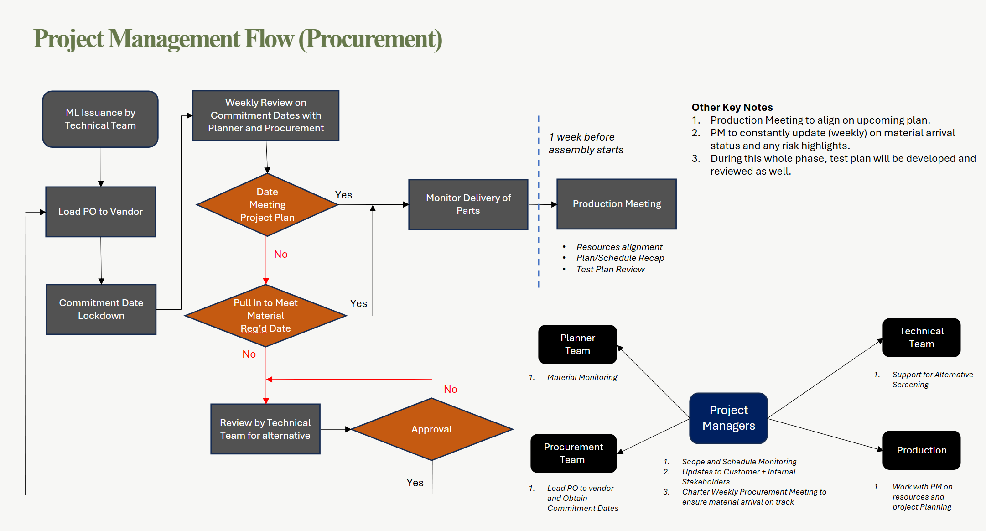
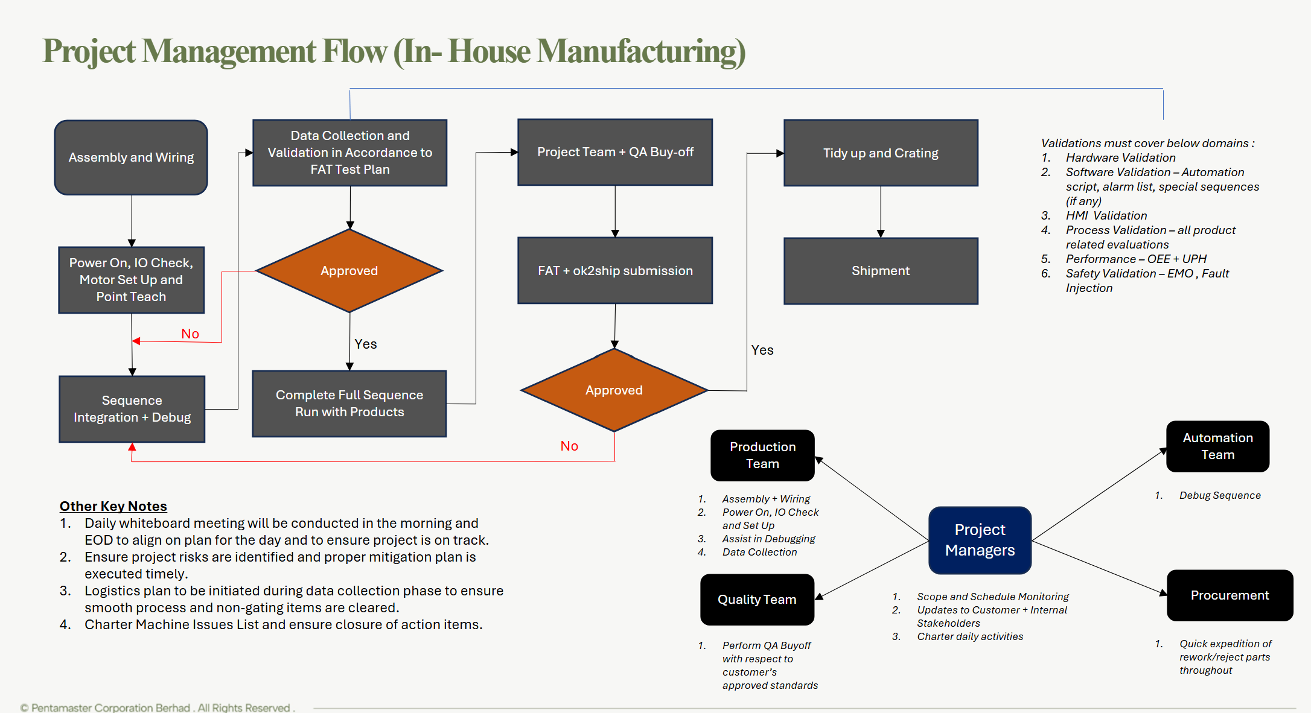
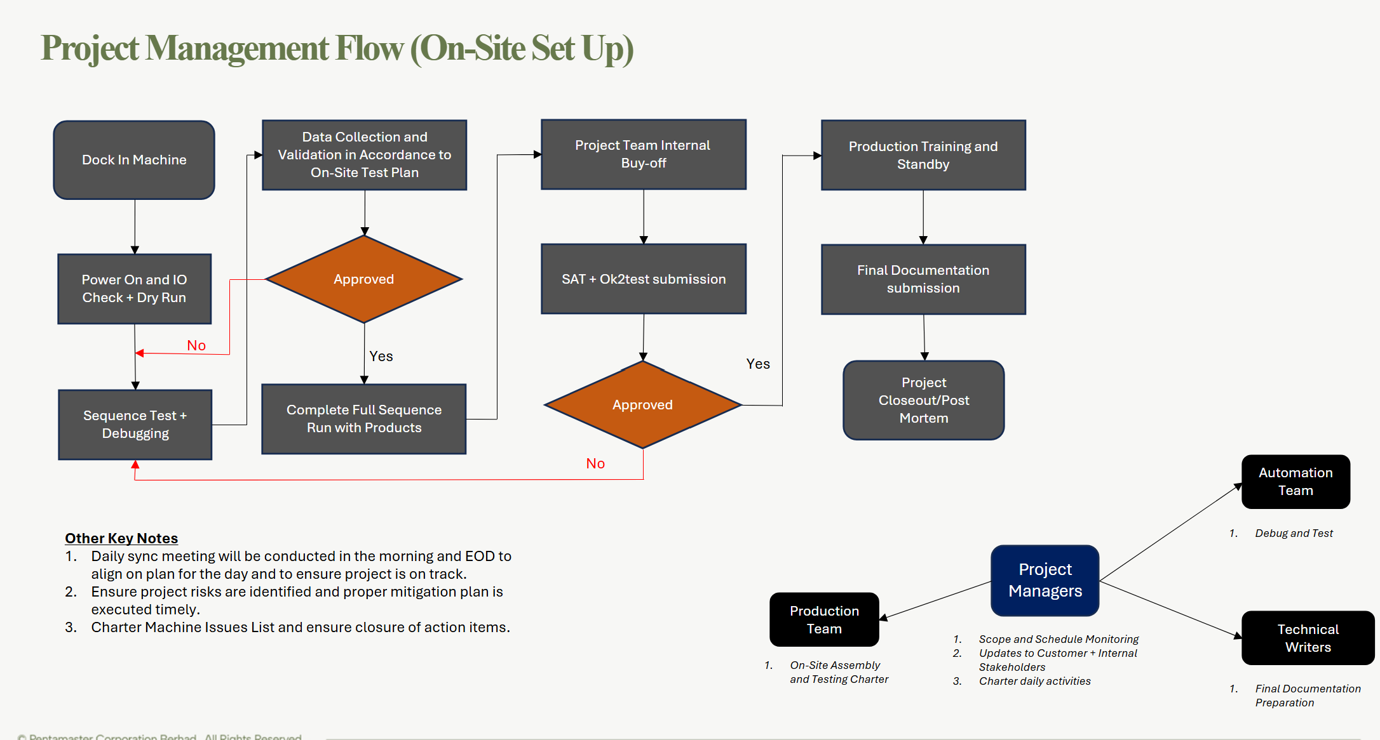
Use the blank page to detail your company's project management process. E.g. If given a new project today. List out the your internal processes from each phase the project lifecycle: Concept, Feasibility and Engineering, Execution, and Ramp/Bring up. You may chose to include things like: Process Map, Project management structure for each project / Single PM on each project, decision making process, etc. | Key Notes
 | 1.Dedicated Project Manager for each projects
 | 2.Experienced PM team on Apple project management process such :
 | - Master Issues List [MIL]
 | - DFM Review
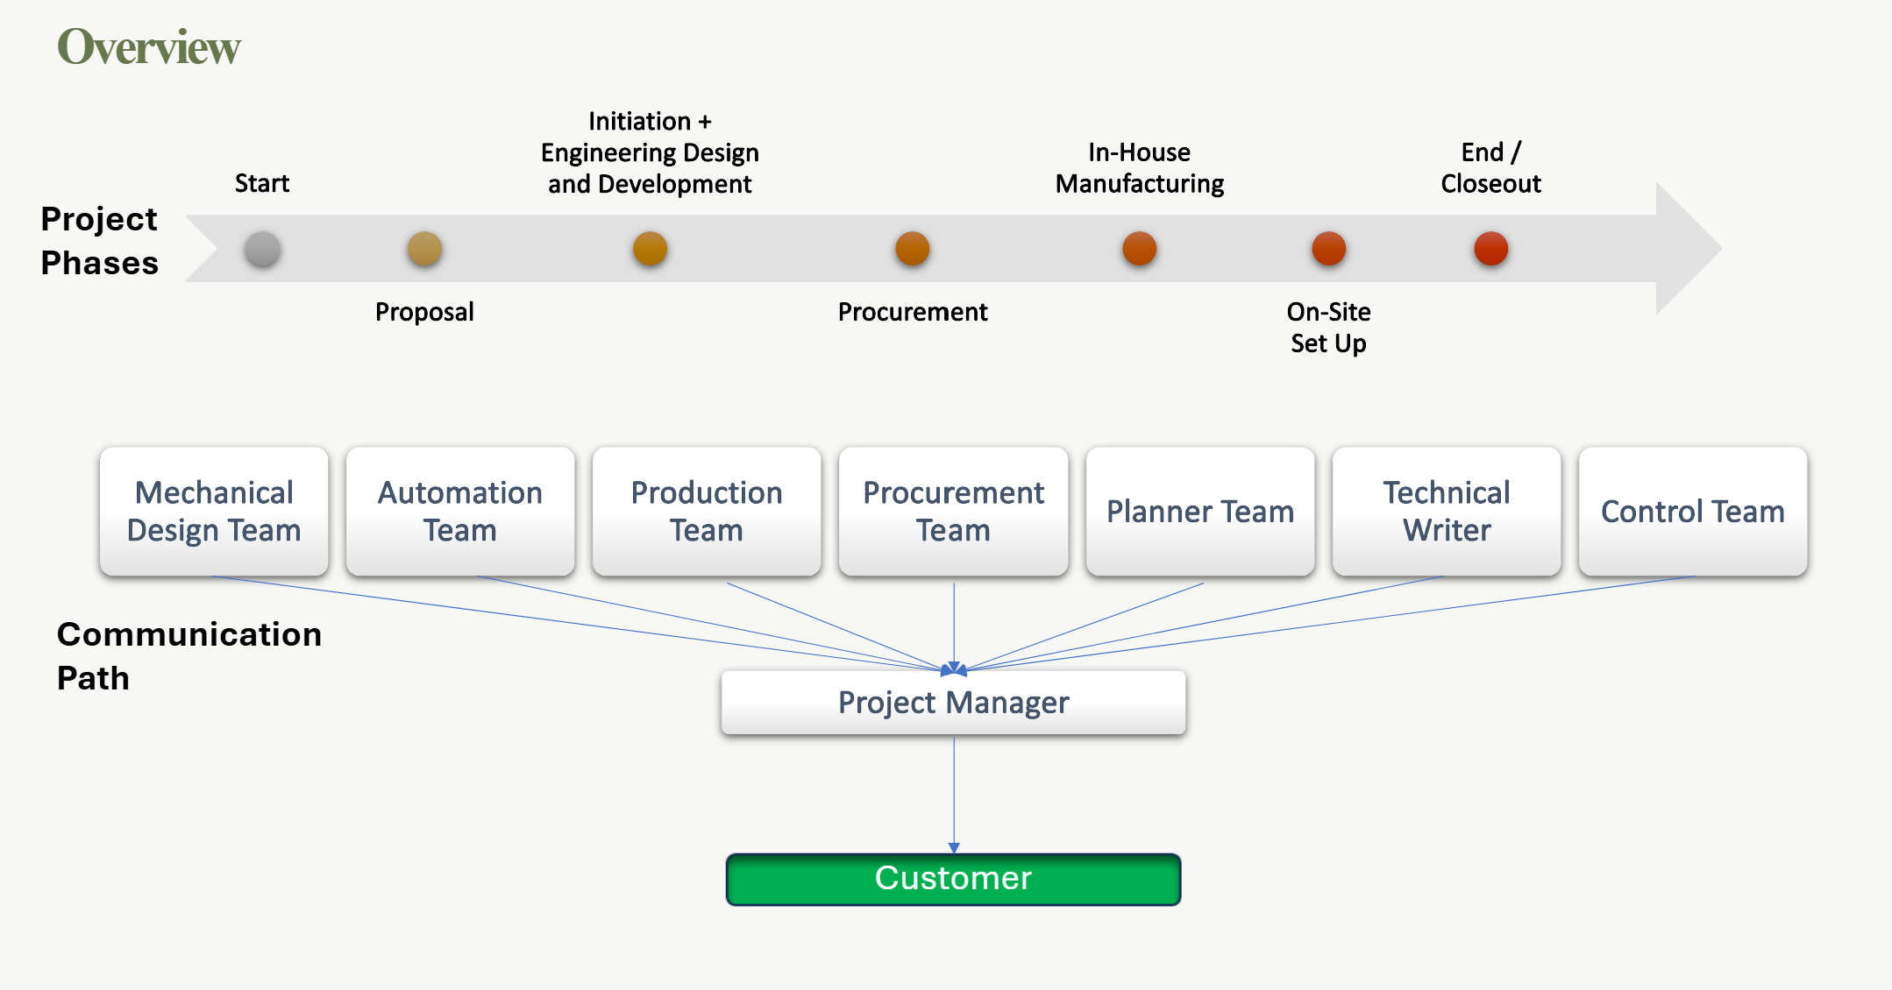
 | - OK2 Fab Process
 | - OK2 Ship Process
 | - Weekly Status Updates
 | - Factory Acceptance Test
 | - Site Acceptance Test

9b. Technical Roadmap
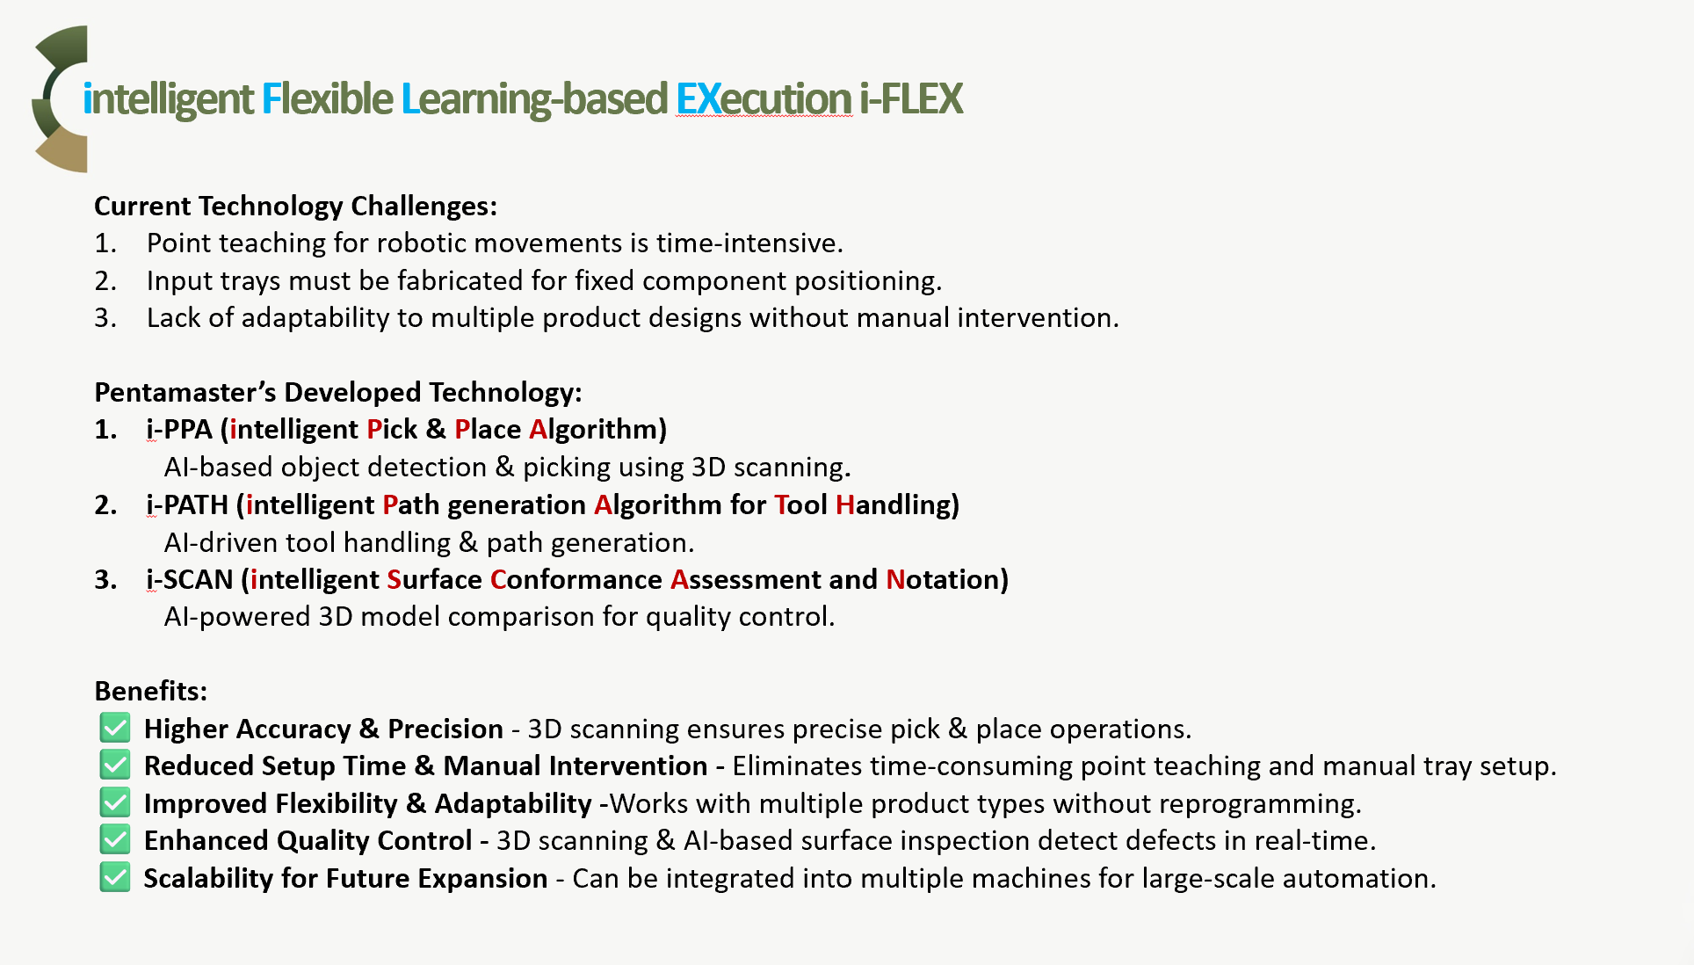
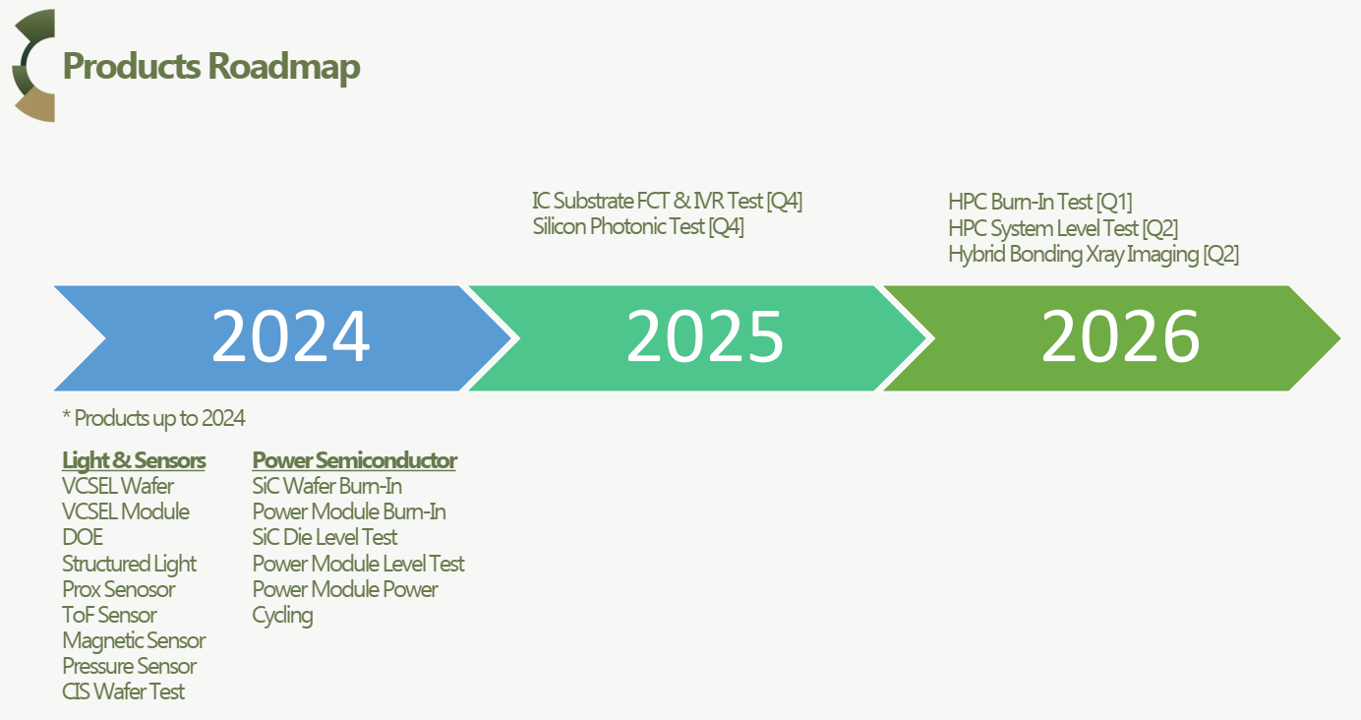


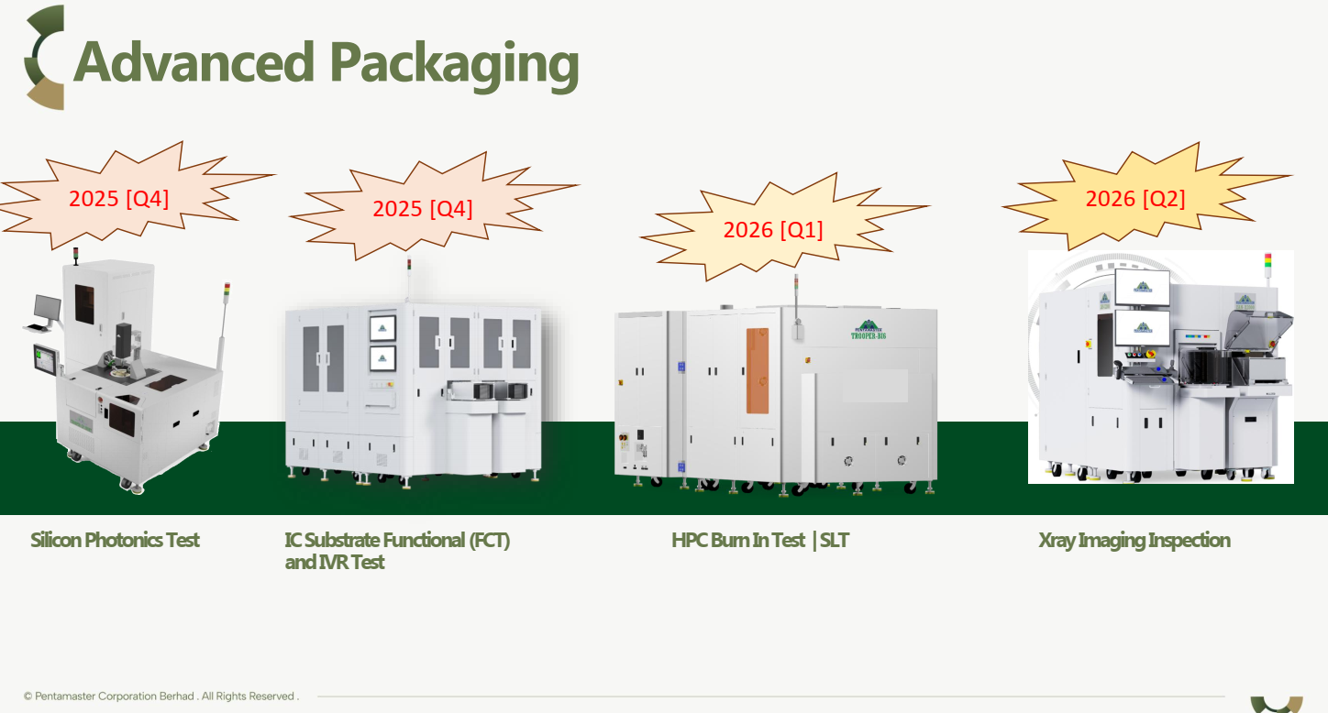

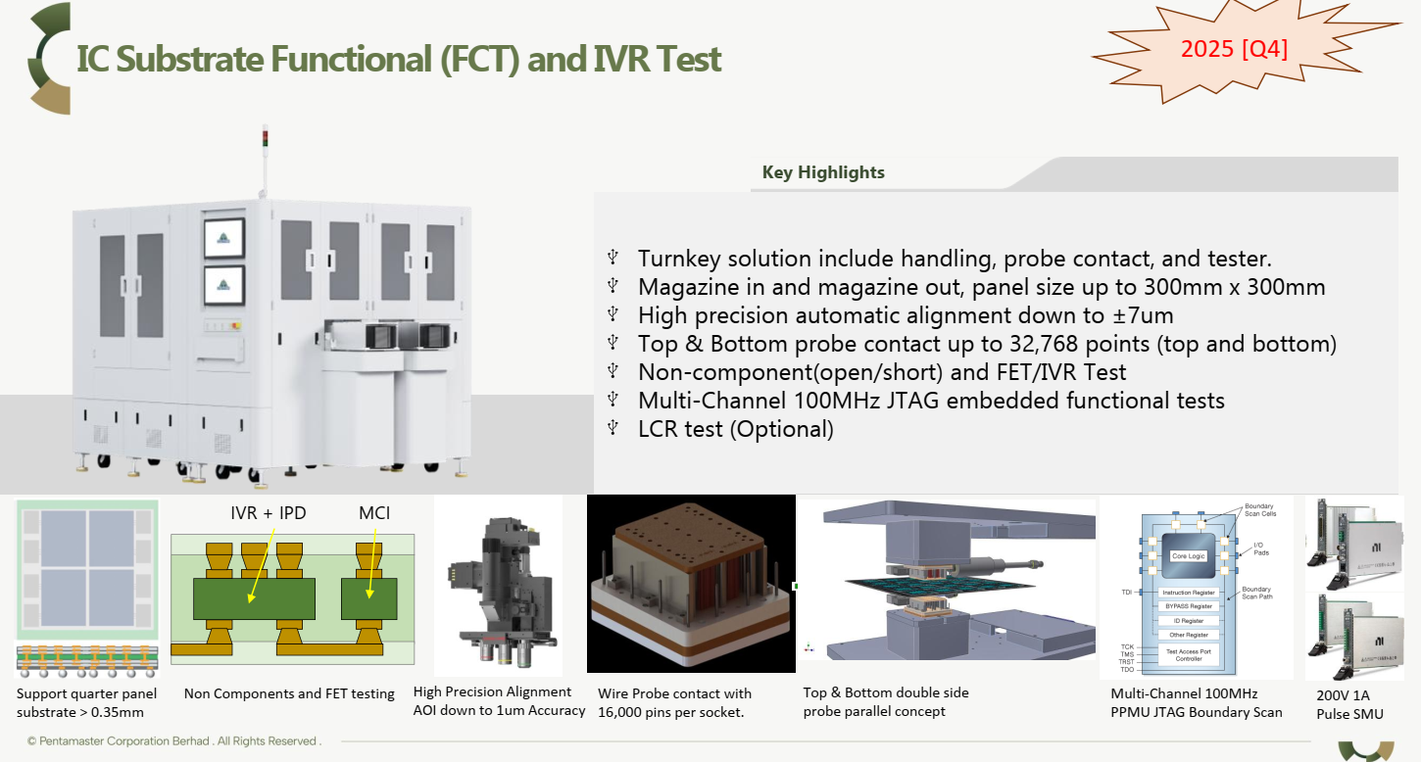
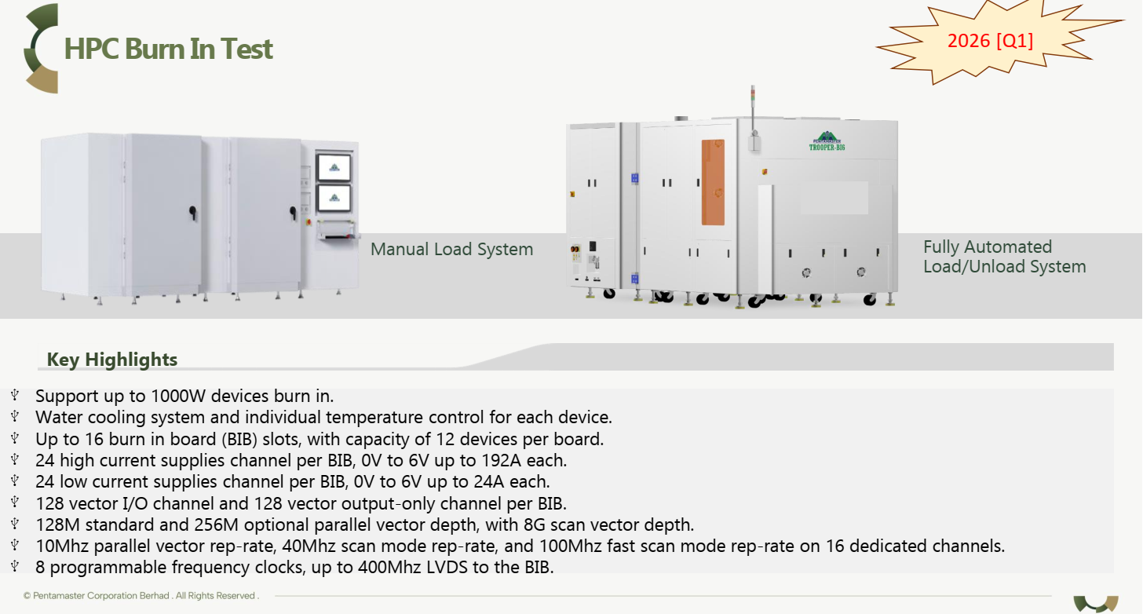
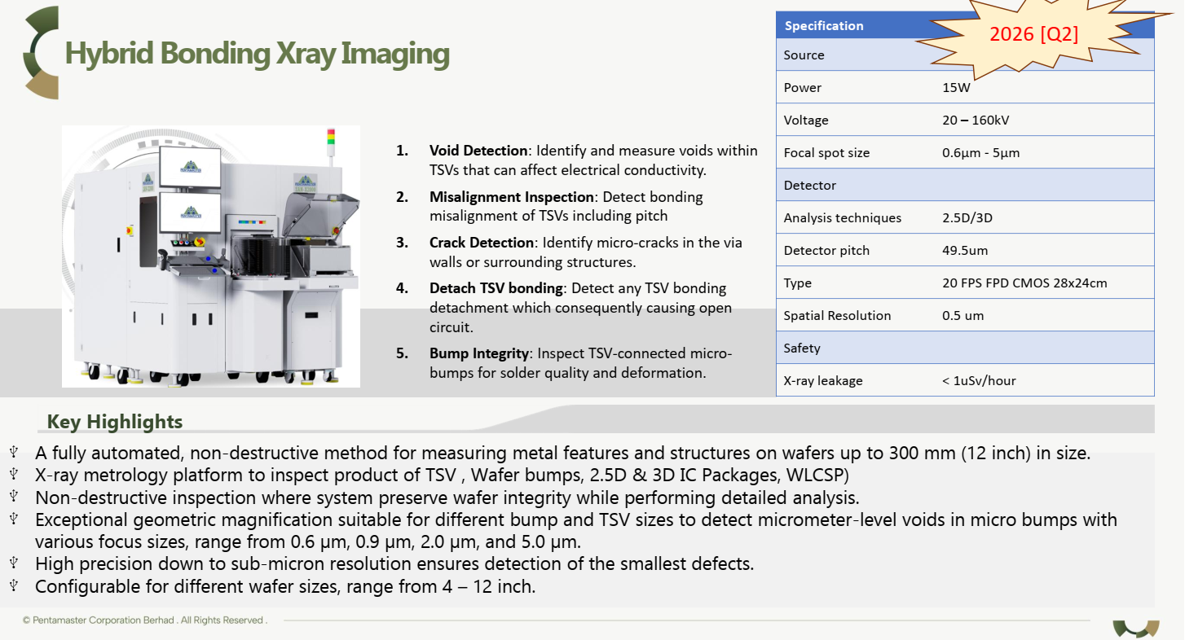
Use the blank page to detail your company's technical roadmap for apple or other customers

Quality Procedure
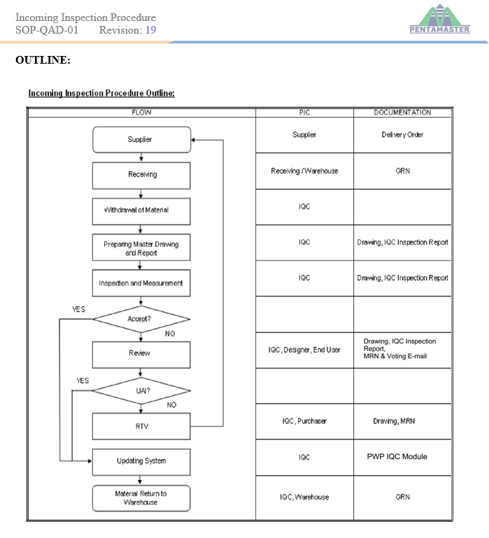

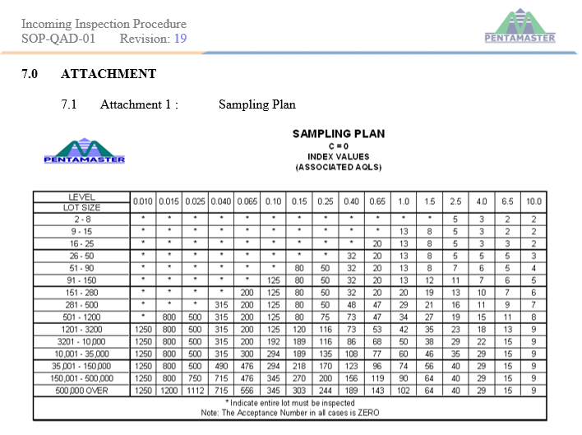

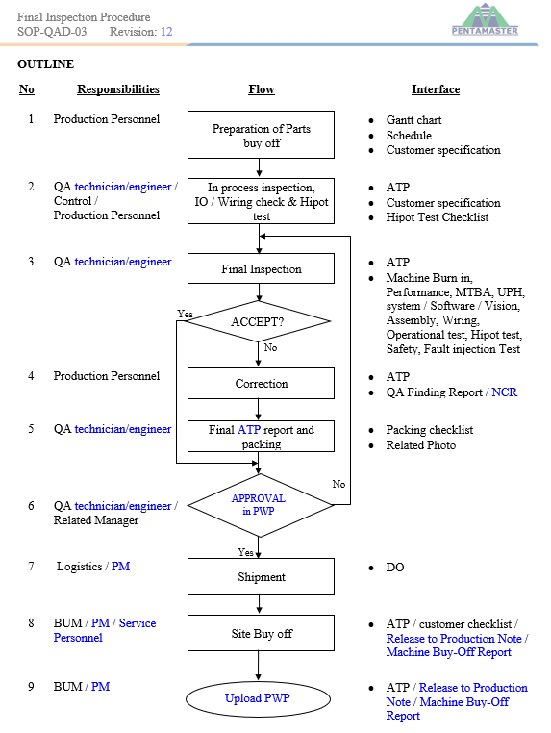

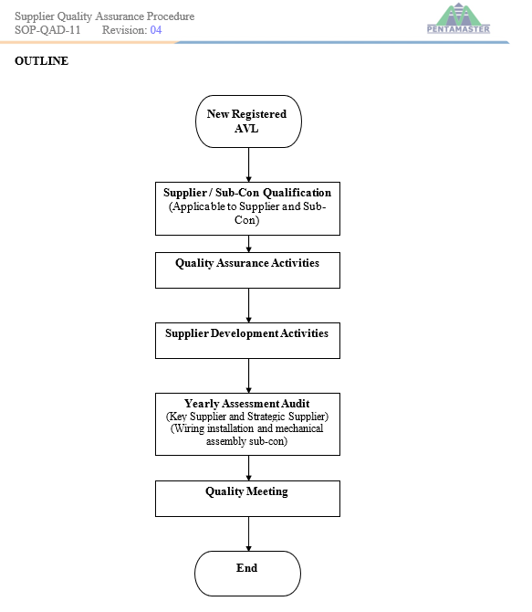

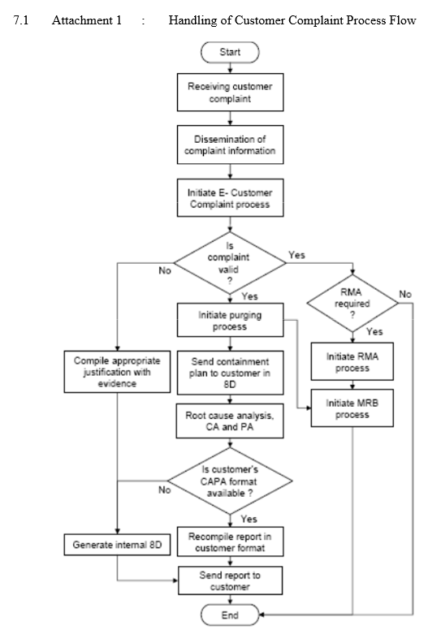

Business Process Flow
