8b. Project Management Process
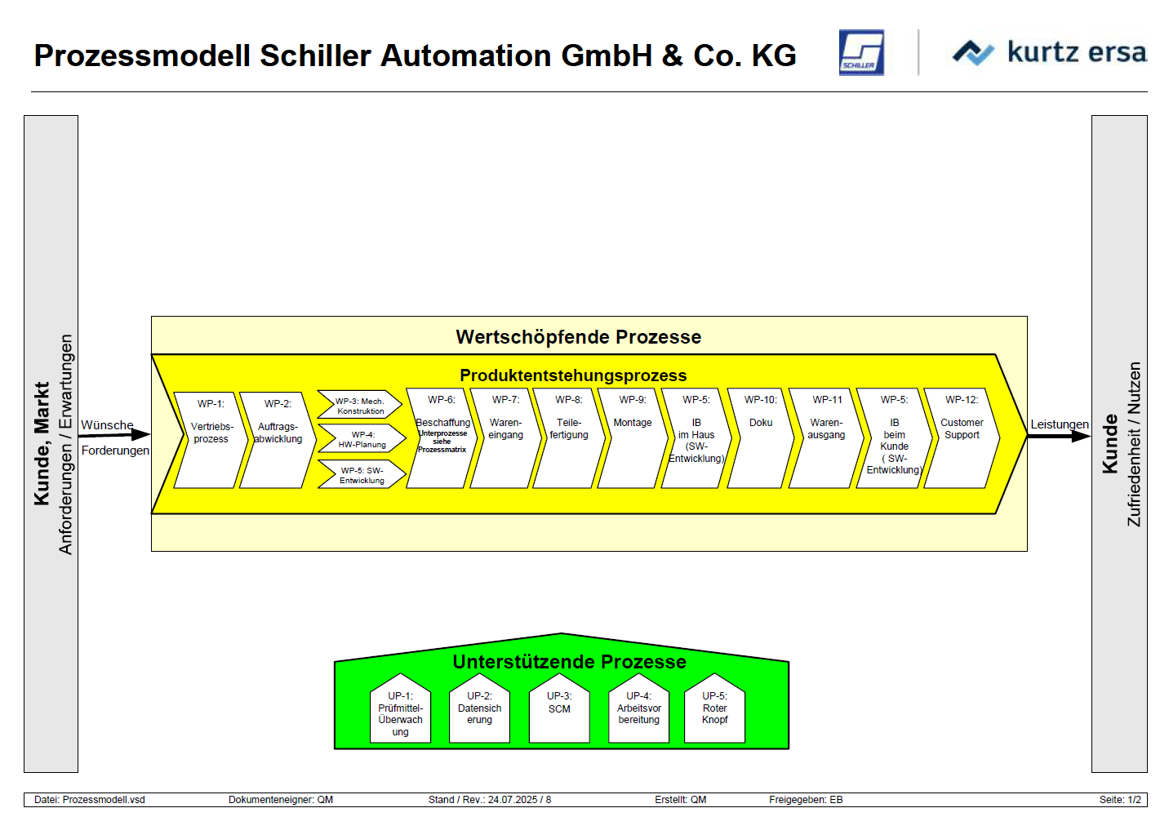
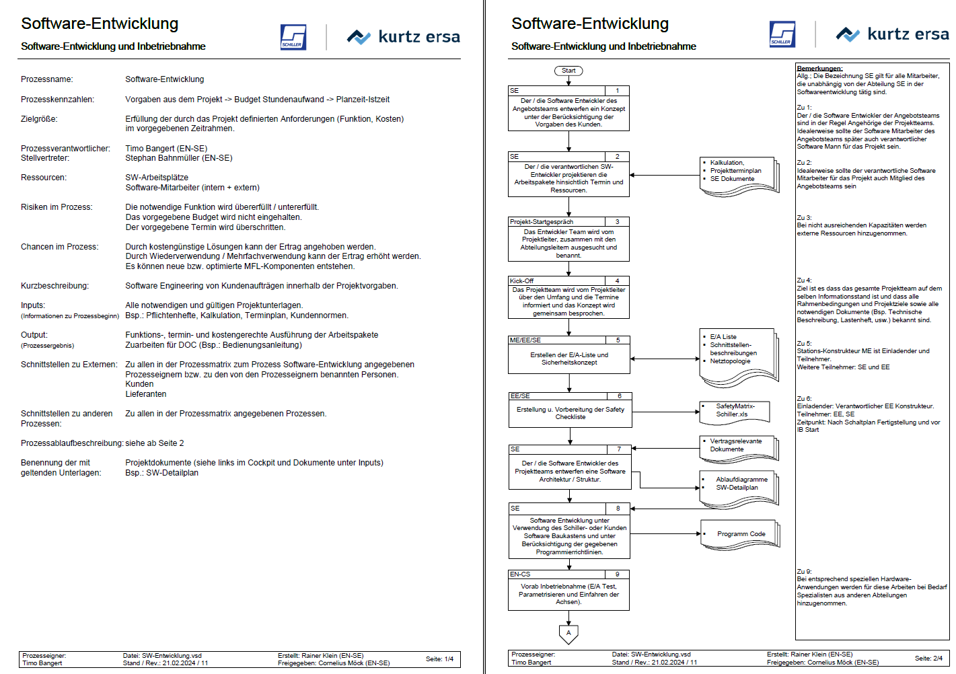
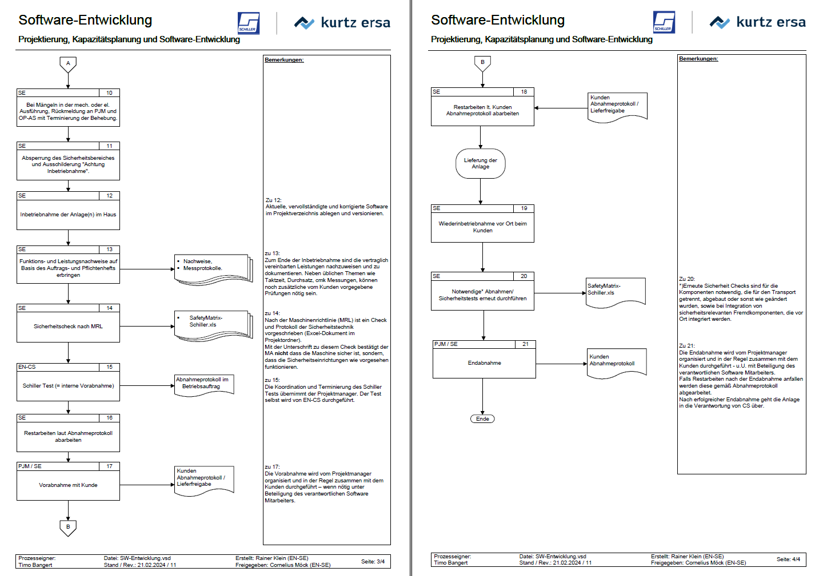
Use the blank page to detail your company's project management process. E.g. If given a new project today. List out the your internal processes from each phase the project lifecycle: Concept, Feasibility and Engineering, Execution, and Ramp/Bring up. You may chose to include things like: Process Map, Project management structure for each project / Single PM on each project, decision making process, etc.

As an engineering company we use the same process for single pojects as for development of standard units. The overall process is the first slide bellow.
For each process step we have a detailed process description as you see on slide 2 and 3.

