9b. Technical Roadmap
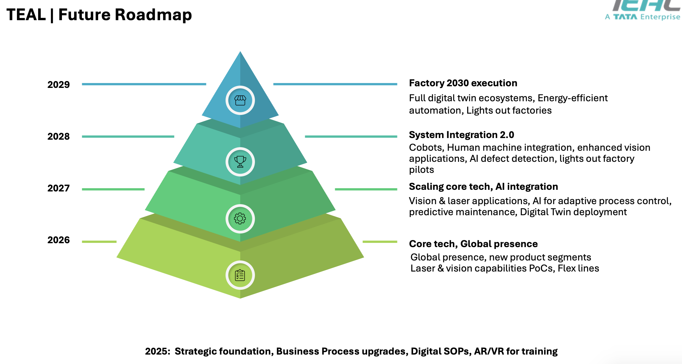
Use the blank page to detail your company's technical roadmap for apple or other customers

