8b. Project Management Process
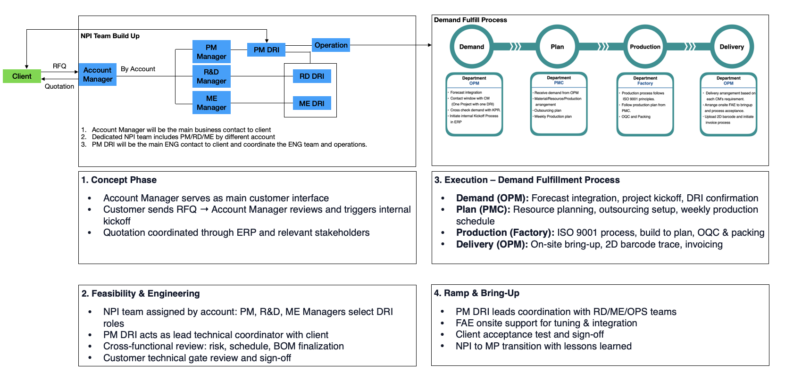
Use the blank page to detail your company's project management process. E.g. If given a new project today. List out the your internal processes from each phase the project lifecycle: Concept, Feasibility and Engineering, Execution, and Ramp/Bring up. You may chose to include things like: Process Map, Project management structure for each project / Single PM on each project, decision making process, etc.

9b. Technical Roadmap
Use the blank page to detail your company's technical roadmap for apple or other customers

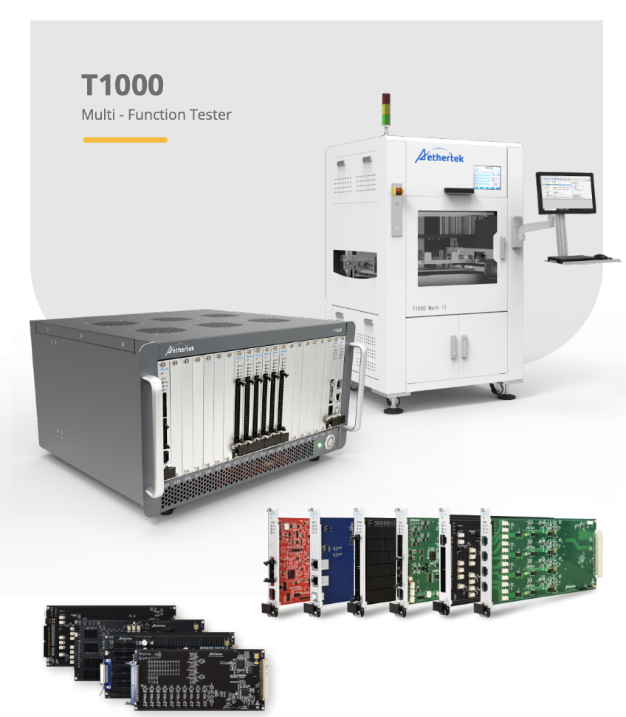
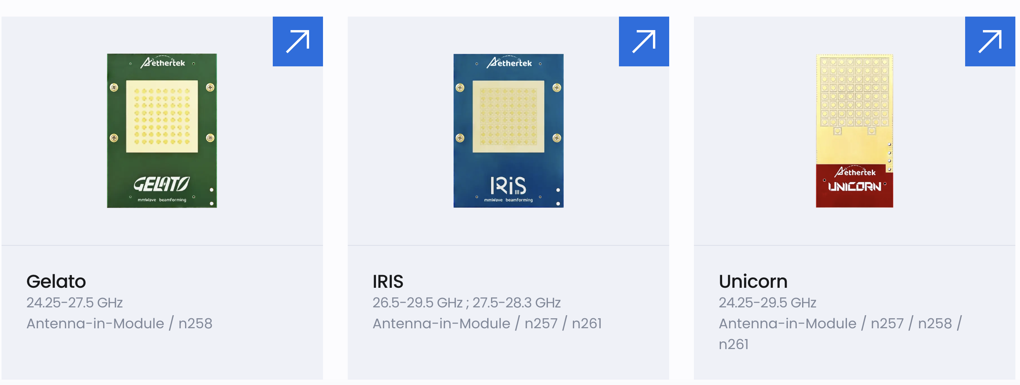
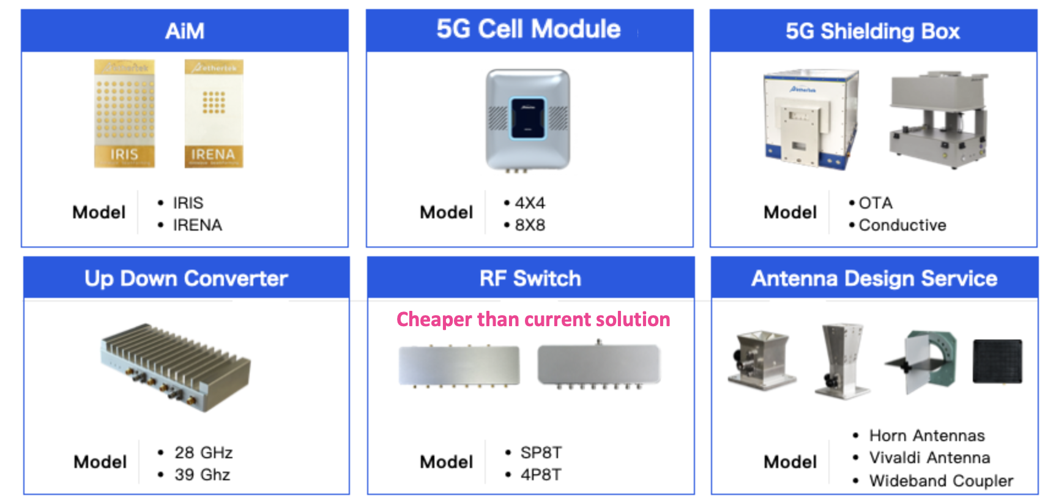
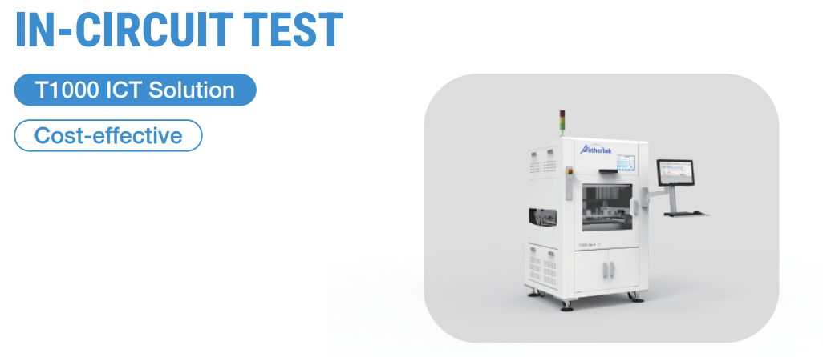
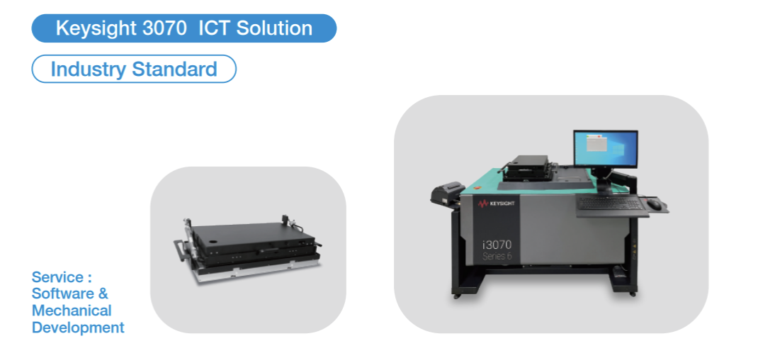
Aethertek is committed to delivering next-generation test and automation solutions, especially in the areas of high-frequency wireless communication and mmWave testing. Our technical roadmap is aligned with emerging industry demands and includes the following strategic directions:
1. Modular and Scalable Test Platforms
- We provide modular and scalable test platforms that support full customization from ICT and FCT after SMT, all the way to FATP functional testing. Our solutions are tailored to customer requirements and are designed with reusability and maintainability in mind. We also engage early in the product development stage to offer proactive test strategy recommendations, helping shorten ramp-up time and optimize yield.
2. 5G Millimeter Wave Solutions
- Continued investment in AiM (Antenna-in-Module) design and RF test systems for 5G FR2 and future 6G applications.-
- Development of high-throughput, high-frequency 5G test systems with improved shielding, signal integrity, and automation readiness.
3. Global Manufacturing & Support Expansion
- Establishment of additional engineering and support centers in Southeast Asia and India to provide localized build and rapid response.
- Flexible capacity and logistics models for regional final assembly and just-in-time delivery to reduce customer lead time.
4. Sustainability and ESG Commitment
- Prioritization of OTS (off-the-shelf) components to reduce custom parts and improve recyclability.
- Ongoing initiatives to improve power efficiency of equipment and implement greener packaging.

