8b. Project Management Process
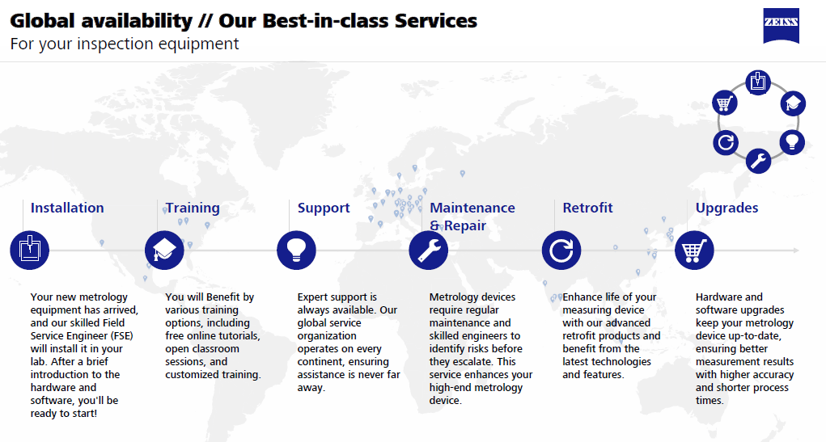
Use the blank page to detail your company's project management process. E.g. If given a new project today. List out the your internal processes from each phase the project lifecycle: Concept, Feasibility and Engineering, Execution, and Ramp/Bring up. You may chose to include things like: Process Map, Project management structure for each project / Single PM on each project, decision making process, etc.

The systems offered to Apple are off the shelf products, then, that allows to offer the best support and global availability, as described below:

9b. Technical Roadmap
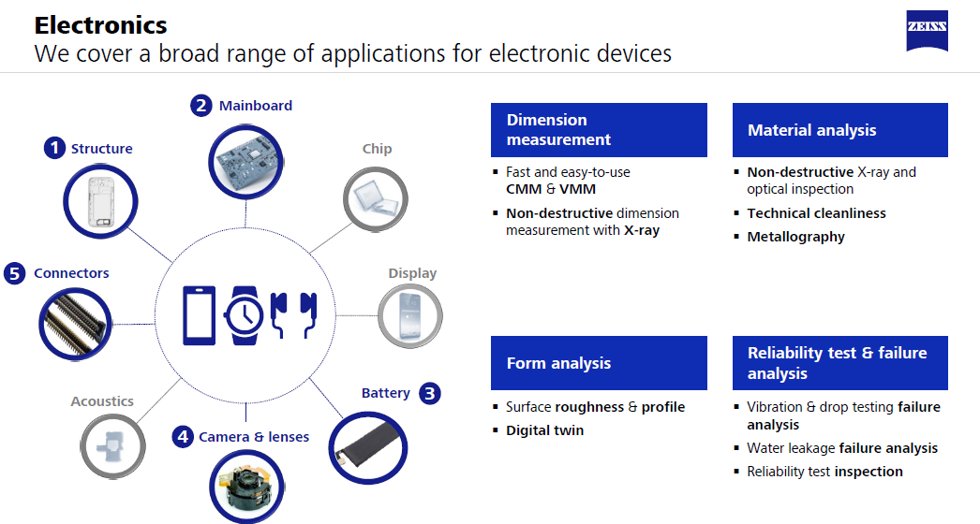
Use the blank page to detail your company's technical roadmap for apple or other customers

