Sheet2
Outpur Oriented Technological Progress(2%) in Tourism Sector in India, GCC and other MENA Nations using GTAP RD

del_tbal | 2026 | 2027 | 2028 | 2029 | 2030
1 Oceania | 2042.02 | 2083.65 | 2161.17 | 2158.77 | 2148.4
2 EastAsia | 1487.43 | 2933.53 | 4084.38 | 8082.11 | 12659.53
3 SEAsia | -2750.89 | -3157.98 | -3226.48 | -3683.14 | -4138.72
4 SouthAsia | -6777.85 | -7130.26 | -7563.42 | -8026.8 | -8496.44
5 NAmerica | -6835.34 | -6206 | -5533.06 | -5672.96 | -6074.32
6 LatinAmer | 3016.71 | 2410.4 | 1880.96 | 1075.15 | 243.41
7 WestEurope | 25777.7 | 26120.34 | 26602.23 | 26051.57 | 25258.27
8 MENA | -5356.27 | -5534.9 | -5772.19 | -6137.71 | -6554.29
9 SSA | -3193.38 | -3093.83 | -2901.97 | -2860.53 | -2867.99
10 GCC | 6399.75 | 6780.88 | 6595.65 | 6649.33 | 6693.9
11 India | -16589.58 | -18427.43 | -19994.5 | -21545.44 | -22979.04
12 RestofWorld | 2779.74 | 3221.62 | 3667.23 | 3909.57 | 4107.23

EV | 2026 | 2027 | 2028 | 2029 | 2030
1 Oceania | 57904.04 | 57031 | 53967.66 | 54009.45 | 54081.62
2 EastAsia | 539871.87 | 515479.81 | 463838.78 | 452084.56 | 440125.06
3 SEAsia | 109887.23 | 111046.71 | 115047.68 | 116382.8 | 117699.82
4 SouthAsia | 38049.07 | 40767.36 | 42929.89 | 43893.12 | 44843.55
5 NAmerica | 360223.94 | 369187.66 | 357632.88 | 352832.91 | 348104.13
6 LatinAmer | 97744.15 | 104611.46 | 109983.66 | 117237.03 | 124578.38
7 WestEurope | 260994.16 | 260006.84 | 246981.45 | 246061.72 | 245100.28
8 MENA | 97718.92 | 102157.52 | 106748.59 | 110662.55 | 114639.76
9 SSA | 61350.23 | 67107.42 | 76519.07 | 84220.94 | 91913.15
10 GCC | 61888.99 | 66525.44 | 62912.23 | 63753.44 | 64653.94
11 India | 156035.91 | 156727.06 | 159902.39 | 162434.17 | 164902.63
12 RestofWorld | 32139.6 | 35680.82 | 39365.5 | 42053.45 | 44778.2

pgdp | bs1b-br1r-pl1p-2026 | Pre bs1b-br1r-pl1p-2026 | Post bs1b-br1r-pl1p-2026 | Ch/%Ch bs1b-br1r-pl1p-2026 | bs1b-br1r-pl1p-2027 | Pre bs1b-br1r-pl1p-2027 | Post bs1b-br1r-pl1p-2027 | Ch/%Ch bs1b-br1r-pl1p-2027 | bs1b-br1r-pl1p-2028 | Pre bs1b-br1r-pl1p-2028 | Post bs1b-br1r-pl1p-2028 | Ch/%Ch bs1b-br1r-pl1p-2028 | bs1b-br1r-pl1p-2029 | Pre bs1b-br1r-pl1p-2029 | Post bs1b-br1r-pl1p-2029 | Ch/%Ch bs1b-br1r-pl1p-2029 | bs1b-br1r-pl1p-2030 | Pre bs1b-br1r-pl1p-2030 | Post bs1b-br1r-pl1p-2030 | Ch/%Ch bs1b-br1r-pl1p-2030
1 Oceania | 0.8 | 1 | 1.01 | 0.01 | 0.87 | 1 | 1.01 | 0.01 | 1.03 | 1 | 1.01 | 0.01 | 1.08 | 1 | 1.01 | 0.01 | 1.12 | 1 | 1.01 | 0.01
2 EastAsia | 0.92 | 1 | 1.01 | 0.01 | 0.94 | 1 | 1.01 | 0.01 | 1.07 | 1 | 1.01 | 0.01 | 1.04 | 1 | 1.01 | 0.01 | 1 | 1 | 1.01 | 0.01
3 SEAsia | 0.45 | 1 | 1 | 0 | 0.46 | 1 | 1 | 0 | 0.41 | 1 | 1 | 0 | 0.42 | 1 | 1 | 0 | 0.42 | 1 | 1 | 0
4 SouthAsia | 0.36 | 1 | 1 | 0 | 0.25 | 1 | 1 | 0 | 0.22 | 1 | 1 | 0 | 0.24 | 1 | 1 | 0 | 0.26 | 1 | 1 | 0
5 NAmerica | 1.12 | 1 | 1.01 | 0.01 | 1.09 | 1 | 1.01 | 0.01 | 1.14 | 1 | 1.01 | 0.01 | 1.15 | 1 | 1.01 | 0.01 | 1.16 | 1 | 1.01 | 0.01
6 LatinAmer | 1.08 | 1 | 1.01 | 0.01 | 1.07 | 1 | 1.01 | 0.01 | 1.1 | 1 | 1.01 | 0.01 | 1.1 | 1 | 1.01 | 0.01 | 1.1 | 1 | 1.01 | 0.01
7 WestEurope | 1.19 | 1 | 1.01 | 0.01 | 1.2 | 1 | 1.01 | 0.01 | 1.26 | 1 | 1.01 | 0.01 | 1.26 | 1 | 1.01 | 0.01 | 1.27 | 1 | 1.01 | 0.01
8 MENA | 0.53 | 1 | 1.01 | 0.01 | 0.47 | 1 | 1 | 0 | 0.45 | 1 | 1 | 0 | 0.43 | 1 | 1 | 0 | 0.41 | 1 | 1 | 0
9 SSA | 1.16 | 1 | 1.01 | 0.01 | 1 | 1 | 1.01 | 0.01 | 0.78 | 1 | 1.01 | 0.01 | 0.62 | 1 | 1.01 | 0.01 | 0.49 | 1 | 1 | 0
10 GCC | 0.81 | 1 | 1.01 | 0.01 | 0.7 | 1 | 1.01 | 0.01 | 0.99 | 1 | 1.01 | 0.01 | 1.04 | 1 | 1.01 | 0.01 | 1.08 | 1 | 1.01 | 0.01
11 India | 0.29 | 1 | 1 | 0 | 0.47 | 1 | 1 | 0 | 0.56 | 1 | 1.01 | 0.01 | 0.62 | 1 | 1.01 | 0.01 | 0.65 | 1 | 1.01 | 0.01
12 RestofWorld | 1.59 | 1 | 1.02 | 0.02 | 1.48 | 1 | 1.01 | 0.01 | 1.4 | 1 | 1.01 | 0.01 | 1.34 | 1 | 1.01 | 0.01 | 1.29 | 1 | 1.01 | 0.01

qgdp | bs1b-br1r-pl1p-2026 | Pre bs1b-br1r-pl1p-2026 | Post bs1b-br1r-pl1p-2026 | Ch/%Ch bs1b-br1r-pl1p-2026 | bs1b-br1r-pl1p-2027 | Pre bs1b-br1r-pl1p-2027 | Post bs1b-br1r-pl1p-2027 | Ch/%Ch bs1b-br1r-pl1p-2027 | bs1b-br1r-pl1p-2028 | Pre bs1b-br1r-pl1p-2028 | Post bs1b-br1r-pl1p-2028 | Ch/%Ch bs1b-br1r-pl1p-2028 | bs1b-br1r-pl1p-2029 | Pre bs1b-br1r-pl1p-2029 | Post bs1b-br1r-pl1p-2029 | Ch/%Ch bs1b-br1r-pl1p-2029 | bs1b-br1r-pl1p-2030 | Pre bs1b-br1r-pl1p-2030 | Post bs1b-br1r-pl1p-2030 | Ch/%Ch bs1b-br1r-pl1p-2030
1 Oceania | 4.11 | 1590400.13 | 1655824.88 | 65424.75 | 3.87 | 1669021 | 1733690.13 | 64669.13 | 3.53 | 1748811.38 | 1810504.25 | 61692.88 | 3.38 | 1829162 | 1890968.5 | 61806.5 | 3.24 | 1911368.25 | 1973315.63 | 61947.38
2 EastAsia | 3.67 | 19888632 | 20618018 | 729386 | 3.43 | 20806784 | 21519622 | 712838 | 3.07 | 21722738 | 22390138 | 667400 | 2.94 | 22629142 | 23293708 | 664566 | 2.81 | 23535192 | 24196594 | 661402
3 SEAsia | 4.9 | 2788853.25 | 2925376 | 136522.75 | 4.74 | 2938594.25 | 3077845.25 | 139251 | 4.72 | 3091936 | 3237856.75 | 145920.75 | 4.58 | 3251136.5 | 3399903 | 148766.5 | 4.44 | 3414135 | 3565776.75 | 151641.75
4 SouthAsia | 5.72 | 775461.13 | 819784.94 | 44323.81 | 5.8 | 822766.13 | 870481.56 | 47715.44 | 5.79 | 872653.94 | 923205.31 | 50551.38 | 5.62 | 925260.25 | 977296.06 | 52035.81 | 5.47 | 979679.06 | 1033219.31 | 53540.25
5 NAmerica | 2.06 | 22328060 | 22787182 | 459122 | 2.04 | 23042236 | 23513414 | 471178 | 1.95 | 23770184 | 24232602 | 462418 | 1.88 | 24509196 | 24968866 | 459670 | 1.81 | 25255394 | 25712304 | 456910
6 LatinAmer | 2.35 | 4648861 | 4757950 | 109089 | 2.42 | 4809245 | 4925434 | 116189 | 2.45 | 4978093.5 | 5100101 | 122007.5 | 2.51 | 5156241 | 5285781.5 | 129540.5 | 2.57 | 5343848 | 5481065.5 | 137217.5
7 WestEurope | 1.8 | 18645784 | 18980764 | 334980 | 1.74 | 19207378 | 19542458 | 335080 | 1.63 | 19776078 | 20098952 | 322874 | 1.59 | 20352314 | 20675330 | 323016 | 1.54 | 20936460 | 21259566 | 323106
8 MENA | 4.39 | 2661504.5 | 2778333 | 116828.5 | 4.38 | 2792946.75 | 2915274 | 122327.25 | 4.38 | 2929117.25 | 3057443.5 | 128326.25 | 4.34 | 3071157.25 | 3204423 | 133265.75 | 4.3 | 3218139.75 | 3356432 | 138292.25
9 SSA | 4.12 | 1708921.25 | 1779248.63 | 70327.38 | 4.28 | 1799900.25 | 1876878.75 | 76978.5 | 4.63 | 1895681.25 | 1983430.25 | 87749 | 4.82 | 1998895.63 | 2095341.25 | 96445.62 | 4.99 | 2108405.5 | 2213524.5 | 105119
10 GCC | 4.75 | 1472332.5 | 1542292.63 | 69960.13 | 4.83 | 1554806.5 | 1629882.75 | 75076.25 | 4.35 | 1641331.75 | 1712744.88 | 71413.13 | 4.19 | 1729616.25 | 1802000.75 | 72384.5 | 4.03 | 1820655.75 | 1894073.88 | 73418.13
11 India | 6.92 | 2651476.25 | 2835077.5 | 183601.25 | 6.53 | 2843330.75 | 3029101.5 | 185770.75 | 6.28 | 3043243.5 | 3234341.25 | 191097.75 | 6.02 | 3252584 | 3448409.25 | 195825.25 | 5.78 | 3469669 | 3670364.5 | 200695.5
12 RestofWorld | 1.87 | 2233796 | 2275538 | 41742 | 1.98 | 2311729.5 | 2357482.25 | 45752.75 | 2.09 | 2392299.5 | 2442333.5 | 50034 | 2.14 | 2476641.75 | 2529697 | 53055.25 | 2.19 | 2563717.75 | 2619820.75 | 56103

qo | 1 Oceania | 2 EastAsia | 3 SEAsia | 4 SouthAsia | 5 NAmerica | 6 LatinAmer | 7 WestEurope | 8 MENA | 9 SSA | 10 GCC | 11 India | 12 RestofWorld
1 GrainsCrops | 2.81 | 1.55 | 2.44 | 3.32 | 1.8 | 1.83 | 0.9 | 2.42 | 3.67 | 1.44 | 2.95 | 1.4
2 MeatLstk | 2.66 | 1.88 | 3.28 | 3.9 | 1.59 | 2.09 | 1.18 | 3.03 | 4.24 | 2.58 | 3.8 | 1.42
3 Extraction | 3.7 | 2.6 | 4.53 | 5.46 | 2.48 | 2.67 | 2.18 | 3.96 | 4.84 | 3.35 | 5.08 | 2.28
4 ProcFood | 2.57 | 1.82 | 2.97 | 4.02 | 1.57 | 1.98 | 1.23 | 3.1 | 4.41 | 2.59 | 3.34 | 1.44
5 TextWapp | 2.89 | 2.09 | 3.81 | 4.27 | 1.02 | 2.01 | 0.84 | 3.37 | 5.01 | 2.38 | 3.6 | 0.91
6 LightMnfc | 3.11 | 3.11 | 5.05 | 6.63 | 1.89 | 2.58 | 1.66 | 4.33 | 5.88 | 3.92 | 5.99 | 2.04
7 HeavyMnfc | 2.74 | 3.18 | 5.14 | 6.84 | 2.18 | 2.38 | 1.66 | 4.15 | 5.66 | 4.51 | 5.99 | 1.91
8 Util_Cons | 3.49 | 3.55 | 5.35 | 7.03 | 2.3 | 2.64 | 1.92 | 4.53 | 5.68 | 4.33 | 6.64 | 2.53
9 TransComm | 3.31 | 2.87 | 4.63 | 5.62 | 1.84 | 2.62 | 1.58 | 4.11 | 5.29 | 4.27 | 5.56 | 2.25
10 Tourism | 3.13 | 2.74 | 4.6 | 5.83 | 1.76 | 2.63 | 1.51 | 5.09 | 5.14 | 4.93 | 6.68 | 2.28
11 OthServices | 3.2 | 2.67 | 4.39 | 6 | 1.71 | 2.71 | 1.48 | 3.88 | 5.31 | 3.82 | 5.93 | 2.17

qva | 1 Oceania | 2 EastAsia | 3 SEAsia | 4 SouthAsia | 5 NAmerica | 6 LatinAmer | 7 WestEurope | 8 MENA | 9 SSA | 10 GCC | 11 India | 12 RestofWorld
1 GrainsCrops | 2.81 | 1.55 | 2.44 | 3.32 | 1.8 | 1.83 | 0.9 | 2.42 | 3.67 | 1.44 | 2.95 | 1.4
2 MeatLstk | 2.66 | 1.88 | 3.28 | 3.9 | 1.59 | 2.09 | 1.18 | 3.03 | 4.24 | 2.58 | 3.8 | 1.42
3 Extraction | 3.7 | 2.6 | 4.53 | 5.46 | 2.48 | 2.67 | 2.18 | 3.96 | 4.84 | 3.35 | 5.08 | 2.28
4 ProcFood | 2.57 | 1.82 | 2.97 | 4.02 | 1.57 | 1.98 | 1.23 | 3.1 | 4.41 | 2.59 | 3.34 | 1.44
5 TextWapp | 2.89 | 2.09 | 3.81 | 4.27 | 1.02 | 2.01 | 0.84 | 3.37 | 5.01 | 2.38 | 3.6 | 0.91
6 LightMnfc | 3.11 | 3.11 | 5.05 | 6.63 | 1.89 | 2.58 | 1.66 | 4.33 | 5.88 | 3.92 | 5.99 | 2.04
7 HeavyMnfc | 2.74 | 3.18 | 5.14 | 6.84 | 2.18 | 2.38 | 1.66 | 4.15 | 5.66 | 4.51 | 5.99 | 1.91
8 Util_Cons | 3.49 | 3.55 | 5.35 | 7.03 | 2.3 | 2.64 | 1.92 | 4.53 | 5.68 | 4.33 | 6.64 | 2.53
9 TransComm | 3.31 | 2.87 | 4.63 | 5.62 | 1.84 | 2.62 | 1.58 | 4.11 | 5.29 | 4.27 | 5.56 | 2.25
10 Tourism | 3.13 | 2.74 | 4.6 | 5.83 | 1.76 | 2.63 | 1.51 | 3.03 | 5.14 | 2.87 | 4.59 | 2.28
11 OthServices | 3.2 | 2.67 | 4.39 | 6 | 1.71 | 2.71 | 1.48 | 3.88 | 5.31 | 3.82 | 5.93 | 2.17

vgdp | 2026 | 2027 | 2028 | 2029 | 2030
1 Oceania | 4.94 | 4.78 | 4.59 | 4.49 | 4.4
2 EastAsia | 4.62 | 4.4 | 4.17 | 4 | 3.84
3 SEAsia | 5.37 | 5.22 | 5.15 | 5.01 | 4.89
4 SouthAsia | 6.1 | 6.06 | 6.03 | 5.88 | 5.74
5 NAmerica | 3.2 | 3.16 | 3.11 | 3.04 | 2.99
6 LatinAmer | 3.45 | 3.51 | 3.58 | 3.64 | 3.69
7 WestEurope | 3.01 | 2.96 | 2.91 | 2.87 | 2.83
8 MENA | 4.94 | 4.88 | 4.85 | 4.79 | 4.73
9 SSA | 5.32 | 5.32 | 5.44 | 5.48 | 5.5
10 GCC | 5.6 | 5.57 | 5.38 | 5.26 | 5.16
11 India | 7.24 | 7.03 | 6.88 | 6.67 | 6.47
12 RestofWorld | 3.49 | 3.49 | 3.53 | 3.52 | 3.51

 | EV

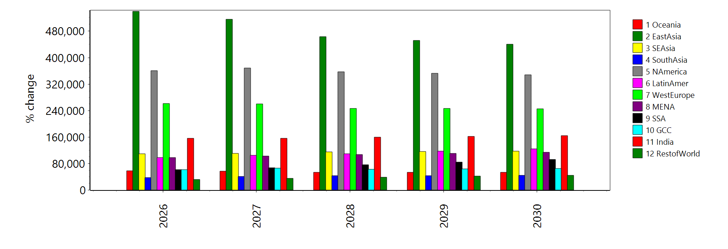

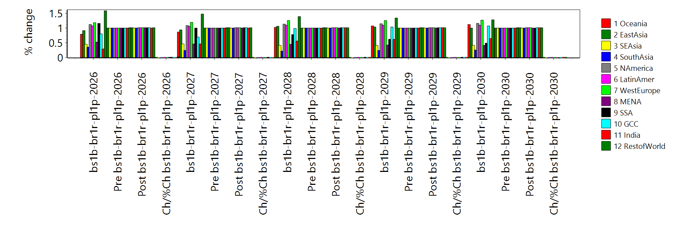
 | PGDP

QGDP

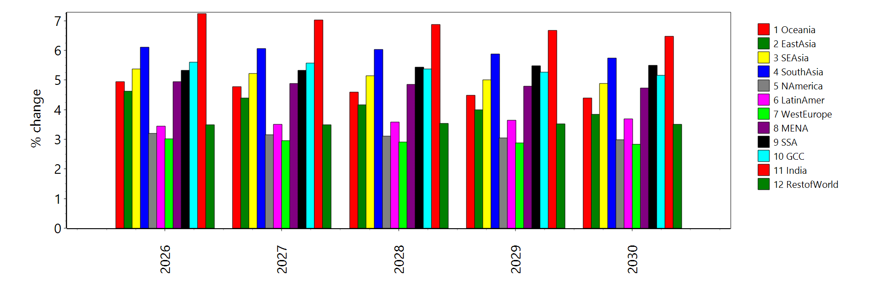
VGDP

