MIN, MAX, AVG
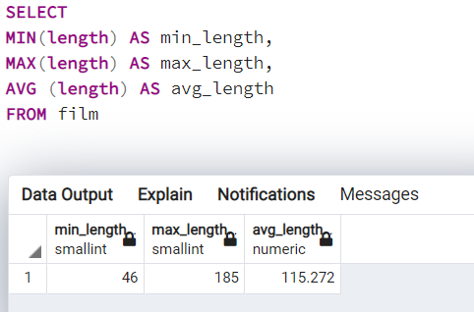
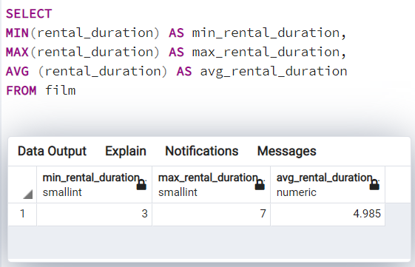
min_length | max_length | average_length
46 | 185 | 115.272

min_rent | max_rent | average_rent
0.99 | 4.99 | 2.98

min_rental_duration | max_rental_duration | average_rental_duration
3 | 7 | 4.985
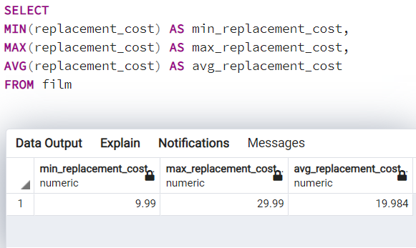
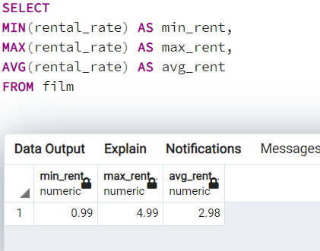
min_replacement_cost | max_replacement_cost | average_replacement_cost
9.99 | 29.99 | 19.984

Country cust
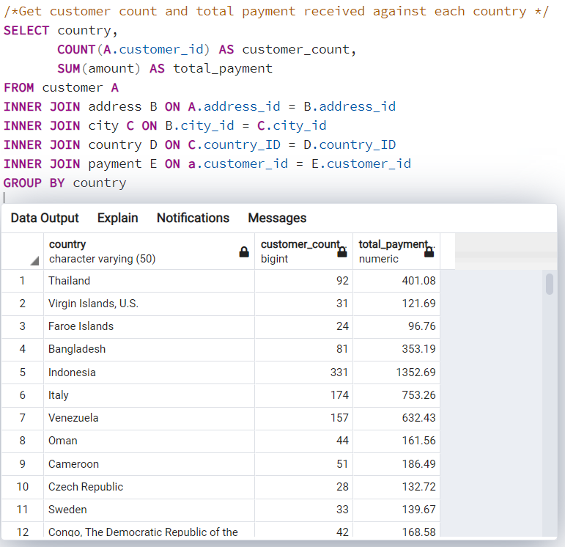
country | customer_count | total_payment
Thailand | 92 | 401.08
Virgin Islands, U.S. | 31 | 121.69
Faroe Islands | 24 | 96.76
Bangladesh | 81 | 353.19
Indonesia | 331 | 1352.69
Italy | 174 | 753.26
Venezuela | 157 | 632.43
Oman | 44 | 161.56
Cameroon | 51 | 186.49
Czech Republic | 28 | 132.72
Sweden | 33 | 139.67
Congo, The Democratic Republic of the | 42 | 168.58
United Kingdom | 204 | 850.96
Dominican Republic | 74 | 304.26
Cambodia | 49 | 179.51
Germany | 176 | 741.24
American Samoa | 15 | 47.85
Canada | 130 | 559.7
Sri Lanka | 27 | 103.73
Brunei | 34 | 107.66
Finland | 21 | 78.79
South Korea | 123 | 527.77
Anguilla | 32 | 99.68
Colombia | 146 | 661.54
Saint Vincent and the Grenadines | 18 | 64.82
Runion | 45 | 211.55
Saudi Arabia | 106 | 452.94
Ukraine | 147 | 675.53
Argentina | 320 | 1298.8
Liechtenstein | 26 | 99.74
Latvia | 57 | 249.43
North Korea | 29 | 107.71
Azerbaijan | 47 | 198.53
Holy See (Vatican City State) | 32 | 146.68
Greece | 46 | 204.54
Egypt | 152 | 659.48
Afghanistan | 18 | 67.82
Chad | 28 | 122.72
Puerto Rico | 52 | 224.48
India | 1422 | 6034.78
Iran | 204 | 877.96
French Polynesia | 48 | 205.52
Chile | 66 | 303.34
Algeria | 82 | 349.18
Gambia | 27 | 114.73
France | 88 | 334.12
Estonia | 28 | 105.72
Vietnam | 155 | 676.45
Slovakia | 23 | 80.77
Israel | 87 | 379.13
South Africa | 254 | 1069.46
Peru | 99 | 407.01
Nauru | 30 | 143.7
Malaysia | 77 | 330.23
Senegal | 24 | 95.76
Kenya | 51 | 245.49
Kazakstan | 49 | 192.51
Zambia | 30 | 121.7
Hong Kong | 24 | 104.76
Kuwait | 25 | 106.75
Madagascar | 21 | 92.79
Yugoslavia | 51 | 233.49
Japan | 749 | 3122.51
Philippines | 530 | 2219.7
Tuvalu | 22 | 93.78
United States | 869 | 3685.31
Iraq | 27 | 111.73
Turkey | 351 | 1498.49
Nigeria | 308 | 1314.92
Mozambique | 75 | 315.25
Switzerland | 59 | 248.41
New Zealand | 23 | 85.77
Ecuador | 82 | 369.18
Hungary | 29 | 111.71
China | 1297 | 5251.03
Armenia | 25 | 118.75
Belarus | 64 | 271.36
Pakistan | 116 | 473.84
Russian Federation | 638 | 2765.62
Netherlands | 127 | 557.73
Romania | 58 | 218.42
Paraguay | 60 | 273.4
Brazil | 681 | 2919.19
Austria | 70 | 284.3
Bolivia | 44 | 178.56
Ethiopia | 23 | 91.77
Angola | 45 | 187.55
Bahrain | 24 | 108.76
Yemen | 107 | 473.93
Lithuania | 22 | 63.78
Bulgaria | 48 | 194.52
Spain | 120 | 513.8
Turkmenistan | 26 | 126.74
Tunisia | 22 | 73.78
Sudan | 49 | 202.51
United Arab Emirates | 75 | 305.25
Malawi | 27 | 121.73
Morocco | 65 | 274.35
Moldova | 34 | 127.66
Myanmar | 47 | 179.53
Mexico | 718 | 2984.82
Nepal | 17 | 93.83
Tonga | 16 | 64.84
Tanzania | 78 | 322.22
Poland | 184 | 786.16
Taiwan | 290 | 1155.1
French Guiana | 20 | 97.8
Greenland | 28 | 119.72

top 5 customer
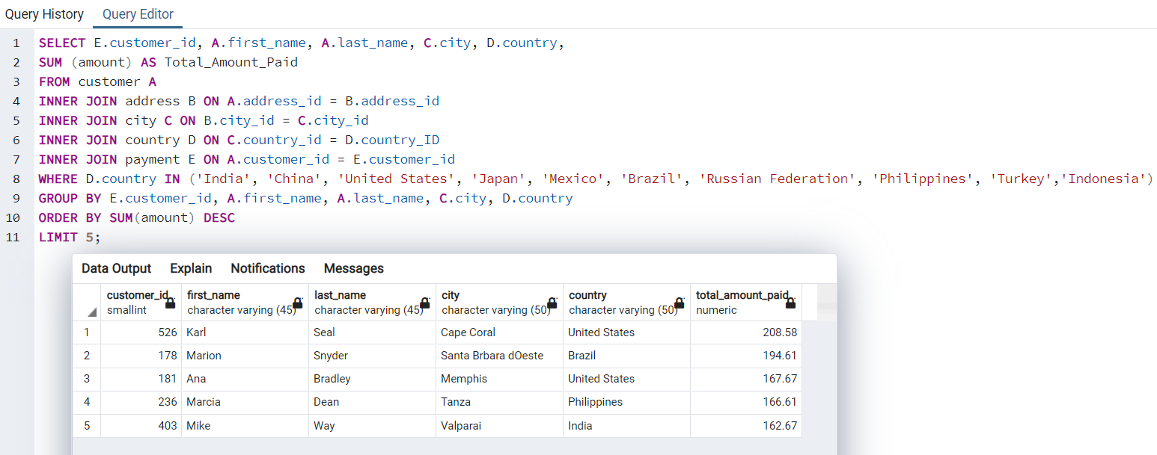
customer_id | first_name | last_name | city | country | total_amount_paid
526 | Karl | Seal | Cape Coral | United States | 208.58
178 | Marion | Snyder | Santa Brbara dOeste | Brazil | 194.61
181 | Ana | Bradley | Memphis | United States | 167.67
236 | Marcia | Dean | Tanza | Philippines | 166.61
403 | Mike | Way | Valparai | India | 162.67

Top 10 countries
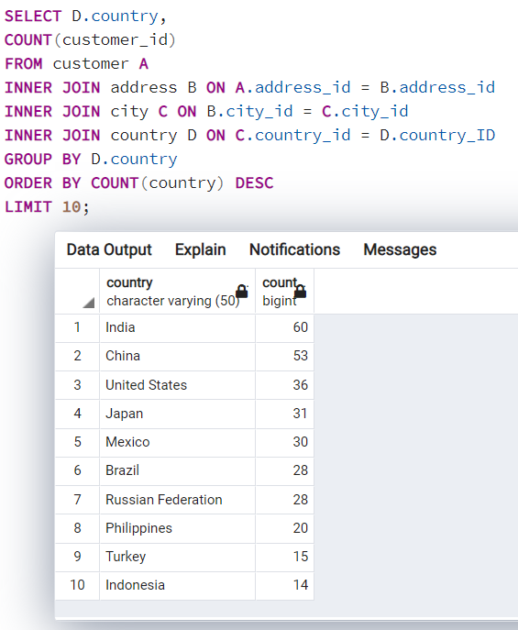
country | count
India | 60
China | 53
United States | 36
Japan | 31
Mexico | 30
Brazil | 28
Russian Federation | 28
Philippines | 20
Turkey | 15
Indonesia | 14

Top 10 cities
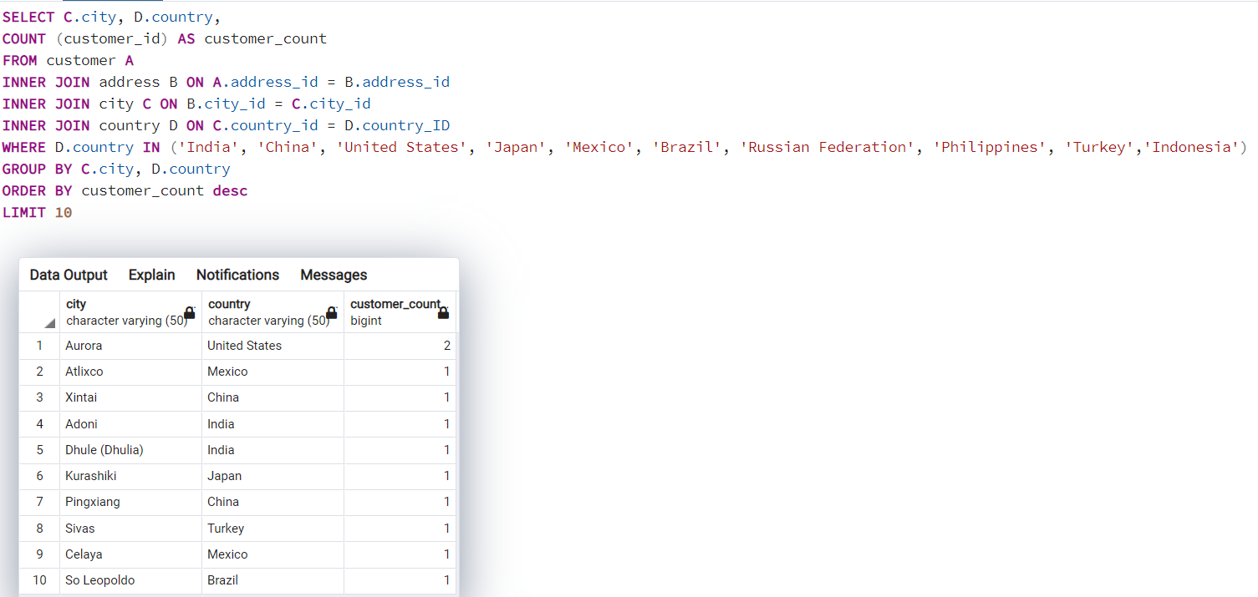
city | country | customer_count
Aurora | United States | 2
Atlixco | Mexico | 1
Xintai | China | 1
Adoni | India | 1
Dhule (Dhulia) | India | 1
Kurashiki | Japan | 1
Pingxiang | China | 1
Sivas | Turkey | 1
Celaya | Mexico | 1
So Leopoldo | Brazil | 1

Top 10 cities and revenue
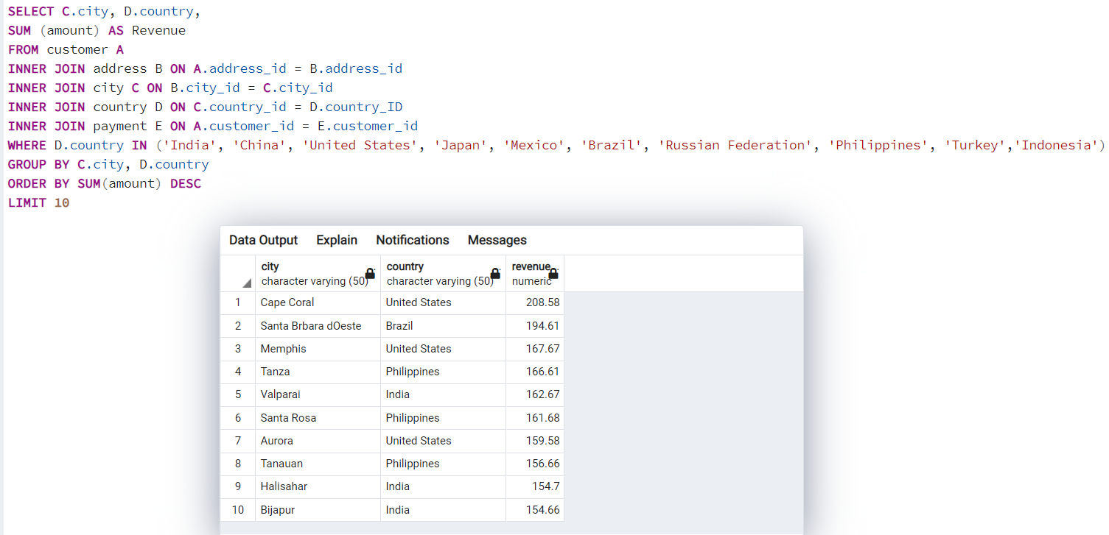
city | country | revenue
Cape Coral | United States | 208.58
Santa Brbara dOeste | Brazil | 194.61
Memphis | United States | 167.67
Tanza | Philippines | 166.61
Valparai | India | 162.67
Santa Rosa | Philippines | 161.68
Aurora | United States | 159.58
Tanauan | Philippines | 156.66
Halisahar | India | 154.7
Bijapur | India | 154.66

Genre and Ave Rental Duration
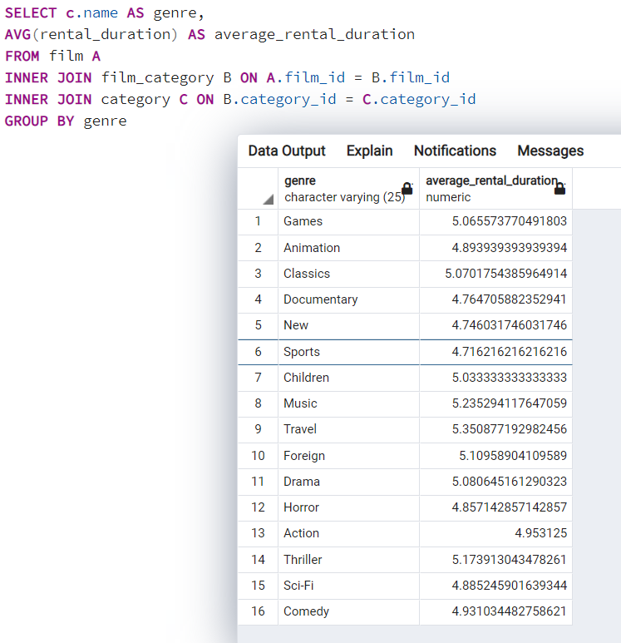
genre | average_rental_duration | average_rental_duration (days)
Travel | 5.350877193 | 5
Music | 5.2352941176 | 5
Thriller | 5.1739130435 | 5
Foreign | 5.1095890411 | 5
Drama | 5.0806451613 | 5
Classics | 5.0701754386 | 5
Games | 5.0655737705 | 5
Children | 5.0333333333 | 5
Action | 4.953125 | 5
Comedy | 4.9310344828 | 5
Animation | 4.8939393939 | 5
Sci-Fi | 4.8852459016 | 5
Horror | 4.8571428571 | 5
Documentary | 4.7647058824 | 5
New | 4.746031746 | 5
Sports | 4.7162162162 | 5

Top 10 genres, title, revenue
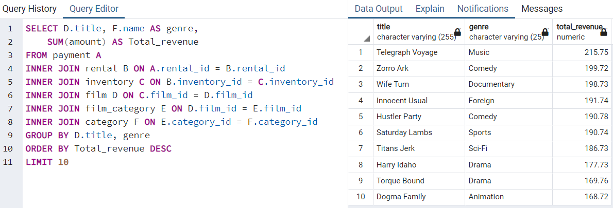
title | genre | total_revenue
Telegraph Voyage | Music | 215.75
Zorro Ark | Comedy | 199.72
Wife Turn | Documentary | 198.73
Innocent Usual | Foreign | 191.74
Hustler Party | Comedy | 190.78
Saturday Lambs | Sports | 190.74
Titans Jerk | Sci-Fi | 186.73
Harry Idaho | Drama | 177.73
Torque Bound | Drama | 169.76
Dogma Family | Animation | 168.72

Bottom 10 genres, title revenue
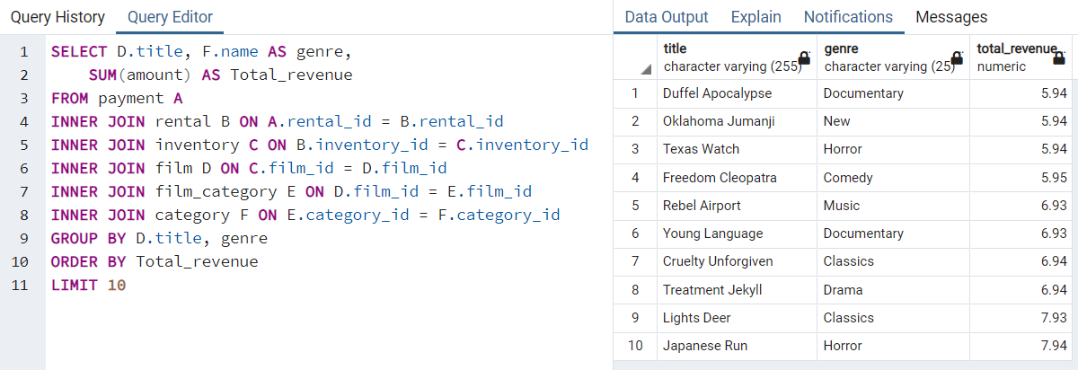
title | genre | total_revenue
Duffel Apocalypse | Documentary | 5.94
Oklahoma Jumanji | New | 5.94
Texas Watch | Horror | 5.94
Freedom Cleopatra | Comedy | 5.95
Rebel Airport | Music | 6.93
Young Language | Documentary | 6.93
Cruelty Unforgiven | Classics | 6.94
Treatment Jekyll | Drama | 6.94
Lights Deer | Classics | 7.93
Japanese Run | Horror | 7.94

Genre and Revenue
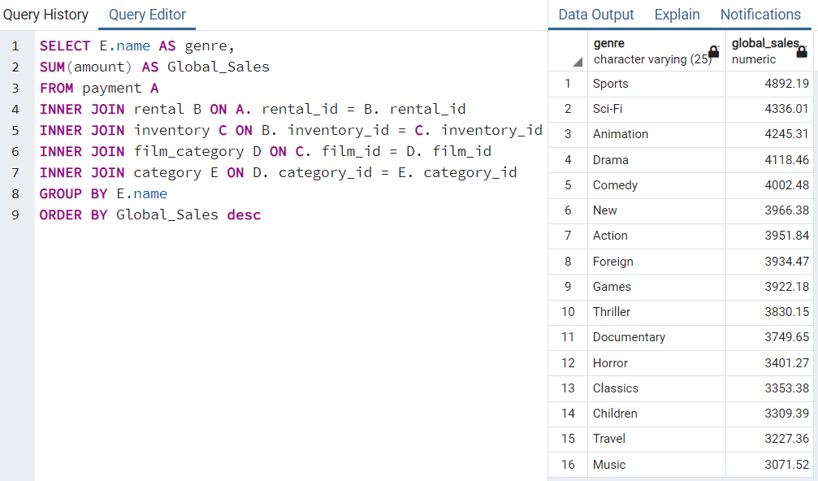
genre | global_sales
Sports | 4892.19
Sci-Fi | 4336.01
Animation | 4245.31
Drama | 4118.46
Comedy | 4002.48
New | 3966.38
Action | 3951.84
Foreign | 3934.47
Games | 3922.18
Thriller | 3830.15
Documentary | 3749.65
Horror | 3401.27
Classics | 3353.38
Children | 3309.39
Travel | 3227.36
Music | 3071.52

