Visual Overview
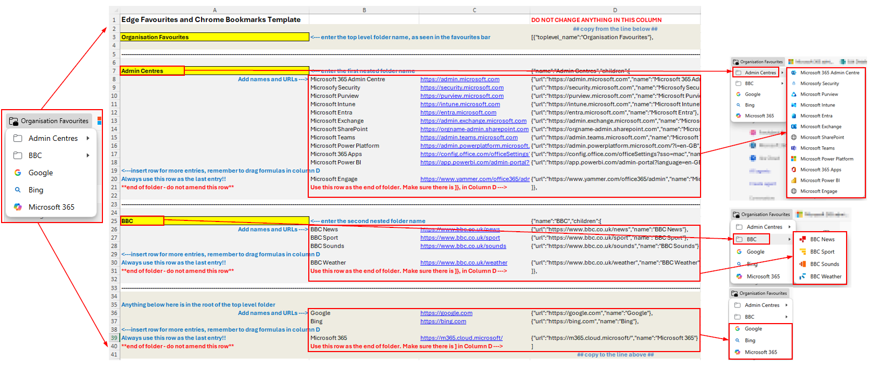

Guidance
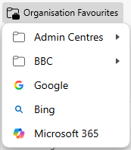
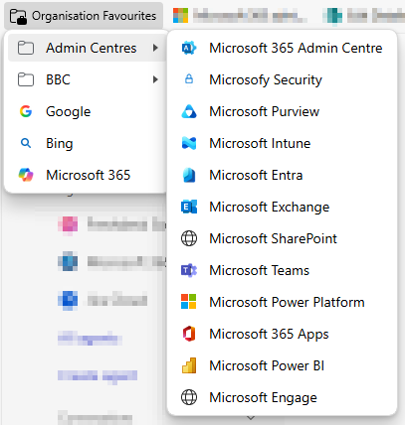
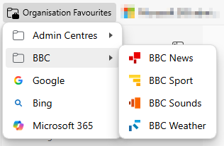
Top Level Folder

 | Enter the name of the top level folder in cell A3

 |  | This is how it will be displayed in the browser

Nested Folders

 | In the example there are two folders under the top level folder, these are in cells A7 and A16, on the 'Blank' tab.
 | If you do not require folders, remove the rows between the dotted lines: rows 5 to 22, and scroll down to 'Top Level URLs' section

 | Enter the name of the first folder in the yellow cell

 |  | This is how it will look in the browser

 | Then in column B enter the name of the favourite, and in column C the full URL.

 |  |  | Column B |  | Column C

 | If you run out of rows, you can insert more. Right click on the row number and choose 'Insert'. This will insert a row above

 | If you insert a row, you will need to drag down the formula in column D. Select the cell, and drag the bottom right corner down into the new row

 |  |  |  | The curser will turn into a + when its ready to drag

 | You must always use a specific row to end your list of favourites. Use the row labelled as shown below

 |  |  |  |  | Column B |  | Column C

 | There is now a row which must not be touched. This adds the code required for the JSON to tell it to end the grouping

 | You can add multiple folders. Insert 9 rows in your main sheet under the dotted line fo the folder you want to see it under
 | Copy A1 to D9 from the 'Folder Insert' tab, and paste into the new rows

Top Level URLs

 | These links show in the root of the top level folder.
 | In column B enter the name of the favourite, and in column C the full URL.
 |  |  |  |  | Column B | Column C

 | You must always use a specific row to end your list of favourites. Use the row labelled as shown below
 |  |  |  |  | Column B |  | Column C

 | There is now a row which must not be touched. This adds the code required for the JSON to tell it to end the grouping

JSON Code

 | Once you have everything populated. Copy the code in column D between the warnings:

 |  | to

 | The result in the example looks like this:
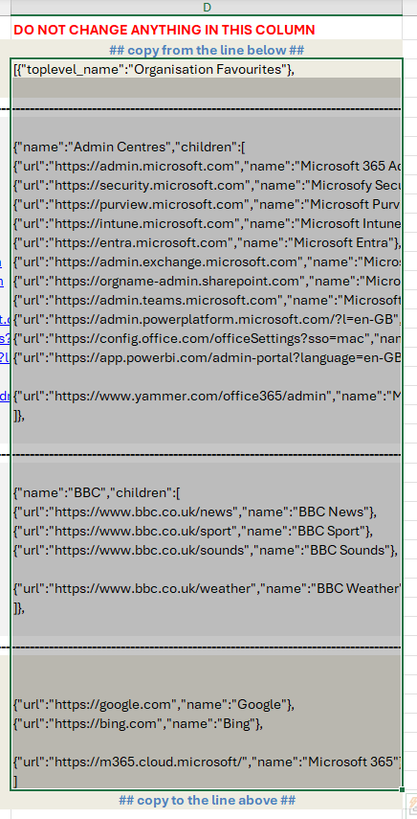

 | Paste it into Notepad.

 | If you havent already configured Intune |  | Look here

 | If you have, paste the code into the config policy, save and wait for it to roll out.

 | The resulting Favourites folder looks like this:

Intune Config
Intune Config

 | In Intune go to Devices>Windows>Configuration and create a new policy
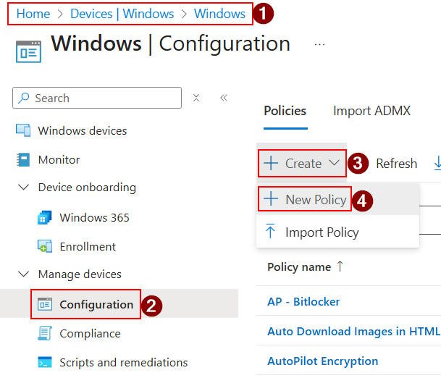

 | Choose 'Windows 10 and later' for the platform and 'Settings catalogue' for the profile type

 | Give your profile a name, and description if required

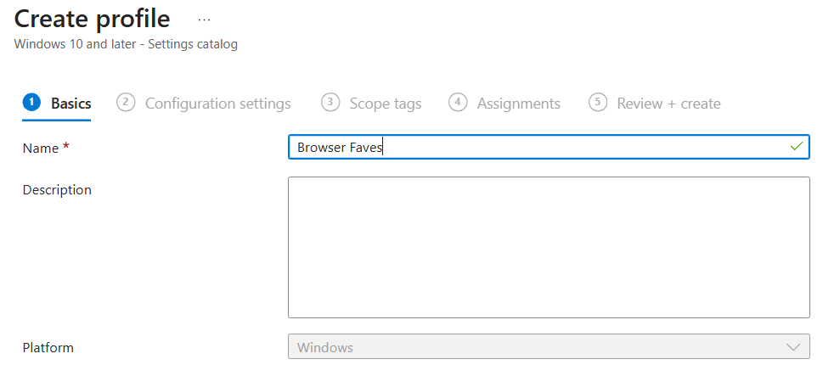

 | You can configure Edge and Chrome in the same policy.

 | For Edge:
 | Follow the process below. Note 'Favorites' is spelled the US way, not UK. When you get to step 7, paste in your JSON code.

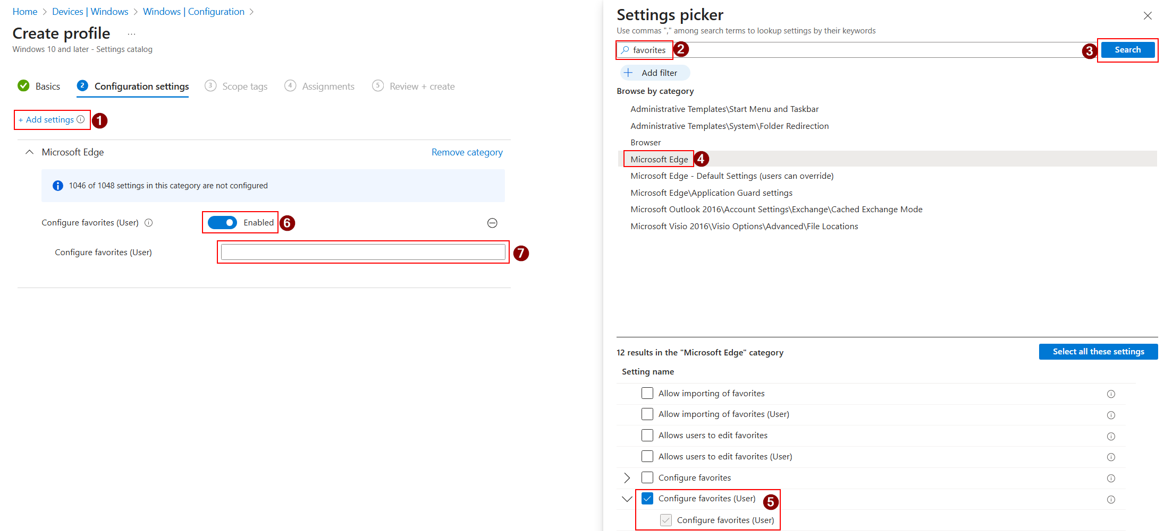

 | For Chrome
 | Follow the process below. When you get to step 6, paste in your JSON code.

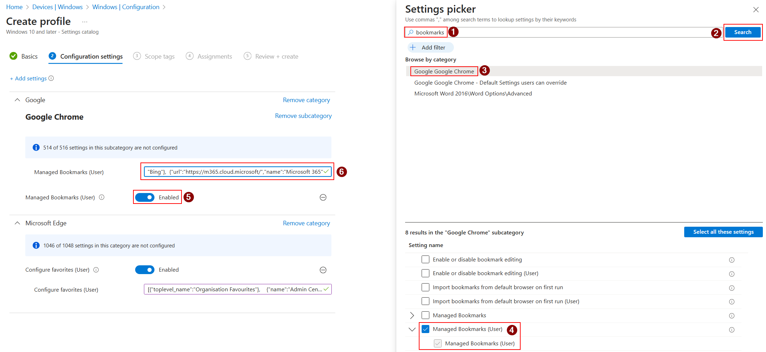

 | Click Next, next, assign to your users, and click Create.

 | Wait for the policy to roll out.

 | The resulting Favourites folder looks like this:

