Dashboard
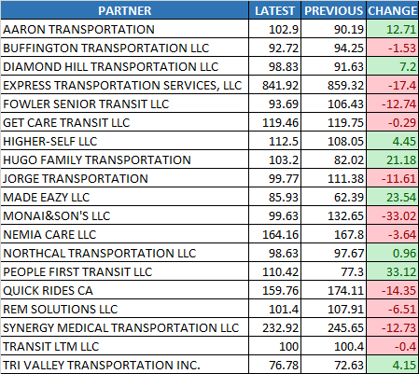
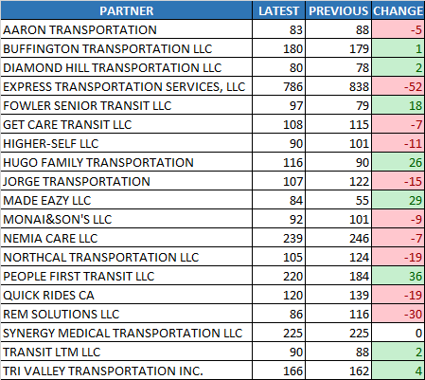
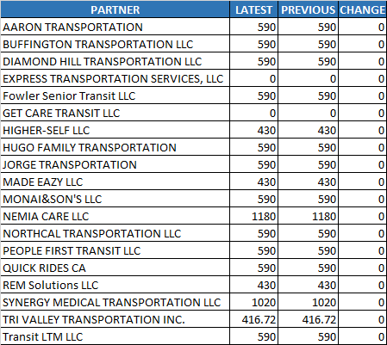
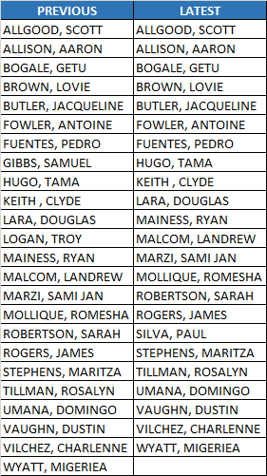
Operators
Days Worked
CCCTA
LAVTA
Decreased

$ 384.46

Summary Chart
Payment Difference

Trips Made
3,130 trips to 3,074 trips
-56 trips
Latest Payment
Hours Operated
VDP_DIV5_1021_1103_FINAL.xlsm
2,902 hours to 2,895 hours
-7 hours
$ 92,962.37
Previous Payment
Operators
DONE-VDP_DIV5_1007_1020_FINAL.xlsm
$ 93,346.83
36 to 36 operators
0 operators

Days Worked
14 days to 14 days
0 days

One Seat Operators
24 to 23 operators
-1 operators

Hours Operated
Trips Made
Lift Lease
One Seat Operators

CCCTA
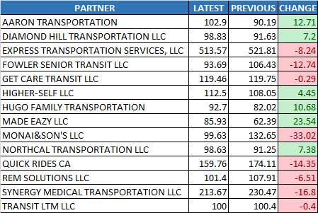
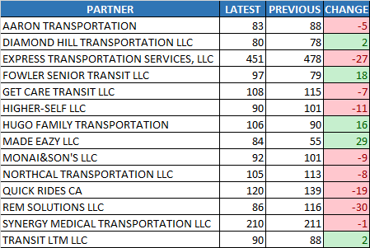
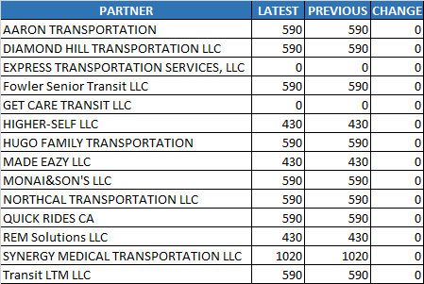
Operators
Days Worked
CCCTA
LAVTA
Decreased

$ 954.83

Summary Chart
Payment Difference

Trips Made
1,852 trips to 1,802 trips
-50 trips
Latest Payment
Hours Operated
VDP_DIV5_1021_1103_FINAL.xlsm
2,019 hours to 1,993 hours
-26 hours
$ 63,732.80
Previous Payment
Operators
DONE-VDP_DIV5_1007_1020_FINAL.xlsm
$ 64,687.63
25 to 27 operators
2 operators

Days Worked
14 days to 14 days
0 days

Hours Operated
Trips Made
Lift Lease

LAVTA
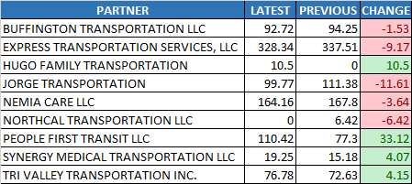
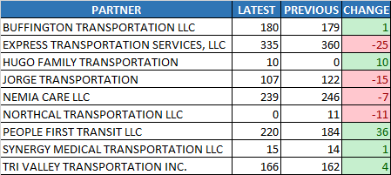
Operators
Days Worked
CCCTA
LAVTA
Increased

$ 570.37

Summary Chart
Payment Difference

Trips Made
1,278 trips to 1,272 trips
-6 trips
Latest Payment
Hours Operated
VDP_DIV5_1021_1103_FINAL.xlsm
882 hours to 902 hours
19 hours
$ 29,229.57
Previous Payment
Operators
DONE-VDP_DIV5_1007_1020_FINAL.xlsm
$ 28,659.21
14 to 13 operators
-1 operators

Days Worked
14 days to 14 days
0 days

Hours Operated
Trips Made
Lift Lease

