Dashboard
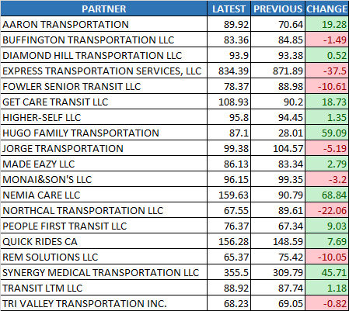
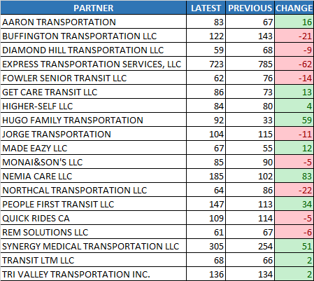
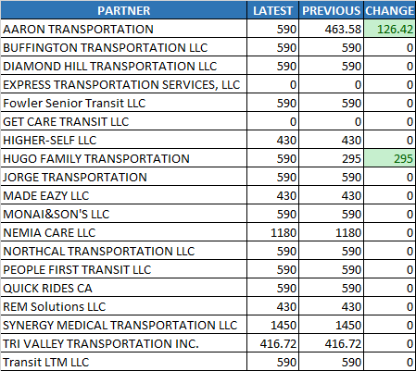
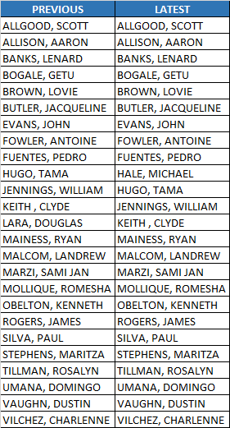
Operators
Days Worked
CCCTA
LAVTA
Increased

$ 6313.54

Summary Chart
Payment Difference

Trips Made
2,521 trips to 2,642 trips
121 trips
Latest Payment
Hours Operated
VDP_DIV5_1230_0112_FINAL.xlsm
2,648 hours to 2,791 hours
143 hours
$ 87,423.88
Previous Payment
Operators
VDP_DIV5_1216_1229_FINAL.xlsm
$ 81,110.33
35 to 36 operators
1 operators

Days Worked
14 days to 14 days
0 days

One Seat Operators
25 to 25 operators
0 operators

Hours Operated
Trips Made
Lift Lease
One Seat Operators

CCCTA
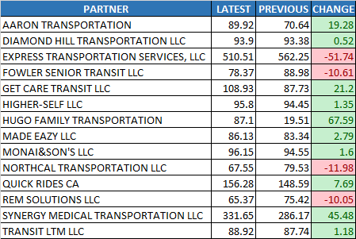
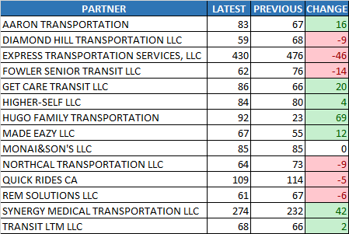
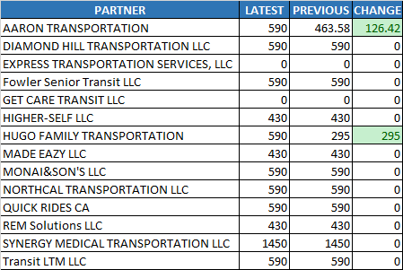
Operators
Days Worked
CCCTA
LAVTA
Increased

$ 2659.52

Summary Chart
Payment Difference

Trips Made
1,548 trips to 1,624 trips
76 trips
Latest Payment
Hours Operated
VDP_DIV5_1230_0112_FINAL.xlsm
1,872 hours to 1,957 hours
84 hours
$ 60,444.41
Previous Payment
Operators
VDP_DIV5_1216_1229_FINAL.xlsm
$ 57,784.88
26 to 24 operators
-2 operators

Days Worked
14 days to 14 days
0 days

Hours Operated
Trips Made
Lift Lease

LAVTA
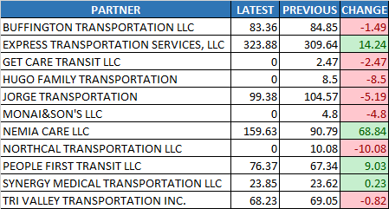
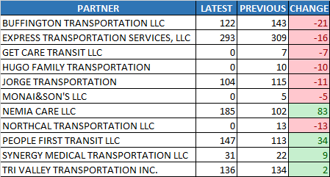
Operators
Days Worked
CCCTA
LAVTA
Increased

$ 3654.02
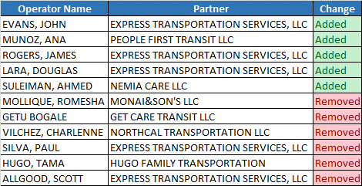

Summary Chart
Payment Difference

Trips Made
973 trips to 1,018 trips
45 trips
Latest Payment
Hours Operated
VDP_DIV5_1230_0112_FINAL.xlsm
776 hours to 835 hours
59 hours
$ 26,979.47
Previous Payment
Operators
VDP_DIV5_1216_1229_FINAL.xlsm
$ 23,325.45
16 to 15 operators
-1 operators

Days Worked
14 days to 14 days
0 days

Hours Operated
Trips Made
Lift Lease

