Dashboard
TRANSDEV
UBER
WEEK 1
WEEK 2

Latest Payment
$ 3,137.39
VDP_DIV10_1216_1229_FINAL.xlsm
$ 28,365.63
Decreased
Previous Payment
Payment Difference
VDP_DIV10_1202_1215_FINAL.xlsm
$ 31,503.03

Earnings Trips
Lift Lease
Violations
Summary Chart

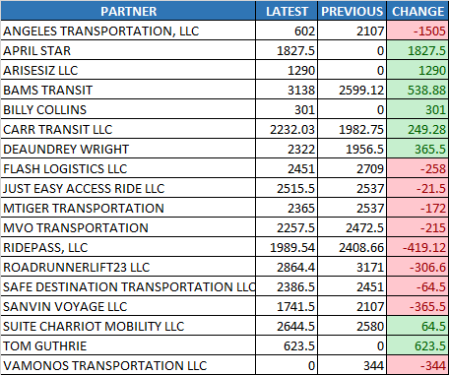
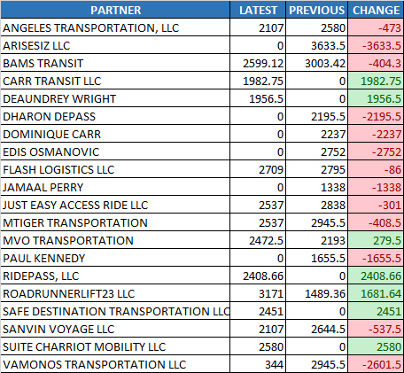
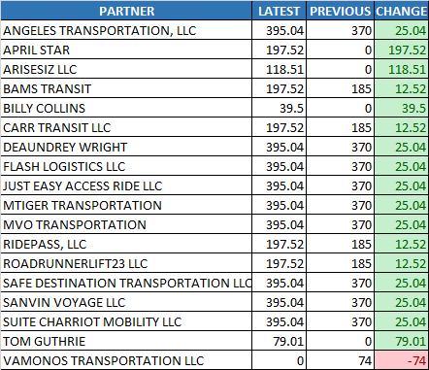
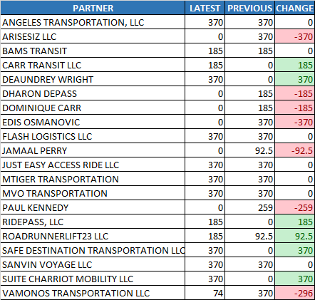
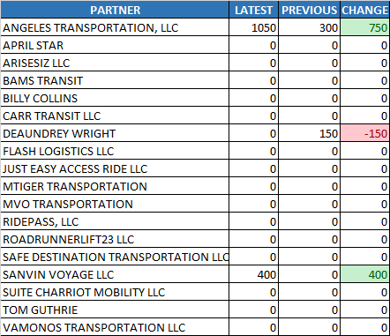
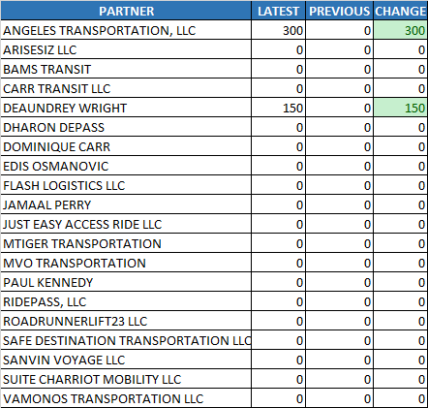
Earnings Trips

$37,245.78 to $31,962.53
$-5,283.25

Lift Lease

$4,329.00 to $4,144.00
$-185.00

Violations
$0.00 to $450.00
$450.00

Transdev
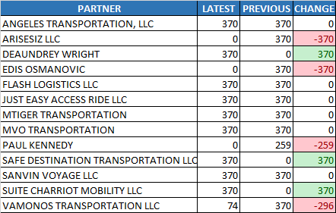
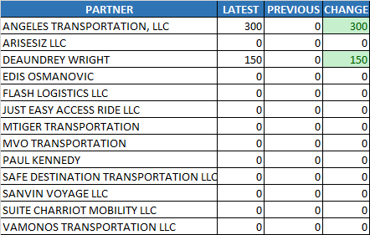
TRANSDEV
UBER
WEEK 1
WEEK 2

Latest Payment
$ 3,035.64
VDP_DIV10_1216_1229_FINAL.xlsm
$ 18,944.11
Decreased
Previous Payment
Payment Difference
VDP_DIV10_1202_1215_FINAL.xlsm
$ 21,979.75

Earnings Trips
Trips Made
Summary Chart

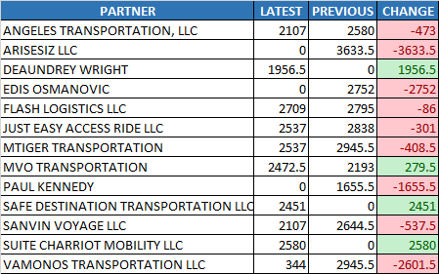
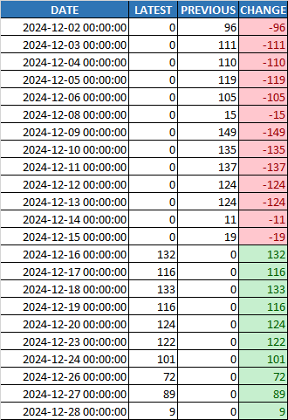
Earnings Trips

$26,982.50 to $21,801.00
$-5,181.50

Lift Lease

$3,589.00 to $3,404.00
$-185.00

Violations
$0.00 to $450.00
$450.00

Trips Made

1,255 to 1,014 trips
-241 trips

Lift Lease
Violations

Uber
TRANSDEV
UBER
WEEK 1
WEEK 2

Latest Payment
$ 101.75
VDP_DIV10_1216_1229_FINAL.xlsm
$ 9,421.53
Decreased
Previous Payment
Payment Difference
VDP_DIV10_1202_1215_FINAL.xlsm
$ 9,523.28

Hourly Total Revenue
Lift Lease
Violations
Summary Chart

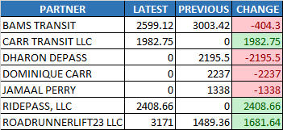
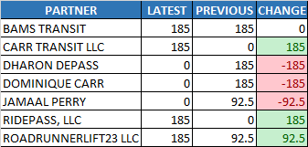
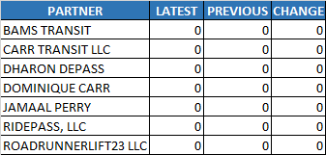
Hourly Total Revenue

$10,263.28 to $10,161.53
$-101.75

Lift Lease

$740.00 to $740.00
$0.00

Violations
$0.00 to $0.00
$0.00

Week 1
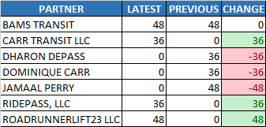
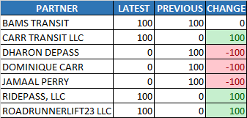
TRANSDEV
UBER
WEEK 1
WEEK 2

Acceptance Rate
Cancellation Rate
Utilization%
Summary Chart

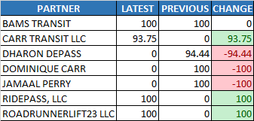
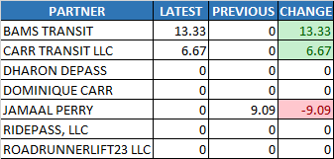
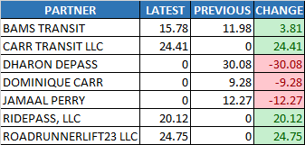
Acceptance Rate
56.35% to 56.25%
-0.10%

Cancellation Rate

1.30% to 2.86%
1.56%

Utilization%

9.09% to 12.15%
3.07%

Payable Online Hours
$168.00 to $168.00
$0.00

% of Hours to Required

57.14% to 57.14%
0.00%
Payable Online Hours
% of Hours to Required

Week 2
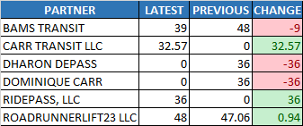
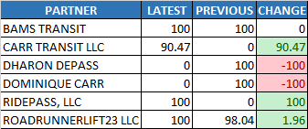
TRANSDEV
UBER
WEEK 1
WEEK 2

Acceptance Rate
Cancellation Rate
Utilization%
Summary Chart

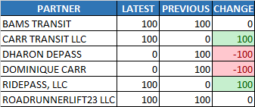
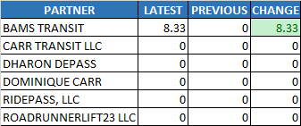
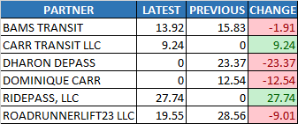
Acceptance Rate
66.67% to 66.67%
0.00%

Cancellation Rate

0.00% to 1.39%
1.39%

Utilization%

13.38% to 11.74%
-1.64%

Payable Online Hours
$167.06 to $155.57
$-11.49

% of Hours to Required

66.34% to 65.08%
-1.26%
Payable Online Hours
% of Hours to Required

