Dashboard
TRIMET
UBER
WEEK 1
WEEK 2

Latest Payment
$ 19,064.38
VDP_DIV12_1230_0112_FINAL.xlsm
$ 168,195.60
Decreased
Previous Payment
Payment Difference
VDP_DIV12_1202_1215_2024 FINAL.xlsm
$ 187,259.98

Earnings Trips
Lift Lease
Violations
Summary Chart

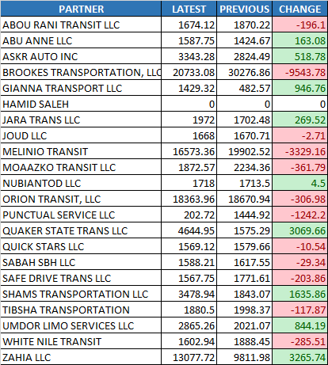
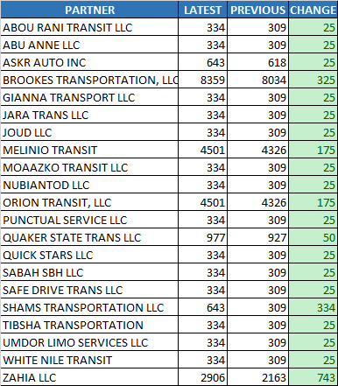
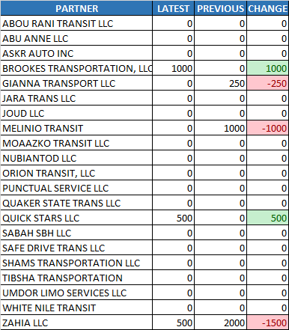
Earnings Trips

$103,413.55 to $108,325.29
$-4,911.75

Lift Lease

$27,206.00 to $25,029.00
$2,177.00

Violations
$2,000.00 to $3,250.00
$-1,250.00

Trimet
TRIMET
UBER
WEEK 1
WEEK 2

Latest Payment
$ 19,064.38
VDP_DIV12_1230_0112_FINAL.xlsm
$ 168,195.60
Decreased
Previous Payment
Payment Difference
VDP_DIV12_1202_1215_2024 FINAL.xlsm
$ 187,259.98

Earnings Trips
Lift Lease
Violations
Summary Chart

Earnings Trips

$103,413.55 to $108,325.29
$-4,911.75

Lift Lease

$27,206.00 to $25,029.00
$2,177.00

Violations
$2,000.00 to $3,250.00
$-1,250.00

Uber
TRIMET
UBER
WEEK 1
WEEK 2

Latest Payment
$ 19,064.38
VDP_DIV12_1230_0112_FINAL.xlsm
$ 168,195.60
Decreased
Previous Payment
Payment Difference
VDP_DIV12_1202_1215_2024 FINAL.xlsm
$ 187,259.98

Earnings Trips
Lift Lease
Violations
Summary Chart

Earnings Trips

$103,413.55 to $108,325.29
$-4,911.75

Lift Lease

$27,206.00 to $25,029.00
$2,177.00

Violations
$2,000.00 to $3,250.00
$-1,250.00

Week1
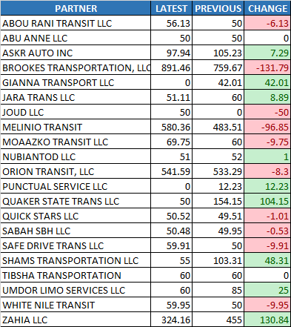
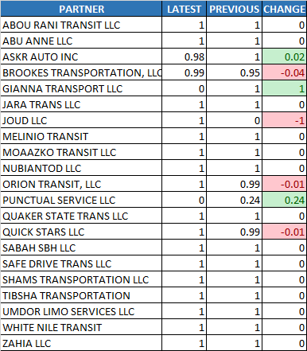
TRIMET
UBER
WEEK 1
WEEK 2

Acceptance Rate
Cancellation Rate
Utilization%
Summary Chart

Acceptance Rate
87.22% to 92.82%
5.60%

Cancellation Rate

1.50% to 1.42%
-0.08%

Utilization%

66.68% to 67.44%
0.76%

Payable Online Hours
$3,209.36 to $3,264.86
$55.50

% of Hours to Required

0.90% to 0.91%
0.01%
Payable Online Hours
% of Hours to Required

Week2
TRIMET
UBER
WEEK 1
WEEK 2

Acceptance Rate
Cancellation Rate
Utilization%
Summary Chart

Acceptance Rate
87.22% to 92.82%
5.60%

Cancellation Rate

1.50% to 1.42%
-0.08%

Utilization%

66.68% to 67.44%
0.76%

Payable Online Hours
$3,209.36 to $3,264.86
$55.50

% of Hours to Required

0.90% to 0.91%
0.01%
Payable Online Hours
% of Hours to Required

