Dashboard
Latest Payment
WEEK 1
WEEK 2
VDP_DIV12_1230_0112_FINAL.xlsm
$ 168,195.60

Previous Payment
VDP_DIV12_1216_1229_2024 FINAL.xlsm
$ 183,165.04
$ 14,969.44

Decreased
Hourly Total Revenue ($)
Lift Lease ($)
Violations ($)

Payment Difference
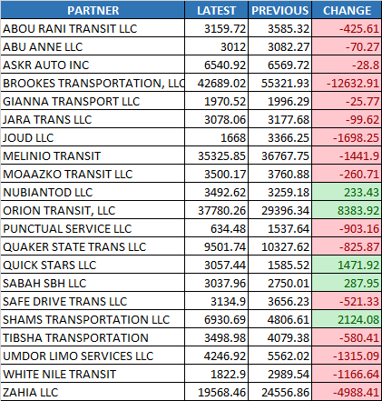
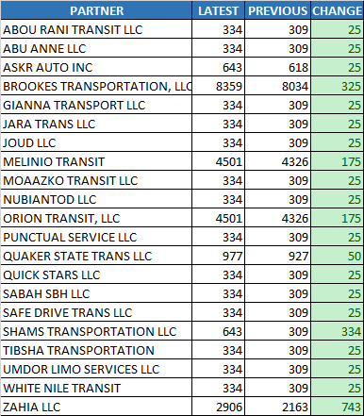
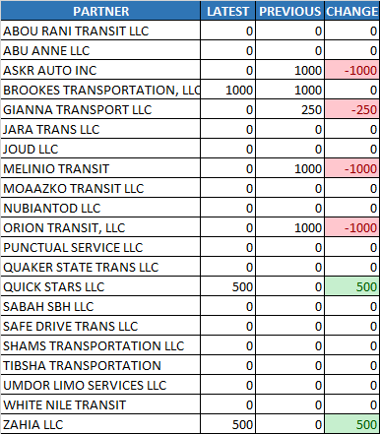

Summary Chart

Hourly Total Revenue

$212,135.04 to $197,651.61
$-14,483.45

Lift Lease

$25,029.00 to $27,206.00
$2,177.00

Violations
$4,250.00 to $2,000.00
$-2,250.00

Week1
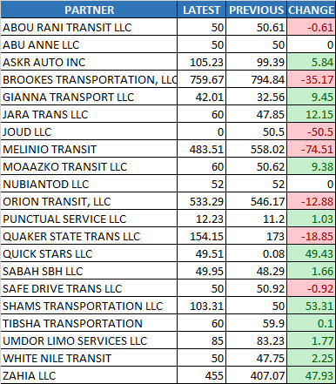
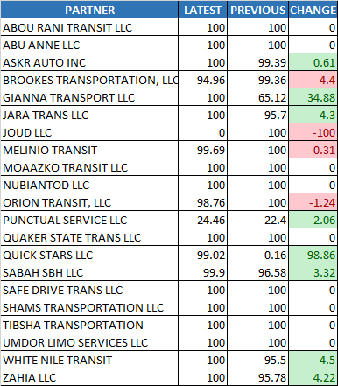
Acceptance Rate (%)
Cancellation Rate (%)
Utilization%
WEEK 1
WEEK 2

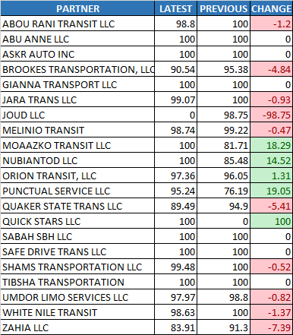
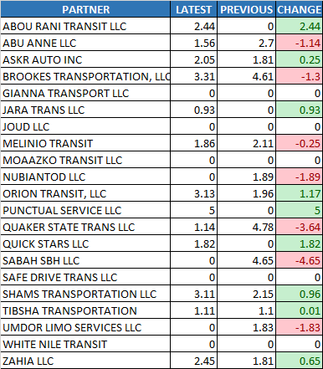
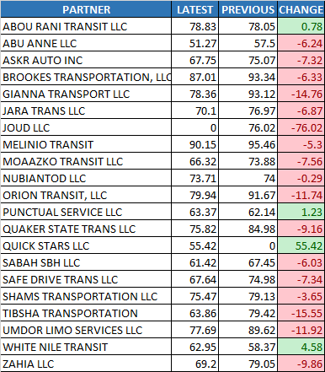

Summary Chart

Acceptance Rate
91.32% to 92.82%
1.50%

Cancellation Rate

1.50% to 1.42%
-0.07%

Utilization%

74.30% to 67.44%
-6.85%

Payable Online Hours
$3,264.00 to $3,264.86
$0.86

% of Hours to Required

89.05% to 91.28%
2.23%

Payable Online Hours ($)
% of Hours to Required

Week2
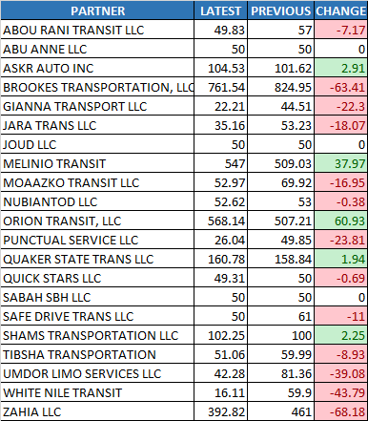
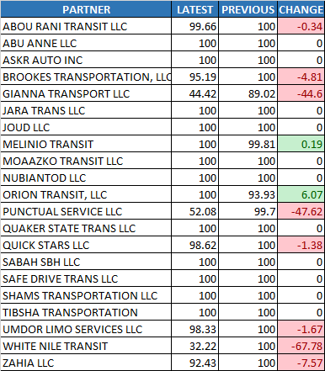
Acceptance Rate (%)
Cancellation Rate (%)
Utilization%
WEEK 1
WEEK 2

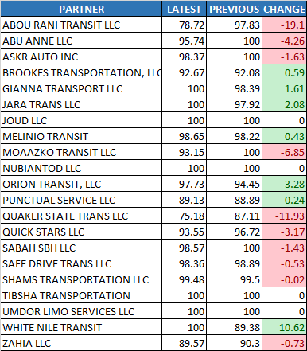
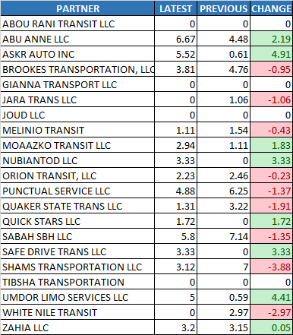
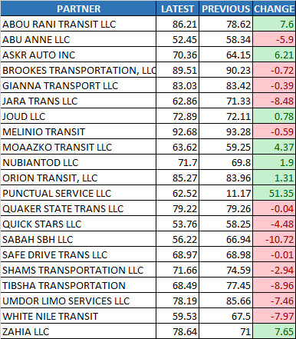

Summary Chart

Acceptance Rate
96.65% to 95.18%
-1.47%

Cancellation Rate

2.21% to 2.57%
0.36%

Utilization%

70.73% to 71.80%
1.07%

Payable Online Hours
$3,452.41 to $3,234.65
$-217.76

% of Hours to Required

99.16% to 91.09%
-8.07%

Payable Online Hours ($)
% of Hours to Required

