Dashboard
Latest Payment
WEEK 1
WEEK 2
VDP_DIV12_1230_0112_FINAL.xlsm
$ 168,195.60

Previous Payment
VDP_DIV12_1202_1215_2024 FINAL.xlsm
$ 187,259.98
$ 19,064.38

Decreased
Hourly Total Revenue
Lift Lease
Violations

Payment Difference
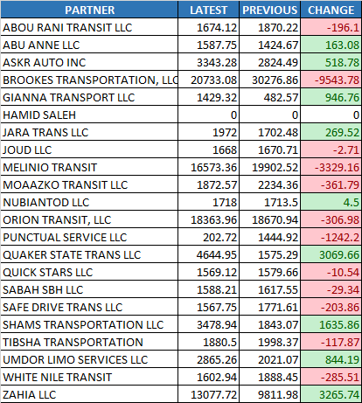
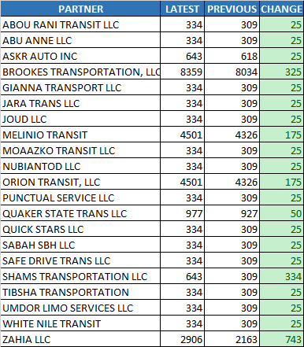
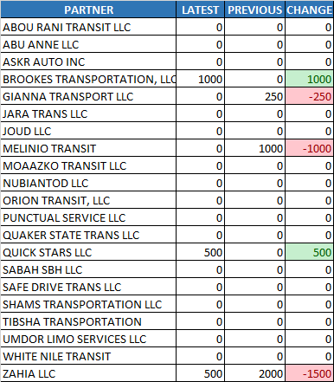

Summary Chart

Hourly Total Revenue

$103,413.55 to $108,325.29
$-4,911.75

Lift Lease

$27,206.00 to $25,029.00
$2,177.00

Violations
$2,000.00 to $3,250.00
$-1,250.00

Week1
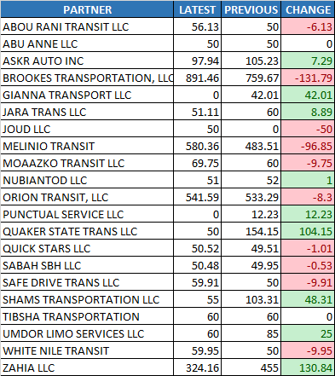
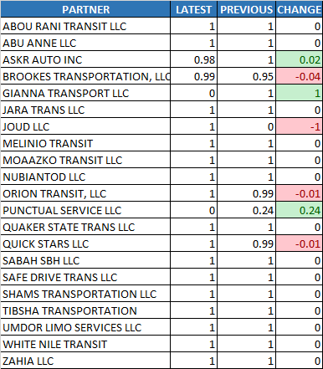
Acceptance Rate
Cancellation Rate
Utilization%
WEEK 1
WEEK 2

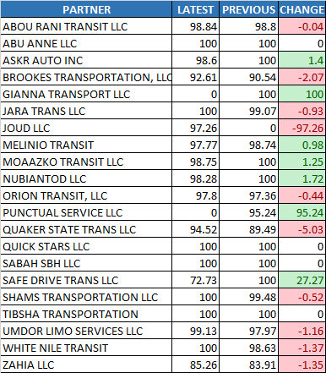
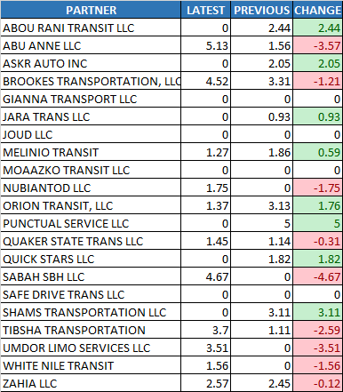
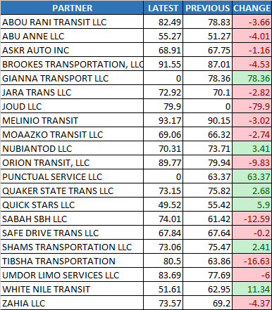

Summary Chart

Acceptance Rate
87.22% to 92.82%
5.60%

Cancellation Rate

1.50% to 1.42%
-0.08%

Utilization%

66.68% to 67.44%
0.76%

Payable Online Hours
$3,209.36 to $3,264.86
$55.50

% of Hours to Required

0.90% to 0.91%
0.01%

Payable Online Hours
% of Hours to Required

Week2
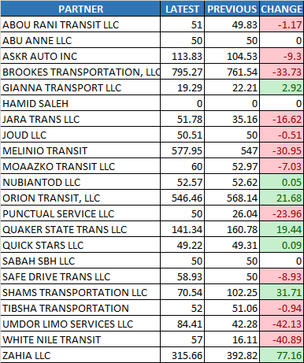
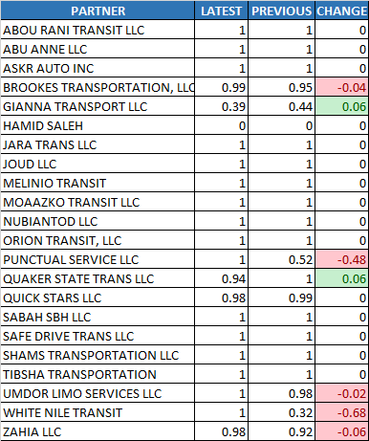
Acceptance Rate
Cancellation Rate
Utilization%
WEEK 1
WEEK 2

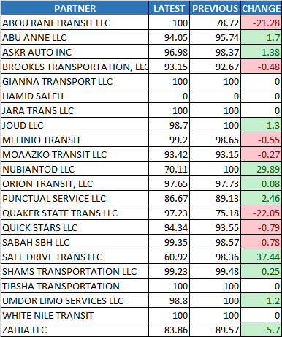
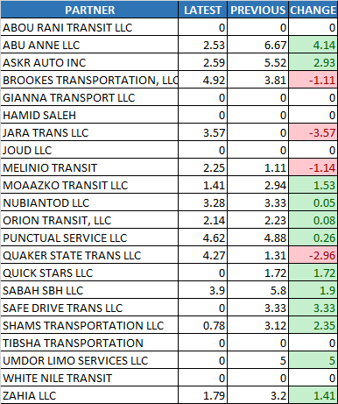
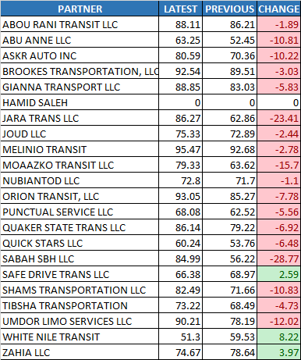

Summary Chart

Acceptance Rate
89.26% to 90.86%
1.60%

Cancellation Rate

1.73% to 2.45%
0.72%

Utilization%

75.15% to 68.54%
-6.61%

Payable Online Hours
$3,297.76 to $3,234.65
$-63.11

% of Hours to Required

0.92% to 0.87%
-0.05%

Payable Online Hours
% of Hours to Required

