Dashboard
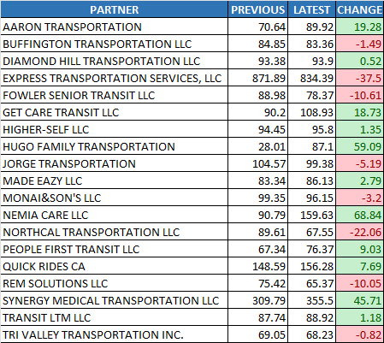
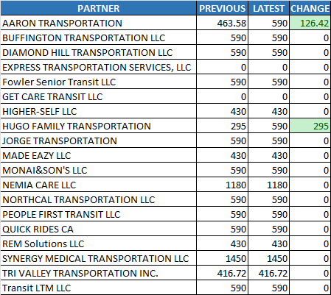
Trips Made
CCCTA
LAVTA

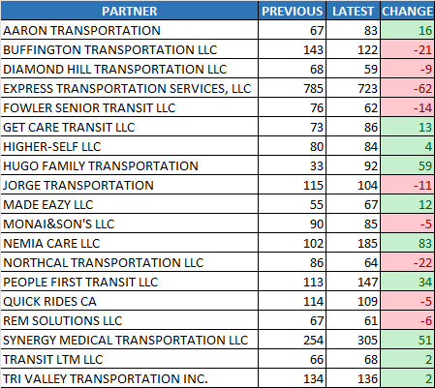

Summary Chart
Increased

$ 6313.54
Trips Made
2,521 trips to 2,642 trips
121 trips
Payment Difference
Hours Operated

2,648 hours to 2,791 hours
143 hours

Operators
Latest Payment

35 to 36 operators
1 operators
VDP_DIV5_1230_0112_FINAL.xlsm
$ 87,423.88
Days Worked
Previous Payment
14 days to 14 days
0 days
VDP_DIV5_1216_1229_FINAL.xlsm
$ 81,110.33

Hours Operated
Operators
Lift Lease

CCCTA
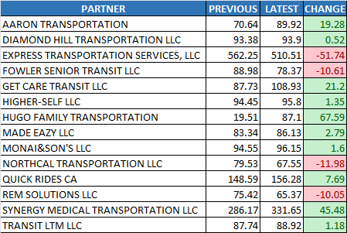
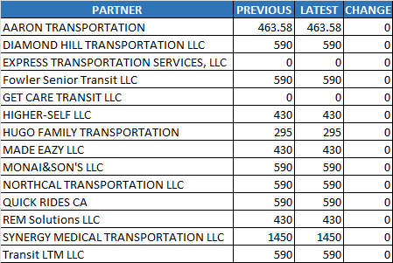
Trips Made
CCCTA
LAVTA

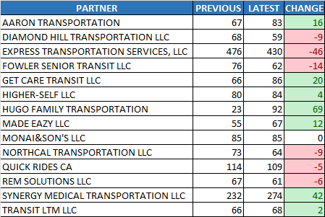

Summary Chart
Increased

$ 2659.52
Trips Made
1,548 trips to 1,624 trips
76 trips
Payment Difference
Hours Operated

1,872 hours to 1,957 hours
84 hours

Operators
Latest Payment

26 to 24 operators
-2 operators
VDP_DIV5_1230_0112_FINAL.xlsm
$ 60,444.41
Days Worked
Previous Payment
14 days to 14 days
0 days
VDP_DIV5_1216_1229_FINAL.xlsm
$ 57,784.88

Hours Operated
Operators
Lift Lease

LAVTA
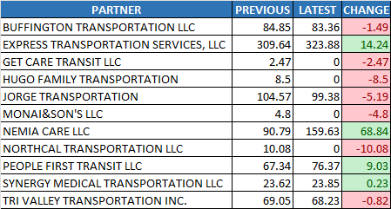
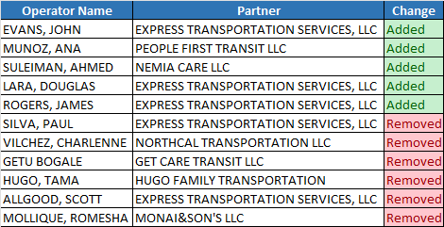
Trips Made
CCCTA
LAVTA

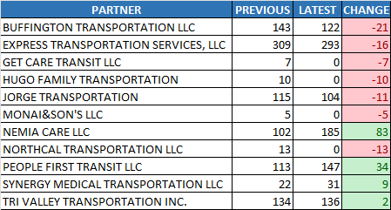

Summary Chart
Increased

$ 3654.02
Trips Made
973 trips to 1,018 trips
45 trips
Payment Difference
Hours Operated

776 hours to 835 hours
59 hours

Operators
Latest Payment

16 to 15 operators
-1 operators
VDP_DIV5_1230_0112_FINAL.xlsm
$ 26,979.47
Days Worked
Previous Payment
14 days to 14 days
0 days
VDP_DIV5_1216_1229_FINAL.xlsm
$ 23,325.45

Hours Operated
Operators
Lift Lease

