Dashboard
ADA
GOLINK
ADAGOLINK

Total Earnings ($)
Lift Lease ($)
Violations ($)
Cash Collected ($)
$ 2,706.57

Decreased
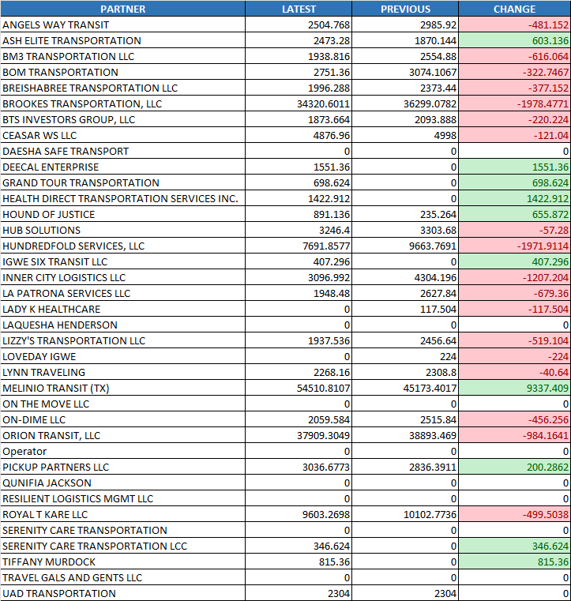
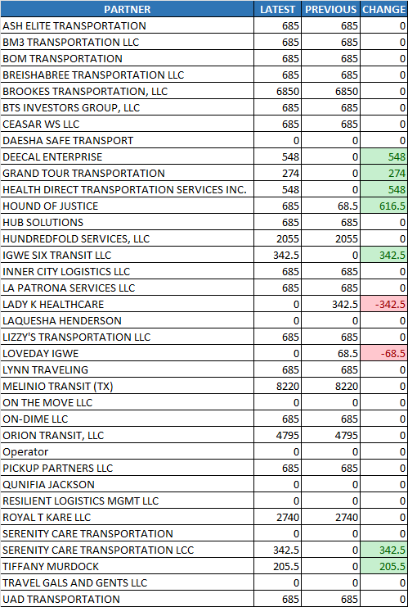
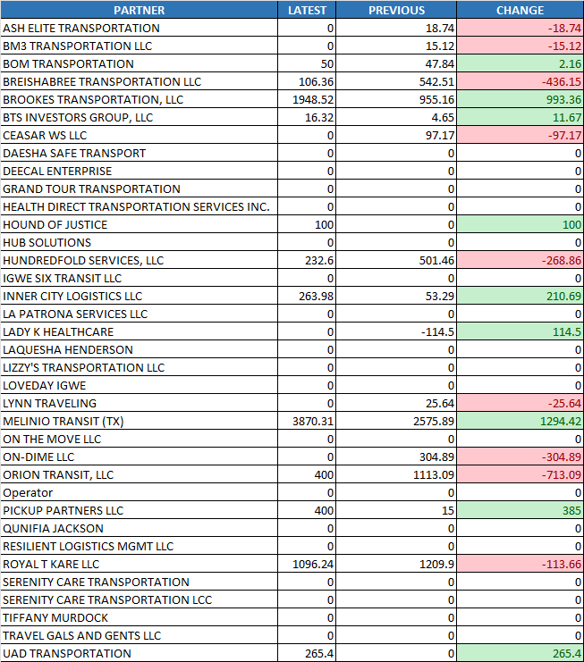
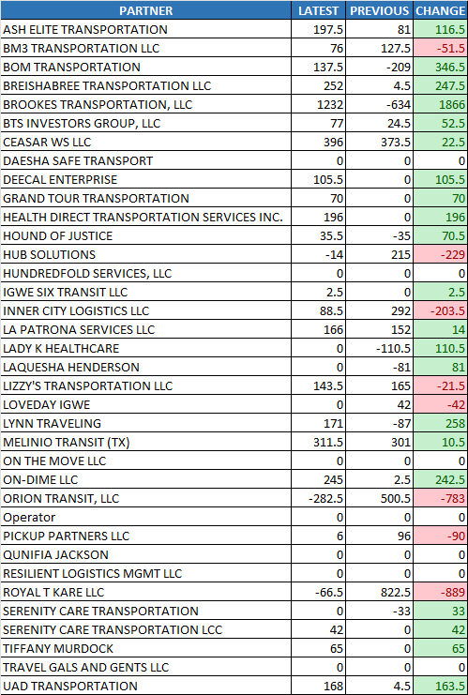

Payment Difference

Latest Payment
VDP_DIV3 UPDATED TEMPLATE.xlsm
$ 136,476.94

Previous Payment
VDP_DIV3_0324_0406 FINAL.xlsm
$ 139,183.52

Summary Chart

Total Earnings
$183,317.03 to $188,482.12
$5,165.10

Lift Lease

$34,729.50 to $37,195.50
$2,466.00

Violations

$7,365.85 to $8,749.73
$1,383.88

Cash Collected

$2,014.50 to $3,821.00
$1,806.50

ADA
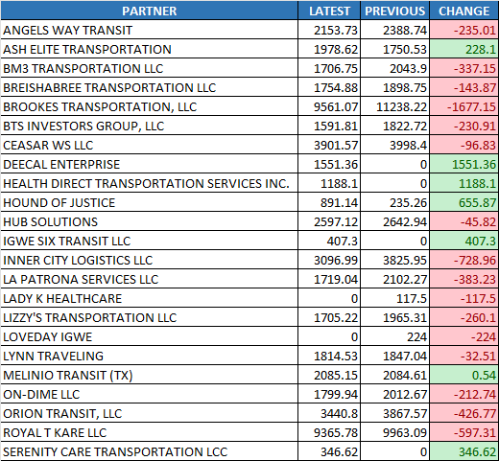
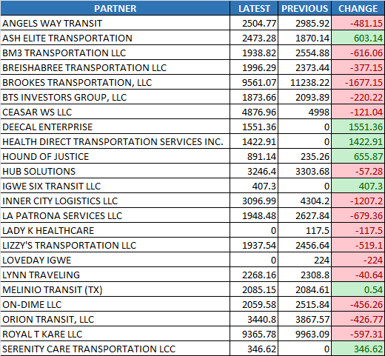
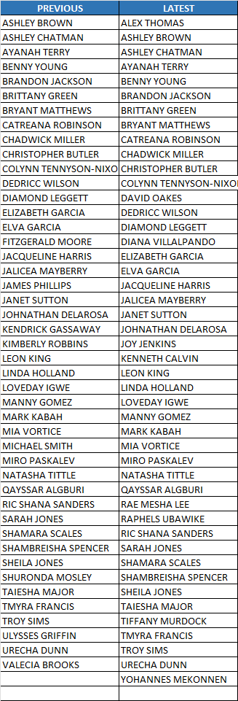
Total Revenue Hours
% of Revenue Hours
Bonus Hours
ADA
GOLINK
TRIPS
ADAGOLINK

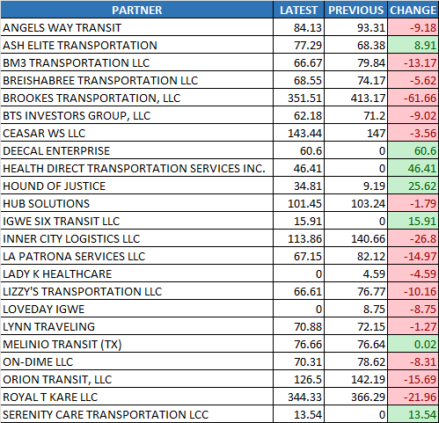
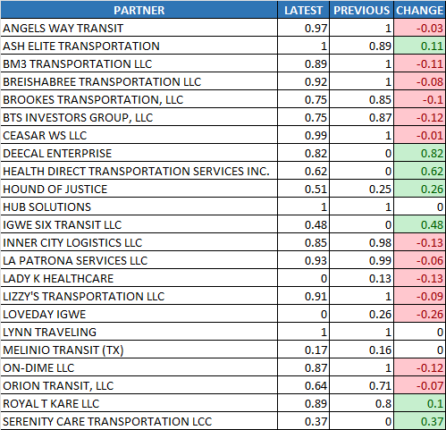
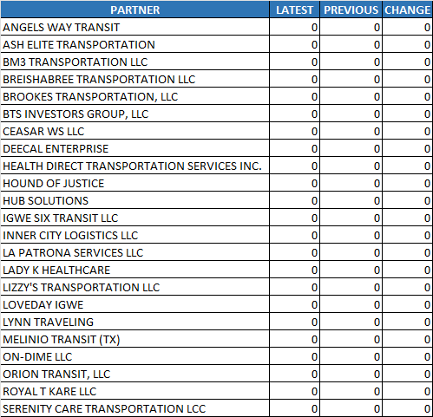

Summary Chart

Total Revenue Hours

$2,108.28 to $2,062.79
$-45.49

% of Revenue Hours

64.74% to 71.00%
6.30%

Bonus Hours
0 to 0 hours
0 hours

Core Revenue

$56,029.47 to $54,657.52
$-1,371.97

Total Earnings

$62,123.52 to $59,293.06
$-2,830.45

Drivers
45 to 46 drivers
1 drivers

Core Revenue
Total Earnings
Drivers

GOLINK
ADA
GOLINK
TRIPS
ADAGOLINK

Core Hours Worked
% of Revenue Hours
Drivers
Summary Chart

Core Hours Worked
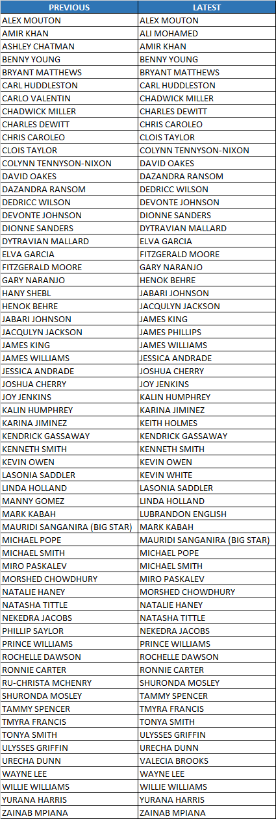



3,621.91 to 3,655.65 hours
33.75 hours

% of Revenue Hours

78.40% to 78.20%
-0.20%

Total Earnings
$112,979.00 to $119,583.04
$6,604.03
Total Earnings
Total Duty Violation
Total Duty Violation

$3,050.00 to $3,200.00
$150.00

Drivers
0 drivers
49 to 49 drivers

ADAGOLINK
ADA
GOLINK
TRIPS
ADAGOLINK

Standby Pay Hours
Standby Extra Hours
Total Earnings
Summary Chart

Standby Pay Hours

$249.11 to $299.90
$50.79

Standby Extra Hours

40.71 to 36.88 hours
-3.83 hours

Total Earnings
$8,214.50 to $9,606.02
$1,391.52

