Dashboard
ADA
GOLINK
ADAGOLINK

Total Earnings ($)
Lift Lease ($)
Violations ($)
Cash Collected ($)
$ 7,736.87

Increased
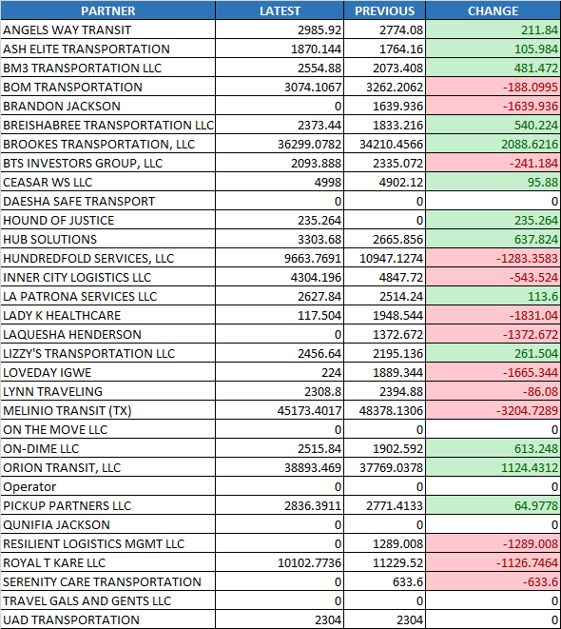
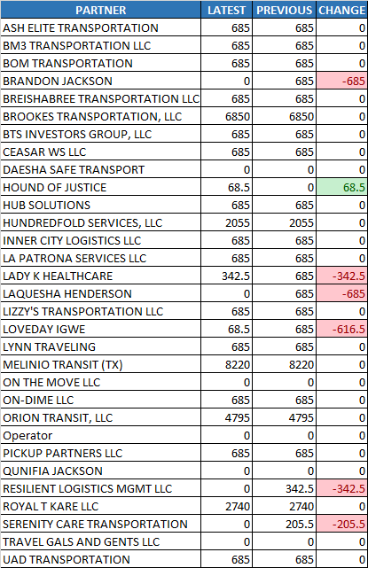
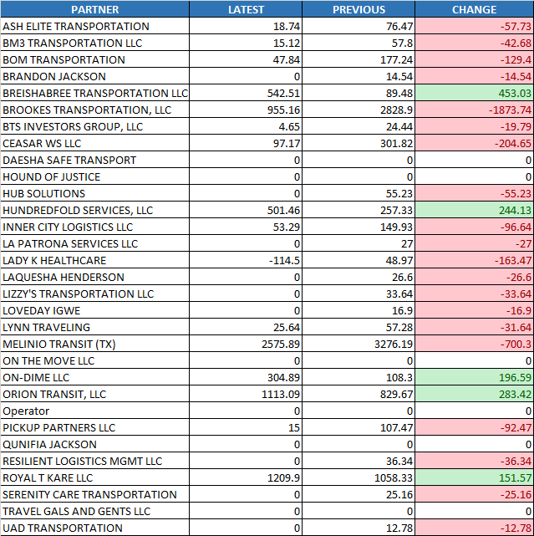
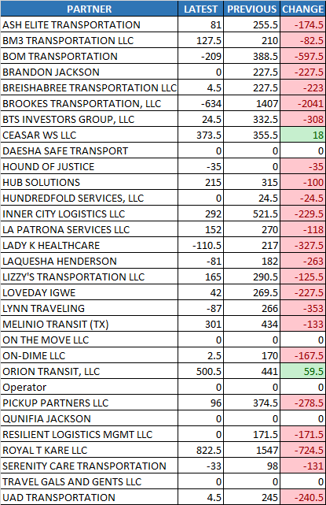

Payment Difference

Latest Payment
VDP_DIV3_0324_0406 FINAL.xlsm
$ 139,183.52

Previous Payment
VDP_DIV3_0310_0323 FINAL.xlsm
$ 131,446.65

Summary Chart

Total Earnings
$191,847.48 to $183,317.03
$-8,530.45

Lift Lease

$37,538.00 to $34,729.50
$-2,808.50

Violations

$9,697.81 to $7,365.85
$-2,331.96

Cash Collected

$9,241.00 to $2,014.50
$-7,226.50

ADA
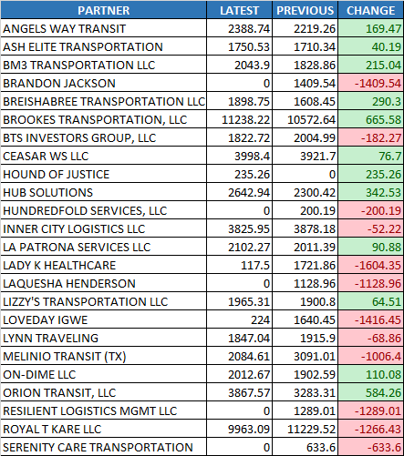
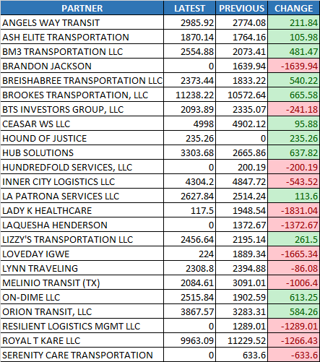
Total Revenue Hours
% of Revenue Hours
Bonus Hours
ADA
GOLINK
TRIPS
ADAGOLINK

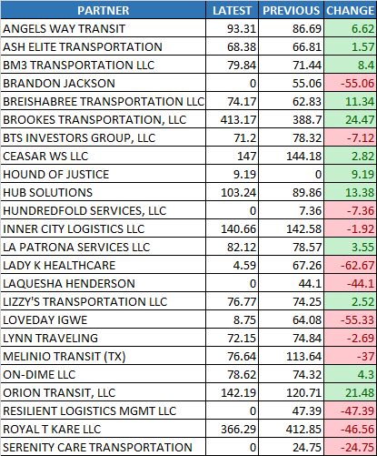
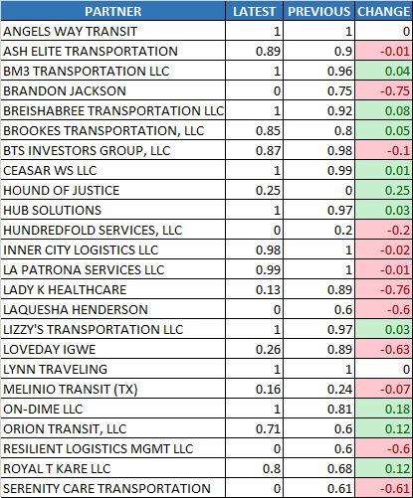
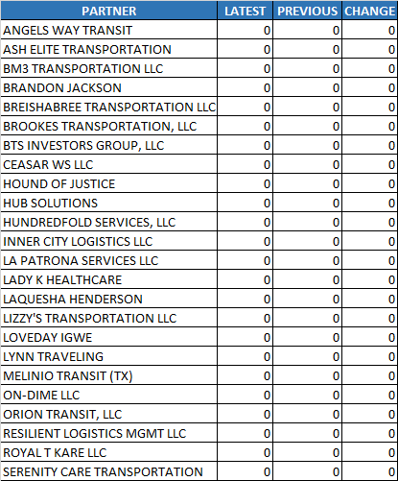

Summary Chart

Total Revenue Hours

$2,390.59 to $2,108.28
$-282.31

% of Revenue Hours

76.50% to 62.04%
-14.38%

Bonus Hours
0 to 0 hours
0 hours

Core Revenue

$63,402.97 to $56,029.47
$-7,373.48

Total Earnings

$69,352.26 to $62,123.52
$-7,228.74

Drivers
49 to 45 drivers
-4 drivers

Core Revenue
Total Earnings
Drivers

GOLINK
ADA
GOLINK
TRIPS
ADAGOLINK

Core Hours Worked
% of Revenue Hours
Drivers
Summary Chart

Core Hours Worked
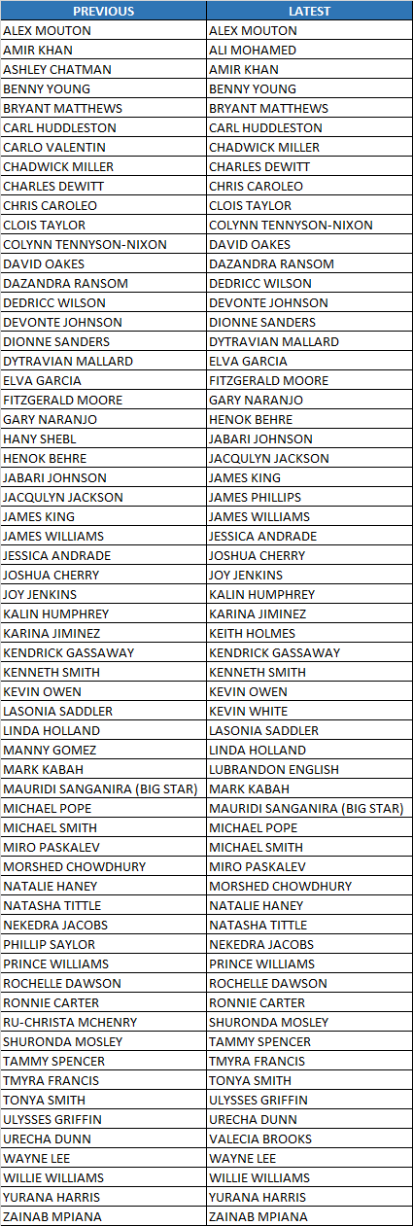

3,623.34 to 3,621.91 hours
-1.40 hours

% of Revenue Hours

78.40% to 78.40%
0.00%

Total Earnings
$114,157.61 to $112,979.00
$-1,178.59
Total Earnings
Total Duty Violation
Total Duty Violation

$3,650.00 to $3,050.00
$-600.00

Drivers
0 drivers
49 to 49 drivers

ADAGOLINK
ADA
GOLINK
TRIPS
ADAGOLINK

Standby Pay Hours
Standby Extra Hours
Total Earnings
Summary Chart

Standby Pay Hours

$243.04 to $249.11
$6.07

Standby Extra Hours

44.55 to 40.71 hours
-3.85 hours

Total Earnings
$8,337.62 to $8,214.50
$-123.12

