Solar50V IF
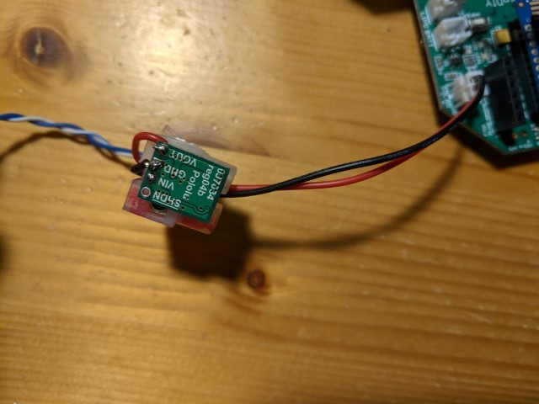
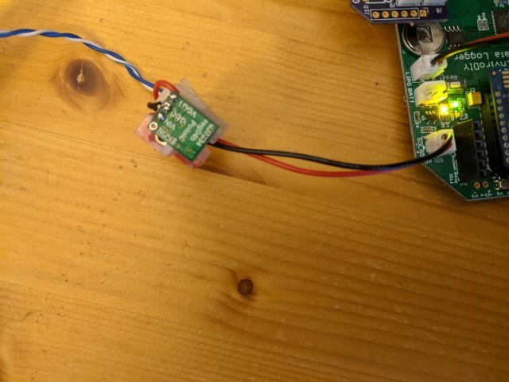
To interface to a solar panel 5W up to 50V

 | US $ | Qty
 | 5.95 | 1 | Pololu 3792 | 5V, 600mA Step-Down Voltage Regulator D36V6F5
 | 2.72 |  | Digikey A132530-ND | 6" Pwr Cable with skt/plug ~ cut in half
 |  | 1 | Adafruit-261 Dk 1528-1126-ND Seeed 32105009 | Cable Assembly JST PH 2PIN 4-6"
 |  | 1/6 | ED3000-ND | Conn Term 12 Circuits Screw Connector

With A132530-ND & Pololu 3792 brd soldered to mayfly

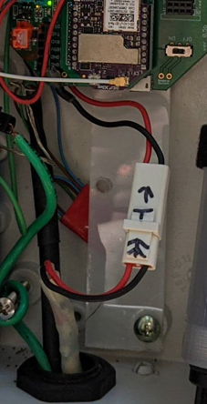
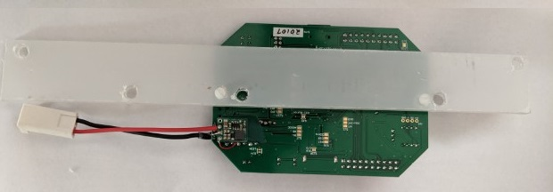

To provide a switcher to plug into Mayfly Solar port

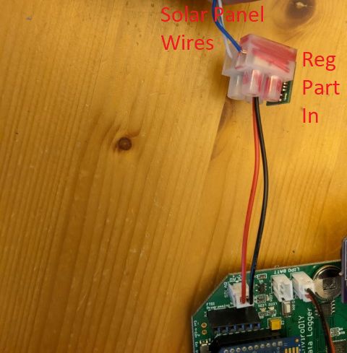

Wiring

1) With two tinned copper wires, 0.75", reg PCB components IN, connect ground and VIN to Screw Connector and solder tinned copper wires
1) Thread connecto wires through center hole of Screw connector
3) Solder JST 2PH wire to GND and Vout
4) Mark Screw connector with RED for +VE side

W01-Enclosure
Work Order #1 - Enclosure

Enclosure, + clamping options
 |  | Hardware Store | 16 in. Stainless-Steel Panel Anchors
 |  |  | HomeDepot 300456487
 |  | 2936T71 | Galvanized Steel U-Bolt with Mounting Plate, 1/4"-20 Thread Size, 1-1/4" ID

Option 1 - small enclosure, Mayfly mounted on + cabling

Drill Bud Box
 |  | NBB-15240 | 5.9x5.9x2.75inches Outdoor PBT/PC THreadedBrass M4x0.7mm
 |  | NBF-32310 | 5.9x5.9" superseded as plastic screw holes
 |  | 7066K131 | Breather Vent, Submersible, M12 x 1.5 mm Thread |  | Drill 1/4". Champer 3/8" to fit
 |  | 90258A212 | Screw SS Oval Head M4x8mm |  | Fits Bud PCB sockets for wire tensioner.

 |  | Hole for Grommet 3/4"
 |  |  | From hinge side 50mm in
 |  |  | Central 30mm from back
 |  | Bulkhead Cable Grommet drill 3/4?

 |  | Option1b Maylfy board mount vertical on hinged edge |  |  |  | Option1b Maylfy +RS485 board mount vertical on hinged edge
 |  | Polyster bar fits behind standoffs on hinged edge, securing Mayfly |  |  |  |  | Angle bar locates behined standoff, securing mayfly/RS485 board.
 |  | Stabilizing 1.5" Wide Polyster Bar, Len=? |  | McMaster ? |  |  | Plastic 10mmx10mm Angle Bar, Len=? |  | McMaster ?
 |  |  | 2 | #4 x0.25" screws thin pan head | Dk RPC7270-ND |  | 1 | #4 x0.25" screws thin pan head
 |  |  | 2 | #4 Nuts for above | Dk RPC8567-ND |  | 1 | #4 Nuts for above
5mm
5mm

4mmr
 |  |  |  | Drill 2 holes 5/32
 |  |  |  | 5mm in |  |  |  | Drill 1 holes 5/32
 |  |  |  | 1st hole 4mm down
50mm
 |  |  |  | 2nd hole seperated by 59mm
83mm
 |  |  |  | (locate with Mayfly holes)
84mm

Option 2- Enclosure with space for Vials.
 |  | PTQ-11050-C | 10.57"L X 6.3"W Polycarbonate - Hinged Clear Door
 | Am $35 Dk $36 | PTQ-11050 | 10.57"L X 6.3"W Polycarbonate - hinged
 |  | 1754-1487-ND | Gortex | VENT-PQ1NGY-N8001
 |  | 7066K131
 | $36 | Amazon

Option 3 - Temperature Humidity Protection
 | 1 | MM 4880K433 | 1/2" Male Adapter PVC Sch40- with sealed Asong sensor
 | 1 | MM 7877N104 or 3185K112 | 1/2" pipe thread Locknut

W02-Enclosure
Work Order #2 - Enclosure

Enclosure, + clamping options
 |  | Hardware Store | 16 in. Stainless-Steel Panel Anchors
 |  |  | HomeDepot 300456487
 |  | 2936T71 | Galvanized Steel U-Bolt with Mounting Plate, 1/4"-20 Thread Size, 1-1/4" ID
 |  | 90258A232 | M4x0.7mm thread. 30mm Phillips Oval machine screw
 |  | U.Fl to RPSMA cable at least 140mm
 |  |  | Adafruit-852
 |  |  | CA-UFLSBQC20

Option 2- Enclosure with space for Vials.
 | Am $35 Dk $36 | PTQ-11050 | 10.57"L X 6.3"W Polycarbonate - hinged
 | Demo | PTQ-11050-C | 10.57"L X 6.3"W Polycarbonate - Hinged Clear Door
 | $36 | Amazon
Mountin brackets (options)
 |  | NBX-10920 | 4 * SS wall mounting bracket+4x M4x8mm SS machine screws
 |  | PTX4117 | Mounting bracket Plastic -4brackets+ 4xM5x12mm self threading screws, steel zinc plated
 | Mcmaster | 94209A370 | M5 Thread, 10 mm Long, thread forming screws. Holes 6mm deep,
 |  |  | Washers for mating with SS backing
 |  | 1754-1487-ND | VENT-PQ1NGY-N8001 6.4mm chamferred 70degress |  |  | ePFTE Gortex

Drill Bud Box
 |  | 1 Hole for breather vent 6.4mm 1/4"
 |  | ? 3 Hole for Grommet 1/2"
 |  |  | Hole -middle |  | Center & 0.75" from front back of lip
 |  |  | 2 *holes-sides |  | 1" in from side and back
 |  | Mm 7682A651 | EPDM Rubber Tape Self fusing for
 |  |  | (need aslo a flexible sealer tape, pipe putty?)

 |  | ? 2 Holes for Grommet 3/4"
 |  |  | From hinge side 50mm in
 |  |  | Central 30mm from back
 |  | Bulkhead Cable Grommet drill 3/4?

Internal Mechanical 1.5" Polycarbonate Bar |  |  |  |  | McMaster 1749K86 2' (614mm or two bars below)
 |  |  | 2 |  | 2 M4 supplied with PTQ
 |  |  | 2 |  | Screw+2nuts for Mayfly to bar.
 |  |  | 2 |  | #4-40 Slotted Nylon Screw PC7270-ND Essentra 010440F100
 |  |  | 4 |  | #4-40 Hex Nut 1/4" Nylon RPC8567-ND Essentra 0400440HN
 |  |  | 1 | Dk RPC7268-ND | (opt) supporting plastic screw & nut max 3/16"
 |  |  | 2 |  | Bolt Slotted Hex 4-40 RPC7270-ND/25mm ‎RPC7268-ND/12m‎ & Nut RPC8567-ND‎
 |  |  |  |  | Bolt soltted round 4-40 RPC4738-ND/22mm & Nut ‎RPC8567-ND‎
 |  |  |  |  | Be nice for Snap Lock Option - Dk RPC4738-ND
 |  |  | Mechanical strain relief, SS or galvanized
 |  |  | 2 |  | 6-32 Machine screw 1.5-2" + two nuts + two wide washers
 | a) Drill on center

19mm

6mm
4mm
 |  |  |  |  | Drill 4 holes 3/16"
 |  |  |  |  | Center 18mm in
 |  |  |  |  | #1 hole 4mm down
211mm
 |  |  |  |  | #2 hole 6mm down
85mm
 |  |  |  |  | #3 hole 85mm from #2
 |  |  |  |  | (locate with Mayfly holes)
225mm

130mm
 |  |  |  |  | #4 - 130mm -external plastic support

 |  |  |  |  | #5 hole 211mm from #1
 |  |  |  |  | (Bud PTQ11050 spacing)

 | b) Drill off center, spaced for battery wire

4mm
4mm
40mm
 |  |  |  |  | Drill 2 holes 1/8" for Mayfly
 |  |  |  |  | Drill 3 holes 3/16" for Cabinet
 |  |  |  |  | Center 18mm in
 |  |  |  |  | #1 hole 4mm down
211mm
 |  |  |  |  | #2 hole 1/8" 40mm down
Mafly
 |  |  |  |  | #3 hole 1/8" 85mm from #2
85mm
 |  |  |  |  | (locate with Mayfly holes)
225mm

130mm
 |  |  |  |  | #4 - 130mm -external plastic support

 |  |  |  |  | #5 hole 211mm from #1
 |  |  |  |  | (Bud PTQ11050 spacing)

Drill Bud Box
1 Hole for breather vent 6.4mm 1/4"

1 Bulkhead Cable Grommet drill 3/4?
 | From hinge side 50mm in
 | Central 30mm from back

Mm 7682A651
 | EPDM Rubber Tape Self fusing for
 | (need aslo a flexible sealer tape, pipe putty?)

 | External Antenna Hole (1/4"??)

