plot digitized
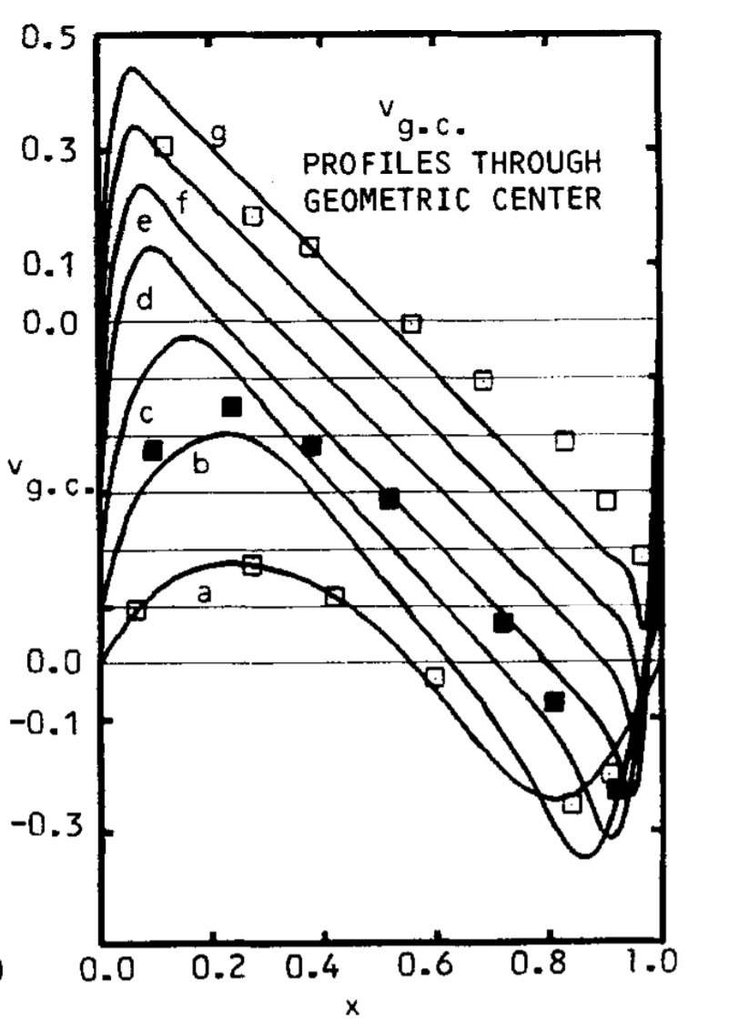
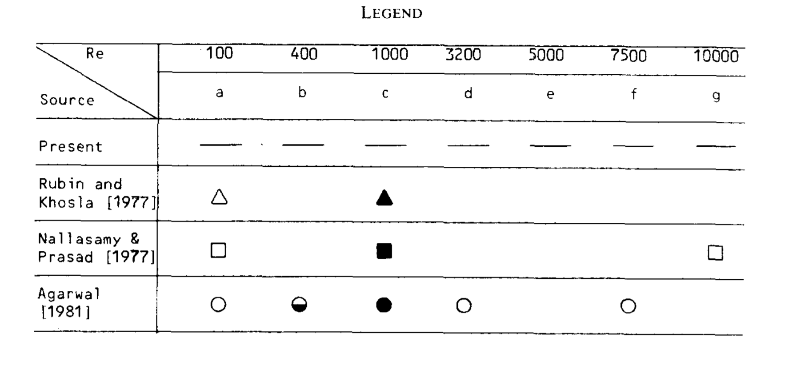

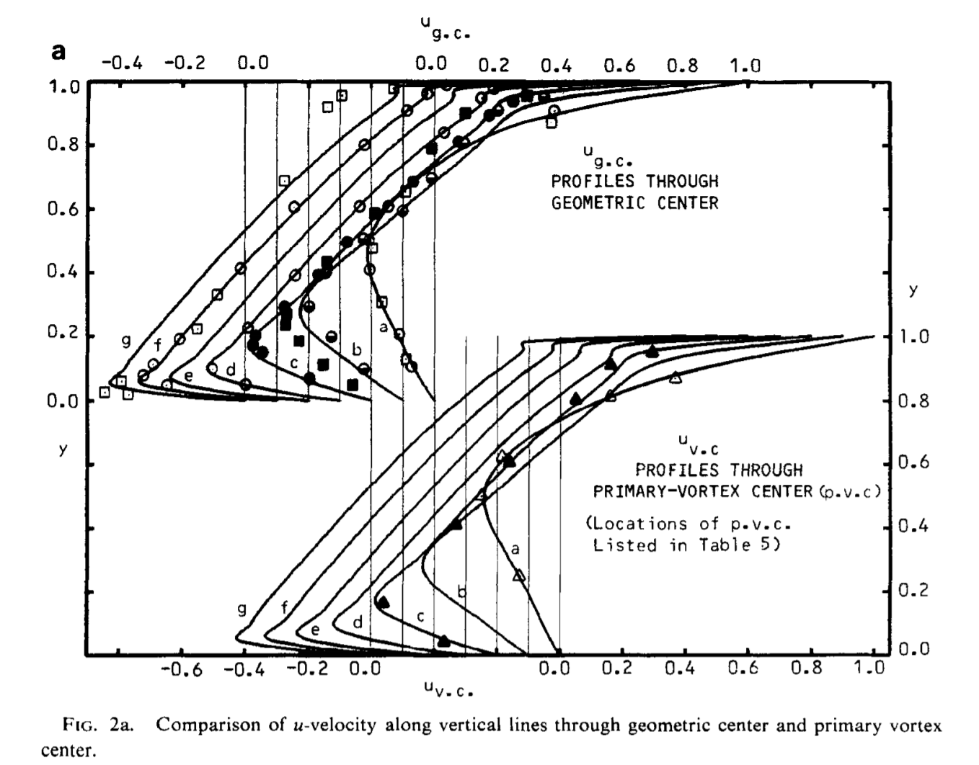

Ghia 129x129
x | v
0.00095693779904 | 0.0037974683544
0.066028708134 | 0.093037974684
0.12727272727 | 0.15
0.19425837321 | 0.1746835443 |  |  |  |  |  |  |  |  |  |  |  | 70x70 |  |  |  | 257x257 |  |  |  | 129x129
0.27655502392 | 0.17088607595 |  |  |  |  |  |  |  |  |  |  |  | x | u | v | P | x | u | v | P | x | u | v | P
0.36842105263 | 0.14240506329 |  |  |  |  |  |  |  |  |  |  |  | 0 | 0 | 0 | 2.1133163419 | 0 | 0 | 0 | 16.456812839 | 0 | 0 | 0 | 5.0794058638
Ghia U-Velocity Comparison, Re = 100
Ghia V-Velocity Comparison, Re = 100
0.41818181818 | 0.11582278481 |  |  |  |  |  |  |  |  |  |  |  | 0.014492753623 | -0.00054777299798 | 0.022810349182 | 2.1133163419 | 0.00390625 | -1.66E-06 | 7.02E-05 | 16.456812839 | 0.0078125 | -5.94E-06 | 0.0001377869538 | 5.0794058638
0.47942583732 | 0.075949367089 |  |  |  |  |  |  |  |  |  |  |  | 0.028985507246 | -0.0020759629881 | 0.043457121303 | 2.1139743044 | 0.0078125 | -2.10E-06 | 7.12E-05 | 16.457089062 | 0.015625 | -7.37E-06 | 0.00013963797943 | 5.0799094302
0.53492822967 | 0.022784810127 |  |  |  |  |  |  |  |  |  |  |  | 0.04347826087 | -0.0044752966225 | 0.062012818162 | 2.114632267 | 0.01171875 | -2.85E-06 | 7.11E-05 | 16.457365285 | 0.0234375 | -9.78E-06 | 0.00013929777931 | 5.0804129966
0.59234449761 | -0.043670886076 |  |  |  |  |  |  |  |  |  |  |  | 0.057971014493 | -0.0076423803859 | 0.078567176394 | 2.1156011772 | 0.015625 | -3.54E-06 | 7.10E-05 | 16.45777782 | 0.03125 | -1.20E-05 | 0.00013883655175 | 5.0811415805
0.65933014354 | -0.1253164557 |  |  |  |  |  |  |  |  |  |  |  | 0.072463768116 | -0.011480202724 | 0.093222475428 | 2.1168218825 | 0.01953125 | -4.25E-06 | 7.09E-05 | 16.458302593 | 0.0390625 | -1.42E-05 | 0.00013828079849 | 5.0820507561
0.71100478469 | -0.18037974684 |  |  |  |  |  |  |  |  |  |  |  | 0.086956521739 | -0.015898450435 | 0.10608934899 | 2.1183014659 | 0.0234375 | -4.95E-06 | 7.08E-05 | 16.458943322 | 0.046875 | -1.64E-05 | 0.00013763270918 | 5.0831483807
0.77990430622 | -0.23164556962 |  |  |  |  |  |  |  |  |  |  |  | 0.10144927536 | -0.020813778206 | 0.11728304734 | 2.1200358084 | 0.02734375 | -5.65E-06 | 7.07E-05 | 16.459699303 | 0.0546875 | -1.87E-05 | 0.00013689187171 | 5.0844318571
0.83157894737 | -0.23164556962 |  |  |  |  |  |  |  |  |  |  |  | 0.11594202899 | -0.026149983461 | 0.12692013324 | 2.1220214537 | 0.03125 | -6.35E-06 | 7.06E-05 | 16.460570091 | 0.0625 | -2.09E-05 | 0.00013606022405 | 5.0859009537
0.86985645933 | -0.20696202532 |  |  |  |  |  |  |  |  |  |  |  | 0.13043478261 | -0.031838063066 | 0.13511561206 | 2.1242549897 | 0.03515625 | -7.04E-06 | 7.04E-05 | 16.461555577 | 0.0703125 | -2.30E-05 | 0.00013513632685 | 5.0875539133
0.91578947368 | -0.14810126582 |  |  |  |  |  |  |  |  |  |  |  | 0.14492753623 | -0.037816144068 | 0.14198050064 | 2.126732654 | 0.0390625 | -7.74E-06 | 7.02E-05 | 16.462655354 | 0.078125 | -2.52E-05 | 0.00013412285496 | 5.0893902691
0.94449760766 | -0.10443037975 |  |  |  |  |  |  |  |  |  |  |  | 0.15942028986 | -0.044029292482 | 0.14761983629 | 2.1294498017 | 0.04296875 | -8.43E-06 | 7.00E-05 | 16.463869254 | 0.0859375 | -2.73E-05 | 0.00013301774974 | 5.0914077979
0.98277511962 | -0.026582278481 |  |  |  |  |  |  |  |  |  |  |  | 0.17391304348 | -0.050429212477 | 0.15213111937 | 2.1324018486 | 0.046875 | -9.12E-06 | 6.98E-05 | 16.465196905 | 0.09375 | -2.95E-05 | 0.00013182532576 | 5.0936060655
1 | 0.011392405063 |  |  |  |  |  |  |  |  |  |  |  | 0.1884057971 | -0.05697385332 | 0.15560317324 | 2.1355839244 | 0.05078125 | -9.81E-06 | 6.96E-05 | 16.466637924 | 0.1015625 | -3.16E-05 | 0.00013054239848 | 5.0959826816
 |  |  |  |  |  |  |  |  |  |  |  |  | 0.20289855072 | -0.063626943815 | 0.15811539557 | 2.1389911063 | 0.0546875 | -1.05E-05 | 6.94E-05 | 16.468192194 | 0.109375 | -3.37E-05 | 0.00012917286713 | 5.0985372071
 |  |  |  |  |  |  |  |  |  |  |  |  | 0.21739130435 | -0.070357474165 | 0.15973736638 | 2.1426171769 | 0.05859375 | -1.12E-05 | 6.91E-05 | 16.469859179 | 0.1171875 | -3.57E-05 | 0.00012771308389 | 5.1012670009
 |  |  |  |  |  |  |  |  |  |  |  |  | 0.23188405797 | -0.077139143836 | 0.16052877159 | 2.1464562731 | 0.0625 | -1.19E-05 | 6.89E-05 | 16.471638906 | 0.125 | -3.78E-05 | 0.0001261661361 | 5.1041714551
 |  |  |  |  |  | TITLE | = | HORIZONTAL LINE |  |  |  |  | 0.24637681159 | -0.083949791645 | 0.16053959624 | 2.1505016701 | 0.06640625 | -1.25E-05 | 6.86E-05 | 16.473530614 | 0.1328125 | -3.99E-05 | 0.00012452838201 | 5.1072489063
 |  |  |  |  |  | VARIABLES | = | Y | U | V | P |  | 0.26086956522 | -0.090770821341 | 0.15981054001 | 2.1547468776 | 0.0703125 | -1.32E-05 | 6.83E-05 | 16.475534502 | 0.140625 | -4.19E-05 | 0.00012280406664 | 5.1104985221
 |  | Ghia 129 x 129 |  | 70x70 |  | ZONE | I | = | 70 | J | = | 70 | 0.27536231884 | -0.097586632867 | 0.15837360765 | 2.1591851287 | 0.07421875 | -1.39E-05 | 6.80E-05 | 16.477649629 | 0.1484375 | -4.39E-05 | 0.00012099046456 | 5.1139193978
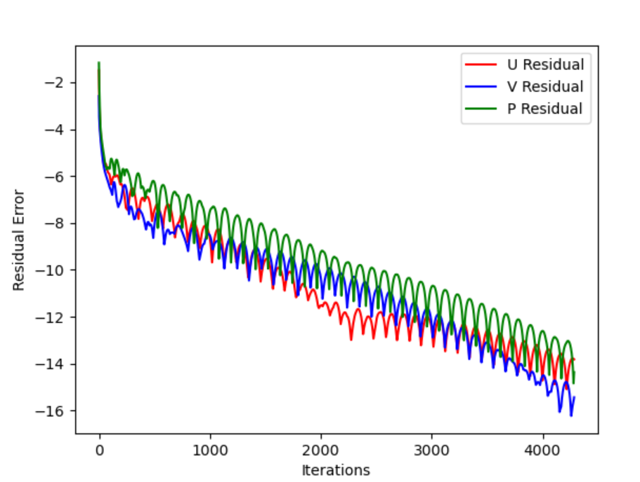
 |  | u | y | U | Y |  |  | 0 | -0.040590907195 |  |  |  | 0.28985507246 | -0.10438406646 | 0.15625283 | 2.1638095825 | 0.078125 | -1.46E-05 | 6.77E-05 | 16.479876427 | 0.15625 | -4.59E-05 | 0.00011910185668 | 5.1175095307
 |  | 0.0048780487805 | 0.020423156039 | 0.95209650964 | 1 |  |  | 0.0020500095746 | -0.041414278318 |  |  |  | 0.30434782609 | -0.11115186404 | 0.15346507532 | 2.1686125127 | 0.08203125 | -1.53E-05 | 6.74E-05 | 16.48221392 | 0.1640625 | -4.78E-05 | 0.00011713394872 | 5.1212664074
 |  | -0.029268292683 | 0.068204525419 | 0.85630094772 | 0.98550724638 |  |  | 0.0061501943063 | -0.043155864566 |  |  |  | 0.31884057971 | -0.11788014999 | 0.15002091644 | 2.1735858594 | 0.0859375 | -1.59E-05 | 6.70E-05 | 16.484662541 | 0.171875 | -4.98E-05 | 0.0001150935405 | 5.1251876724
 |  | -0.012195121951 | 0.049133117837 | 0.76199198418 | 0.97101449275 |  |  | 0.012070897033 | -0.045058344583 |  |  |  | 0.33333333333 | -0.12455993172 | 0.14592552552 | 2.1787213938 | 0.08984375 | -1.66E-05 | 6.66E-05 | 16.487221112 | 0.1796875 | -5.17E-05 | 0.0001129740597 | 5.1292696296
 |  | -0.068292682927 | 0.14484278578 | 0.671751418 | 0.95652173913 |  |  | 0.019449857348 | -0.04706124096 |  |  |  | 0.34782608696 | -0.13118261865 | 0.14117957549 | 2.1840112812 | 0.09375 | -1.73E-05 | 6.63E-05 | 16.489889899 | 0.1875 | -5.35E-05 | 0.00011077401817 | 5.1335108865
 |  | -0.12195121951 | 0.24781075522 | 0.58743489397 | 0.94202898551 |  |  | 0.027867535829 | -0.04910183527 |  |  |  | 0.36231884058 | -0.13773955769 | 0.13578013354 | 2.1894468919 | 0.09765625 | -1.79E-05 | 6.59E-05 | 16.492667889 | 0.1953125 | -5.53E-05 | 0.00010849627975 | 5.1379094741
 |  | -0.09512195122 | 0.19271231267 | 0.51016301962 | 0.92753623188 |  |  | 0.036901786968 | -0.051120730455 |  |  |  | 0.3768115942 | -0.14422158235 | 0.12972153913 | 2.1950207571 | 0.1015625 | -1.86E-05 | 6.55E-05 | 16.495555249 | 0.203125 | -5.71E-05 | 0.00010615080155 | 5.1424624074
 |  | -0.082926829268 | 0.17358213341 | 0.44040660122 | 0.91304347826 |  |  | 0.046163961795 | -0.053064741061 |  |  |  | 0.39130434783 | -0.15061857225 | 0.12299626443 | 2.2007245245 | 0.10546875 | -1.93E-05 | 6.51E-05 | 16.498551166 | 0.2109375 | -5.89E-05 | 0.00010373451799 | 5.1471664506
 |  | -0.11219512195 | 0.22624155157 | 0.37811893791 | 0.89855072464 |  |  | 0.055319470303 | -0.054887854921 |  |  |  | 0.40579710145 | -0.15691902006 | 0.11559576057 | 2.2065501874 | 0.109375 | -1.99E-05 | 6.47E-05 | 16.501655613 | 0.21875 | -6.06E-05 | 0.00010124804754 | 5.1520188703
 |  | -0.13902439024 | 0.27652071701 | 0.32288130576 | 0.88405797101 |  |  | 0.064096330178 | -0.056551005196 |  |  |  | 0.42028985507 | -0.16310960273 | 0.10751129731 | 2.2124900935 | 0.11328125 | -2.06E-05 | 6.42E-05 | 16.5048681 | 0.2265625 | -6.23E-05 | 9.87E-05 | 5.1570166862
 |  | -0.1512195122 | 0.31010872759 | 0.27403956325 | 0.86956521739 |  |  | 0.072285225033 | -0.058021257455 |  |  |  | 0.4347826087 | -0.16917475459 | 0.098734807116 | 2.2185354146 | 0.1171875 | -2.12E-05 | 6.38E-05 | 16.508188279 | 0.234375 | -6.40E-05 | 9.61E-05 | 5.1621574652
 |  | -0.17317073171 | 0.35321774904 | 0.23081955008 | 0.85507246377 |  |  | 0.079734213031 | -0.059270837993 |  |  |  | 0.44927536232 | -0.17509624042 | 0.089259747306 | 2.2246778391 | 0.12109375 | -2.19E-05 | 6.33E-05 | 16.511615824 | 0.2421875 | -6.56E-05 | 9.34E-05 | 5.1674375055
 |  | -0.18292682927 | 0.38201586835 | 0.19241631598 | 0.84057971014 |  |  | 0.086340630523 | -0.060276261953 |  |  |  | 0.46376811594 | -0.18085272793 | 0.079081995688 | 2.2309079712 | 0.125 | -2.25E-05 | 6.28E-05 | 16.515150083 | 0.25 | -6.72E-05 | 9.06E-05 | 5.172854291
 |  | -0.19024390244 | 0.40361445783 | 0.15805724881 | 0.82608695652 |  |  | 0.092042071841 | -0.06101768846 |  |  |  | 0.47826086957 | -0.18641936032 | 0.068200796139 | 2.2372175137 | 0.12890625 | -2.32E-05 | 6.23E-05 | 16.518790999 | 0.2578125 | -6.87E-05 | 8.78E-05 | 5.1784032477
 |  | -0.19756097561 | 0.44930943285 | 0.12704217242 | 0.8115942029 |  |  | 0.096807700606 | -0.061478539691 |  |  |  | 0.49275362319 | -0.19176733189 | 0.056619770956 | 2.2435981995 | 0.1328125 | -2.38E-05 | 6.18E-05 | 16.522537835 | 0.265625 | -7.02E-05 | 8.50E-05 | 5.1840820571
 |  | -0.2 | 0.47819570967 | 0.098764891729 | 0.79710144928 |  |  | 0.10063062142 | -0.061645365468 |  |  |  | 0.50724637681 | -0.19686347231 | 0.044348016331 | 2.2500405798 | 0.13671875 | -2.45E-05 | 6.13E-05 | 16.526390628 | 0.2734375 | -7.16E-05 | 8.20E-05 | 5.1898862539
 |  | -0.18292682927 | 0.54587129004 | 0.072720944697 | 0.78260869565 |  |  | 0.1035216383 | -0.061507905338 |  |  |  | 0.52173913043 | -0.20166984881 | 0.031401296078 | 2.2565365032 | 0.140625 | -2.51E-05 | 6.08E-05 | 16.530348507 | 0.28125 | -7.30E-05 | 7.91E-05 | 5.1958133199
 |  | -0.18780487805 | 0.52171613282 | 0.048505906788 | 0.76811594203 |  |  | 0.10550444667 | -0.061059287474 |  |  |  | 0.53623188406 | -0.20614340012 | 0.017803346359 | 2.2630778865 | 0.14453125 | -2.57E-05 | 6.03E-05 | 16.53441159 | 0.2890625 | -7.44E-05 | 7.60E-05 | 5.2018590114
 |  | -0.16341463415 | 0.57502203938 | 0.025807829194 | 0.75362318841 |  |  | 0.10661213259 | -0.060296301658 |  |  |  | 0.55072463768 | -0.2102356218 | 0.0035873004035 | 2.2696556406 | 0.1484375 | -2.64E-05 | 5.97E-05 | 16.538578854 | 0.296875 | -7.57E-05 | 7.29E-05 | 5.2080204354
 |  | -0.11951219512 | 0.63820158684 | 0.0043965256854 | 0.73913043478 |  |  | 0.10688476243 | -0.059219687562 |  |  |  | 0.5652173913 | -0.21389232954 | -0.011202763449 | 2.2762613576 | 0.15234375 | -2.70E-05 | 5.91E-05 | 16.542850485 | 0.3046875 | -7.70E-05 | 6.98E-05 | 5.2142933319
 |  | -0.13902439024 | 0.6138701146 | -0.015888389418 | 0.72463768116 |  |  | 0.10636781477 | -0.057834386873 |  |  |  | 0.57971014493 | -0.21705353537 | -0.026510155285 | 2.2828865659 | 0.15625 | -2.76E-05 | 5.85E-05 | 16.547225279 | 0.3125 | -7.82E-05 | 6.66E-05 | 5.2206748604
 |  | -0.09756097561 | 0.6625624449 | -0.035149487049 | 0.71014492754 |  |  | 0.10511121207 | -0.056149716786 |  |  |  | 0.59420289855 | -0.21965348099 | -0.042263805079 | 2.289522479 | 0.16015625 | -2.83E-05 | 5.79E-05 | 16.55170323 | 0.3203125 | -7.94E-05 | 6.33E-05 | 5.2271614282
 |  | -0.058536585366 | 0.69194828093 | -0.053442823526 | 0.69565217391 |  |  | 0.10316873752 | -0.054179432226 |  |  |  | 0.60869565217 | -0.22162088286 | -0.058376424061 | 2.2961608679 | 0.1640625 | -2.89E-05 | 5.73E-05 | 16.55628293 | 0.328125 | -8.06E-05 | 6.00E-05 | 5.2337488953
 |  | -0.026829268293 | 0.723655598 | -0.070788206477 | 0.68115942029 |  |  | 0.10059765951 | -0.051941654257 |  |  |  | 0.6231884058 | -0.222879454 | -0.074742648379 | 2.3027934956 | 0.16796875 | -2.95E-05 | 5.67E-05 | 16.560964511 | 0.3359375 | -8.17E-05 | 5.67E-05 | 5.2404371384
 |  | 0.017073170732 | 0.75791948281 | -0.087178308709 | 0.66666666667 |  |  | 0.097458426425 | -0.049458652377 |  |  |  | 0.63768115942 | -0.22334877707 | -0.091237243435 | 2.3094117342 | 0.171875 | -3.01E-05 | 5.61E-05 | 16.565746567 | 0.34375 | -8.28E-05 | 5.33E-05 | 5.2472197752
 |  | 0.063414634146 | 0.77775492213 | -0.10258664339 | 0.65217391304 |  |  | 0.093814332629 | -0.046756478483 |  |  |  | 0.65217391304 | -0.22294561078 | -0.10771347882 | 2.3160068375 | 0.17578125 | -3.07E-05 | 5.54E-05 | 16.570629174 | 0.3515625 | -8.38E-05 | 4.99E-05 | 5.2540954701
 |  | 0.09756097561 | 0.80226270937 | -0.11697447548 | 0.63768115942 |  |  | 0.089731091317 | -0.043864460008 |  |  |  | 0.66666666667 | -0.22158571434 | -0.12400182055 | 2.3225703851 | 0.1796875 | -3.13E-05 | 5.47E-05 | 16.575610707 | 0.359375 | -8.48E-05 | 4.64E-05 | 5.2610595123
 |  | 0.13658536585 | 0.82200999118 | -0.13029676168 | 0.6231884058 |  |  | 0.085276279937 | -0.040814568778 |  |  |  | 0.68115942029 | -0.21918627061 | -0.13990912741 | 2.3290932584 | 0.18359375 | -3.19E-05 | 5.40E-05 | 16.580690807 | 0.3671875 | -8.57E-05 | 4.29E-05 | 5.2681057518
 |  | 0.1756097561 | 0.84175727299 | -0.14250720408 | 0.60869565217 |  |  | 0.080518649039 | -0.037640690017 |  |  |  | 0.69565217391 | -0.21566897393 | -0.15521857876 | 2.3355668538 | 0.1875 | -3.25E-05 | 5.33E-05 | 16.58586806 | 0.375 | -8.66E-05 | 3.94E-05 | 5.275231455
 |  | 0.21219512195 | 0.85665589186 | -0.15356248513 | 0.59420289855 |  |  | 0.075527305752 | -0.034377822283 |  |  |  | 0.71014492754 | -0.21096382046 | -0.16969059683 | 2.341982789 | 0.19140625 | -3.30E-05 | 5.26E-05 | 16.591142005 | 0.3828125 | -8.75E-05 | 3.58E-05 | 5.2824350205
 |  | 0.25365853659 | 0.8716132824 | -0.16342573319 | 0.57971014493 |  |  | 0.070370798563 | -0.031061243383 |  |  |  | 0.72463768116 | -0.20501359341 | -0.18306504993 | 2.3483316082 | 0.1953125 | -3.36E-05 | 5.19E-05 | 16.596511408 | 0.390625 | -8.83E-05 | 3.22E-05 | 5.2897105055
 |  | 0.28292682927 | 0.8840141052 | -0.17206925376 | 0.5652173913 |  |  | 0.065116140862 | -0.02772567931 |  |  |  | 0.73913043478 | -0.1977789709 | -0.19506502482 | 2.3546046646 | 0.19921875 | -3.42E-05 | 5.12E-05 | 16.601975998 | 0.3984375 | -8.90E-05 | 2.86E-05 | 5.2970525299
 |  | 0.31463414634 | 0.89162503673 | -0.17947655418 | 0.55072463768 |  |  | 0.05982781696 | -0.024404512611 |  |  |  | 0.75362318841 | -0.18924410014 | -0.20540242573 | 2.3607932029 | 0.203125 | -3.48E-05 | 5.04E-05 | 16.607534434 | 0.40625 | -8.97E-05 | 2.49E-05 | 5.3044590863
 |  | 0.35365853659 | 0.90173376433 | -0.18564368978 | 0.53623188406 |  |  | 0.054566816286 | -0.021129063656 |  |  |  | 0.76811594203 | -0.17942238099 | -0.21378558225 | 2.3668878734 | 0.20703125 | -3.53E-05 | 4.97E-05 | 16.613186349 | 0.4140625 | -9.04E-05 | 2.13E-05 | 5.3119257298
 |  | 0.39512195122 | 0.91187187775 | -0.19057996553 | 0.52173913043 |  |  | 0.049389739642 | -0.017927973003 |  |  |  | 0.78260869565 | -0.16836209284 | -0.21992891977 | 2.3728799526 | 0.2109375 | -3.59E-05 | 4.89E-05 | 16.618930325 | 0.421875 | -9.10E-05 | 1.76E-05 | 5.319449261
 |  | 0.42926829268 | 0.92192183368 | -0.19430803758 | 0.50724637681 |  |  | 0.044348016331 | -0.014826706223 |  |  |  | 0.79710144928 | -0.15615139392 | -0.22356456026 | 2.3787600988 | 0.21484375 | -3.64E-05 | 4.81E-05 | 16.624766411 | 0.4296875 | -9.15E-05 | 1.38E-05 | 5.3270239193
 |  | 0.46097560976 | 0.92953276521 | -0.19686347231 | 0.49275362319 |  |  | 0.039487263509 | -0.011847194579 |  |  |  | 0.8115942029 | -0.14292214107 | -0.22445548244 | 2.3845201319 | 0.21875 | -3.70E-05 | 4.73E-05 | 16.630692716 | 0.4375 | -9.20E-05 | 1.01E-05 | 5.3346465497
 |  | 0.5 | 0.9396414928 | -0.19829383249 | 0.47826086957 |  |  | 0.034846809912 | -0.0090076166697 |  |  |  | 0.82608695652 | -0.12885194278 | -0.2224095973 | 2.3901512531 | 0.22265625 | -3.75E-05 | 4.65E-05 | 16.636709502 | 0.4453125 | -9.24E-05 | 6.32E-06 | 5.3423131454
 |  | 0.53658536585 | 0.947311196 | -0.19865737167 | 0.46376811594 |  |  | 0.030459396285 | -0.006322318151 |  |  |  | 0.84057971014 | -0.11416389326 | -0.21729381933 | 2.3956448035 | 0.2265625 | -3.80E-05 | 4.57E-05 | 16.642814553 | 0.453125 | -9.29E-05 | 2.54E-06 | 5.3500196097
 |  | 0.56585365854 | 0.95248310314 | -0.19802142477 | 0.44927536232 |  |  | 0.026351054991 | -0.0038018596316 |  |  |  | 0.85507246377 | -0.099123558803 | -0.20904698332 | 2.4009926854 | 0.23046875 | -3.86E-05 | 4.49E-05 | 16.649008493 | 0.4609375 | -9.32E-05 | -1.27E-06 | 5.3577608775
 |  | 0.60487804878 | 0.95777255363 | -0.19646058681 | 0.4347826087 |  |  | 0.022541162266 | -0.001453177149 |  |  |  | 0.86956521739 | -0.084033006841 | -0.19769032479 | 2.4061859302 | 0.234375 | -3.91E-05 | 4.40E-05 | 16.655289212 | 0.46875 | -9.35E-05 | -5.08E-06 | 5.3655345095
 |  | 0.65609756098 | 0.9680282104 | -0.19405477041 | 0.42028985507 |  |  | 0.019042648919 | 0.0007201643571 |  |  |  | 0.88405797101 | -0.069221971362 | -0.18333426206 | 2.4112161508 | 0.23828125 | -3.96E-05 | 4.32E-05 | 16.661657302 | 0.4765625 | -9.37E-05 | -8.90E-06 | 5.3733338853
 |  | 0.70487804878 | 0.97825448134 | -0.1908872275 | 0.40579710145 |  |  | 0.015862349307 | 0.0027176464276 |  |  |  | 0.89855072464 | -0.055036603647 | -0.16618042417 | 2.4160750316 | 0.2421875 | -4.01E-05 | 4.23E-05 | 16.668110622 | 0.484375 | -9.39E-05 | -1.27E-05 | 5.3811564037
 |  | 0.74634146341 | 0.98116367911 | -0.18704261198 | 0.39130434783 |  |  | 0.013001464338 | 0.004541423762 |  |  |  | 0.91304347826 | -0.041826610112 | -0.1465182649 | 2.4207542225 | 0.24609375 | -4.06E-05 | 4.14E-05 | 16.674649269 | 0.4921875 | -9.41E-05 | -1.66E-05 | 5.3889967762
 |  | 0.80243902439 | 0.99388774611 | -0.18260514853 | 0.3768115942 |  |  | 0.010456112055 | 0.0061959237684 |  |  |  | 0.92753623188 | -0.029931866352 | -0.12471615126 | 2.4252456009 | 0.25 | -4.11E-05 | 4.05E-05 | 16.681271468 | 0.5 | -9.42E-05 | -2.04E-05 | 5.3968519573
 |  | 0.83170731707 | 0.99665001469 | -0.17765695937 | 0.36231884058 |  |  | 0.0082179388841 | 0.0076874385367 |  |  |  | 0.94202898551 | -0.019669757203 | -0.10120743882 | 2.4295416082 | 0.25390625 | -4.16E-05 | 3.96E-05 | 16.687976509 | 0.5078125 | -9.42E-05 | -2.43E-05 | 5.4047175514
 |  | 0.87804878049 | 1.0044372612 | -0.17227658691 | 0.34782608696 |  |  | 0.0062747656668 | 0.0090237259593 |  |  |  | 0.95652173913 | -0.011324486711 | -0.07647264482 | 2.4336350186 | 0.2578125 | -4.21E-05 | 3.87E-05 | 16.694762903 | 0.515625 | -9.42E-05 | -2.81E-05 | 5.4125894663
 |  | 0.9243902439 | 1.0098148692 | -0.1665377362 | 0.33333333333 |  |  | 0.0046112447703 | 0.010213633424 |  |  |  | 0.97101449275 | -0.0051394222432 | -0.051019302731 | 2.4375184501 | 0.26171875 | -4.26E-05 | 3.78E-05 | 16.701629789 | 0.5234375 | -9.41E-05 | -3.20E-05 | 5.4204619421
 |  | 0.9512195122 | 1.0149573905 | -0.16050824839 | 0.31884057971 |  |  | 0.003209507594 | 0.011266754066 |  |  |  | 0.98550724638 | -0.0013132119077 | -0.025361356227 | 2.4411850355 | 0.265625 | -4.31E-05 | 3.68E-05 | 16.708576075 | 0.53125 | -9.40E-05 | -3.59E-05 | 5.4283323685
 |  | 0.98536585366 | 1.0201880694 | -0.15424930449 | 0.30434782609 |  |  | 0.0020497853264 | 0.012193122226 |  |  |  | 1 | 0 | 0 | 2.4446283521 | 0.26953125 | -4.36E-05 | 3.59E-05 | 16.715601331 | 0.5390625 | -9.39E-05 | -3.97E-05 | 5.436196582
 |  | 1.012195122 | 1.0253305907 | -0.14781484965 | 0.28985507246 |  |  | 0.0011109895473 | 0.013002951752 |  |  |  |  |  | -0.00019182757647 | 2.4478419613 | 0.2734375 | -4.40E-05 | 3.49E-05 | 16.722704396 | 0.546875 | -9.37E-05 | -4.36E-05 | 5.4440497769
 |  | -0.046341463415 | 0.10414340288 | -0.14125122002 | 0.27536231884 |  |  | 0.00037124298822 | 0.013706418176 |  |  |  |  |  | -0.00019501852556 | 2.4508200281 | 0.27734375 | -4.45E-05 | 3.40E-05 | 16.729884602 | 0.5546875 | -9.34E-05 | -4.74E-05 | 5.4518880402
 |  |  |  | -0.13459694898 | 0.26086956522 |  |  | -0.00019164573243 | 0.014313483699 |  |  |  |  |  | -0.00019792858251 | 2.4535573765 | 0.28125 | -4.49E-05 | 3.30E-05 | 16.737140584 | 0.5625 | -9.31E-05 | -5.12E-05 | 5.4597047357
 |  |  |  | -0.12788272563 | 0.24637681159 |  |  | -0.00059976642686 | 0.014833762349 |  |  |  |  |  | -0.00020055357971 | 2.4560488281 | 0.28515625 | -4.54E-05 | 3.20E-05 | 16.744471627 | 0.5703125 | -9.27E-05 | -5.50E-05 | 5.4674981141
 |  |  |  | -0.12113147639 | 0.23188405797 |  |  | -0.00087475099963 | 0.01527642153 |  |  |  |  |  | -0.00020288851356 | 2.4582896499 | 0.2890625 | -4.58E-05 | 3.10E-05 | 16.751876236 | 0.578125 | -9.23E-05 | -5.88E-05 | 5.4752628099
 |  |  |  | -0.1143585402 | 0.21739130435 |  |  | -0.0010374744733 | 0.015650115479 |  |  |  |  |  | -0.00020492442757 | 2.4602757063 | 0.29296875 | -4.62E-05 | 3.00E-05 | 16.759353184 | 0.5859375 | -9.18E-05 | -6.26E-05 | 5.4829928394
 |  |  |  | -0.10757190795 | 0.20289855072 |  |  | -0.0011078095818 | 0.015962945819 |  |  |  |  |  | -0.00020665769978 | 2.4620032337 | 0.296875 | -4.67E-05 | 2.90E-05 | 16.766901098 | 0.59375 | -9.13E-05 | -6.64E-05 | 5.4906861994
 |  |  |  | -0.10077249861 | 0.1884057971 |  |  | -0.0011044297553 | 0.016222444226 |  |  |  |  |  | -0.00020808118716 | 2.4634684318 | 0.30078125 | -4.71E-05 | 2.80E-05 | 16.774518074 | 0.6015625 | -9.07E-05 | -7.01E-05 | 5.4983371958
 |  |  |  | -0.093954445948 | 0.17391304348 |  |  | -0.0010446543327 | 0.016435572334 |  |  |  |  |  | -0.0002091520422 | 2.4646675294 | 0.3046875 | -4.75E-05 | 2.69E-05 | 16.782203933 | 0.609375 | -9.00E-05 | -7.38E-05 | 5.5059406408
 |  |  |  | -0.087105372404 | 0.15942028986 |  |  | -0.00094432919016 | 0.016608734125 |  |  |  |  |  | -0.00020680487341 | 2.46560733 | 0.30859375 | -4.79E-05 | 2.59E-05 | 16.789956776 | 0.6171875 | -8.93E-05 | -7.75E-05 | 5.5134937622
 |  |  |  | -0.080206628551 | 0.14492753623 |  |  | -0.0008177356115 | 0.01674779623 |  |  |  |  |  | 0 | 2.4662268983 | 0.3125 | -4.83E-05 | 2.49E-05 | 16.797776638 | 0.625 | -8.86E-05 | -8.12E-05 | 5.5209907598
 |  |  |  | -0.073233478811 | 0.13043478261 |  |  | -0.00067752009999 | 0.016858111663 |  |  |  |  |  |  |  | 0.31640625 | -4.87E-05 | 2.38E-05 | 16.80566171 | 0.6328125 | -8.78E-05 | -8.49E-05 | 5.5284294662
 |  |  |  | -0.066155215712 | 0.11594202899 |  |  | -0.0005346378873 | 0.016944542521 |  |  |  |  |  |  |  | 0.3203125 | -4.91E-05 | 2.28E-05 | 16.813612094 | 0.640625 | -8.70E-05 | -8.85E-05 | 5.5358059146
 |  |  |  | -0.058935186118 | 0.10144927536 |  |  | -0.00039830310493 | 0.017011476991 |  |  |  |  |  |  |  | 0.32421875 | -4.95E-05 | 2.17E-05 | 16.821626722 | 0.6484375 | -8.61E-05 | -9.21E-05 | 5.5431114861
 |  |  |  | -0.051530713267 | 0.086956521739 |  |  | -0.00027593891957 | 0.017062835578 |  |  |  |  |  |  |  | 0.328125 | -4.99E-05 | 2.06E-05 | 16.829705076 | 0.65625 | -8.51E-05 | -9.56E-05 | 5.5503452188
 |  |  |  | -0.043892898141 | 0.072463768116 |  |  | -0.00017312139329 | 0.017102060728 |  |  |  |  |  |  |  | 0.33203125 | -5.02E-05 | 1.96E-05 | 16.837846557 | 0.6640625 | -8.41E-05 | -9.91E-05 | 5.5575034241
 |  |  |  | -0.035966282353 | 0.057971014493 |  |  | -9.35E-05 | 0.01713208287 |  |  |  |  |  |  |  | 0.3359375 | -5.06E-05 | 1.85E-05 | 16.84604996 | 0.671875 | -8.31E-05 | -0.00010264476646 | 5.5645796099
 |  |  |  | -0.027688352536 | 0.04347826087 |  |  | -3.88E-05 | 0.017155254476 |  |  |  |  |  |  |  | 0.33984375 | -5.10E-05 | 1.74E-05 | 16.854315574 | 0.6796875 | -8.19E-05 | -0.00010609103114 | 5.5715694415
 |  |  |  | -0.018988863014 | 0.028985507246 |  |  | -8.45E-06 | 0.017173281013 |  |  |  |  |  |  |  | 0.34375 | -5.13E-05 | 1.63E-05 | 16.862642038 | 0.6875 | -8.08E-05 | -0.00010949035859 | 5.5784706397
 |  |  |  | -0.0097889496253 | 0.014492753623 |  |  | 0 | 0.017181179076 |  |  |  |  |  |  |  | 0.34765625 | -5.17E-05 | 1.52E-05 | 16.871028894 | 0.6953125 | -7.96E-05 | -0.00011284871952 | 5.5852766691
 |  |  |  | 0 | 0 |  |  |  |  |  |  |  |  |  |  |  | 0.3515625 | -5.21E-05 | 1.41E-05 | 16.879474407 | 0.703125 | -7.84E-05 | -0.00011615348234 | 5.5919866211
 |  |  |  |  |  |  |  |  |  |  |  |  |  |  |  |  | 0.35546875 | -5.24E-05 | 1.30E-05 | 16.887977056 | 0.7109375 | -7.71E-05 | -0.00011941648662 | 5.5985950772
 |  |  |  |  |  |  |  |  |  |  |  |  |  |  |  |  | 0.359375 | -5.27E-05 | 1.19E-05 | 16.896535574 | 0.71875 | -7.58E-05 | -0.00012262083104 | 5.6050991098
 |  |  |  |  |  |  |  |  |  |  |  |  |  |  |  |  | 0.36328125 | -5.30E-05 | 1.07E-05 | 16.90514951 | 0.7265625 | -7.44E-05 | -0.00012577624351 | 5.6114938083
 |  |  |  |  |  |  |  |  |  |  |  |  |  |  |  |  | 0.3671875 | -5.34E-05 | 9.60E-06 | 16.913817161 | 0.734375 | -7.30E-05 | -0.00012887043607 | 5.6177756745
 |  |  |  |  |  |  |  |  |  |  |  |  |  |  |  |  | 0.37109375 | -5.37E-05 | 8.46E-06 | 16.922537881 | 0.7421875 | -7.15E-05 | -0.00013190659268 | 5.6239403752
 |  |  |  |  |  |  |  |  |  |  |  |  |  |  |  |  | 0.375 | -5.40E-05 | 7.31E-06 | 16.931309578 | 0.75 | -7.00E-05 | -0.00013488410748 | 5.6299835786
 |  |  |  |  |  |  |  |  |  |  |  |  |  |  |  |  | 0.37890625 | -5.43E-05 | 6.15E-06 | 16.940131339 | 0.7578125 | -6.84E-05 | -0.00013779858696 | 5.635902068
 |  |  |  |  |  |  |  |  |  |  |  |  |  |  |  |  | 0.3828125 | -5.46E-05 | 4.99E-06 | 16.949001411 | 0.765625 | -6.68E-05 | -0.00014065155791 | 5.6416910859
 |  |  |  |  |  |  |  |  |  |  |  |  |  |  |  |  | 0.38671875 | -5.48E-05 | 3.82E-06 | 16.957919228 | 0.7734375 | -6.51E-05 | -0.00014343848838 | 5.6473475642
 |  |  |  |  |  |  |  |  |  |  |  |  |  |  |  |  | 0.390625 | -5.51E-05 | 2.65E-06 | 16.966883127 | 0.78125 | -6.34E-05 | -0.00014616012533 | 5.6528669677
 |  |  |  |  |  |  |  |  |  |  |  |  |  |  |  |  | 0.39453125 | -5.54E-05 | 1.47E-06 | 16.975892175 | 0.7890625 | -6.17E-05 | -0.00014881409838 | 5.6582457079
 |  |  |  |  |  |  |  |  |  |  |  |  |  |  |  |  | 0.3984375 | -5.56E-05 | 2.85E-07 | 16.984944734 | 0.796875 | -5.99E-05 | -0.00015139551134 | 5.6634803406
 |  |  |  |  |  |  |  |  |  |  |  |  |  |  |  |  | 0.40234375 | -5.59E-05 | -9.06E-07 | 16.994039646 | 0.8046875 | -5.80E-05 | -0.00015390511857 | 5.6685666732
 |  |  |  |  |  |  |  |  |  |  |  |  |  |  |  |  | 0.40625 | -5.61E-05 | -2.10E-06 | 17.003175688 | 0.8125 | -5.62E-05 | -0.00015634014905 | 5.6735018734
 |  |  |  |  |  |  |  |  |  |  |  |  |  |  |  |  | 0.41015625 | -5.63E-05 | -3.30E-06 | 17.01235161 | 0.8203125 | -5.42E-05 | -0.00015869761384 | 5.6782817119
 |  |  |  |  |  |  |  |  |  |  |  |  |  |  |  |  | 0.4140625 | -5.66E-05 | -4.51E-06 | 17.021565409 | 0.828125 | -5.23E-05 | -0.00016097492196 | 5.6829035473
 |  |  |  |  |  |  |  |  |  |  |  |  |  |  |  |  | 0.41796875 | -5.68E-05 | -5.72E-06 | 17.030816067 | 0.8359375 | -5.03E-05 | -0.00016316920172 | 5.6873632721
 |  |  |  |  |  |  |  |  |  |  |  |  |  |  |  |  | 0.421875 | -5.70E-05 | -6.94E-06 | 17.040102247 | 0.84375 | -4.83E-05 | -0.00016528445345 | 5.6916583045
 |  |  |  |  |  |  |  |  |  |  |  |  |  |  |  |  | 0.42578125 | -5.72E-05 | -8.16E-06 | 17.049422923 | 0.8515625 | -4.62E-05 | -0.00016731138665 | 5.695785775
 |  |  |  |  |  |  |  |  |  |  |  |  |  |  |  |  | 0.4296875 | -5.74E-05 | -9.39E-06 | 17.058776675 | 0.859375 | -4.41E-05 | -0.00016925741309 | 5.6997422963
 |  |  |  |  |  |  |  |  |  |  |  |  |  |  |  |  | 0.43359375 | -5.75E-05 | -1.06E-05 | 17.068162627 | 0.8671875 | -4.20E-05 | -0.00017110951453 | 5.7035253103
 |  |  |  |  |  |  |  |  |  |  |  |  |  |  |  |  | 0.4375 | -5.77E-05 | -1.19E-05 | 17.07757932 | 0.875 | -3.98E-05 | -0.00017287491583 | 5.7071316444
 |  |  |  |  |  |  |  |  |  |  |  |  |  |  |  |  | 0.44140625 | -5.79E-05 | -1.31E-05 | 17.087027735 | 0.8828125 | -3.77E-05 | -0.00017454342721 | 5.7105592542
 |  |  |  |  |  |  |  |  |  |  |  |  |  |  |  |  | 0.4453125 | -5.81E-05 | -1.44E-05 | 17.096505415 | 0.890625 | -3.55E-05 | -0.00017612214744 | 5.713805352
 |  |  |  |  |  |  |  |  |  |  |  |  |  |  |  |  | 0.44921875 | -5.82E-05 | -1.56E-05 | 17.106012935 | 0.8984375 | -3.32E-05 | -0.00017760250755 | 5.7168686718
 |  |  |  |  |  |  |  |  |  |  |  |  |  |  |  |  | 0.453125 | -5.84E-05 | -1.69E-05 | 17.115548285 | 0.90625 | -3.10E-05 | -0.00017899060452 | 5.7197462581
 |  |  |  |  |  |  |  |  |  |  |  |  |  |  |  |  | 0.45703125 | -5.85E-05 | -1.82E-05 | 17.125108623 | 0.9140625 | -2.87E-05 | -0.00018027941883 | 5.7224372066
 |  |  |  |  |  |  |  |  |  |  |  |  |  |  |  |  | 0.4609375 | -5.87E-05 | -1.94E-05 | 17.134693894 | 0.921875 | -2.64E-05 | -0.0001814732988 | 5.7249384621
 |  |  |  |  |  |  |  |  |  |  |  |  |  |  |  |  | 0.46484375 | -5.88E-05 | -2.07E-05 | 17.144302437 | 0.9296875 | -2.41E-05 | -0.00018256683908 | 5.7272492444
 |  |  |  |  |  |  |  |  |  |  |  |  |  |  |  |  | 0.46875 | -5.89E-05 | -2.20E-05 | 17.15393315 | 0.9375 | -2.18E-05 | -0.00018356257927 | 5.7293668229
 |  |  |  |  |  |  |  |  |  |  |  |  |  |  |  |  | 0.47265625 | -5.90E-05 | -2.32E-05 | 17.163584486 | 0.9453125 | -1.94E-05 | -0.00018445703091 | 5.73129046
 |  |  |  |  |  |  |  |  |  |  |  |  |  |  |  |  | 0.4765625 | -5.92E-05 | -2.45E-05 | 17.173255749 | 0.953125 | -1.71E-05 | -0.00018525142467 | 5.7330178176
 |  |  |  |  |  |  |  |  |  |  |  |  |  |  |  |  | 0.48046875 | -5.93E-05 | -2.58E-05 | 17.182944783 | 0.9609375 | -1.47E-05 | -0.00018594359617 | 5.734548208
 |  |  |  |  |  |  |  |  |  |  |  |  |  |  |  |  | 0.484375 | -5.93E-05 | -2.71E-05 | 17.19265067 | 0.96875 | -1.23E-05 | -0.00018653393655 | 5.7358797672
 |  |  |  |  |  |  |  |  |  |  |  |  |  |  |  |  | 0.48828125 | -5.94E-05 | -2.84E-05 | 17.202371796 | 0.9765625 | -9.94E-06 | -0.0001870201141 | 5.7370120925
 |  |  |  |  |  |  |  |  |  |  |  |  |  |  |  |  | 0.4921875 | -5.95E-05 | -2.96E-05 | 17.212107021 | 0.984375 | -7.36E-06 | -0.00018736404262 | 5.7379424181
 |  |  |  |  |  |  |  |  |  |  |  |  |  |  |  |  | 0.49609375 | -5.96E-05 | -3.09E-05 | 17.221854436 | 0.9921875 | -5.84E-06 | -0.00018488660607 | 5.7386788332
 |  |  |  |  |  |  |  |  |  |  |  |  |  |  |  |  | 0.5 | -5.96E-05 | -3.22E-05 | 17.23161303 | 1 | 0 | 0 | 5.7391738486
 |  |  |  |  |  |  |  |  |  |  |  |  |  |  |  |  | 0.50390625 | -5.97E-05 | -3.35E-05 | 17.241381099
 |  |  |  |  |  |  |  |  |  |  |  |  |  |  |  |  | 0.5078125 | -5.97E-05 | -3.48E-05 | 17.251156981
 |  |  |  |  |  |  |  |  |  |  |  |  |  |  |  |  | 0.51171875 | -5.97E-05 | -3.61E-05 | 17.260939247
 |  |  |  |  |  |  |  |  |  |  |  |  |  |  |  |  | 0.515625 | -5.97E-05 | -3.74E-05 | 17.270727023
 |  |  |  |  |  |  |  |  |  |  |  |  |  |  |  |  | 0.51953125 | -5.97E-05 | -3.87E-05 | 17.280517856
 |  |  |  |  |  |  |  |  |  |  |  |  |  |  |  |  | 0.5234375 | -5.97E-05 | -4.00E-05 | 17.290310404
 |  |  |  |  |  |  |  |  |  |  |  |  |  |  |  |  | 0.52734375 | -5.97E-05 | -4.13E-05 | 17.300104002
 |  |  |  |  |  |  |  |  |  |  |  |  |  |  |  |  | 0.53125 | -5.97E-05 | -4.26E-05 | 17.309896959
 |  |  |  |  |  |  |  |  |  |  |  |  |  |  |  |  | 0.53515625 | -5.97E-05 | -4.39E-05 | 17.319687217
 |  |  |  |  |  |  |  |  |  |  |  |  |  |  |  |  | 0.5390625 | -5.96E-05 | -4.52E-05 | 17.329474054
 |  |  |  |  |  |  |  |  |  |  |  |  |  |  |  |  | 0.54296875 | -5.96E-05 | -4.65E-05 | 17.339255197
 |  |  |  |  |  |  |  |  |  |  |  |  |  |  |  |  | 0.546875 | -5.95E-05 | -4.78E-05 | 17.349029366
 |  |  |  |  |  |  |  |  |  |  |  |  |  |  |  |  | 0.55078125 | -5.95E-05 | -4.91E-05 | 17.358796924
 |  |  |  |  |  |  |  |  |  |  |  |  |  |  |  |  | 0.5546875 | -5.94E-05 | -5.04E-05 | 17.368555628
 |  |  |  |  |  |  |  |  |  |  |  |  |  |  |  |  | 0.55859375 | -5.94E-05 | -5.17E-05 | 17.378308693
 |  |  |  |  |  |  |  |  |  |  |  |  |  |  |  |  | 0.5625 | -5.93E-05 | -5.30E-05 | 17.388051018
 |  |  |  |  |  |  |  |  |  |  |  |  |  |  |  |  | 0.56640625 | -5.92E-05 | -5.44E-05 | 17.397784913
 |  |  |  |  |  |  |  |  |  |  |  |  |  |  |  |  | 0.5703125 | -5.91E-05 | -5.57E-05 | 17.407506787
 |  |  |  |  |  |  |  |  |  |  |  |  |  |  |  |  | 0.57421875 | -5.90E-05 | -5.70E-05 | 17.417214029
 |  |  |  |  |  |  |  |  |  |  |  |  |  |  |  |  | 0.578125 | -5.89E-05 | -5.83E-05 | 17.426906793
 |  |  |  |  |  |  |  |  |  |  |  |  |  |  |  |  | 0.58203125 | -5.88E-05 | -5.96E-05 | 17.436581955
 |  |  |  |  |  |  |  |  |  |  |  |  |  |  |  |  | 0.5859375 | -5.87E-05 | -6.09E-05 | 17.446238615
 |  |  |  |  |  |  |  |  |  |  |  |  |  |  |  |  | 0.58984375 | -5.85E-05 | -6.22E-05 | 17.455876058
 |  |  |  |  |  |  |  |  |  |  |  |  |  |  |  |  | 0.59375 | -5.84E-05 | -6.35E-05 | 17.465492366
 |  |  |  |  |  |  |  |  |  |  |  |  |  |  |  |  | 0.59765625 | -5.83E-05 | -6.48E-05 | 17.475085516
 |  |  |  |  |  |  |  |  |  |  |  |  |  |  |  |  | 0.6015625 | -5.81E-05 | -6.61E-05 | 17.484655319
 |  |  |  |  |  |  |  |  |  |  |  |  |  |  |  |  | 0.60546875 | -5.79E-05 | -6.74E-05 | 17.494198098
 |  |  |  |  |  |  |  |  |  |  |  |  |  |  |  |  | 0.609375 | -5.77E-05 | -6.87E-05 | 17.503713937
 |  |  |  |  |  |  |  |  |  |  |  |  |  |  |  |  | 0.61328125 | -5.75E-05 | -7.00E-05 | 17.513200167
 |  |  |  |  |  |  |  |  |  |  |  |  |  |  |  |  | 0.6171875 | -5.73E-05 | -7.13E-05 | 17.522656037
 |  |  |  |  |  |  |  |  |  |  |  |  |  |  |  |  | 0.62109375 | -5.71E-05 | -7.26E-05 | 17.532079216
 |  |  |  |  |  |  |  |  |  |  |  |  |  |  |  |  | 0.625 | -5.69E-05 | -7.38E-05 | 17.541469317
 |  |  |  |  |  |  |  |  |  |  |  |  |  |  |  |  | 0.62890625 | -5.67E-05 | -7.51E-05 | 17.550823285
 |  |  |  |  |  |  |  |  |  |  |  |  |  |  |  |  | 0.6328125 | -5.64E-05 | -7.64E-05 | 17.560140955
 |  |  |  |  |  |  |  |  |  |  |  |  |  |  |  |  | 0.63671875 | -5.62E-05 | -7.76E-05 | 17.569419511
 |  |  |  |  |  |  |  |  |  |  |  |  |  |  |  |  | 0.640625 | -5.59E-05 | -7.89E-05 | 17.578658351
 |  |  |  |  |  |  |  |  |  |  |  |  |  |  |  |  | 0.64453125 | -5.57E-05 | -8.02E-05 | 17.587854859
 |  |  |  |  |  |  |  |  |  |  |  |  |  |  |  |  | 0.6484375 | -5.54E-05 | -8.14E-05 | 17.597008885
 |  |  |  |  |  |  |  |  |  |  |  |  |  |  |  |  | 0.65234375 | -5.51E-05 | -8.27E-05 | 17.606116926
 |  |  |  |  |  |  |  |  |  |  |  |  |  |  |  |  | 0.65625 | -5.48E-05 | -8.39E-05 | 17.615179666
 |  |  |  |  |  |  |  |  |  |  |  |  |  |  |  |  | 0.66015625 | -5.45E-05 | -8.51E-05 | 17.624193466
 |  |  |  |  |  |  |  |  |  |  |  |  |  |  |  |  | 0.6640625 | -5.42E-05 | -8.64E-05 | 17.633158287
 |  |  |  |  |  |  |  |  |  |  |  |  |  |  |  |  | 0.66796875 | -5.38E-05 | -8.76E-05 | 17.642072055
 |  |  |  |  |  |  |  |  |  |  |  |  |  |  |  |  | 0.671875 | -5.35E-05 | -8.88E-05 | 17.650933275
 |  |  |  |  |  |  |  |  |  |  |  |  |  |  |  |  | 0.67578125 | -5.32E-05 | -9.00E-05 | 17.659741318
 |  |  |  |  |  |  |  |  |  |  |  |  |  |  |  |  | 0.6796875 | -5.28E-05 | -9.12E-05 | 17.668494449
 |  |  |  |  |  |  |  |  |  |  |  |  |  |  |  |  | 0.68359375 | -5.25E-05 | -9.24E-05 | 17.677192668
 |  |  |  |  |  |  |  |  |  |  |  |  |  |  |  |  | 0.6875 | -5.21E-05 | -9.36E-05 | 17.68583417
 |  |  |  |  |  |  |  |  |  |  |  |  |  |  |  |  | 0.69140625 | -5.17E-05 | -9.49E-05 | 17.694420877
 |  |  |  |  |  |  |  |  |  |  |  |  |  |  |  |  | 0.6953125 | -5.14E-05 | -9.61E-05 | 17.702948453
 |  |  |  |  |  |  |  |  |  |  |  |  |  |  |  |  | 0.69921875 | -5.10E-05 | -9.73E-05 | 17.711422759
 |  |  |  |  |  |  |  |  |  |  |  |  |  |  |  |  | 0.703125 | -5.07E-05 | -9.85E-05 | 17.719835095
 |  |  |  |  |  |  |  |  |  |  |  |  |  |  |  |  | 0.70703125 | -5.03E-05 | -9.98E-05 | 17.728193899
 |  |  |  |  |  |  |  |  |  |  |  |  |  |  |  |  | 0.7109375 | -4.99E-05 | -0.00010097378742 | 17.736488681
 |  |  |  |  |  |  |  |  |  |  |  |  |  |  |  |  | 0.71484375 | -4.95E-05 | -0.00010219166289 | 17.744725304
 |  |  |  |  |  |  |  |  |  |  |  |  |  |  |  |  | 0.71875 | -4.91E-05 | -0.0001033849073 | 17.752896958
 |  |  |  |  |  |  |  |  |  |  |  |  |  |  |  |  | 0.72265625 | -4.87E-05 | -0.00010457836754 | 17.761002687
 |  |  |  |  |  |  |  |  |  |  |  |  |  |  |  |  | 0.7265625 | -4.83E-05 | -0.00010573987843 | 17.769042326
 |  |  |  |  |  |  |  |  |  |  |  |  |  |  |  |  | 0.73046875 | -4.78E-05 | -0.00010689735331 | 17.7770092
 |  |  |  |  |  |  |  |  |  |  |  |  |  |  |  |  | 0.734375 | -4.74E-05 | -0.00010803321605 | 17.784907194
 |  |  |  |  |  |  |  |  |  |  |  |  |  |  |  |  | 0.73828125 | -4.69E-05 | -0.00010915624484 | 17.792729428
 |  |  |  |  |  |  |  |  |  |  |  |  |  |  |  |  | 0.7421875 | -4.65E-05 | -0.00011027592731 | 17.800478246
 |  |  |  |  |  |  |  |  |  |  |  |  |  |  |  |  | 0.74609375 | -4.60E-05 | -0.00011137603078 | 17.80815139
 |  |  |  |  |  |  |  |  |  |  |  |  |  |  |  |  | 0.75 | -4.55E-05 | -0.00011248328284 | 17.815746311
 |  |  |  |  |  |  |  |  |  |  |  |  |  |  |  |  | 0.75390625 | -4.50E-05 | -0.00011357135789 | 17.823265577
 |  |  |  |  |  |  |  |  |  |  |  |  |  |  |  |  | 0.7578125 | -4.45E-05 | -0.00011466177546 | 17.830703068
 |  |  |  |  |  |  |  |  |  |  |  |  |  |  |  |  | 0.76171875 | -4.40E-05 | -0.00011573956056 | 17.838062391
 |  |  |  |  |  |  |  |  |  |  |  |  |  |  |  |  | 0.765625 | -4.35E-05 | -0.00011680490568 | 17.845338004
 |  |  |  |  |  |  |  |  |  |  |  |  |  |  |  |  | 0.76953125 | -4.30E-05 | -0.00011786471774 | 17.852530436
 |  |  |  |  |  |  |  |  |  |  |  |  |  |  |  |  | 0.7734375 | -4.24E-05 | -0.000118898976 | 17.859637968
 |  |  |  |  |  |  |  |  |  |  |  |  |  |  |  |  | 0.77734375 | -4.19E-05 | -0.00011993007441 | 17.866656734
 |  |  |  |  |  |  |  |  |  |  |  |  |  |  |  |  | 0.78125 | -4.13E-05 | -0.00012093247047 | 17.873588907
 |  |  |  |  |  |  |  |  |  |  |  |  |  |  |  |  | 0.78515625 | -4.08E-05 | -0.00012192806772 | 17.880428103
 |  |  |  |  |  |  |  |  |  |  |  |  |  |  |  |  | 0.7890625 | -4.02E-05 | -0.00012290167075 | 17.887177877
 |  |  |  |  |  |  |  |  |  |  |  |  |  |  |  |  | 0.79296875 | -3.96E-05 | -0.00012386167555 | 17.893832403
 |  |  |  |  |  |  |  |  |  |  |  |  |  |  |  |  | 0.796875 | -3.90E-05 | -0.00012480995848 | 17.900393822
 |  |  |  |  |  |  |  |  |  |  |  |  |  |  |  |  | 0.80078125 | -3.84E-05 | -0.00012573895202 | 17.906858867
 |  |  |  |  |  |  |  |  |  |  |  |  |  |  |  |  | 0.8046875 | -3.78E-05 | -0.0001266630636 | 17.913227071
 |  |  |  |  |  |  |  |  |  |  |  |  |  |  |  |  | 0.80859375 | -3.72E-05 | -0.0001275661428 | 17.91949764
 |  |  |  |  |  |  |  |  |  |  |  |  |  |  |  |  | 0.8125 | -3.66E-05 | -0.00012846437297 | 17.925668273
 |  |  |  |  |  |  |  |  |  |  |  |  |  |  |  |  | 0.81640625 | -3.60E-05 | -0.00012934378127 | 17.931739034
 |  |  |  |  |  |  |  |  |  |  |  |  |  |  |  |  | 0.8203125 | -3.54E-05 | -0.00013021270031 | 17.937707587
 |  |  |  |  |  |  |  |  |  |  |  |  |  |  |  |  | 0.82421875 | -3.47E-05 | -0.00013106698027 | 17.943573021
 |  |  |  |  |  |  |  |  |  |  |  |  |  |  |  |  | 0.828125 | -3.41E-05 | -0.00013190316243 | 17.949334538
 |  |  |  |  |  |  |  |  |  |  |  |  |  |  |  |  | 0.83203125 | -3.34E-05 | -0.00013272830504 | 17.954989222
 |  |  |  |  |  |  |  |  |  |  |  |  |  |  |  |  | 0.8359375 | -3.28E-05 | -0.000133529551 | 17.960538369
 |  |  |  |  |  |  |  |  |  |  |  |  |  |  |  |  | 0.83984375 | -3.21E-05 | -0.00013432108177 | 17.965977203
 |  |  |  |  |  |  |  |  |  |  |  |  |  |  |  |  | 0.84375 | -3.14E-05 | -0.00013508670101 | 17.971308631
 |  |  |  |  |  |  |  |  |  |  |  |  |  |  |  |  | 0.84765625 | -3.07E-05 | -0.00013584142179 | 17.976526954
 |  |  |  |  |  |  |  |  |  |  |  |  |  |  |  |  | 0.8515625 | -3.00E-05 | -0.00013657198042 | 17.981635614
 |  |  |  |  |  |  |  |  |  |  |  |  |  |  |  |  | 0.85546875 | -2.94E-05 | -0.00013728859959 | 17.986629199
 |  |  |  |  |  |  |  |  |  |  |  |  |  |  |  |  | 0.859375 | -2.86E-05 | -0.00013798520647 | 17.991510535
 |  |  |  |  |  |  |  |  |  |  |  |  |  |  |  |  | 0.86328125 | -2.79E-05 | -0.00013866416624 | 17.99627547
 |  |  |  |  |  |  |  |  |  |  |  |  |  |  |  |  | 0.8671875 | -2.72E-05 | -0.00013932786808 | 18.000925478
 |  |  |  |  |  |  |  |  |  |  |  |  |  |  |  |  | 0.87109375 | -2.65E-05 | -0.0001399707185 | 18.005458079
 |  |  |  |  |  |  |  |  |  |  |  |  |  |  |  |  | 0.875 | -2.58E-05 | -0.00014060213331 | 18.009873229
 |  |  |  |  |  |  |  |  |  |  |  |  |  |  |  |  | 0.87890625 | -2.50E-05 | -0.00014121068321 | 18.014169991
 |  |  |  |  |  |  |  |  |  |  |  |  |  |  |  |  | 0.8828125 | -2.43E-05 | -0.00014180991171 | 18.018347059
 |  |  |  |  |  |  |  |  |  |  |  |  |  |  |  |  | 0.88671875 | -2.36E-05 | -0.00014238555714 | 18.022404639
 |  |  |  |  |  |  |  |  |  |  |  |  |  |  |  |  | 0.890625 | -2.28E-05 | -0.00014295224658 | 18.026340581
 |  |  |  |  |  |  |  |  |  |  |  |  |  |  |  |  | 0.89453125 | -2.21E-05 | -0.0001434956904 | 18.030155775
 |  |  |  |  |  |  |  |  |  |  |  |  |  |  |  |  | 0.8984375 | -2.13E-05 | -0.00014402918874 | 18.033847653
 |  |  |  |  |  |  |  |  |  |  |  |  |  |  |  |  | 0.90234375 | -2.06E-05 | -0.00014454042686 | 18.037417398
 |  |  |  |  |  |  |  |  |  |  |  |  |  |  |  |  | 0.90625 | -1.98E-05 | -0.00014503994601 | 18.040862359
 |  |  |  |  |  |  |  |  |  |  |  |  |  |  |  |  | 0.91015625 | -1.90E-05 | -0.00014551841039 | 18.044183743
 |  |  |  |  |  |  |  |  |  |  |  |  |  |  |  |  | 0.9140625 | -1.83E-05 | -0.0001459830765 | 18.047379031
 |  |  |  |  |  |  |  |  |  |  |  |  |  |  |  |  | 0.91796875 | -1.75E-05 | -0.00014642781402 | 18.050449286
 |  |  |  |  |  |  |  |  |  |  |  |  |  |  |  |  | 0.921875 | -1.67E-05 | -0.00014685675221 | 18.053392242
 |  |  |  |  |  |  |  |  |  |  |  |  |  |  |  |  | 0.92578125 | -1.59E-05 | -0.00014726658539 | 18.056208748
 |  |  |  |  |  |  |  |  |  |  |  |  |  |  |  |  | 0.9296875 | -1.52E-05 | -0.00014765892314 | 18.058896828
 |  |  |  |  |  |  |  |  |  |  |  |  |  |  |  |  | 0.93359375 | -1.44E-05 | -0.00014803263402 | 18.061457107
 |  |  |  |  |  |  |  |  |  |  |  |  |  |  |  |  | 0.9375 | -1.36E-05 | -0.00014838751858 | 18.063887916
 |  |  |  |  |  |  |  |  |  |  |  |  |  |  |  |  | 0.94140625 | -1.28E-05 | -0.00014872394162 | 18.066189659
 |  |  |  |  |  |  |  |  |  |  |  |  |  |  |  |  | 0.9453125 | -1.20E-05 | -0.00014904056775 | 18.068360956
 |  |  |  |  |  |  |  |  |  |  |  |  |  |  |  |  | 0.94921875 | -1.12E-05 | -0.00014933861346 | 18.070402026
 |  |  |  |  |  |  |  |  |  |  |  |  |  |  |  |  | 0.953125 | -1.04E-05 | -0.00014961623799 | 18.072311721
 |  |  |  |  |  |  |  |  |  |  |  |  |  |  |  |  | 0.95703125 | -9.59E-06 | -0.00014987493951 | 18.07409014
 |  |  |  |  |  |  |  |  |  |  |  |  |  |  |  |  | 0.9609375 | -8.79E-06 | -0.00015011284144 | 18.075736323
 |  |  |  |  |  |  |  |  |  |  |  |  |  |  |  |  | 0.96484375 | -7.98E-06 | -0.00015033138552 | 18.077250277
 |  |  |  |  |  |  |  |  |  |  |  |  |  |  |  |  | 0.96875 | -7.17E-06 | -0.00015052889877 | 18.078631223
 |  |  |  |  |  |  |  |  |  |  |  |  |  |  |  |  | 0.97265625 | -6.36E-06 | -0.00015070659905 | 18.079879074
 |  |  |  |  |  |  |  |  |  |  |  |  |  |  |  |  | 0.9765625 | -5.54E-06 | -0.00015086311546 | 18.080993231
 |  |  |  |  |  |  |  |  |  |  |  |  |  |  |  |  | 0.98046875 | -4.73E-06 | -0.00015099937292 | 18.081973531
 |  |  |  |  |  |  |  |  |  |  |  |  |  |  |  |  | 0.984375 | -3.91E-06 | -0.00015111435097 | 18.082819515
 |  |  |  |  |  |  |  |  |  |  |  |  |  |  |  |  | 0.98828125 | -3.09E-06 | -0.00015120805979 | 18.083531068
 |  |  |  |  |  |  |  |  |  |  |  |  |  |  |  |  | 0.9921875 | -2.22E-06 | -0.00015124799369 | 18.08410718
 |  |  |  |  |  |  |  |  |  |  |  |  |  |  |  |  | 0.99609375 | -1.72E-06 | -0.0001491439454 | 18.084551924
 |  |  |  |  |  |  |  |  |  |  |  |  |  |  |  |  | 1 | 0 | 0 | 18.084838658

