Sheet1
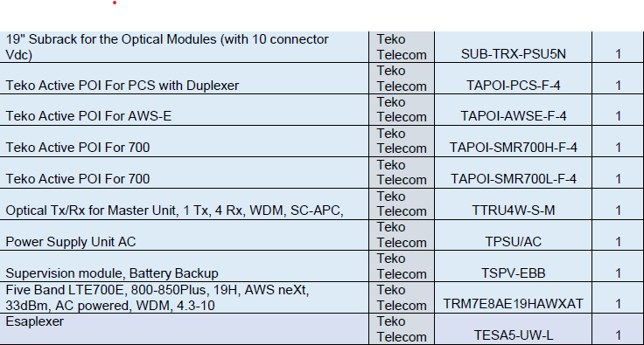
 | Bill of Materials
 | Annual maintenance support for Distributed Antenna System (DAS)
 | NIH Internal # 2272070
 | POP: 06/01/2025 through 05/31/2027

# | Description | Catalog | Qty
1 | Base Year from Support Year Effective 6/1/2026 to 5/31/2027 |  | 1 ea
2 | Spare Parts |  | 1 ea

 | The Distributed Antenna System (DAS) at the Integrated Research Facility (IRF) at Fort Detrick in Frederick Maryland enhances emergency communications for staff and NIH Police by supporting both commercial cellular networks and public safety communications. The system was upgraded in 2024 to minimizes coverage gaps and modernize equipment.Maintenance service for the DAS will provide technical services that will regularly access evaluate report and restore the DAS in the event of a system failure. Maintenance activities include: Maintaining on-site spare parts providing support services and providing timely response. The contractor is responsible for conducting business between the hours of 7:30AM – 4:00PM Monday through Friday (except Federal holidays or when the Government facility is closed) AND when experiments are occurring.

 | Vendor will procure the following spare parts as part of this agreement:

