Sample Sheet
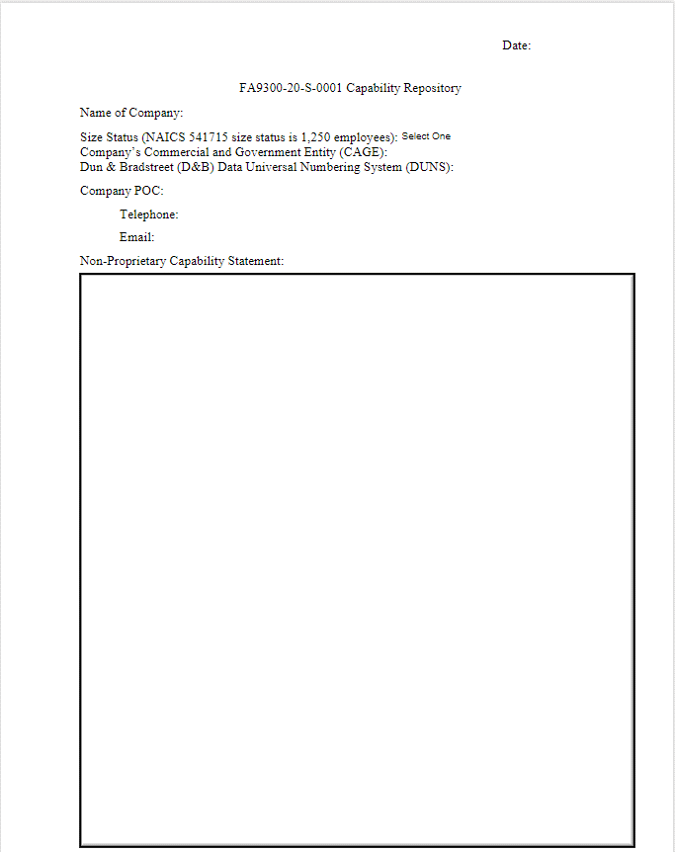
Return to List

SPARC Research
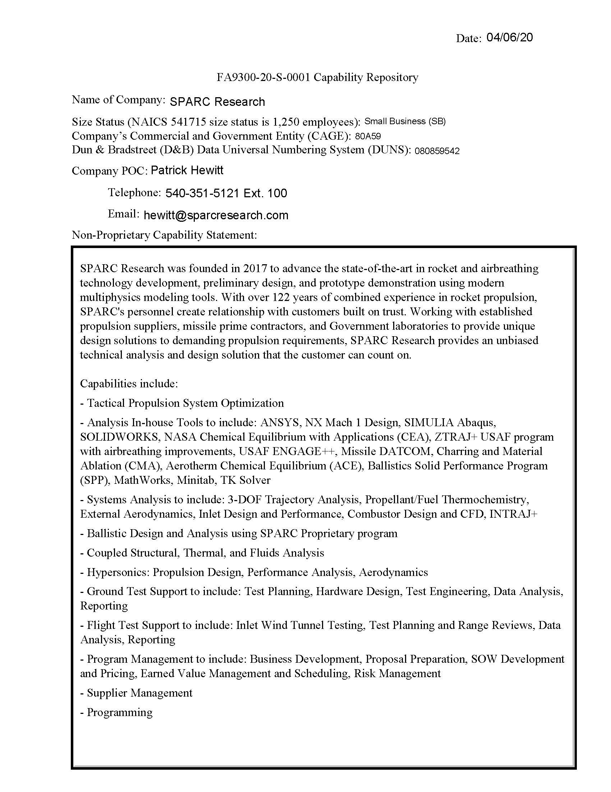
Return to List

STOKE Space Technologies, Inc.
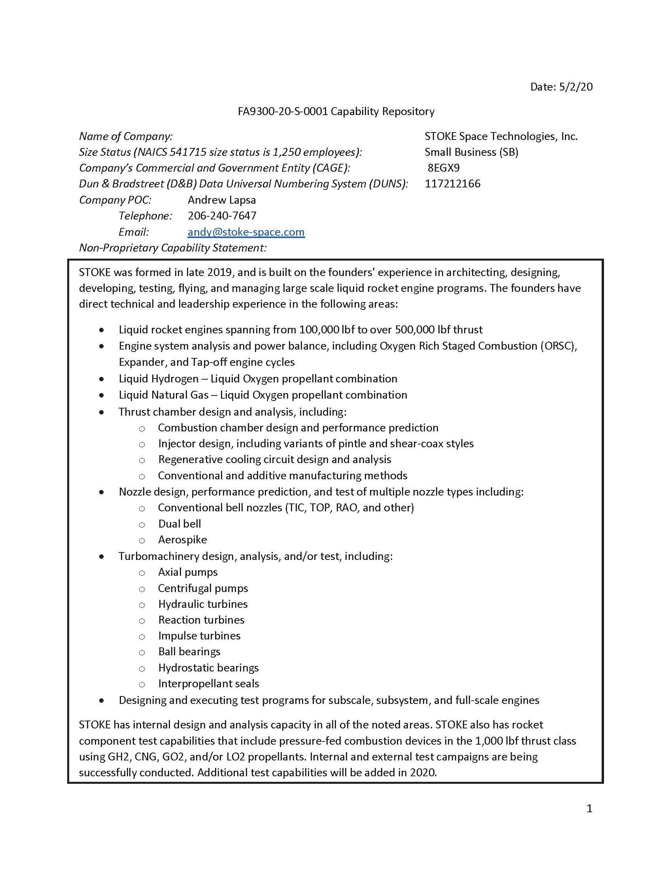
Return to List

InnovAMPP, Inc.
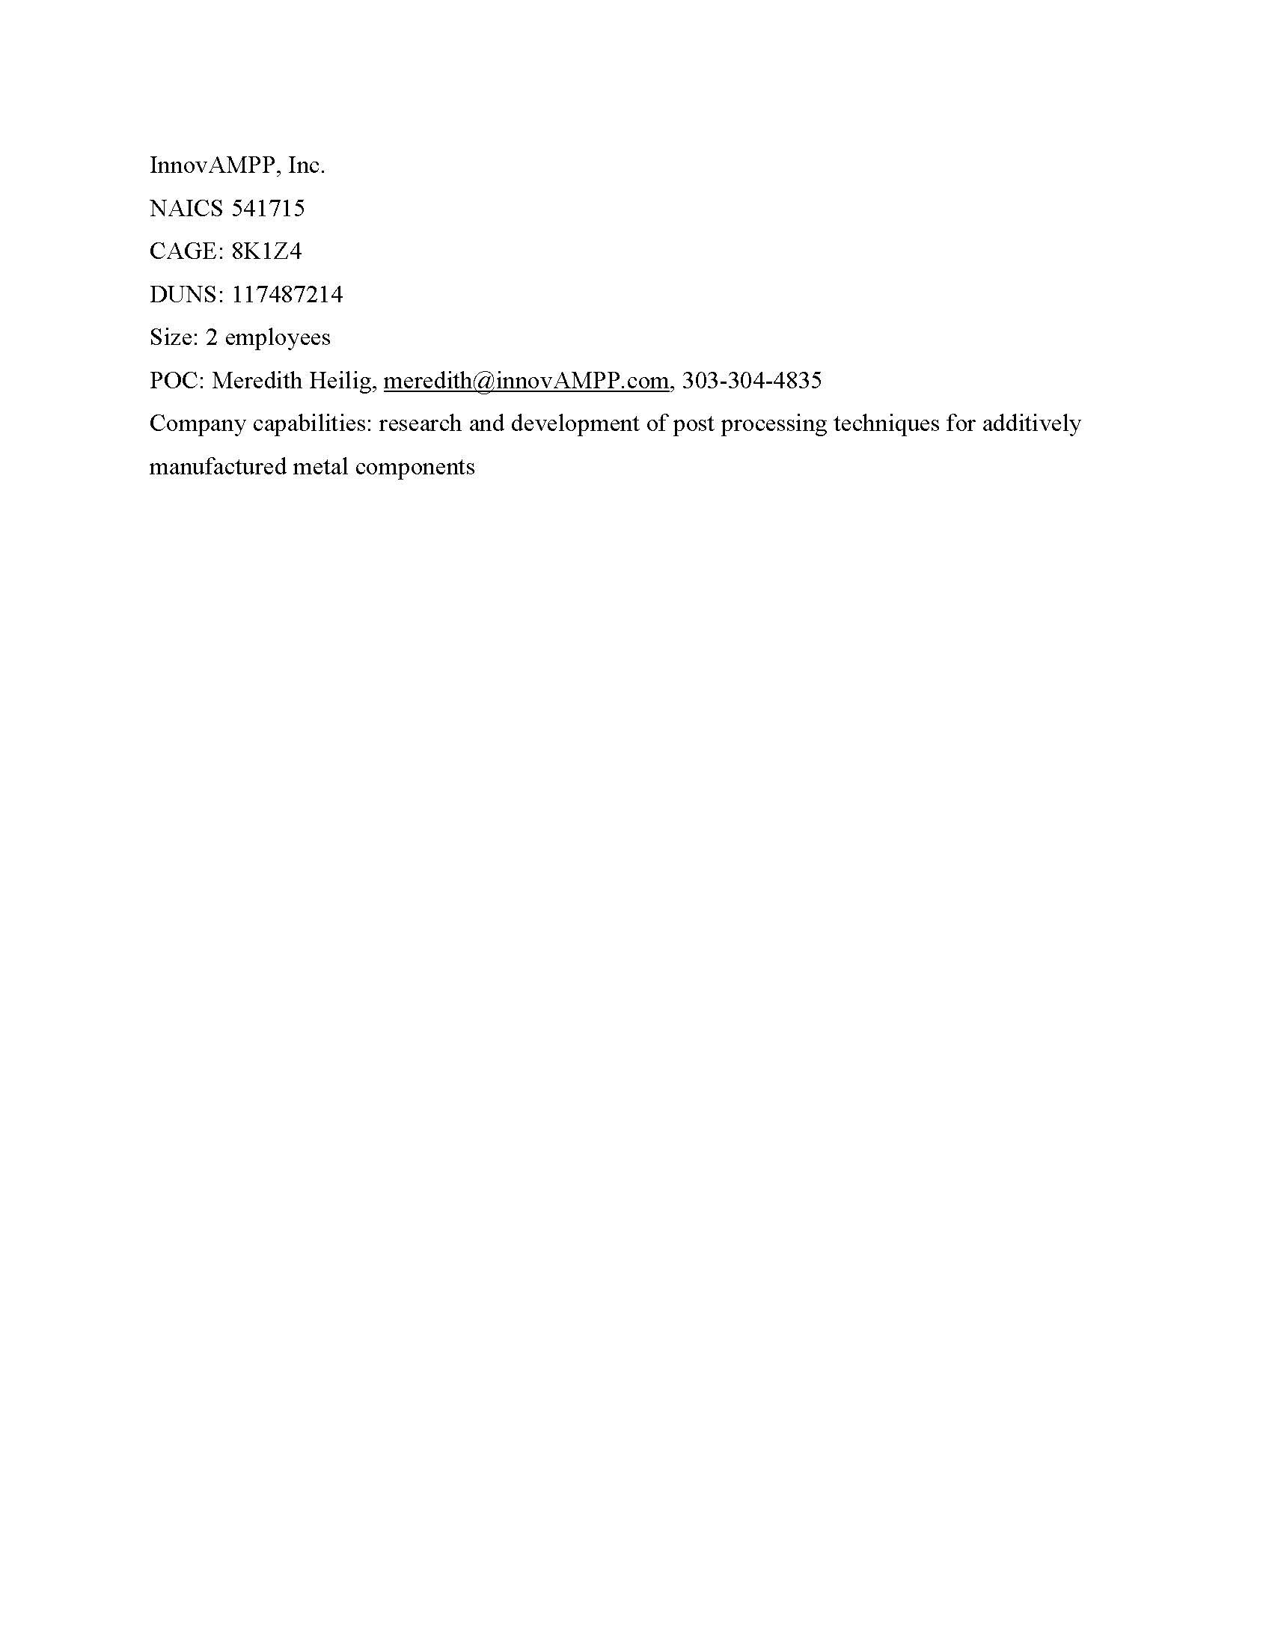
Return to List

Ursa Major Technologies
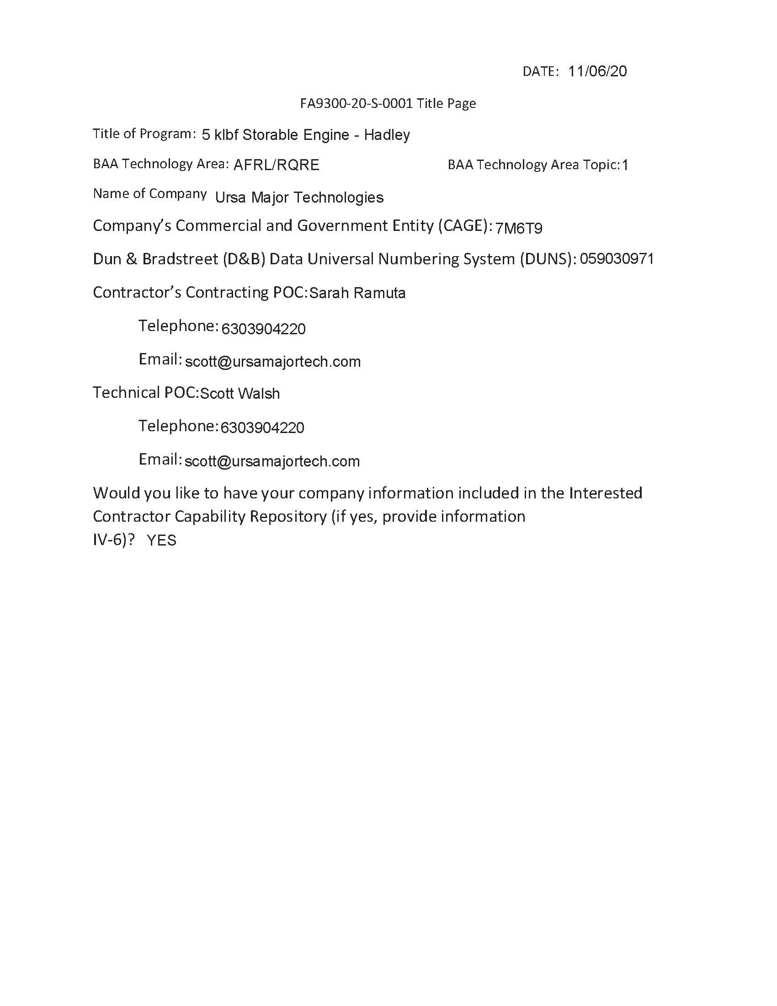
Return to List

Illinois Rocstar
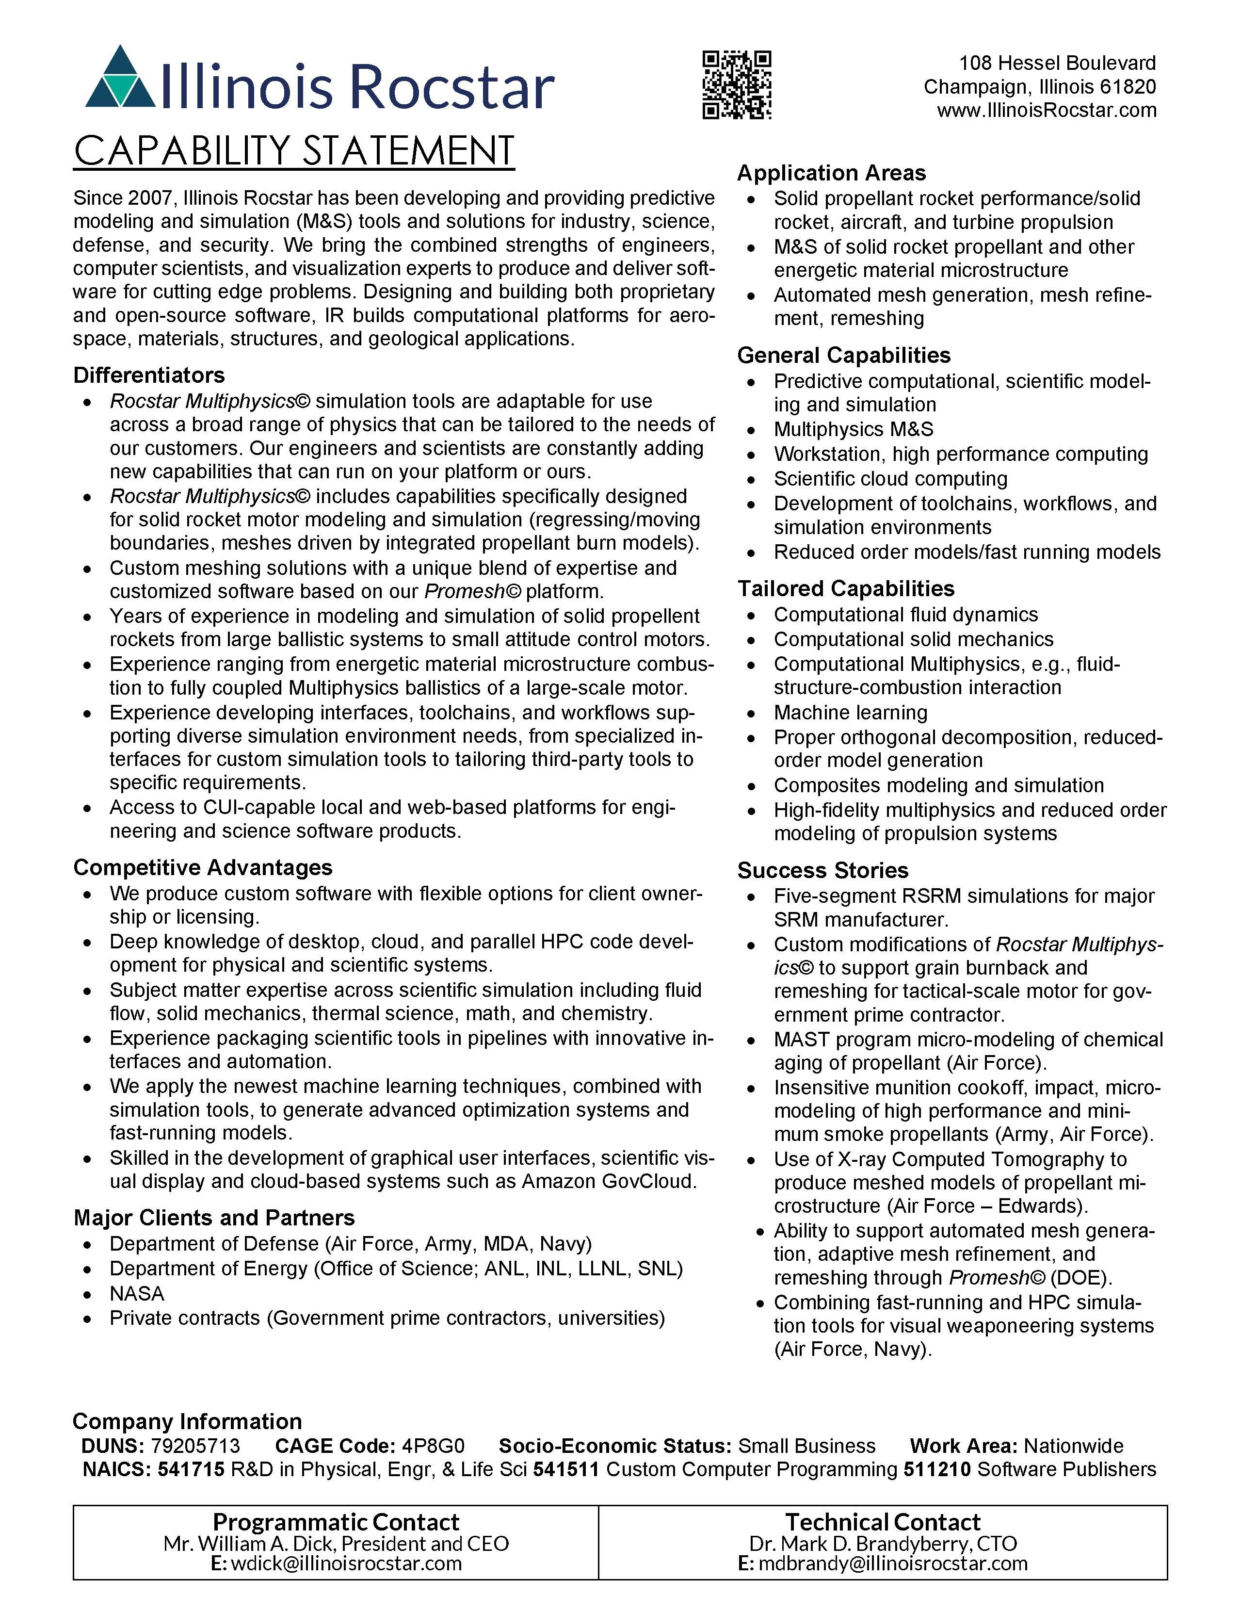
Return to List

TGV Rockets, Inc.
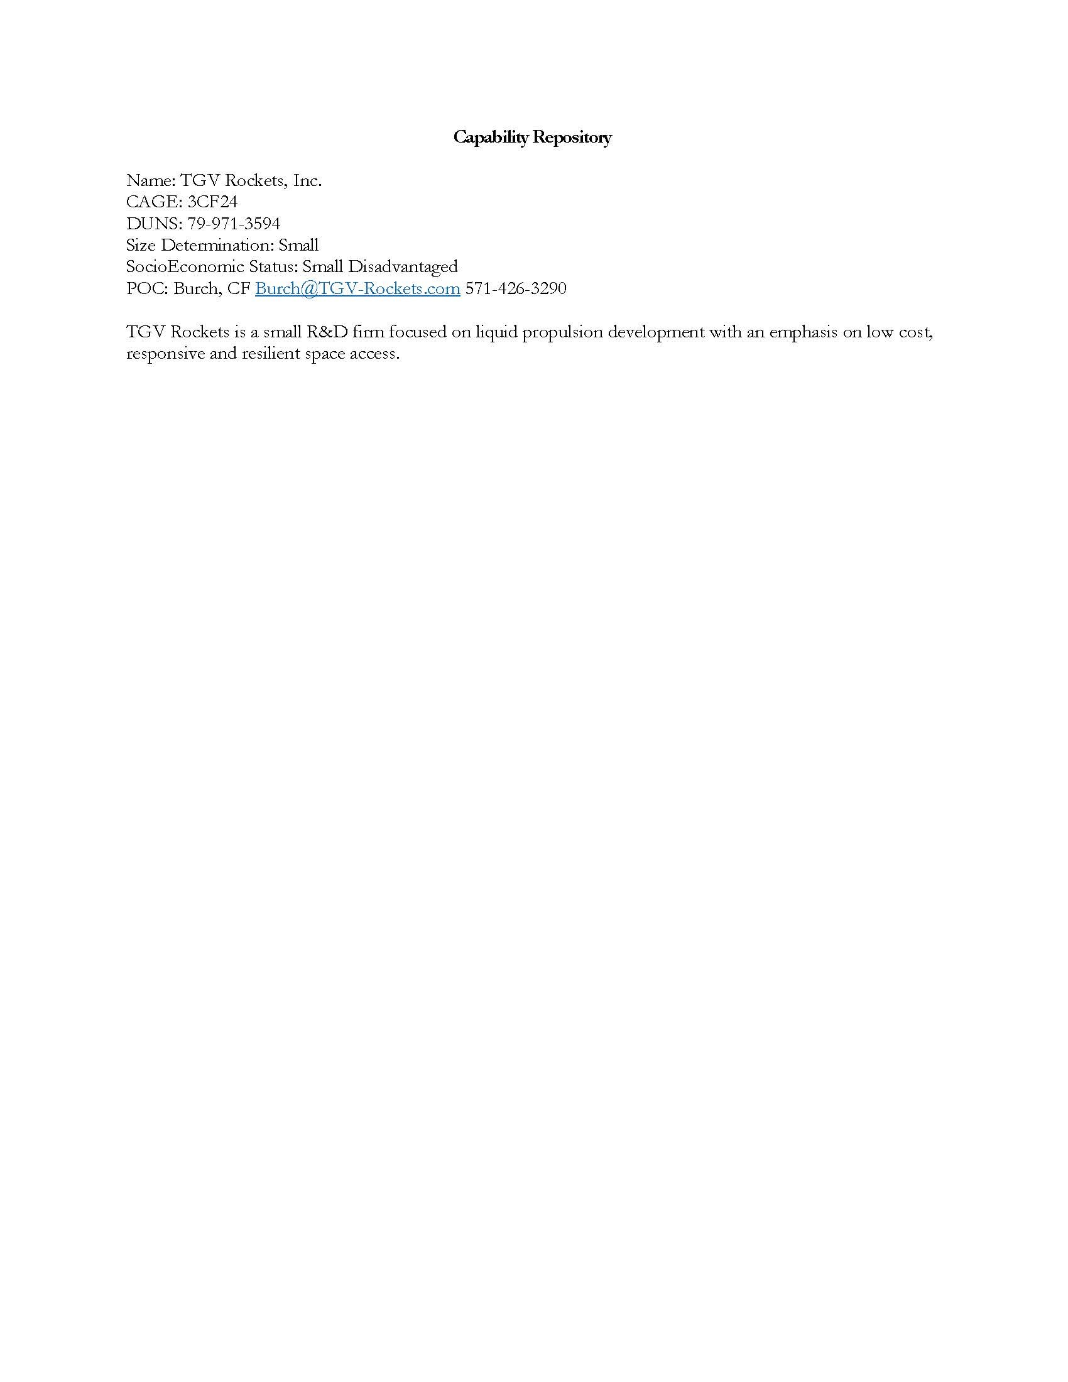
Return to List

Opto-Knowledge Systems, Inc.
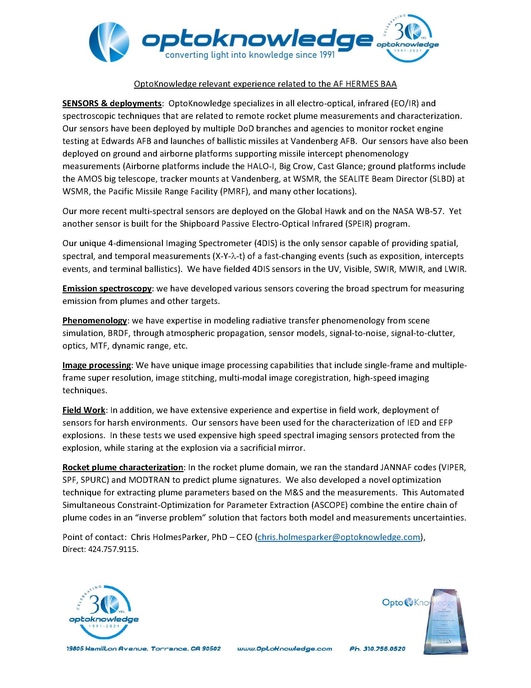
Return to List

SPARC Research2
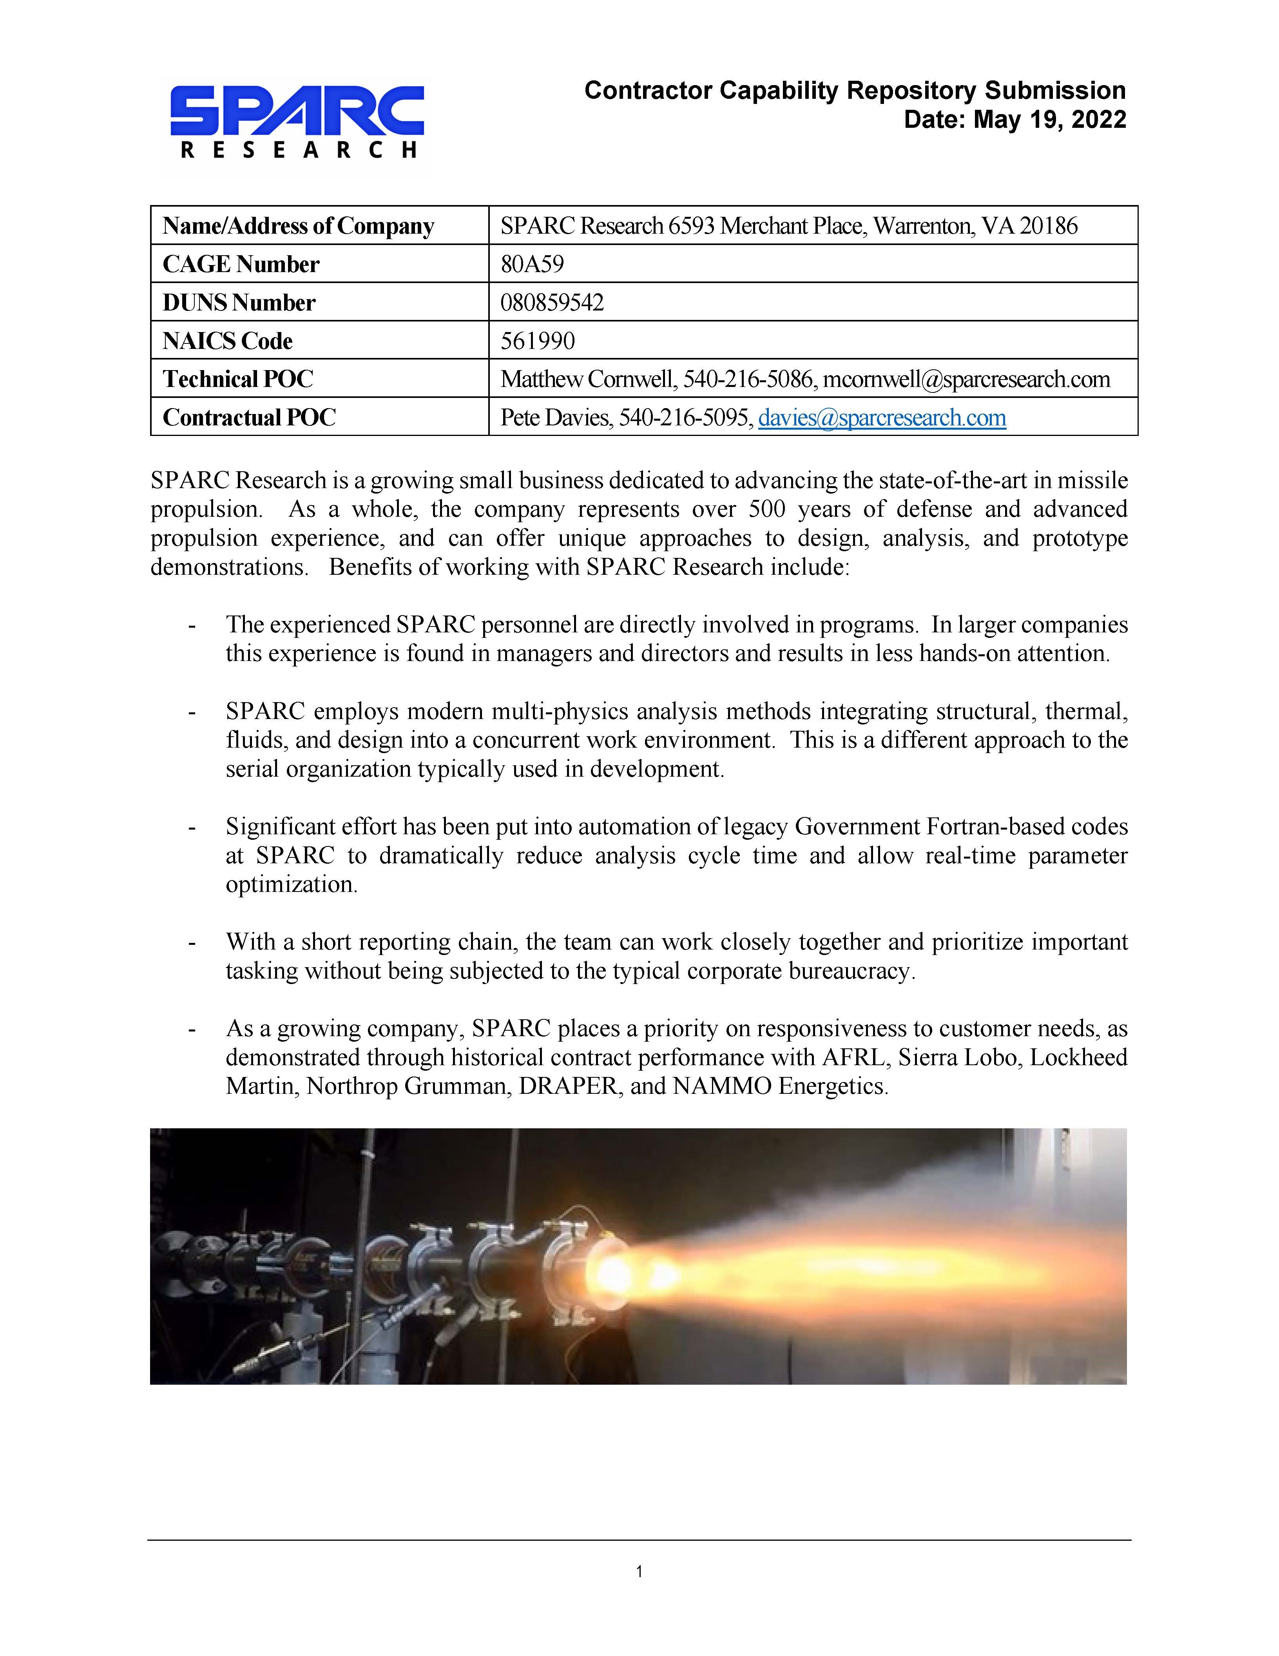
Return to List

Ohio Aerospace Institute (OAI)
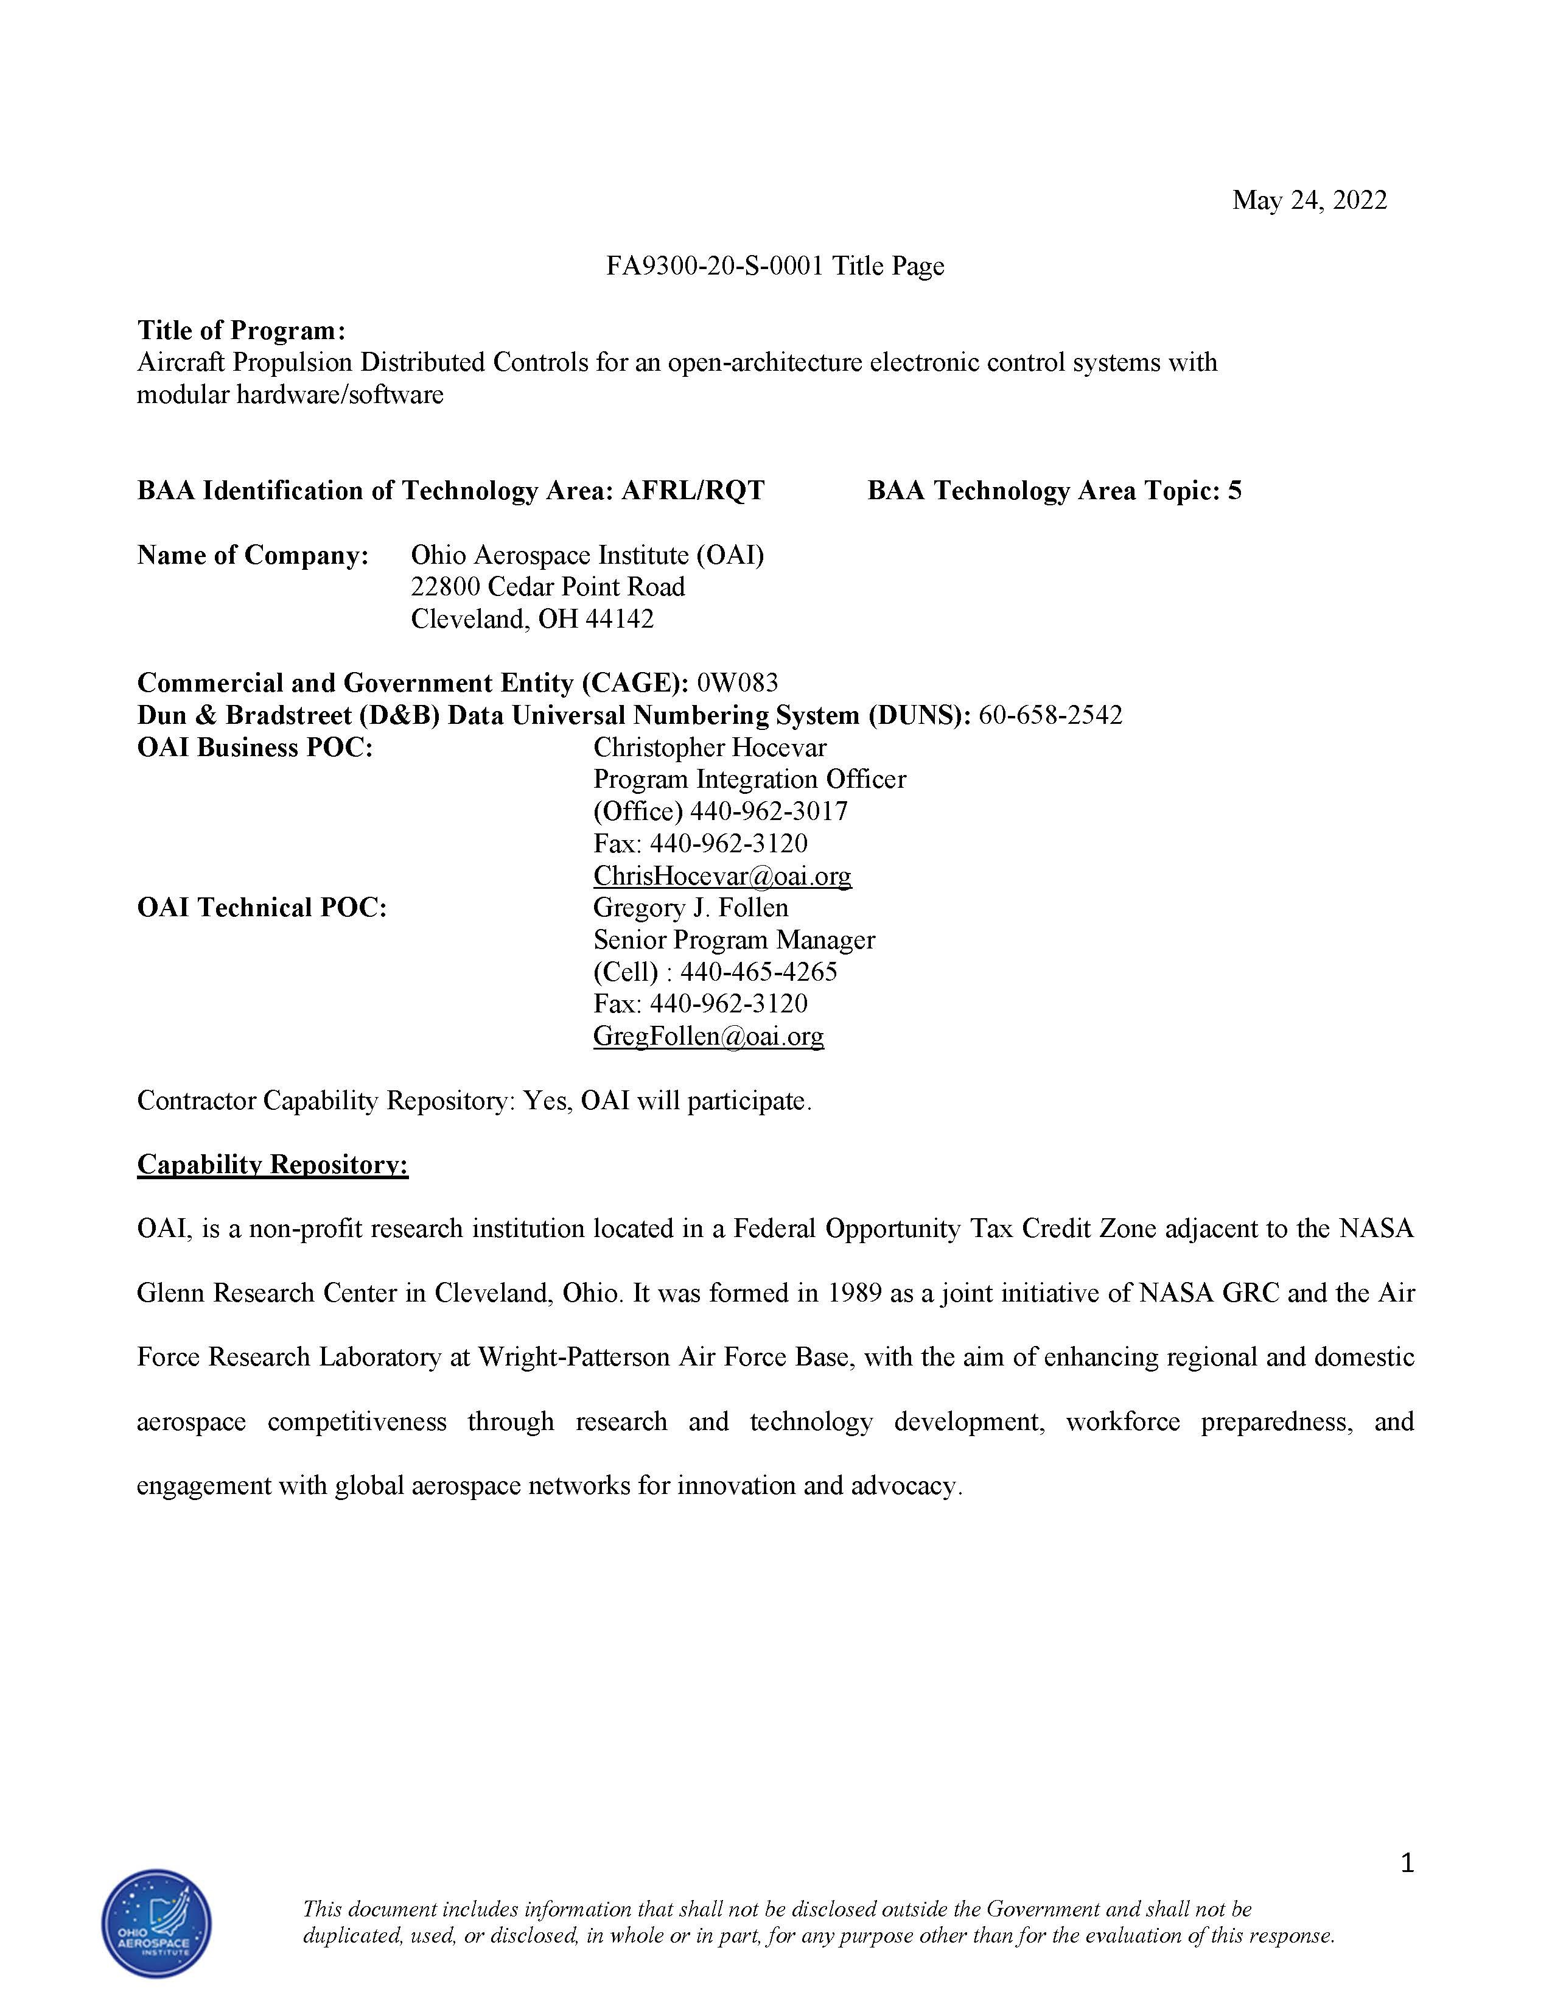
Return to List

University of Dayton Research I
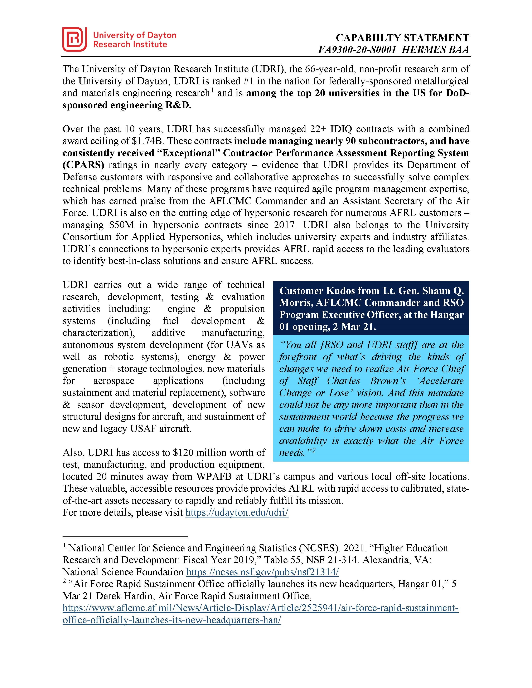
Return to List

Chromatic 3D Materials Inc.
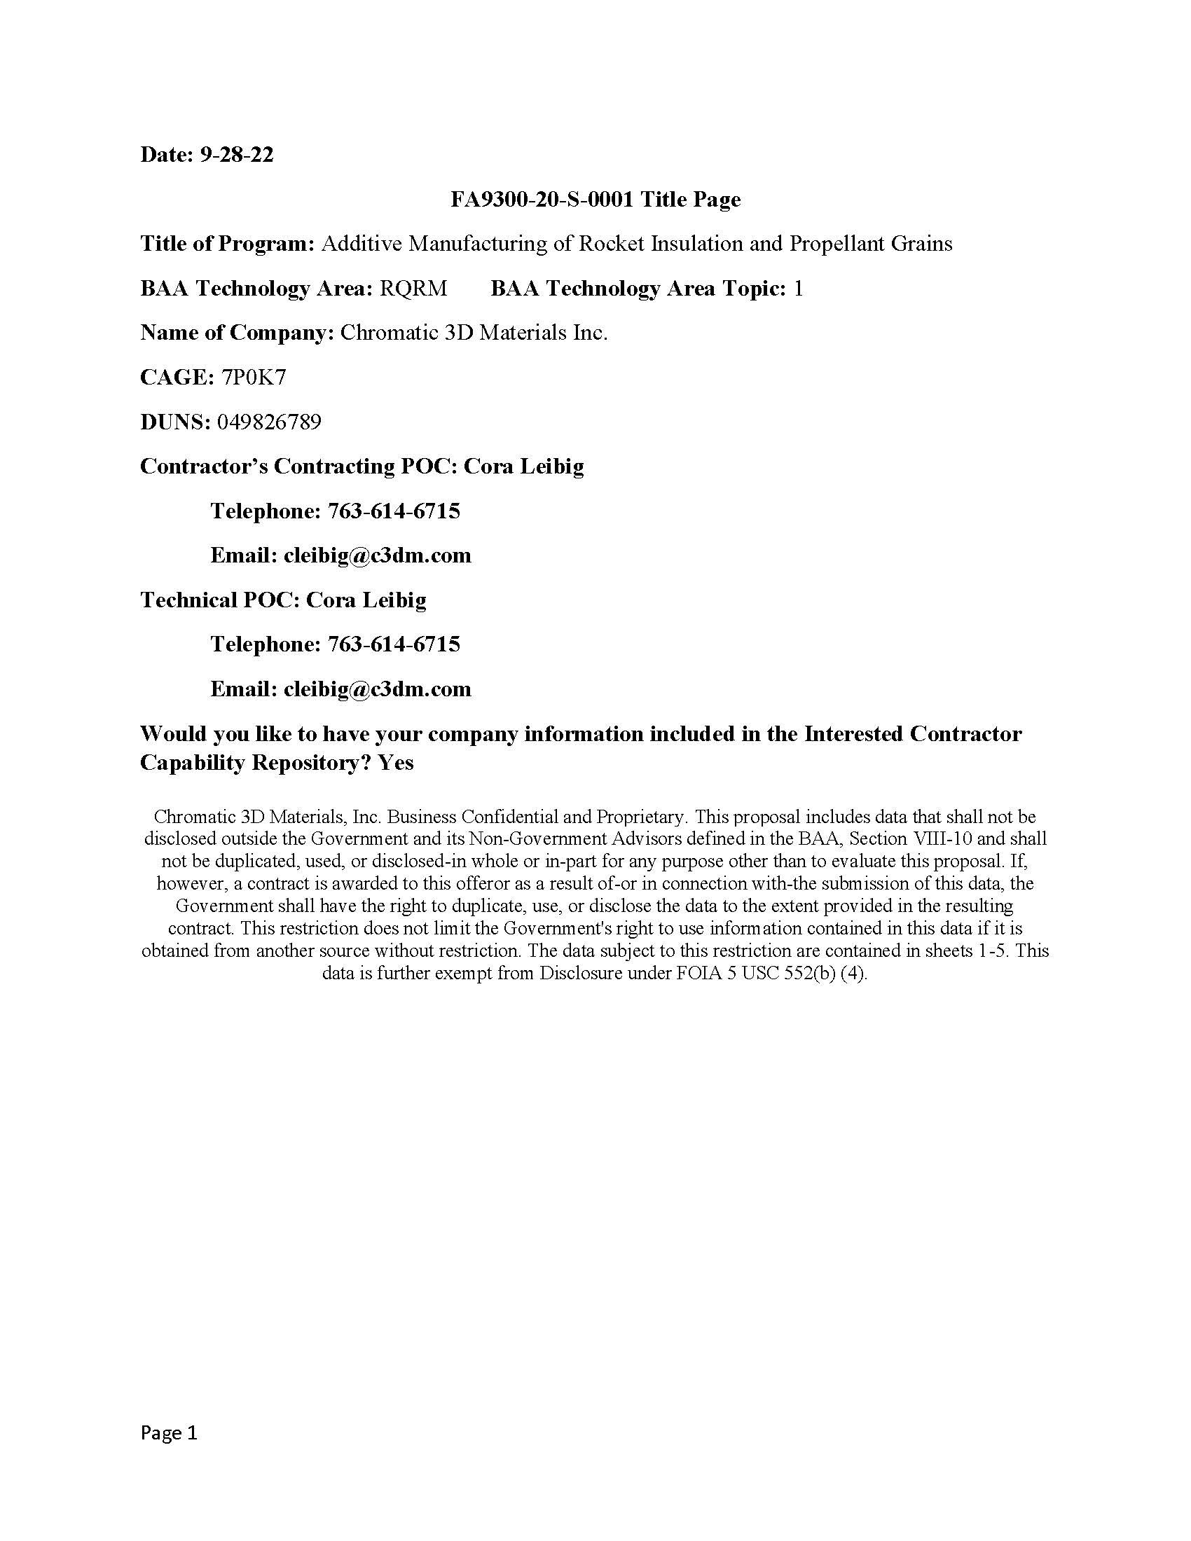
Return to List

UES, Inc.
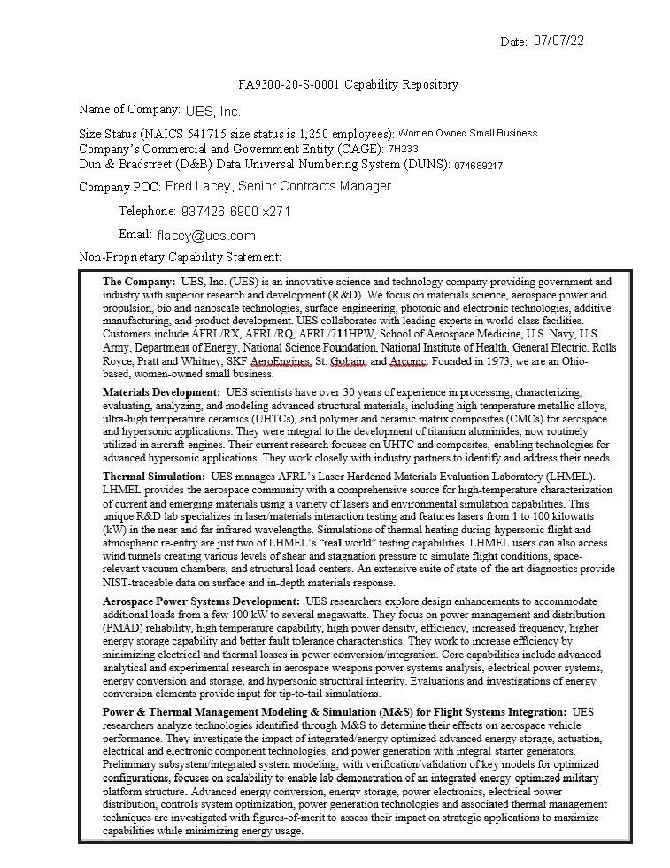
Return to List

