Coversheet
 |  | If an offeror cannot cover all areas, the Government may still consider the offeror for award.
Year 1 | 08/31/2026 – 08/30/2027 | The Government will evaluate an offer that can cover all areas more favorably.
Year 2 | 08/31/2027 – 08/30/2028
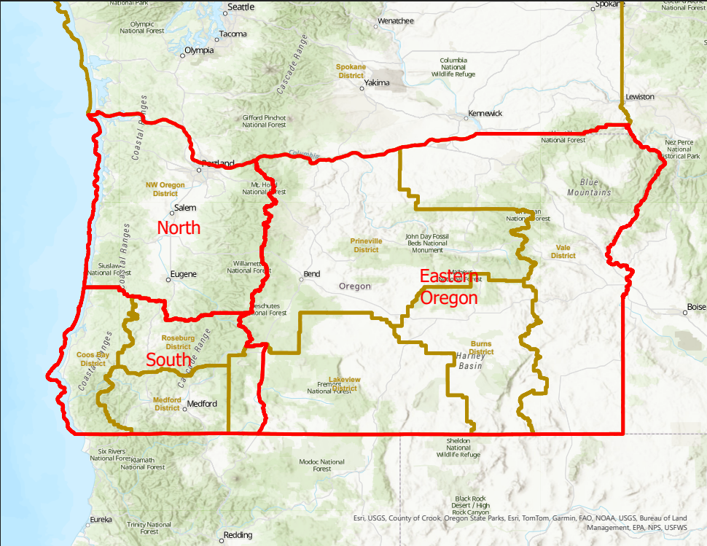
Year 3 | 08/31/2028 – 08/30/2029
Year 4 | 08/31/2029 – 08/30/2030
Year 5 | 08/31/2030 – 08/30/2031
Year 6 | 08/31/2031 – 08/30/2032
Year 7 | 08/31/2032 – 08/30/2033
Year 8 | 08/31/2033 – 08/30/2034
Year 9 | 08/31/2034 – 08/30/2035
Year 10 | 08/31/2035 – 08/30/2036

