Sample Products
Picure Example | Description | Size of Furniture
 | Full size metal bed frame (only) | Height 14" X Width 55" X Depth 75"
 | Full Headboard (only) | Height 61" X Width 57" X Depth 8.5"
 | Queen size metal bed frame (only) | Height 14" X Width 60.5" X Depth 79"
 | Queen Headboard (only) | Height 55" X Width 65" X Depth 3.50"
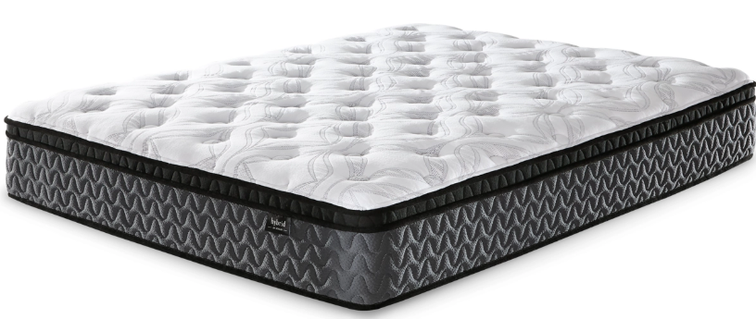 | Full Mattress | Height 9" minimum to 13.25" maximum
 | Queen Mattress | Height 9" minimum to 13.25" maximum
 | Queen Size wooden bed | Height 60" X Width 67" X Depth 87"
 | Night Stand | Height 27" X Width 13.75" X Depth 20"
 | Tall Dresser | Height 28.75" X Width 23" X Depth 17"
 | Wide Dresser | Height 41" X Width 62" X Depth 17"
 | End / Sofa Table | Height 23" X Width 13" X Depth 22"
 | End / Sofa Table | Height 20" X Width 20" X Depth 18"
 | Coffee Table | Height 18" X Width 48" X Depth 24"
 | Table lamp | Height 19.5" X Width 8" X Depth 11"
 | Floor lamp | Height 58 " X Width 20.5" X Depth 13"
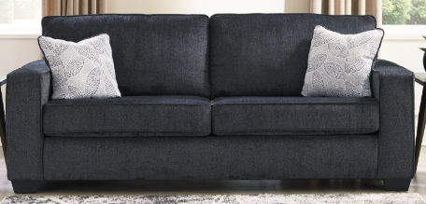 | Sofa | Height 37 " X Width 85" X Depth 38". Seat Height 20"
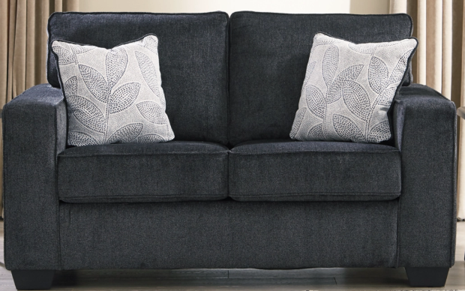 | Loveseat | Height 37 " X Width 62" X Depth 38". Seat Height 20"
 | Chair | Height 37 " X Width 38" X Depth 38". Seat Height 20"
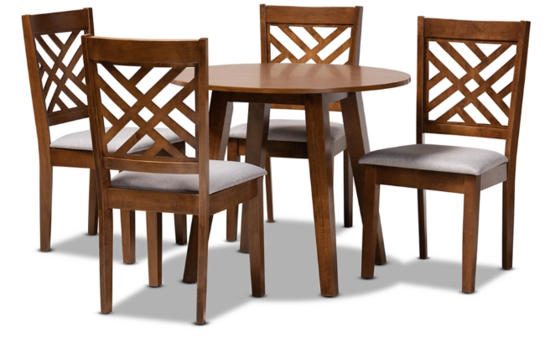 | Dining set 4 chairs | Table: Height 30" X Width 36" X Depth 36" Chairs: Height 40" X Width 20" X Depth 23"
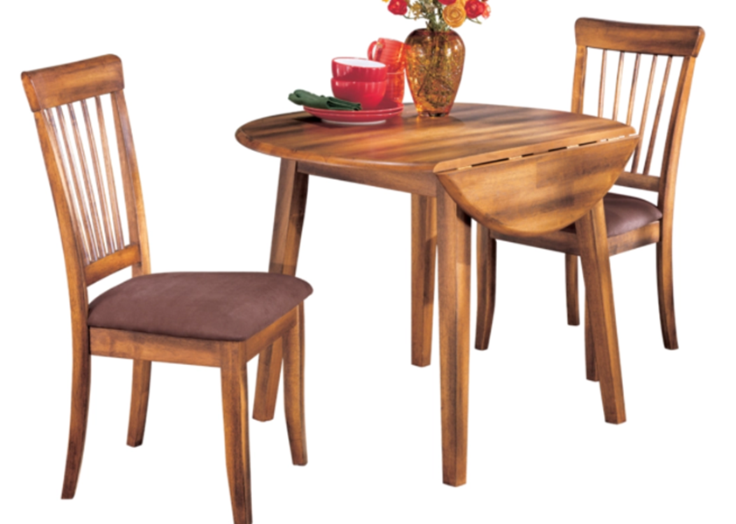 | Drop leaf Dining set 2 chairs | Table: Height 31" X Width 42" X Depth 42" Chairs: Height 39" X Width 19" X Depth 23"

