bank_details
Required Information | Fill in
账户开户名： Bank Account Name: | Devon James Cady-Lee
开户行： Bank Name: | Bank of America (New York, NY)
账户号： Bank Account Number: | 9497862634
开户行地址： Bank Address: | 50 Bayard St, New York, NY 10013
银行swift code Bank Swift Code: | BOFAUS3N
电子邮箱： Email: | gorremhome@gmail.com
联系人姓名 contact name | Devon Cady-Lee
联系电话： Contact Number: | 9175280015
地址： Address: | 2415 2nd Ave. Apt 345 Seattle, WA
邮编： Postal Code: | 98212
身份证号码： Identification Card Number (for freelance only)： | CADYLDJ162RU

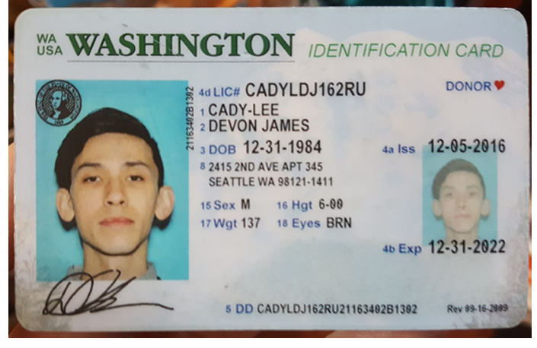
身份证电子档 Copy of Identification Card (for freelance only)

