bank_details
Required Information | Fill in
账户开户名： Bank Account Name: | Eric Dagley
开户行： Bank Name: | First Technology Federal Credit Union
账户号： Bank Account Number: | 9337182506
开户行地址： Bank Address: | 5100 NE Dawson Creek Drive, Hillsboro OR 97124 Individual Address: 2411 NW 58th St, APT #6, Seattle WA 98107
银行swift code Bank Swift Code: | FTFCUS66
电子邮箱： Email: | eric.dagley@gmail.com
联系人姓名 contact name | Eric Dagley
联系电话： Contact Number: | 812-327-8521
地址： Address: | 1415 154th Ave NE, Apt B413 Bellevue, WA
邮编： Postal Code: | 98007
身份证号码： Identification Card Number (for freelance only)： | DAGLEEJ137C0

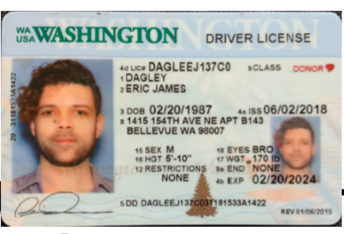 身份证电子档 Copy of Identification Card (for freelance only)

