bank details
Required Information | Fill in
账户开户名： Bank Account Name: | Apolline Etienne
开户行： Bank Name: | Bank of Scotland
账户号： Bank Account Number: | • Sort Code 80-46-35 • Account Number • 11322660
开户行地址： Bank Address: | 75 George St, Edinburgh EH2 3EW
银行swift code Bank Swift Code: | • IBAN • GB97BOFS80463511322660 • BIC • BOFSGBS1009
电子邮箱： Email: | apolline.etienne@gmail.com
联系电话： Contact Number: | 771292120
地址： Address: | 220k Newt Street Musselburgh Scotland
邮编： Postal Code: | EH21 6DQ
身份证号码： Identification Card Number (for individual only)：

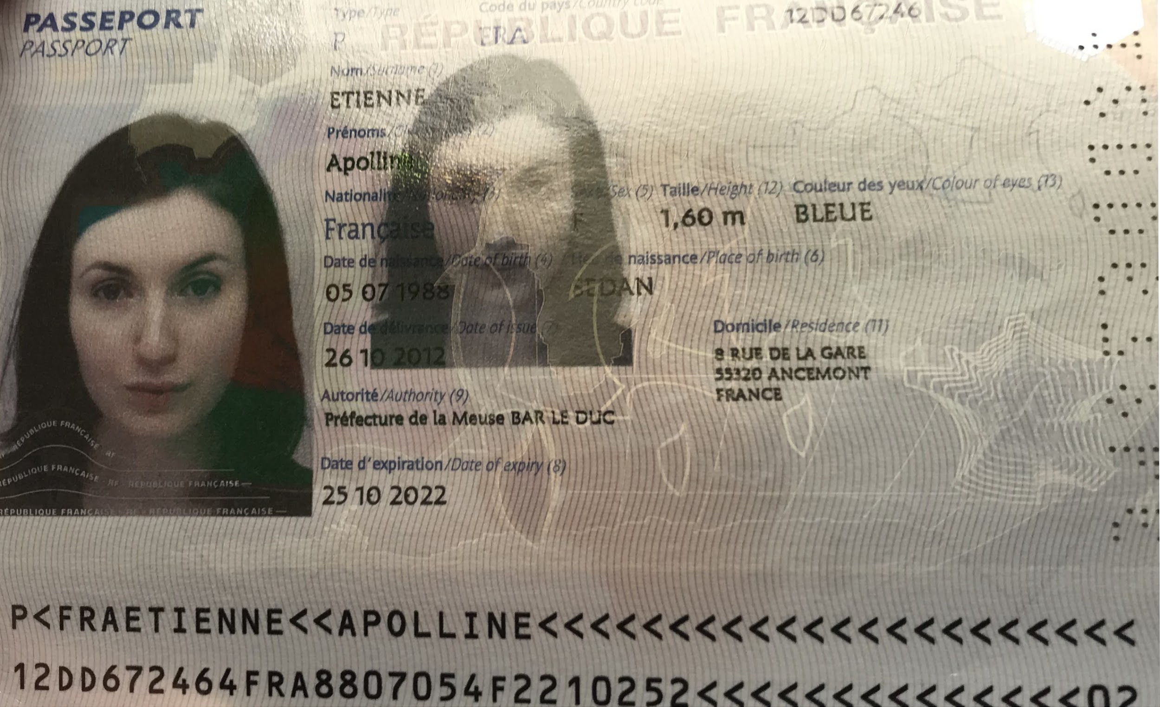 |  | Copy of Valid Company Operating Certificate

