bank details
Required Information | Fill in
账户开户名： Bank Account Name: | KIM DAEJIN
开户行： Bank Name: | CITIBANK KOREA INC - KAKAO
账户号： Bank Account Number: | 3333 11 3275602
开户行地址： Bank Address: | 24 CHEONGGYECHEON_RO, JUNG-GU, SEOUL, KOREA
银行swift code Bank Swift Code: | CITIKRSXKAK
电子邮箱： Email: | monkeyjay86@gmail.com
联系电话： Contact Number: | +82 10 6304 2466
地址： Address: | 107-202 Donam-Haemoro Richhill APT,14, Donamseo-gil, Jeju-si, Jeju-do, Republic of Korea​
邮编： Postal Code: | 63203
身份证号码： Identification Card Number (for individual only)： | 1020316

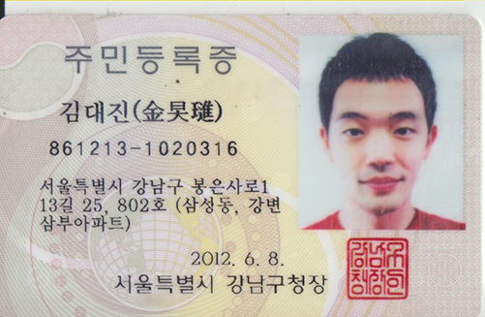 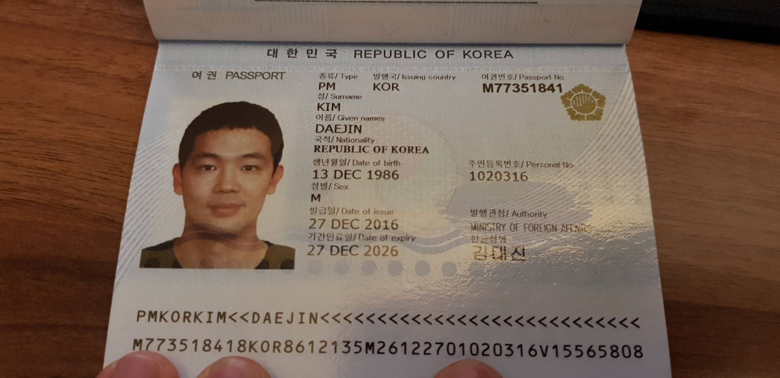 Copy of Identification Card (for individual only) |  | Copy of Valid Company Operating Certificate

