bank details
Required Information | Fill in
账户开户名： Bank Account Name: | KRISHNA RAJU R
开户行： Bank Name: | CITIBANK Bengaluru Branch
账户号： Bank Account Number: | 5679164807
开户行地址： Bank Address: | No. 5, MG Road, Yellappa Garden, Yellappa Chetty Layout, Sivanchetti Gardens, Bengaluru, Karnataka 560001
银行swift code Bank Swift Code: | CITIINBXBLR
电子邮箱： Email: | krish_boo@yahoo.co.in
联系电话： Contact Number: | +91 8105951846
地址： Address: | NO 354, 4th Main, 3rd Phase J.P.Nagar Bangalore India
邮编： Postal Code: | 560078
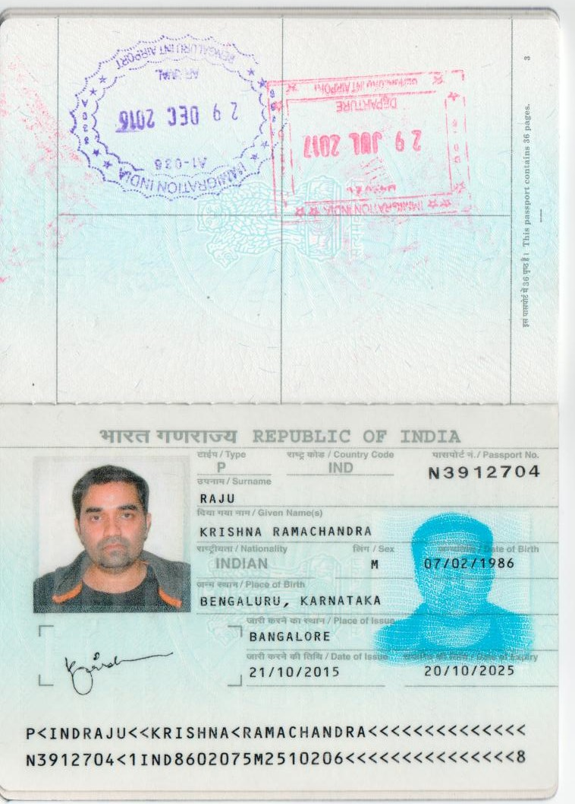
身份证号码： Identification Card Number (for individual only)： | N3912704

Copy of Identification Card (for individual only) |  | Copy of Valid Company Operating Certificate

