bank details
Required Information | Fill in
账户开户名： Bank Account Name: | David Le Merrer
开户行： Bank Name: | Bank of America
账户号： Bank Account Number: | 001779366118
开户行地址： Bank Address: | bank of America, NA, 222 Broadway, New York, NY, 10038, USA
银行swift code Bank Swift Code: | BOFAUS3N
电子邮箱： Email: | dlemerrer@gmail.com
联系电话： Contact Number: | 415 297 2453
地址： Address: | 2590 greenwich st, apt 11, San Francisco, CA
邮编： Postal Code: | 94123
身份证号码： Identification Card Number (for individual only)： | 'business account number 1083072

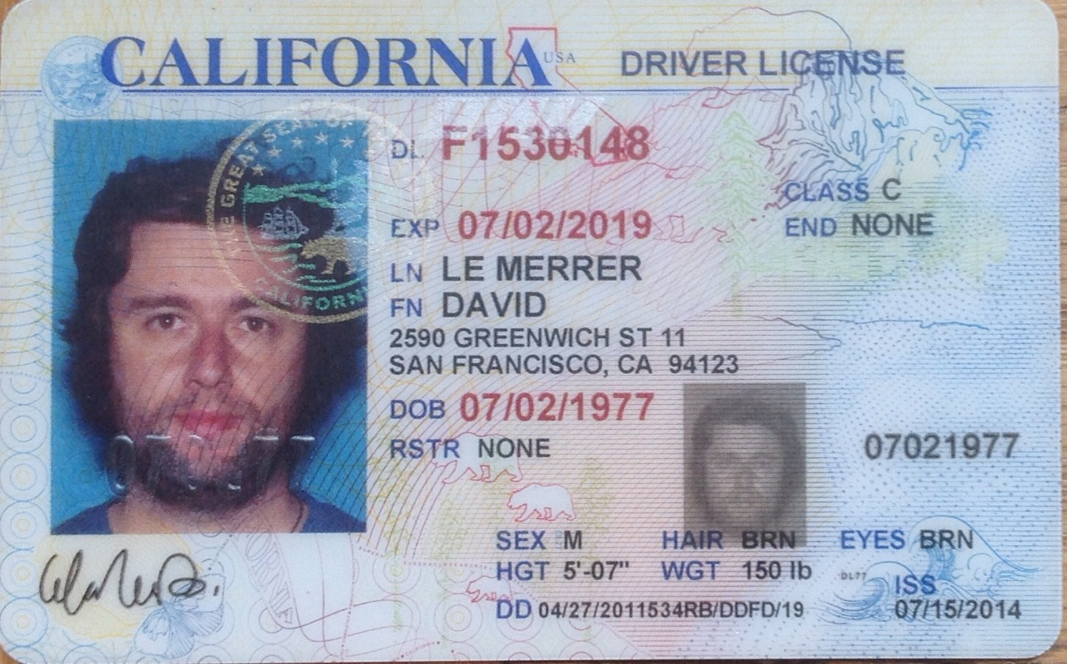 |  | Copy of Valid Company Operating Certificate

